LOC100130093 _multivariate
Reported by Tex Li-Hsing Chi. tex@gate.sinica.edu.tw 2019-08-18

Table 2. The clinicopathological features of HNSCC cohort and LOC100130093 expression. (Chi square test)
Cutoff at -0.338 (49.8%)
 |  | LOC100130093 expression |  | LOC100130093 expression |  | (Optimised)
 | Features | Low | (%) | High | (%) | Case no | P-value | Remark | Matthews
Gender | Female | 147 | 35.4 | 159 | 38.3 | 415 | 0.2523 | 0 | 0
2 | Male | 60 | 14.5 | 49 | 11.8
Age at diagnosis | <=65y | 138 | 33.3 | 136 | 32.8 | 415 | 0.8634 | 0 | 0
4 | >65y | 69 | 16.6 | 72 | 17.3
Clinical T Status | T1+T2 | 73 | 17.6 | 76 | 18.3 | 415 | 0.8666 | 0 | 0
6 | T3+T4 | 134 | 32.3 | 132 | 31.8
Clinical N Status | N0 | 117 | 28.2 | 99 | 23.9 | 415 | 0.0852 | 1 | 0
8 | N1-3 | 90 | 21.7 | 109 | 26.3
Clinical M Status | M0 | 207 | 49.9 | 205 | 49.4 | 415 | 0.2482 | 0 | 0
10 | M1 | 0 | 0 | 3 | 0.7
Clinical Stage | Stage I+II | 57 | 13.7 | 45 | 10.8 | 415 | 0.1998 | 0 | 0
12 | Stage III+IV | 150 | 36.1 | 163 | 39.3
Surgical Margin status | Negative | 160 | 38.6 | 158 | 38.1 | 415 | 0.8167 | 0 | 0
14 | Positive | 47 | 11.3 | 50 | 12
Tobacco Exposure | Low | 95 | 22.9 | 66 | 15.9 | 415 | 0.0035 | 1 | 0
16 | High | 112 | 27 | 142 | 34.2

Table 3. Univariate/Multivariate Cox's proportional hazards regression analyses on OS time of LOC100130093 gene expression in HNSCC

 |  | Univariate |  |  |  | Multivariate
 | Features | HR | CI95%(L) | CI95%(H) | P-value | HR | CI95%(L) | CI95%(H) | P-value
1 | Female | 1 |  |  |  | 1
Gender | Male | 1.157 | 0.843 | 1.587 | 0.367 | 1.206 | 0.864 | 1.685 | 0.271
11 | <=65y | 1 |  |  |  | 1
Age at diagnosis | >65y | 1.329 | 0.99 | 1.784 | 0.058 | 1.386 | 1.019 | 1.884 | 0.037
12 | T1+T2 | 1 |  |  |  | 1
Clinical T Status | T3+T4 | 1.409 | 1.028 | 1.931 | 0.033 | 2.236 | 1.181 | 4.231 | 0.013
13 | N0 | 1 |  |  |  | 1
Clinical N Status | N1-3 | 1.185 | 0.89 | 1.577 | 0.246 | 1.233 | 0.864 | 1.761 | 0.248
14 | M0 | 1 |  |  |  | 1
Clinical M Status | M1 | 4.097 | 1.009 | 16.644 | 0.049 | 8.897 | 1.934 | 40.932 | 0.005
15 | Stage I+II | 1 |  |  |  | 1
Clinical Stage | Stage III+IV | 1.245 | 0.882 | 1.759 | 0.213 | 0.494 | 0.23 | 1.062 | 0.071
16 | Negative | 1 |  |  |  | 1
Surgical Margin status | Positive | 1.591 | 1.155 | 2.191 | 0.004 | 1.661 | 1.202 | 2.295 | 0.002
17 | Low | 1 |  |  |  | 1
Tobacco Exposure | High | 1.364 | 1.008 | 1.844 | 0.044 | 1.424 | 1.031 | 1.965 | 0.032
18 | Low | 1 |  |  |  | 1
RNAseq(z-score) | High | 1.228 | 0.92 | 1.638 | 0.163 | 1.16 | 0.865 | 1.557 | 0.322

Table 4. Univariate/Multivariate Cox's proportional hazards regression analyses on RFS time of LOC100130093 gene expression in HNSCC

 |  | Univariate |  |  |  | Multivariate
 | Features | HR | CI95%(L) | CI95%(H) | P-value | HR | CI95%(L) | CI95%(H) | P-value
1 | Female | 1 |  |  |  | 1
Gender | Male | 1.157 | 0.843 | 1.587 | 0.367 | 1.206 | 0.864 | 1.685 | 0.271
11 | <=65y | 1 |  |  |  | 1
Age at diagnosis | >65y | 1.329 | 0.99 | 1.784 | 0.058 | 1.386 | 1.019 | 1.884 | 0.037
12 | T1+T2 | 1 |  |  |  | 1
Clinical T Status | T3+T4 | 1.409 | 1.028 | 1.931 | 0.033 | 2.236 | 1.181 | 4.231 | 0.013
13 | N0 | 1 |  |  |  | 1
Clinical N Status | N1-3 | 1.185 | 0.89 | 1.577 | 0.246 | 1.233 | 0.864 | 1.761 | 0.248
14 | M0 | 1 |  |  |  | 1
Clinical M Status | M1 | 4.097 | 1.009 | 16.644 | 0.049 | 8.897 | 1.934 | 40.932 | 0.005
15 | Stage I+II | 1 |  |  |  | 1
Clinical Stage | Stage III+IV | 1.245 | 0.882 | 1.759 | 0.213 | 0.494 | 0.23 | 1.062 | 0.071
16 | Negative | 1 |  |  |  | 1
Surgical Margin status | Positive | 1.591 | 1.155 | 2.191 | 0.004 | 1.661 | 1.202 | 2.295 | 0.002
17 | Low | 1 |  |  |  | 1
Tobacco Exposure | High | 1.364 | 1.008 | 1.844 | 0.044 | 1.424 | 1.031 | 1.965 | 0.032
18 | Low | 1 |  |  |  | 1
RNAseq(z-score) | High | 1.228 | 0.92 | 1.638 | 0.163 | 1.16 | 0.865 | 1.557 | 0.322

Kaplan-Meier survival estimate: Cutoff at -0.338 (49.8%)

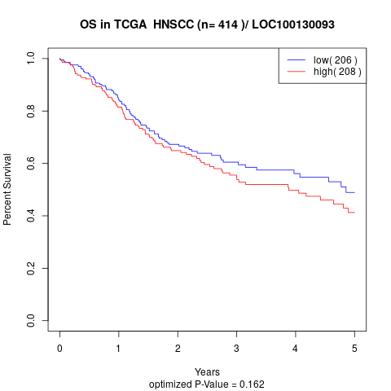

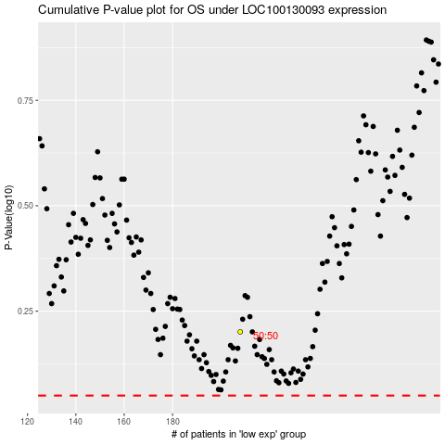

 |  |  |  |  |  | cases_OS | p_OS | rank | exp
 |  |  |  |  |  |  | cases_RFS | p_RFS | rank | exp

