LOC100130238 _multivariate
Reported by Tex Li-Hsing Chi. tex@gate.sinica.edu.tw 2019-08-18

Table 2. The clinicopathological features of HNSCC cohort and LOC100130238 expression. (Chi square test)
Cutoff at -0.248 (50.0%)
 |  | LOC100130238 expression |  | LOC100130238 expression |  | (Optimised)
 | Features | Low | (%) | High | (%) | Case no | P-value | Remark | Matthews
Gender | Female | 140 | 33.7 | 166 | 40 | 415 | 0.0068 | 1 | 0
2 | Male | 67 | 16.1 | 42 | 10.1
Age at diagnosis | <=65y | 133 | 32 | 141 | 34 | 415 | 0.5111 | 0 | 0
4 | >65y | 74 | 17.8 | 67 | 16.1
Clinical T Status | T1+T2 | 74 | 17.8 | 75 | 18.1 | 415 | 1 | 0 | 0
6 | T3+T4 | 133 | 32 | 133 | 32
Clinical N Status | N0 | 103 | 24.8 | 113 | 27.2 | 415 | 0.4047 | 0 | 0
8 | N1-3 | 104 | 25.1 | 95 | 22.9
Clinical M Status | M0 | 205 | 49.4 | 207 | 49.9 | 415 | 0.6232 | 0 | 0
10 | M1 | 2 | 0.5 | 1 | 0.2
Clinical Stage | Stage I+II | 51 | 12.3 | 51 | 12.3 | 415 | 1 | 0 | 0
12 | Stage III+IV | 156 | 37.6 | 157 | 37.8
Surgical Margin status | Negative | 162 | 39 | 156 | 37.6 | 415 | 0.4867 | 0 | 0
14 | Positive | 45 | 10.8 | 52 | 12.5
Tobacco Exposure | Low | 94 | 22.7 | 67 | 16.1 | 415 | 0.0065 | 1 | 0
16 | High | 113 | 27.2 | 141 | 34

Table 3. Univariate/Multivariate Cox's proportional hazards regression analyses on OS time of LOC100130238 gene expression in HNSCC

 |  | Univariate |  |  |  | Multivariate
 | Features | HR | CI95%(L) | CI95%(H) | P-value | HR | CI95%(L) | CI95%(H) | P-value
1 | Female | 1 |  |  |  | 1
Gender | Male | 1.157 | 0.843 | 1.587 | 0.367 | 1.226 | 0.874 | 1.721 | 0.238
11 | <=65y | 1 |  |  |  | 1
Age at diagnosis | >65y | 1.329 | 0.99 | 1.784 | 0.058 | 1.389 | 1.022 | 1.888 | 0.036
12 | T1+T2 | 1 |  |  |  | 1
Clinical T Status | T3+T4 | 1.409 | 1.028 | 1.931 | 0.033 | 2.224 | 1.176 | 4.206 | 0.014
13 | N0 | 1 |  |  |  | 1
Clinical N Status | N1-3 | 1.185 | 0.89 | 1.577 | 0.246 | 1.251 | 0.876 | 1.786 | 0.217
14 | M0 | 1 |  |  |  | 1
Clinical M Status | M1 | 4.097 | 1.009 | 16.644 | 0.049 | 9.829 | 2.135 | 45.255 | 0.003
15 | Stage I+II | 1 |  |  |  | 1
Clinical Stage | Stage III+IV | 1.245 | 0.882 | 1.759 | 0.213 | 0.499 | 0.232 | 1.071 | 0.075
16 | Negative | 1 |  |  |  | 1
Surgical Margin status | Positive | 1.591 | 1.155 | 2.191 | 0.004 | 1.654 | 1.195 | 2.288 | 0.002
17 | Low | 1 |  |  |  | 1
Tobacco Exposure | High | 1.364 | 1.008 | 1.844 | 0.044 | 1.433 | 1.037 | 1.979 | 0.029
18 | Low | 1 |  |  |  | 1
RNAseq(z-score) | High | 1.124 | 0.84 | 1.504 | 0.431 | 1.121 | 0.829 | 1.515 | 0.46

Table 4. Univariate/Multivariate Cox's proportional hazards regression analyses on RFS time of LOC100130238 gene expression in HNSCC

 |  | Univariate |  |  |  | Multivariate
 | Features | HR | CI95%(L) | CI95%(H) | P-value | HR | CI95%(L) | CI95%(H) | P-value
1 | Female | 1 |  |  |  | 1
Gender | Male | 1.157 | 0.843 | 1.587 | 0.367 | 1.226 | 0.874 | 1.721 | 0.238
11 | <=65y | 1 |  |  |  | 1
Age at diagnosis | >65y | 1.329 | 0.99 | 1.784 | 0.058 | 1.389 | 1.022 | 1.888 | 0.036
12 | T1+T2 | 1 |  |  |  | 1
Clinical T Status | T3+T4 | 1.409 | 1.028 | 1.931 | 0.033 | 2.224 | 1.176 | 4.206 | 0.014
13 | N0 | 1 |  |  |  | 1
Clinical N Status | N1-3 | 1.185 | 0.89 | 1.577 | 0.246 | 1.251 | 0.876 | 1.786 | 0.217
14 | M0 | 1 |  |  |  | 1
Clinical M Status | M1 | 4.097 | 1.009 | 16.644 | 0.049 | 9.829 | 2.135 | 45.255 | 0.003
15 | Stage I+II | 1 |  |  |  | 1
Clinical Stage | Stage III+IV | 1.245 | 0.882 | 1.759 | 0.213 | 0.499 | 0.232 | 1.071 | 0.075
16 | Negative | 1 |  |  |  | 1
Surgical Margin status | Positive | 1.591 | 1.155 | 2.191 | 0.004 | 1.654 | 1.195 | 2.288 | 0.002
17 | Low | 1 |  |  |  | 1
Tobacco Exposure | High | 1.364 | 1.008 | 1.844 | 0.044 | 1.433 | 1.037 | 1.979 | 0.029
18 | Low | 1 |  |  |  | 1
RNAseq(z-score) | High | 1.124 | 0.84 | 1.504 | 0.431 | 1.121 | 0.829 | 1.515 | 0.46

Kaplan-Meier survival estimate: Cutoff at -0.248 (50.0%)

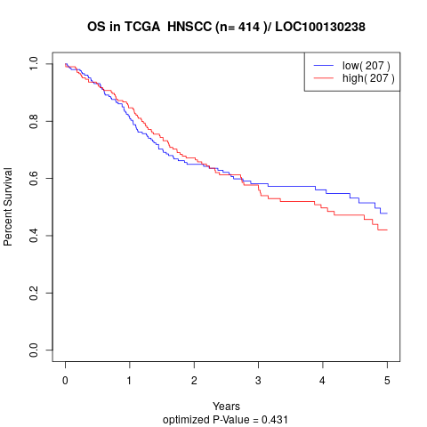

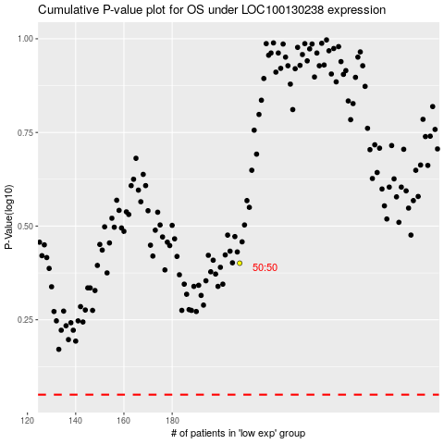

 |  |  |  |  |  | cases_OS | p_OS | rank | exp
 |  |  |  |  |  |  | cases_RFS | p_RFS | rank | exp

