LOC100130331 _multivariate
Reported by Tex Li-Hsing Chi. tex@gate.sinica.edu.tw 2019-08-18

Table 2. The clinicopathological features of HNSCC cohort and LOC100130331 expression. (Chi square test)
Cutoff at 0.013 (55.3%)
 |  | LOC100130331 expression |  | LOC100130331 expression |  | (Optimised)
 | Features | Low | (%) | High | (%) | Case no | P-value | Remark | Matthews
Gender | Female | 170 | 41 | 136 | 32.8 | 415 | 1 | 0 | 0
2 | Male | 60 | 14.5 | 49 | 11.8
Age at diagnosis | <=65y | 158 | 38.1 | 116 | 28 | 415 | 0.2392 | 0 | 0
4 | >65y | 72 | 17.3 | 69 | 16.6
Clinical T Status | T1+T2 | 84 | 20.2 | 65 | 15.7 | 415 | 0.8495 | 0 | 0
6 | T3+T4 | 146 | 35.2 | 120 | 28.9
Clinical N Status | N0 | 119 | 28.7 | 97 | 23.4 | 415 | 0.9668 | 0 | 0
8 | N1-3 | 111 | 26.7 | 88 | 21.2
Clinical M Status | M0 | 228 | 54.9 | 184 | 44.3 | 415 | 1 | 0 | 0
10 | M1 | 2 | 0.5 | 1 | 0.2
Clinical Stage | Stage I+II | 53 | 12.8 | 49 | 11.8 | 415 | 0.487 | 0 | 0
12 | Stage III+IV | 177 | 42.7 | 136 | 32.8
Surgical Margin status | Negative | 173 | 41.7 | 145 | 34.9 | 415 | 0.4849 | 0 | 0
14 | Positive | 57 | 13.7 | 40 | 9.6
Tobacco Exposure | Low | 93 | 22.4 | 68 | 16.4 | 415 | 0.4787 | 0 | 0
16 | High | 137 | 33 | 117 | 28.2

Table 3. Univariate/Multivariate Cox's proportional hazards regression analyses on OS time of LOC100130331 gene expression in HNSCC

 |  | Univariate |  |  |  | Multivariate
 | Features | HR | CI95%(L) | CI95%(H) | P-value | HR | CI95%(L) | CI95%(H) | P-value
1 | Female | 1 |  |  |  | 1
Gender | Male | 1.157 | 0.843 | 1.587 | 0.367 | 1.234 | 0.885 | 1.721 | 0.216
11 | <=65y | 1 |  |  |  | 1
Age at diagnosis | >65y | 1.329 | 0.99 | 1.784 | 0.058 | 1.391 | 1.024 | 1.889 | 0.035
12 | T1+T2 | 1 |  |  |  | 1
Clinical T Status | T3+T4 | 1.409 | 1.028 | 1.931 | 0.033 | 2.119 | 1.12 | 4.008 | 0.021
13 | N0 | 1 |  |  |  | 1
Clinical N Status | N1-3 | 1.185 | 0.89 | 1.577 | 0.246 | 1.212 | 0.85 | 1.729 | 0.288
14 | M0 | 1 |  |  |  | 1
Clinical M Status | M1 | 4.097 | 1.009 | 16.644 | 0.049 | 10.058 | 2.191 | 46.167 | 0.003
15 | Stage I+II | 1 |  |  |  | 1
Clinical Stage | Stage III+IV | 1.245 | 0.882 | 1.759 | 0.213 | 0.557 | 0.259 | 1.199 | 0.134
16 | Negative | 1 |  |  |  | 1
Surgical Margin status | Positive | 1.591 | 1.155 | 2.191 | 0.004 | 1.722 | 1.244 | 2.383 | 0.001
17 | Low | 1 |  |  |  | 1
Tobacco Exposure | High | 1.364 | 1.008 | 1.844 | 0.044 | 1.443 | 1.047 | 1.989 | 0.025
18 | Low | 1 |  |  |  | 1
RNAseq(z-score) | High | 1.365 | 1.025 | 1.818 | 0.033 | 1.44 | 1.076 | 1.928 | 0.014

Table 4. Univariate/Multivariate Cox's proportional hazards regression analyses on RFS time of LOC100130331 gene expression in HNSCC

 |  | Univariate |  |  |  | Multivariate
 | Features | HR | CI95%(L) | CI95%(H) | P-value | HR | CI95%(L) | CI95%(H) | P-value
1 | Female | 1 |  |  |  | 1
Gender | Male | 1.157 | 0.843 | 1.587 | 0.367 | 1.234 | 0.885 | 1.721 | 0.216
11 | <=65y | 1 |  |  |  | 1
Age at diagnosis | >65y | 1.329 | 0.99 | 1.784 | 0.058 | 1.391 | 1.024 | 1.889 | 0.035
12 | T1+T2 | 1 |  |  |  | 1
Clinical T Status | T3+T4 | 1.409 | 1.028 | 1.931 | 0.033 | 2.119 | 1.12 | 4.008 | 0.021
13 | N0 | 1 |  |  |  | 1
Clinical N Status | N1-3 | 1.185 | 0.89 | 1.577 | 0.246 | 1.212 | 0.85 | 1.729 | 0.288
14 | M0 | 1 |  |  |  | 1
Clinical M Status | M1 | 4.097 | 1.009 | 16.644 | 0.049 | 10.058 | 2.191 | 46.167 | 0.003
15 | Stage I+II | 1 |  |  |  | 1
Clinical Stage | Stage III+IV | 1.245 | 0.882 | 1.759 | 0.213 | 0.557 | 0.259 | 1.199 | 0.134
16 | Negative | 1 |  |  |  | 1
Surgical Margin status | Positive | 1.591 | 1.155 | 2.191 | 0.004 | 1.722 | 1.244 | 2.383 | 0.001
17 | Low | 1 |  |  |  | 1
Tobacco Exposure | High | 1.364 | 1.008 | 1.844 | 0.044 | 1.443 | 1.047 | 1.989 | 0.025
18 | Low | 1 |  |  |  | 1
RNAseq(z-score) | High | 1.365 | 1.025 | 1.818 | 0.033 | 1.44 | 1.076 | 1.928 | 0.014

Kaplan-Meier survival estimate: Cutoff at 0.013 (55.3%)

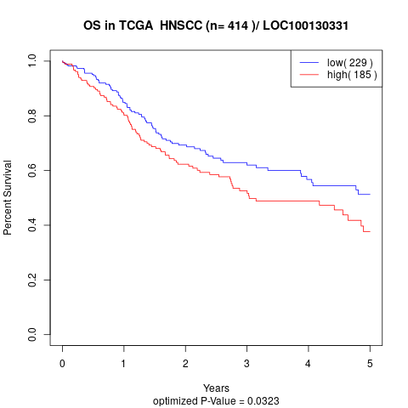

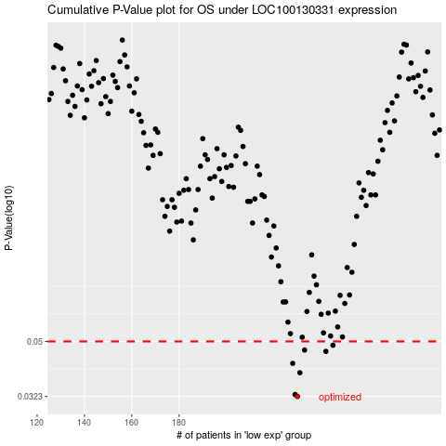

 |  |  |  |  |  | cases_OS | p_OS | rank | exp
 |  |  |  |  |  | 230 | 0.0323 | 215 | 0.012612415472
 |  |  |  |  |  | 229 | 0.0328 | 154 | 0.0054954836044
 |  |  |  |  |  | 231 | 0.039 | 67 | 0.014060855951
 |  |  |  |  |  | 228 | 0.042 | 44 | -0.0032851974621
 |  |  |  |  |  | 242 | 0.0462 | 377 | 0.078218939767
 |  |  |  |  |  | 233 | 0.0467 | 213 | 0.025002453624
 |  |  |  |  |  | 245 | 0.0485 | 69 | 0.084936571826
 |  |  |  |  |  |  | cases_RFS | p_RFS | rank | exp
 |  |  |  |  |  |  | 229 | 0.0323 | 154 | 0.0054954836044
 |  |  |  |  |  |  | 228 | 0.0328 | 44 | -0.0032851974621
 |  |  |  |  |  |  | 230 | 0.039 | 215 | 0.012612415472
 |  |  |  |  |  |  | 227 | 0.042 | 71 | -0.0059511108845
 |  |  |  |  |  |  | 241 | 0.0462 | 295 | 0.065644910526
 |  |  |  |  |  |  | 232 | 0.0467 | 346 | 0.022892428169
 |  |  |  |  |  |  | 244 | 0.0485 | 197 | 0.079311142182

