LOC100130522 _multivariate
Reported by Tex Li-Hsing Chi. tex@gate.sinica.edu.tw 2019-08-18

Table 2. The clinicopathological features of HNSCC cohort and LOC100130522 expression. (Chi square test)
Cutoff at -0.043 (63.0%)
 |  | LOC100130522 expression |  | LOC100130522 expression |  | (Optimised)
 | Features | Low | (%) | High | (%) | Case no | P-value | Remark | Matthews
Gender | Female | 187 | 45.1 | 119 | 28.7 | 415 | 0.1887 | 0 | 0
2 | Male | 75 | 18.1 | 34 | 8.2
Age at diagnosis | <=65y | 174 | 41.9 | 100 | 24.1 | 415 | 0.9116 | 0 | 0
4 | >65y | 88 | 21.2 | 53 | 12.8
Clinical T Status | T1+T2 | 86 | 20.7 | 63 | 15.2 | 415 | 0.1085 | 0 | 0
6 | T3+T4 | 176 | 42.4 | 90 | 21.7
Clinical N Status | N0 | 132 | 31.8 | 84 | 20.2 | 415 | 0.431 | 0 | 0
8 | N1-3 | 130 | 31.3 | 69 | 16.6
Clinical M Status | M0 | 259 | 62.4 | 153 | 36.9 | 415 | 0.3001 | 0 | 0
10 | M1 | 3 | 0.7 | 0 | 0
Clinical Stage | Stage I+II | 63 | 15.2 | 39 | 9.4 | 415 | 0.8325 | 0 | 0
12 | Stage III+IV | 199 | 48 | 114 | 27.5
Surgical Margin status | Negative | 202 | 48.7 | 116 | 28 | 415 | 0.8103 | 0 | 0
14 | Positive | 60 | 14.5 | 37 | 8.9
Tobacco Exposure | Low | 98 | 23.6 | 63 | 15.2 | 415 | 0.466 | 0 | 0
16 | High | 164 | 39.5 | 90 | 21.7

Table 3. Univariate/Multivariate Cox's proportional hazards regression analyses on OS time of LOC100130522 gene expression in HNSCC

 |  | Univariate |  |  |  | Multivariate
 | Features | HR | CI95%(L) | CI95%(H) | P-value | HR | CI95%(L) | CI95%(H) | P-value
1 | Female | 1 |  |  |  | 1
Gender | Male | 1.157 | 0.843 | 1.587 | 0.367 | 1.172 | 0.837 | 1.64 | 0.355
11 | <=65y | 1 |  |  |  | 1
Age at diagnosis | >65y | 1.329 | 0.99 | 1.784 | 0.058 | 1.425 | 1.046 | 1.941 | 0.025
12 | T1+T2 | 1 |  |  |  | 1
Clinical T Status | T3+T4 | 1.409 | 1.028 | 1.931 | 0.033 | 2.031 | 1.07 | 3.855 | 0.03
13 | N0 | 1 |  |  |  | 1
Clinical N Status | N1-3 | 1.185 | 0.89 | 1.577 | 0.246 | 1.218 | 0.854 | 1.738 | 0.276
14 | M0 | 1 |  |  |  | 1
Clinical M Status | M1 | 4.097 | 1.009 | 16.644 | 0.049 | 7.899 | 1.708 | 36.522 | 0.008
15 | Stage I+II | 1 |  |  |  | 1
Clinical Stage | Stage III+IV | 1.245 | 0.882 | 1.759 | 0.213 | 0.549 | 0.255 | 1.183 | 0.126
16 | Negative | 1 |  |  |  | 1
Surgical Margin status | Positive | 1.591 | 1.155 | 2.191 | 0.004 | 1.671 | 1.21 | 2.308 | 0.002
17 | Low | 1 |  |  |  | 1
Tobacco Exposure | High | 1.364 | 1.008 | 1.844 | 0.044 | 1.453 | 1.052 | 2.006 | 0.023
18 | Low | 1 |  |  |  | 1
RNAseq(z-score) | High | 0.694 | 0.504 | 0.954 | 0.024 | 0.728 | 0.526 | 1.006 | 0.054

Table 4. Univariate/Multivariate Cox's proportional hazards regression analyses on RFS time of LOC100130522 gene expression in HNSCC

 |  | Univariate |  |  |  | Multivariate
 | Features | HR | CI95%(L) | CI95%(H) | P-value | HR | CI95%(L) | CI95%(H) | P-value
1 | Female | 1 |  |  |  | 1
Gender | Male | 1.157 | 0.843 | 1.587 | 0.367 | 1.172 | 0.837 | 1.64 | 0.355
11 | <=65y | 1 |  |  |  | 1
Age at diagnosis | >65y | 1.329 | 0.99 | 1.784 | 0.058 | 1.425 | 1.046 | 1.941 | 0.025
12 | T1+T2 | 1 |  |  |  | 1
Clinical T Status | T3+T4 | 1.409 | 1.028 | 1.931 | 0.033 | 2.031 | 1.07 | 3.855 | 0.03
13 | N0 | 1 |  |  |  | 1
Clinical N Status | N1-3 | 1.185 | 0.89 | 1.577 | 0.246 | 1.218 | 0.854 | 1.738 | 0.276
14 | M0 | 1 |  |  |  | 1
Clinical M Status | M1 | 4.097 | 1.009 | 16.644 | 0.049 | 7.899 | 1.708 | 36.522 | 0.008
15 | Stage I+II | 1 |  |  |  | 1
Clinical Stage | Stage III+IV | 1.245 | 0.882 | 1.759 | 0.213 | 0.549 | 0.255 | 1.183 | 0.126
16 | Negative | 1 |  |  |  | 1
Surgical Margin status | Positive | 1.591 | 1.155 | 2.191 | 0.004 | 1.671 | 1.21 | 2.308 | 0.002
17 | Low | 1 |  |  |  | 1
Tobacco Exposure | High | 1.364 | 1.008 | 1.844 | 0.044 | 1.453 | 1.052 | 2.006 | 0.023
18 | Low | 1 |  |  |  | 1
RNAseq(z-score) | High | 0.694 | 0.504 | 0.954 | 0.024 | 0.728 | 0.526 | 1.006 | 0.054

Kaplan-Meier survival estimate: Cutoff at -0.043 (63.0%)

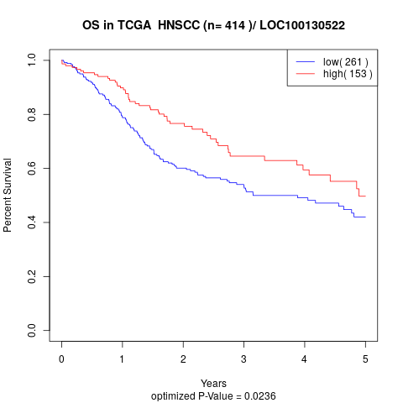

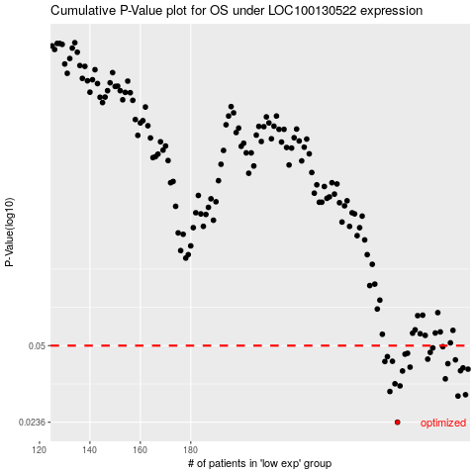

 |  |  |  |  |  | cases_OS | p_OS | rank | exp
 |  |  |  |  |  | 262 | 0.0236 | 368 | -0.043307160562
 |  |  |  |  |  | 286 | 0.0305 | 399 | 0.061048180564
 |  |  |  |  |  | 289 | 0.0309 | 44 | 0.073651674099
 |  |  |  |  |  | 259 | 0.0319 | 111 | -0.055355783313
 |  |  |  |  |  | 263 | 0.0337 | 336 | -0.03708468105
 |  |  |  |  |  | 261 | 0.0344 | 99 | -0.054860362969
 |  |  |  |  |  | 281 | 0.0361 | 5 | 0.043490483595
 |  |  |  |  |  | 264 | 0.039 | 268 | -0.026343968005
 |  |  |  |  |  | 287 | 0.0391 | 25 | 0.061543600908
 |  |  |  |  |  | 290 | 0.0397 | 220 | 0.079220198759
 |  |  |  |  |  | 288 | 0.0402 | 369 | 0.064912459242
 |  |  |  |  |  | 267 | 0.0405 | 403 | -0.010094180743
 |  |  |  |  |  | 282 | 0.0419 | 365 | 0.049276993206
 |  |  |  |  |  | 257 | 0.0428 | 197 | -0.059299329246
 |  |  |  |  |  | 260 | 0.0429 | 405 | -0.055177431989
 |  |  |  |  |  | 285 | 0.0435 | 283 | 0.057223535513
 |  |  |  |  |  | 274 | 0.0438 | 313 | 0.022207225644
 |  |  |  |  |  | 258 | 0.0449 | 389 | -0.056445708068
 |  |  |  |  |  | 265 | 0.046 | 306 | -0.02572964678
 |  |  |  |  |  | 266 | 0.0464 | 278 | -0.012908168293
 |  |  |  |  |  | 275 | 0.0468 | 27 | 0.02234594334
 |  |  |  |  |  | 276 | 0.0489 | 317 | 0.027954101627
 |  |  |  |  |  | 280 | 0.0495 | 308 | 0.04043869428
 |  |  |  |  |  |  | cases_RFS | p_RFS | rank | exp
 |  |  |  |  |  |  | 261 | 0.0236 | 99 | -0.054860362969
 |  |  |  |  |  |  | 285 | 0.0305 | 283 | 0.057223535513
 |  |  |  |  |  |  | 288 | 0.0309 | 369 | 0.064912459242
 |  |  |  |  |  |  | 258 | 0.0319 | 389 | -0.056445708068
 |  |  |  |  |  |  | 262 | 0.0337 | 368 | -0.043307160562
 |  |  |  |  |  |  | 260 | 0.0344 | 405 | -0.055177431989
 |  |  |  |  |  |  | 280 | 0.0361 | 308 | 0.04043869428
 |  |  |  |  |  |  | 263 | 0.039 | 336 | -0.03708468105
 |  |  |  |  |  |  | 286 | 0.0391 | 399 | 0.061048180564
 |  |  |  |  |  |  | 289 | 0.0397 | 44 | 0.073651674099
 |  |  |  |  |  |  | 287 | 0.0402 | 25 | 0.061543600908
 |  |  |  |  |  |  | 266 | 0.0405 | 278 | -0.012908168293
 |  |  |  |  |  |  | 281 | 0.0419 | 5 | 0.043490483595
 |  |  |  |  |  |  | 256 | 0.0428 | 253 | -0.061063025668
 |  |  |  |  |  |  | 259 | 0.0429 | 111 | -0.055355783313
 |  |  |  |  |  |  | 284 | 0.0435 | 58 | 0.056965916935
 |  |  |  |  |  |  | 273 | 0.0438 | 161 | 0.017629541672
 |  |  |  |  |  |  | 257 | 0.0449 | 197 | -0.059299329246
 |  |  |  |  |  |  | 264 | 0.046 | 268 | -0.026343968005
 |  |  |  |  |  |  | 265 | 0.0464 | 306 | -0.02572964678
 |  |  |  |  |  |  | 274 | 0.0468 | 313 | 0.022207225644
 |  |  |  |  |  |  | 275 | 0.0489 | 27 | 0.02234594334
 |  |  |  |  |  |  | 279 | 0.0495 | 366 | 0.039210051829

