LOC100130691 _multivariate
Reported by Tex Li-Hsing Chi. tex@gate.sinica.edu.tw 2019-08-18

Table 2. The clinicopathological features of HNSCC cohort and LOC100130691 expression. (Chi square test)
Cutoff at -0.397 (38.6%)
 |  | LOC100130691 expression |  | LOC100130691 expression |  | (Optimised)
 | Features | Low | (%) | High | (%) | Case no | P-value | Remark | Matthews
Gender | Female | 112 | 27 | 194 | 46.7 | 415 | 0.1549 | 0 | 0
2 | Male | 49 | 11.8 | 60 | 14.5
Age at diagnosis | <=65y | 95 | 22.9 | 179 | 43.1 | 415 | 0.0216 | 1 | 0
4 | >65y | 66 | 15.9 | 75 | 18.1
Clinical T Status | T1+T2 | 61 | 14.7 | 88 | 21.2 | 415 | 0.5714 | 0 | 0
6 | T3+T4 | 100 | 24.1 | 166 | 40
Clinical N Status | N0 | 77 | 18.6 | 139 | 33.5 | 415 | 0.2041 | 0 | 0
8 | N1-3 | 84 | 20.2 | 115 | 27.7
Clinical M Status | M0 | 159 | 38.3 | 253 | 61 | 415 | 0.5626 | 0 | 0
10 | M1 | 2 | 0.5 | 1 | 0.2
Clinical Stage | Stage I+II | 42 | 10.1 | 60 | 14.5 | 415 | 0.6518 | 0 | 0
12 | Stage III+IV | 119 | 28.7 | 194 | 46.7
Surgical Margin status | Negative | 122 | 29.4 | 196 | 47.2 | 415 | 0.812 | 0 | 0
14 | Positive | 39 | 9.4 | 58 | 14
Tobacco Exposure | Low | 71 | 17.1 | 90 | 21.7 | 415 | 0.0801 | 0 | 0
16 | High | 90 | 21.7 | 164 | 39.5

Table 3. Univariate/Multivariate Cox's proportional hazards regression analyses on OS time of LOC100130691 gene expression in HNSCC

 |  | Univariate |  |  |  | Multivariate
 | Features | HR | CI95%(L) | CI95%(H) | P-value | HR | CI95%(L) | CI95%(H) | P-value
1 | Female | 1 |  |  |  | 1
Gender | Male | 1.157 | 0.843 | 1.587 | 0.367 | 1.173 | 0.837 | 1.644 | 0.354
11 | <=65y | 1 |  |  |  | 1
Age at diagnosis | >65y | 1.329 | 0.99 | 1.784 | 0.058 | 1.331 | 0.976 | 1.814 | 0.07
12 | T1+T2 | 1 |  |  |  | 1
Clinical T Status | T3+T4 | 1.409 | 1.028 | 1.931 | 0.033 | 2.21 | 1.168 | 4.182 | 0.015
13 | N0 | 1 |  |  |  | 1
Clinical N Status | N1-3 | 1.185 | 0.89 | 1.577 | 0.246 | 1.205 | 0.844 | 1.719 | 0.305
14 | M0 | 1 |  |  |  | 1
Clinical M Status | M1 | 4.097 | 1.009 | 16.644 | 0.049 | 8.596 | 1.872 | 39.48 | 0.006
15 | Stage I+II | 1 |  |  |  | 1
Clinical Stage | Stage III+IV | 1.245 | 0.882 | 1.759 | 0.213 | 0.525 | 0.244 | 1.129 | 0.099
16 | Negative | 1 |  |  |  | 1
Surgical Margin status | Positive | 1.591 | 1.155 | 2.191 | 0.004 | 1.709 | 1.236 | 2.363 | 0.001
17 | Low | 1 |  |  |  | 1
Tobacco Exposure | High | 1.364 | 1.008 | 1.844 | 0.044 | 1.533 | 1.108 | 2.122 | 0.01
18 | Low | 1 |  |  |  | 1
RNAseq(z-score) | High | 0.703 | 0.525 | 0.94 | 0.018 | 0.68 | 0.503 | 0.919 | 0.012

Table 4. Univariate/Multivariate Cox's proportional hazards regression analyses on RFS time of LOC100130691 gene expression in HNSCC

 |  | Univariate |  |  |  | Multivariate
 | Features | HR | CI95%(L) | CI95%(H) | P-value | HR | CI95%(L) | CI95%(H) | P-value
1 | Female | 1 |  |  |  | 1
Gender | Male | 1.157 | 0.843 | 1.587 | 0.367 | 1.173 | 0.837 | 1.644 | 0.354
11 | <=65y | 1 |  |  |  | 1
Age at diagnosis | >65y | 1.329 | 0.99 | 1.784 | 0.058 | 1.331 | 0.976 | 1.814 | 0.07
12 | T1+T2 | 1 |  |  |  | 1
Clinical T Status | T3+T4 | 1.409 | 1.028 | 1.931 | 0.033 | 2.21 | 1.168 | 4.182 | 0.015
13 | N0 | 1 |  |  |  | 1
Clinical N Status | N1-3 | 1.185 | 0.89 | 1.577 | 0.246 | 1.205 | 0.844 | 1.719 | 0.305
14 | M0 | 1 |  |  |  | 1
Clinical M Status | M1 | 4.097 | 1.009 | 16.644 | 0.049 | 8.596 | 1.872 | 39.48 | 0.006
15 | Stage I+II | 1 |  |  |  | 1
Clinical Stage | Stage III+IV | 1.245 | 0.882 | 1.759 | 0.213 | 0.525 | 0.244 | 1.129 | 0.099
16 | Negative | 1 |  |  |  | 1
Surgical Margin status | Positive | 1.591 | 1.155 | 2.191 | 0.004 | 1.709 | 1.236 | 2.363 | 0.001
17 | Low | 1 |  |  |  | 1
Tobacco Exposure | High | 1.364 | 1.008 | 1.844 | 0.044 | 1.533 | 1.108 | 2.122 | 0.01
18 | Low | 1 |  |  |  | 1
RNAseq(z-score) | High | 0.703 | 0.525 | 0.94 | 0.018 | 0.68 | 0.503 | 0.919 | 0.012

Kaplan-Meier survival estimate: Cutoff at -0.397 (38.6%)

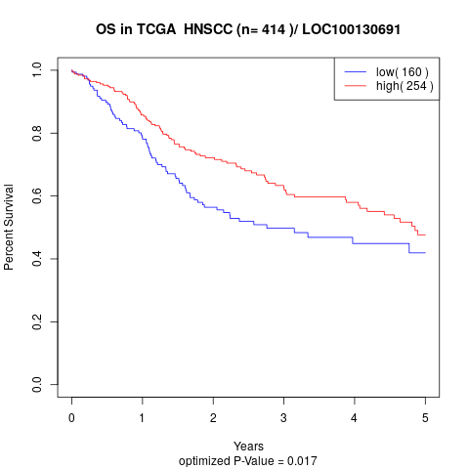

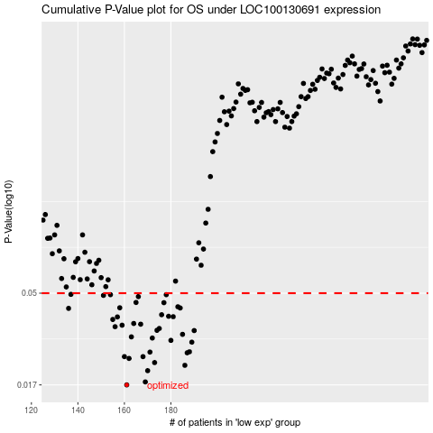

 |  |  |  |  |  | cases_OS | p_OS | rank | exp
 |  |  |  |  |  | 161 | 0.017 | 50 | -0.39692923256
 |  |  |  |  |  | 169 | 0.0176 | 238 | -0.38382790754
 |  |  |  |  |  | 170 | 0.0201 | 392 | -0.38182339881
 |  |  |  |  |  | 186 | 0.0214 | 383 | -0.36405288878
 |  |  |  |  |  | 173 | 0.0221 | 110 | -0.37962684134
 |  |  |  |  |  | 162 | 0.0232 | 169 | -0.39371441667
 |  |  |  |  |  | 160 | 0.0237 | 88 | -0.39859165448
 |  |  |  |  |  | 168 | 0.0237 | 385 | -0.38689068485
 |  |  |  |  |  | 187 | 0.0248 | 306 | -0.36400287608
 |  |  |  |  |  | 171 | 0.025 | 5 | -0.38138928863
 |  |  |  |  |  | 188 | 0.0251 | 346 | -0.36174430287
 |  |  |  |  |  | 189 | 0.0281 | 367 | -0.3592616728
 |  |  |  |  |  | 180 | 0.0287 | 41 | -0.37092263227
 |  |  |  |  |  | 172 | 0.0295 | 339 | -0.38012296725
 |  |  |  |  |  | 163 | 0.0299 | 194 | -0.39295422373
 |  |  |  |  |  | 185 | 0.0308 | 201 | -0.36428494767
 |  |  |  |  |  | 190 | 0.0322 | 271 | -0.35221988564
 |  |  |  |  |  | 174 | 0.0323 | 28 | -0.3784765494
 |  |  |  |  |  | 175 | 0.033 | 102 | -0.37837652402
 |  |  |  |  |  | 156 | 0.0337 | 147 | -0.40110229166
 |  |  |  |  |  | 159 | 0.0343 | 43 | -0.39905777277
 |  |  |  |  |  | 167 | 0.0347 | 241 | -0.38719076101
 |  |  |  |  |  | 164 | 0.035 | 151 | -0.39177392418
 |  |  |  |  |  | 155 | 0.0367 | 254 | -0.40145838203
 |  |  |  |  |  | 157 | 0.0378 | 352 | -0.40031609213
 |  |  |  |  |  | 181 | 0.0379 | 232 | -0.36928421645
 |  |  |  |  |  | 179 | 0.0381 | 186 | -0.37641802696
 |  |  |  |  |  | 176 | 0.0388 | 16 | -0.37805844329
 |  |  |  |  |  | 136 | 0.0418 | 336 | -0.42495634565
 |  |  |  |  |  | 184 | 0.042 | 38 | -0.36533521422
 |  |  |  |  |  | 158 | 0.0421 | 90 | -0.40024207334
 |  |  |  |  |  | 183 | 0.0426 | 10 | -0.36802789761
 |  |  |  |  |  | 177 | 0.0447 | 415 | -0.37703818435
 |  |  |  |  |  | 165 | 0.0448 | 144 | -0.39016751649
 |  |  |  |  |  | 166 | 0.048 | 61 | -0.38966338854
 |  |  |  |  |  | 151 | 0.0487 | 331 | -0.40560343402
 |  |  |  |  |  | 154 | 0.0491 | 221 | -0.40198651607
 |  |  |  |  |  | 178 | 0.0491 | 390 | -0.3767901214
 |  |  |  |  |  | 137 | 0.0493 | 158 | -0.42495034413
 |  |  |  |  |  |  | cases_RFS | p_RFS | rank | exp
 |  |  |  |  |  |  | 160 | 0.017 | 88 | -0.39859165448
 |  |  |  |  |  |  | 168 | 0.0176 | 385 | -0.38689068485
 |  |  |  |  |  |  | 169 | 0.0201 | 238 | -0.38382790754
 |  |  |  |  |  |  | 185 | 0.0214 | 201 | -0.36428494767
 |  |  |  |  |  |  | 172 | 0.0221 | 339 | -0.38012296725
 |  |  |  |  |  |  | 161 | 0.0232 | 50 | -0.39692923256
 |  |  |  |  |  |  | 159 | 0.0237 | 43 | -0.39905777277
 |  |  |  |  |  |  | 167 | 0.0237 | 241 | -0.38719076101
 |  |  |  |  |  |  | 186 | 0.0248 | 383 | -0.36405288878
 |  |  |  |  |  |  | 170 | 0.025 | 392 | -0.38182339881
 |  |  |  |  |  |  | 187 | 0.0251 | 306 | -0.36400287608
 |  |  |  |  |  |  | 188 | 0.0281 | 346 | -0.36174430287
 |  |  |  |  |  |  | 179 | 0.0287 | 186 | -0.37641802696
 |  |  |  |  |  |  | 171 | 0.0295 | 5 | -0.38138928863
 |  |  |  |  |  |  | 162 | 0.0299 | 169 | -0.39371441667
 |  |  |  |  |  |  | 184 | 0.0308 | 38 | -0.36533521422
 |  |  |  |  |  |  | 189 | 0.0322 | 367 | -0.3592616728
 |  |  |  |  |  |  | 173 | 0.0323 | 110 | -0.37962684134
 |  |  |  |  |  |  | 174 | 0.033 | 28 | -0.3784765494
 |  |  |  |  |  |  | 155 | 0.0337 | 254 | -0.40145838203
 |  |  |  |  |  |  | 158 | 0.0343 | 90 | -0.40024207334
 |  |  |  |  |  |  | 166 | 0.0347 | 61 | -0.38966338854
 |  |  |  |  |  |  | 163 | 0.035 | 194 | -0.39295422373
 |  |  |  |  |  |  | 154 | 0.0367 | 221 | -0.40198651607
 |  |  |  |  |  |  | 156 | 0.0378 | 147 | -0.40110229166
 |  |  |  |  |  |  | 180 | 0.0379 | 41 | -0.37092263227
 |  |  |  |  |  |  | 178 | 0.0381 | 390 | -0.3767901214
 |  |  |  |  |  |  | 175 | 0.0388 | 102 | -0.37837652402
 |  |  |  |  |  |  | 135 | 0.0418 | 86 | -0.4271989148
 |  |  |  |  |  |  | 183 | 0.042 | 10 | -0.36802789761
 |  |  |  |  |  |  | 157 | 0.0421 | 352 | -0.40031609213
 |  |  |  |  |  |  | 182 | 0.0426 | 196 | -0.36809591487
 |  |  |  |  |  |  | 176 | 0.0447 | 16 | -0.37805844329
 |  |  |  |  |  |  | 164 | 0.0448 | 151 | -0.39177392418
 |  |  |  |  |  |  | 165 | 0.048 | 144 | -0.39016751649
 |  |  |  |  |  |  | 150 | 0.0487 | 202 | -0.4056514462
 |  |  |  |  |  |  | 153 | 0.0491 | 267 | -0.40504129135
 |  |  |  |  |  |  | 177 | 0.0491 | 415 | -0.37703818435
 |  |  |  |  |  |  | 136 | 0.0493 | 336 | -0.42495634565

