LOC100130932 _multivariate
Reported by Tex Li-Hsing Chi. tex@gate.sinica.edu.tw 2019-08-18

Table 2. The clinicopathological features of HNSCC cohort and LOC100130932 expression. (Chi square test)
Cutoff at -0.261 (50.0%)
 |  | LOC100130932 expression |  | LOC100130932 expression |  | (Optimised)
 | Features | Low | (%) | High | (%) | Case no | P-value | Remark | Matthews
Gender | Female | 150 | 36.1 | 156 | 37.6 | 415 | 0.6344 | 0 | 0
2 | Male | 57 | 13.7 | 52 | 12.5
Age at diagnosis | <=65y | 137 | 33 | 137 | 33 | 415 | 1 | 0 | 0
4 | >65y | 70 | 16.9 | 71 | 17.1
Clinical T Status | T1+T2 | 81 | 19.5 | 68 | 16.4 | 415 | 0.206 | 0 | 0
6 | T3+T4 | 126 | 30.4 | 140 | 33.7
Clinical N Status | N0 | 113 | 27.2 | 103 | 24.8 | 415 | 0.3495 | 1 | 0
8 | N1-3 | 94 | 22.7 | 105 | 25.3
Clinical M Status | M0 | 207 | 49.9 | 205 | 49.4 | 415 | 0.2482 | 0 | 0
10 | M1 | 0 | 0 | 3 | 0.7
Clinical Stage | Stage I+II | 60 | 14.5 | 42 | 10.1 | 415 | 0.0493 | 1 | 0
12 | Stage III+IV | 147 | 35.4 | 166 | 40
Surgical Margin status | Negative | 170 | 41 | 148 | 35.7 | 415 | 0.0105 | 1 | 0
14 | Positive | 37 | 8.9 | 60 | 14.5
Tobacco Exposure | Low | 85 | 20.5 | 76 | 18.3 | 415 | 0.3655 | 0 | 0
16 | High | 122 | 29.4 | 132 | 31.8

Table 3. Univariate/Multivariate Cox's proportional hazards regression analyses on OS time of LOC100130932 gene expression in HNSCC

 |  | Univariate |  |  |  | Multivariate
 | Features | HR | CI95%(L) | CI95%(H) | P-value | HR | CI95%(L) | CI95%(H) | P-value
1 | Female | 1 |  |  |  | 1
Gender | Male | 1.157 | 0.843 | 1.587 | 0.367 | 1.189 | 0.85 | 1.664 | 0.313
11 | <=65y | 1 |  |  |  | 1
Age at diagnosis | >65y | 1.329 | 0.99 | 1.784 | 0.058 | 1.391 | 1.024 | 1.89 | 0.035
12 | T1+T2 | 1 |  |  |  | 1
Clinical T Status | T3+T4 | 1.409 | 1.028 | 1.931 | 0.033 | 2.206 | 1.167 | 4.173 | 0.015
13 | N0 | 1 |  |  |  | 1
Clinical N Status | N1-3 | 1.185 | 0.89 | 1.577 | 0.246 | 1.241 | 0.87 | 1.771 | 0.233
14 | M0 | 1 |  |  |  | 1
Clinical M Status | M1 | 4.097 | 1.009 | 16.644 | 0.049 | 8.954 | 1.94 | 41.328 | 0.005
15 | Stage I+II | 1 |  |  |  | 1
Clinical Stage | Stage III+IV | 1.245 | 0.882 | 1.759 | 0.213 | 0.498 | 0.232 | 1.07 | 0.074
16 | Negative | 1 |  |  |  | 1
Surgical Margin status | Positive | 1.591 | 1.155 | 2.191 | 0.004 | 1.643 | 1.184 | 2.279 | 0.003
17 | Low | 1 |  |  |  | 1
Tobacco Exposure | High | 1.364 | 1.008 | 1.844 | 0.044 | 1.436 | 1.04 | 1.982 | 0.028
18 | Low | 1 |  |  |  | 1
RNAseq(z-score) | High | 1.249 | 0.937 | 1.664 | 0.129 | 1.105 | 0.821 | 1.485 | 0.511

Table 4. Univariate/Multivariate Cox's proportional hazards regression analyses on RFS time of LOC100130932 gene expression in HNSCC

 |  | Univariate |  |  |  | Multivariate
 | Features | HR | CI95%(L) | CI95%(H) | P-value | HR | CI95%(L) | CI95%(H) | P-value
1 | Female | 1 |  |  |  | 1
Gender | Male | 1.157 | 0.843 | 1.587 | 0.367 | 1.189 | 0.85 | 1.664 | 0.313
11 | <=65y | 1 |  |  |  | 1
Age at diagnosis | >65y | 1.329 | 0.99 | 1.784 | 0.058 | 1.391 | 1.024 | 1.89 | 0.035
12 | T1+T2 | 1 |  |  |  | 1
Clinical T Status | T3+T4 | 1.409 | 1.028 | 1.931 | 0.033 | 2.206 | 1.167 | 4.173 | 0.015
13 | N0 | 1 |  |  |  | 1
Clinical N Status | N1-3 | 1.185 | 0.89 | 1.577 | 0.246 | 1.241 | 0.87 | 1.771 | 0.233
14 | M0 | 1 |  |  |  | 1
Clinical M Status | M1 | 4.097 | 1.009 | 16.644 | 0.049 | 8.954 | 1.94 | 41.328 | 0.005
15 | Stage I+II | 1 |  |  |  | 1
Clinical Stage | Stage III+IV | 1.245 | 0.882 | 1.759 | 0.213 | 0.498 | 0.232 | 1.07 | 0.074
16 | Negative | 1 |  |  |  | 1
Surgical Margin status | Positive | 1.591 | 1.155 | 2.191 | 0.004 | 1.643 | 1.184 | 2.279 | 0.003
17 | Low | 1 |  |  |  | 1
Tobacco Exposure | High | 1.364 | 1.008 | 1.844 | 0.044 | 1.436 | 1.04 | 1.982 | 0.028
18 | Low | 1 |  |  |  | 1
RNAseq(z-score) | High | 1.249 | 0.937 | 1.664 | 0.129 | 1.105 | 0.821 | 1.485 | 0.511

Kaplan-Meier survival estimate: Cutoff at -0.261 (50.0%)

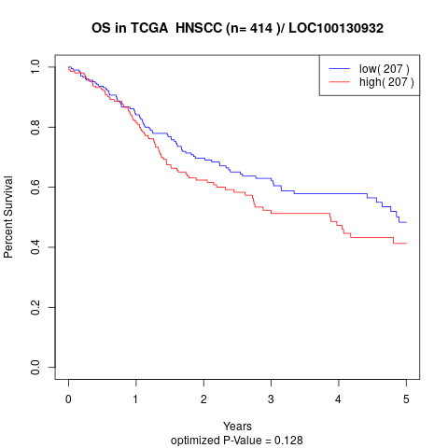

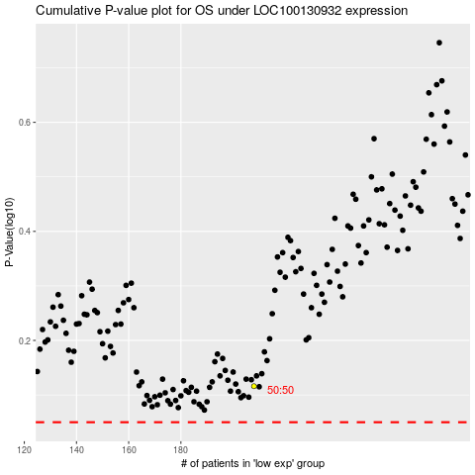

 |  |  |  |  |  | cases_OS | p_OS | rank | exp
 |  |  |  |  |  |  | cases_RFS | p_RFS | rank | exp

