LOC100130933 _multivariate
Reported by Tex Li-Hsing Chi. tex@gate.sinica.edu.tw 2019-08-18

Table 2. The clinicopathological features of HNSCC cohort and LOC100130933 expression. (Chi square test)
Cutoff at -0.11 (61.4%)
 |  | LOC100130933 expression |  | LOC100130933 expression |  | (Optimised)
 | Features | Low | (%) | High | (%) | Case no | P-value | Remark | Matthews
Gender | Female | 188 | 45.3 | 118 | 28.4 | 415 | 0.9611 | 0 | 0
2 | Male | 66 | 15.9 | 43 | 10.4
Age at diagnosis | <=65y | 164 | 39.5 | 110 | 26.5 | 415 | 0.4959 | 0 | 0
4 | >65y | 90 | 21.7 | 51 | 12.3
Clinical T Status | T1+T2 | 83 | 20 | 66 | 15.9 | 415 | 0.1061 | 0 | 0
6 | T3+T4 | 171 | 41.2 | 95 | 22.9
Clinical N Status | N0 | 123 | 29.6 | 93 | 22.4 | 415 | 0.0793 | 0 | 0
8 | N1-3 | 131 | 31.6 | 68 | 16.4
Clinical M Status | M0 | 251 | 60.5 | 161 | 38.8 | 415 | 0.2859 | 0 | 0
10 | M1 | 3 | 0.7 | 0 | 0
Clinical Stage | Stage I+II | 57 | 13.7 | 45 | 10.8 | 415 | 0.2488 | 0 | 0
12 | Stage III+IV | 197 | 47.5 | 116 | 28
Surgical Margin status | Negative | 190 | 45.8 | 128 | 30.8 | 415 | 0.2863 | 0 | 0
14 | Positive | 64 | 15.4 | 33 | 8
Tobacco Exposure | Low | 87 | 21 | 74 | 17.8 | 415 | 0.0178 | 1 | 0
16 | High | 167 | 40.2 | 87 | 21

Table 3. Univariate/Multivariate Cox's proportional hazards regression analyses on OS time of LOC100130933 gene expression in HNSCC

 |  | Univariate |  |  |  | Multivariate
 | Features | HR | CI95%(L) | CI95%(H) | P-value | HR | CI95%(L) | CI95%(H) | P-value
1 | Female | 1 |  |  |  | 1
Gender | Male | 1.157 | 0.843 | 1.587 | 0.367 | 1.214 | 0.869 | 1.695 | 0.255
11 | <=65y | 1 |  |  |  | 1
Age at diagnosis | >65y | 1.329 | 0.99 | 1.784 | 0.058 | 1.362 | 1.001 | 1.853 | 0.049
12 | T1+T2 | 1 |  |  |  | 1
Clinical T Status | T3+T4 | 1.409 | 1.028 | 1.931 | 0.033 | 2.087 | 1.101 | 3.957 | 0.024
13 | N0 | 1 |  |  |  | 1
Clinical N Status | N1-3 | 1.185 | 0.89 | 1.577 | 0.246 | 1.177 | 0.821 | 1.688 | 0.375
14 | M0 | 1 |  |  |  | 1
Clinical M Status | M1 | 4.097 | 1.009 | 16.644 | 0.049 | 8.369 | 1.815 | 38.582 | 0.006
15 | Stage I+II | 1 |  |  |  | 1
Clinical Stage | Stage III+IV | 1.245 | 0.882 | 1.759 | 0.213 | 0.536 | 0.249 | 1.153 | 0.11
16 | Negative | 1 |  |  |  | 1
Surgical Margin status | Positive | 1.591 | 1.155 | 2.191 | 0.004 | 1.668 | 1.207 | 2.304 | 0.002
17 | Low | 1 |  |  |  | 1
Tobacco Exposure | High | 1.364 | 1.008 | 1.844 | 0.044 | 1.423 | 1.032 | 1.963 | 0.031
18 | Low | 1 |  |  |  | 1
RNAseq(z-score) | High | 0.672 | 0.49 | 0.921 | 0.013 | 0.768 | 0.555 | 1.062 | 0.11

Table 4. Univariate/Multivariate Cox's proportional hazards regression analyses on RFS time of LOC100130933 gene expression in HNSCC

 |  | Univariate |  |  |  | Multivariate
 | Features | HR | CI95%(L) | CI95%(H) | P-value | HR | CI95%(L) | CI95%(H) | P-value
1 | Female | 1 |  |  |  | 1
Gender | Male | 1.157 | 0.843 | 1.587 | 0.367 | 1.214 | 0.869 | 1.695 | 0.255
11 | <=65y | 1 |  |  |  | 1
Age at diagnosis | >65y | 1.329 | 0.99 | 1.784 | 0.058 | 1.362 | 1.001 | 1.853 | 0.049
12 | T1+T2 | 1 |  |  |  | 1
Clinical T Status | T3+T4 | 1.409 | 1.028 | 1.931 | 0.033 | 2.087 | 1.101 | 3.957 | 0.024
13 | N0 | 1 |  |  |  | 1
Clinical N Status | N1-3 | 1.185 | 0.89 | 1.577 | 0.246 | 1.177 | 0.821 | 1.688 | 0.375
14 | M0 | 1 |  |  |  | 1
Clinical M Status | M1 | 4.097 | 1.009 | 16.644 | 0.049 | 8.369 | 1.815 | 38.582 | 0.006
15 | Stage I+II | 1 |  |  |  | 1
Clinical Stage | Stage III+IV | 1.245 | 0.882 | 1.759 | 0.213 | 0.536 | 0.249 | 1.153 | 0.11
16 | Negative | 1 |  |  |  | 1
Surgical Margin status | Positive | 1.591 | 1.155 | 2.191 | 0.004 | 1.668 | 1.207 | 2.304 | 0.002
17 | Low | 1 |  |  |  | 1
Tobacco Exposure | High | 1.364 | 1.008 | 1.844 | 0.044 | 1.423 | 1.032 | 1.963 | 0.031
18 | Low | 1 |  |  |  | 1
RNAseq(z-score) | High | 0.672 | 0.49 | 0.921 | 0.013 | 0.768 | 0.555 | 1.062 | 0.11

Kaplan-Meier survival estimate: Cutoff at -0.11 (61.4%)

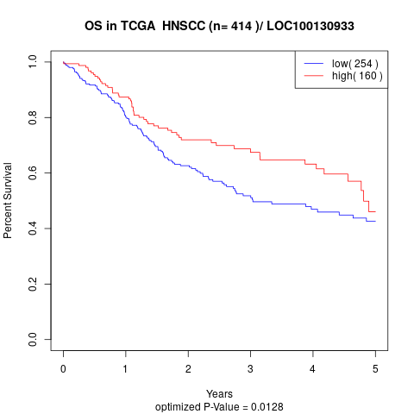

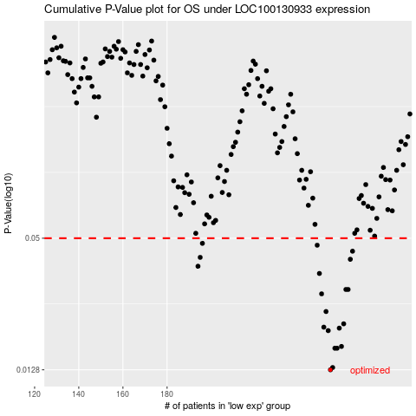

 |  |  |  |  |  | cases_OS | p_OS | rank | exp
 |  |  |  |  |  | 254 | 0.0128 | 154 | -0.10995678591
 |  |  |  |  |  | 255 | 0.0131 | 95 | -0.10974503213
 |  |  |  |  |  | 257 | 0.016 | 324 | -0.10953327835
 |  |  |  |  |  | 256 | 0.016 | 342 | -0.10967137864
 |  |  |  |  |  | 259 | 0.0163 | 152 | -0.10908215073
 |  |  |  |  |  | 253 | 0.0192 | 216 | -0.11026981324
 |  |  |  |  |  | 258 | 0.0197 | 273 | -0.10918342428
 |  |  |  |  |  | 251 | 0.0199 | 156 | -0.11084983446
 |  |  |  |  |  | 260 | 0.0206 | 362 | -0.1083732359
 |  |  |  |  |  | 252 | 0.0234 | 412 | -0.11065649405
 |  |  |  |  |  | 250 | 0.0281 | 61 | -0.11200987691
 |  |  |  |  |  | 261 | 0.0294 | 27 | -0.10601632426
 |  |  |  |  |  | 262 | 0.0294 | 45 | -0.10601632426
 |  |  |  |  |  | 249 | 0.0347 | 338 | -0.11286609872
 |  |  |  |  |  | 194 | 0.0374 | 348 | -0.13995216922
 |  |  |  |  |  | 263 | 0.0402 | 395 | -0.10569409025
 |  |  |  |  |  | 195 | 0.041 | 305 | -0.13973120875
 |  |  |  |  |  | 264 | 0.0437 | 350 | -0.10527978937
 |  |  |  |  |  | 248 | 0.0465 | 69 | -0.11332643302
 |  |  |  |  |  | 196 | 0.0474 | 347 | -0.13934452794
 |  |  |  |  |  |  | cases_RFS | p_RFS | rank | exp
 |  |  |  |  |  |  | 253 | 0.0128 | 216 | -0.11026981324
 |  |  |  |  |  |  | 254 | 0.0131 | 154 | -0.10995678591
 |  |  |  |  |  |  | 255 | 0.016 | 95 | -0.10974503213
 |  |  |  |  |  |  | 256 | 0.016 | 342 | -0.10967137864
 |  |  |  |  |  |  | 258 | 0.0163 | 273 | -0.10918342428
 |  |  |  |  |  |  | 252 | 0.0192 | 412 | -0.11065649405
 |  |  |  |  |  |  | 257 | 0.0197 | 324 | -0.10953327835
 |  |  |  |  |  |  | 250 | 0.0199 | 61 | -0.11200987691
 |  |  |  |  |  |  | 259 | 0.0206 | 152 | -0.10908215073
 |  |  |  |  |  |  | 251 | 0.0234 | 156 | -0.11084983446
 |  |  |  |  |  |  | 249 | 0.0281 | 338 | -0.11286609872
 |  |  |  |  |  |  | 261 | 0.0294 | 27 | -0.10601632426
 |  |  |  |  |  |  | 260 | 0.0294 | 362 | -0.1083732359
 |  |  |  |  |  |  | 248 | 0.0347 | 69 | -0.11332643302
 |  |  |  |  |  |  | 193 | 0.0374 | 241 | -0.14013630294
 |  |  |  |  |  |  | 262 | 0.0402 | 45 | -0.10601632426
 |  |  |  |  |  |  | 194 | 0.041 | 348 | -0.13995216922
 |  |  |  |  |  |  | 263 | 0.0437 | 395 | -0.10569409025
 |  |  |  |  |  |  | 247 | 0.0465 | 375 | -0.1134092932
 |  |  |  |  |  |  | 195 | 0.0474 | 305 | -0.13973120875

