LOC100130987 _multivariate
Reported by Tex Li-Hsing Chi. tex@gate.sinica.edu.tw 2019-08-18

Table 2. The clinicopathological features of HNSCC cohort and LOC100130987 expression. (Chi square test)
Cutoff at 0.058 (66.2%)
 |  | LOC100130987 expression |  | LOC100130987 expression |  | (Optimised)
 | Features | Low | (%) | High | (%) | Case no | P-value | Remark | Matthews
Gender | Female | 199 | 48 | 107 | 25.8 | 415 | 0.4403 | 0 | 0
2 | Male | 76 | 18.3 | 33 | 8
Age at diagnosis | <=65y | 181 | 43.6 | 93 | 22.4 | 415 | 0.9884 | 0 | 0
4 | >65y | 94 | 22.7 | 47 | 11.3
Clinical T Status | T1+T2 | 99 | 23.9 | 50 | 12 | 415 | 1 | 0 | 0
6 | T3+T4 | 176 | 42.4 | 90 | 21.7
Clinical N Status | N0 | 137 | 33 | 79 | 19 | 415 | 0.2418 | 0 | 0
8 | N1-3 | 138 | 33.3 | 61 | 14.7
Clinical M Status | M0 | 272 | 65.5 | 140 | 33.7 | 415 | 0.554 | 0 | 0
10 | M1 | 3 | 0.7 | 0 | 0
Clinical Stage | Stage I+II | 66 | 15.9 | 36 | 8.7 | 415 | 0.7926 | 0 | 0
12 | Stage III+IV | 209 | 50.4 | 104 | 25.1
Surgical Margin status | Negative | 211 | 50.8 | 107 | 25.8 | 415 | 1 | 0 | 0
14 | Positive | 64 | 15.4 | 33 | 8
Tobacco Exposure | Low | 107 | 25.8 | 54 | 13 | 415 | 1 | 0 | 0
16 | High | 168 | 40.5 | 86 | 20.7

Table 3. Univariate/Multivariate Cox's proportional hazards regression analyses on OS time of LOC100130987 gene expression in HNSCC

 |  | Univariate |  |  |  | Multivariate
 | Features | HR | CI95%(L) | CI95%(H) | P-value | HR | CI95%(L) | CI95%(H) | P-value
1 | Female | 1 |  |  |  | 1
Gender | Male | 1.157 | 0.843 | 1.587 | 0.367 | 1.156 | 0.828 | 1.615 | 0.395
11 | <=65y | 1 |  |  |  | 1
Age at diagnosis | >65y | 1.329 | 0.99 | 1.784 | 0.058 | 1.393 | 1.026 | 1.893 | 0.034
12 | T1+T2 | 1 |  |  |  | 1
Clinical T Status | T3+T4 | 1.409 | 1.028 | 1.931 | 0.033 | 2.239 | 1.185 | 4.232 | 0.013
13 | N0 | 1 |  |  |  | 1
Clinical N Status | N1-3 | 1.185 | 0.89 | 1.577 | 0.246 | 1.225 | 0.858 | 1.748 | 0.263
14 | M0 | 1 |  |  |  | 1
Clinical M Status | M1 | 4.097 | 1.009 | 16.644 | 0.049 | 8.17 | 1.779 | 37.52 | 0.007
15 | Stage I+II | 1 |  |  |  | 1
Clinical Stage | Stage III+IV | 1.245 | 0.882 | 1.759 | 0.213 | 0.505 | 0.235 | 1.086 | 0.08
16 | Negative | 1 |  |  |  | 1
Surgical Margin status | Positive | 1.591 | 1.155 | 2.191 | 0.004 | 1.667 | 1.207 | 2.301 | 0.002
17 | Low | 1 |  |  |  | 1
Tobacco Exposure | High | 1.364 | 1.008 | 1.844 | 0.044 | 1.462 | 1.063 | 2.009 | 0.019
18 | Low | 1 |  |  |  | 1
RNAseq(z-score) | High | 0.598 | 0.428 | 0.834 | 0.002 | 0.605 | 0.433 | 0.846 | 0.003

Table 4. Univariate/Multivariate Cox's proportional hazards regression analyses on RFS time of LOC100130987 gene expression in HNSCC

 |  | Univariate |  |  |  | Multivariate
 | Features | HR | CI95%(L) | CI95%(H) | P-value | HR | CI95%(L) | CI95%(H) | P-value
1 | Female | 1 |  |  |  | 1
Gender | Male | 1.157 | 0.843 | 1.587 | 0.367 | 1.156 | 0.828 | 1.615 | 0.395
11 | <=65y | 1 |  |  |  | 1
Age at diagnosis | >65y | 1.329 | 0.99 | 1.784 | 0.058 | 1.393 | 1.026 | 1.893 | 0.034
12 | T1+T2 | 1 |  |  |  | 1
Clinical T Status | T3+T4 | 1.409 | 1.028 | 1.931 | 0.033 | 2.239 | 1.185 | 4.232 | 0.013
13 | N0 | 1 |  |  |  | 1
Clinical N Status | N1-3 | 1.185 | 0.89 | 1.577 | 0.246 | 1.225 | 0.858 | 1.748 | 0.263
14 | M0 | 1 |  |  |  | 1
Clinical M Status | M1 | 4.097 | 1.009 | 16.644 | 0.049 | 8.17 | 1.779 | 37.52 | 0.007
15 | Stage I+II | 1 |  |  |  | 1
Clinical Stage | Stage III+IV | 1.245 | 0.882 | 1.759 | 0.213 | 0.505 | 0.235 | 1.086 | 0.08
16 | Negative | 1 |  |  |  | 1
Surgical Margin status | Positive | 1.591 | 1.155 | 2.191 | 0.004 | 1.667 | 1.207 | 2.301 | 0.002
17 | Low | 1 |  |  |  | 1
Tobacco Exposure | High | 1.364 | 1.008 | 1.844 | 0.044 | 1.462 | 1.063 | 2.009 | 0.019
18 | Low | 1 |  |  |  | 1
RNAseq(z-score) | High | 0.598 | 0.428 | 0.834 | 0.002 | 0.605 | 0.433 | 0.846 | 0.003

Kaplan-Meier survival estimate: Cutoff at 0.058 (66.2%)

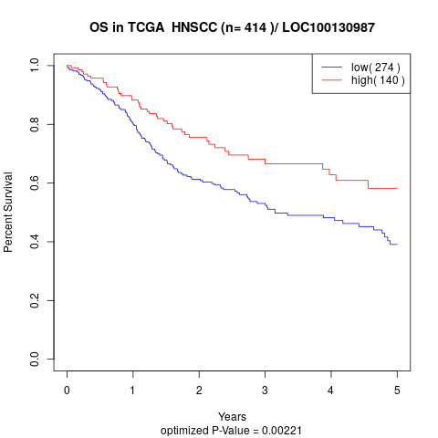

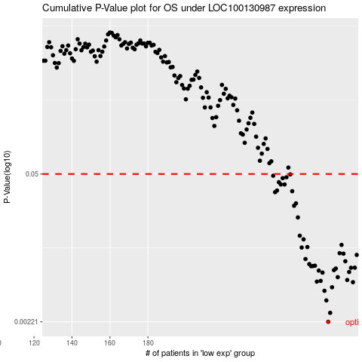

 |  |  |  |  |  | cases_OS | p_OS | rank | exp
 |  |  |  |  |  | 275 | 0.00221 | 330 | 0.058444761087
 |  |  |  |  |  | 276 | 0.00267 | 184 | 0.0590336868
 |  |  |  |  |  | 274 | 0.00347 | 377 | 0.057476305472
 |  |  |  |  |  | 273 | 0.00425 | 275 | 0.051128995017
 |  |  |  |  |  | 277 | 0.00458 | 111 | 0.066297103918
 |  |  |  |  |  | 288 | 0.0051 | 127 | 0.16619199196
 |  |  |  |  |  | 269 | 0.00516 | 329 | 0.045750140178
 |  |  |  |  |  | 271 | 0.00524 | 376 | 0.049532351975
 |  |  |  |  |  | 285 | 0.00534 | 294 | 0.1425433528
 |  |  |  |  |  | 280 | 0.00567 | 183 | 0.088244402129
 |  |  |  |  |  | 272 | 0.00624 | 97 | 0.049558526451
 |  |  |  |  |  | 286 | 0.00632 | 252 | 0.15518562476
 |  |  |  |  |  | 270 | 0.00651 | 153 | 0.047922621695
 |  |  |  |  |  | 278 | 0.00658 | 25 | 0.072814548467
 |  |  |  |  |  | 279 | 0.0068 | 278 | 0.078572933209
 |  |  |  |  |  | 287 | 0.00691 | 202 | 0.15972689636
 |  |  |  |  |  | 289 | 0.00692 | 112 | 0.17124366585
 |  |  |  |  |  | 266 | 0.00715 | 342 | 0.039154172201
 |  |  |  |  |  | 267 | 0.00717 | 358 | 0.044297456755
 |  |  |  |  |  | 268 | 0.00722 | 390 | 0.04526591237
 |  |  |  |  |  | 265 | 0.00747 | 228 | 0.037243435445
 |  |  |  |  |  | 284 | 0.00793 | 133 | 0.12711349914
 |  |  |  |  |  | 263 | 0.00831 | 59 | 0.025111565773
 |  |  |  |  |  | 290 | 0.00907 | 159 | 0.17413594545
 |  |  |  |  |  | 283 | 0.00931 | 211 | 0.12104102068
 |  |  |  |  |  | 281 | 0.0094 | 305 | 0.088767891651
 |  |  |  |  |  | 261 | 0.0106 | 156 | 0.015570969234
 |  |  |  |  |  | 264 | 0.0107 | 138 | 0.025307874343
 |  |  |  |  |  | 282 | 0.0112 | 366 | 0.10300680665
 |  |  |  |  |  | 262 | 0.0126 | 124 | 0.020138415313
 |  |  |  |  |  | 260 | 0.0136 | 74 | -0.012723639432
 |  |  |  |  |  | 259 | 0.02 | 21 | -0.019031688172
 |  |  |  |  |  | 257 | 0.0256 | 197 | -0.027891748332
 |  |  |  |  |  | 258 | 0.0269 | 339 | -0.020785378071
 |  |  |  |  |  | 247 | 0.0341 | 20 | -0.056893067852
 |  |  |  |  |  | 256 | 0.0348 | 207 | -0.031163557845
 |  |  |  |  |  | 248 | 0.0353 | 170 | -0.054943069383
 |  |  |  |  |  | 250 | 0.0401 | 36 | -0.047391733028
 |  |  |  |  |  | 252 | 0.0401 | 162 | -0.042418582568
 |  |  |  |  |  | 249 | 0.0421 | 280 | -0.048831329213
 |  |  |  |  |  | 251 | 0.0458 | 240 | -0.045638043129
 |  |  |  |  |  | 253 | 0.0467 | 129 | -0.035128990974
 |  |  |  |  |  | 246 | 0.0482 | 413 | -0.057194074327
 |  |  |  |  |  | 255 | 0.0496 | 241 | -0.031556174986
 |  |  |  |  |  |  | cases_RFS | p_RFS | rank | exp
 |  |  |  |  |  |  | 274 | 0.00221 | 377 | 0.057476305472
 |  |  |  |  |  |  | 275 | 0.00267 | 330 | 0.058444761087
 |  |  |  |  |  |  | 273 | 0.00347 | 275 | 0.051128995017
 |  |  |  |  |  |  | 272 | 0.00425 | 97 | 0.049558526451
 |  |  |  |  |  |  | 276 | 0.00458 | 184 | 0.0590336868
 |  |  |  |  |  |  | 287 | 0.0051 | 202 | 0.15972689636
 |  |  |  |  |  |  | 268 | 0.00516 | 390 | 0.04526591237
 |  |  |  |  |  |  | 270 | 0.00524 | 153 | 0.047922621695
 |  |  |  |  |  |  | 284 | 0.00534 | 133 | 0.12711349914
 |  |  |  |  |  |  | 279 | 0.00567 | 278 | 0.078572933209
 |  |  |  |  |  |  | 271 | 0.00624 | 376 | 0.049532351975
 |  |  |  |  |  |  | 285 | 0.00632 | 294 | 0.1425433528
 |  |  |  |  |  |  | 269 | 0.00651 | 329 | 0.045750140178
 |  |  |  |  |  |  | 277 | 0.00658 | 111 | 0.066297103918
 |  |  |  |  |  |  | 278 | 0.0068 | 25 | 0.072814548467
 |  |  |  |  |  |  | 286 | 0.00691 | 252 | 0.15518562476
 |  |  |  |  |  |  | 288 | 0.00692 | 127 | 0.16619199196
 |  |  |  |  |  |  | 265 | 0.00715 | 228 | 0.037243435445
 |  |  |  |  |  |  | 266 | 0.00717 | 342 | 0.039154172201
 |  |  |  |  |  |  | 267 | 0.00722 | 358 | 0.044297456755
 |  |  |  |  |  |  | 264 | 0.00747 | 138 | 0.025307874343
 |  |  |  |  |  |  | 283 | 0.00793 | 211 | 0.12104102068
 |  |  |  |  |  |  | 262 | 0.00831 | 124 | 0.020138415313
 |  |  |  |  |  |  | 289 | 0.00907 | 112 | 0.17124366585
 |  |  |  |  |  |  | 282 | 0.00931 | 366 | 0.10300680665
 |  |  |  |  |  |  | 280 | 0.0094 | 183 | 0.088244402129
 |  |  |  |  |  |  | 260 | 0.0106 | 74 | -0.012723639432
 |  |  |  |  |  |  | 263 | 0.0107 | 59 | 0.025111565773
 |  |  |  |  |  |  | 281 | 0.0112 | 305 | 0.088767891651
 |  |  |  |  |  |  | 261 | 0.0126 | 156 | 0.015570969234
 |  |  |  |  |  |  | 259 | 0.0136 | 21 | -0.019031688172
 |  |  |  |  |  |  | 258 | 0.02 | 339 | -0.020785378071
 |  |  |  |  |  |  | 256 | 0.0256 | 207 | -0.031163557845
 |  |  |  |  |  |  | 257 | 0.0269 | 197 | -0.027891748332
 |  |  |  |  |  |  | 246 | 0.0341 | 413 | -0.057194074327
 |  |  |  |  |  |  | 255 | 0.0348 | 241 | -0.031556174986
 |  |  |  |  |  |  | 247 | 0.0353 | 20 | -0.056893067852
 |  |  |  |  |  |  | 251 | 0.0401 | 240 | -0.045638043129
 |  |  |  |  |  |  | 249 | 0.0401 | 280 | -0.048831329213
 |  |  |  |  |  |  | 248 | 0.0421 | 170 | -0.054943069383
 |  |  |  |  |  |  | 250 | 0.0458 | 36 | -0.047391733028
 |  |  |  |  |  |  | 252 | 0.0467 | 162 | -0.042418582568
 |  |  |  |  |  |  | 245 | 0.0482 | 222 | -0.058515885371
 |  |  |  |  |  |  | 254 | 0.0496 | 142 | -0.033152818029

