LOC100131434 _multivariate
Reported by Tex Li-Hsing Chi. tex@gate.sinica.edu.tw 2019-08-18

Table 2. The clinicopathological features of HNSCC cohort and LOC100131434 expression. (Chi square test)
Cutoff at -0.238 (54.8%)
 |  | LOC100131434 expression |  | LOC100131434 expression |  | (Optimised)
 | Features | Low | (%) | High | (%) | Case no | P-value | Remark | Matthews
Gender | Female | 163 | 39.3 | 143 | 34.5 | 415 | 0.3008 | 0 | 0
2 | Male | 65 | 15.7 | 44 | 10.6
Age at diagnosis | <=65y | 154 | 37.1 | 120 | 28.9 | 415 | 0.5368 | 0 | 0
4 | >65y | 74 | 17.8 | 67 | 16.1
Clinical T Status | T1+T2 | 78 | 18.8 | 71 | 17.1 | 415 | 0.4895 | 0 | 0
6 | T3+T4 | 150 | 36.1 | 116 | 28
Clinical N Status | N0 | 112 | 27 | 104 | 25.1 | 415 | 0.2231 | 0 | 0
8 | N1-3 | 116 | 28 | 83 | 20
Clinical M Status | M0 | 226 | 54.5 | 186 | 44.8 | 415 | 1 | 0 | 0
10 | M1 | 2 | 0.5 | 1 | 0.2
Clinical Stage | Stage I+II | 54 | 13 | 48 | 11.6 | 415 | 0.7244 | 0 | 0
12 | Stage III+IV | 174 | 41.9 | 139 | 33.5
Surgical Margin status | Negative | 183 | 44.1 | 135 | 32.5 | 415 | 0.0622 | 0 | 0
14 | Positive | 45 | 10.8 | 52 | 12.5
Tobacco Exposure | Low | 88 | 21.2 | 73 | 17.6 | 415 | 1 | 0 | 0
16 | High | 140 | 33.7 | 114 | 27.5

Table 3. Univariate/Multivariate Cox's proportional hazards regression analyses on OS time of LOC100131434 gene expression in HNSCC

 |  | Univariate |  |  |  | Multivariate
 | Features | HR | CI95%(L) | CI95%(H) | P-value | HR | CI95%(L) | CI95%(H) | P-value
1 | Female | 1 |  |  |  | 1
Gender | Male | 1.157 | 0.843 | 1.587 | 0.367 | 1.156 | 0.827 | 1.615 | 0.397
11 | <=65y | 1 |  |  |  | 1
Age at diagnosis | >65y | 1.329 | 0.99 | 1.784 | 0.058 | 1.505 | 1.103 | 2.054 | 0.01
12 | T1+T2 | 1 |  |  |  | 1
Clinical T Status | T3+T4 | 1.409 | 1.028 | 1.931 | 0.033 | 2.156 | 1.14 | 4.076 | 0.018
13 | N0 | 1 |  |  |  | 1
Clinical N Status | N1-3 | 1.185 | 0.89 | 1.577 | 0.246 | 1.196 | 0.838 | 1.707 | 0.324
14 | M0 | 1 |  |  |  | 1
Clinical M Status | M1 | 4.097 | 1.009 | 16.644 | 0.049 | 8.53 | 1.859 | 39.148 | 0.006
15 | Stage I+II | 1 |  |  |  | 1
Clinical Stage | Stage III+IV | 1.245 | 0.882 | 1.759 | 0.213 | 0.53 | 0.246 | 1.138 | 0.104
16 | Negative | 1 |  |  |  | 1
Surgical Margin status | Positive | 1.591 | 1.155 | 2.191 | 0.004 | 1.768 | 1.276 | 2.449 | 0.001
17 | Low | 1 |  |  |  | 1
Tobacco Exposure | High | 1.364 | 1.008 | 1.844 | 0.044 | 1.478 | 1.071 | 2.04 | 0.017
18 | Low | 1 |  |  |  | 1
RNAseq(z-score) | High | 0.686 | 0.509 | 0.923 | 0.013 | 0.631 | 0.465 | 0.857 | 0.003

Table 4. Univariate/Multivariate Cox's proportional hazards regression analyses on RFS time of LOC100131434 gene expression in HNSCC

 |  | Univariate |  |  |  | Multivariate
 | Features | HR | CI95%(L) | CI95%(H) | P-value | HR | CI95%(L) | CI95%(H) | P-value
1 | Female | 1 |  |  |  | 1
Gender | Male | 1.157 | 0.843 | 1.587 | 0.367 | 1.156 | 0.827 | 1.615 | 0.397
11 | <=65y | 1 |  |  |  | 1
Age at diagnosis | >65y | 1.329 | 0.99 | 1.784 | 0.058 | 1.505 | 1.103 | 2.054 | 0.01
12 | T1+T2 | 1 |  |  |  | 1
Clinical T Status | T3+T4 | 1.409 | 1.028 | 1.931 | 0.033 | 2.156 | 1.14 | 4.076 | 0.018
13 | N0 | 1 |  |  |  | 1
Clinical N Status | N1-3 | 1.185 | 0.89 | 1.577 | 0.246 | 1.196 | 0.838 | 1.707 | 0.324
14 | M0 | 1 |  |  |  | 1
Clinical M Status | M1 | 4.097 | 1.009 | 16.644 | 0.049 | 8.53 | 1.859 | 39.148 | 0.006
15 | Stage I+II | 1 |  |  |  | 1
Clinical Stage | Stage III+IV | 1.245 | 0.882 | 1.759 | 0.213 | 0.53 | 0.246 | 1.138 | 0.104
16 | Negative | 1 |  |  |  | 1
Surgical Margin status | Positive | 1.591 | 1.155 | 2.191 | 0.004 | 1.768 | 1.276 | 2.449 | 0.001
17 | Low | 1 |  |  |  | 1
Tobacco Exposure | High | 1.364 | 1.008 | 1.844 | 0.044 | 1.478 | 1.071 | 2.04 | 0.017
18 | Low | 1 |  |  |  | 1
RNAseq(z-score) | High | 0.686 | 0.509 | 0.923 | 0.013 | 0.631 | 0.465 | 0.857 | 0.003

Kaplan-Meier survival estimate: Cutoff at -0.238 (54.8%)

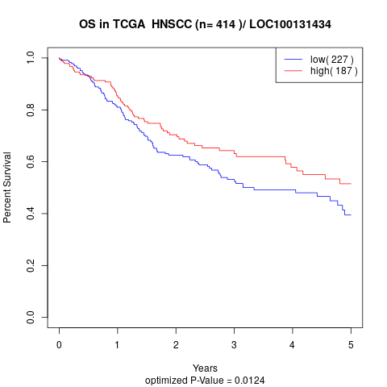

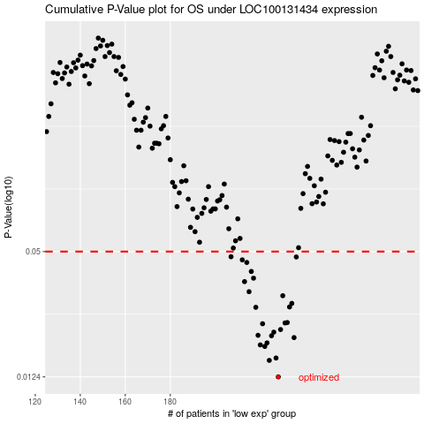

 |  |  |  |  |  | cases_OS | p_OS | rank | exp
 |  |  |  |  |  | 228 | 0.0124 | 182 | -0.23767534195
 |  |  |  |  |  | 224 | 0.0149 | 127 | -0.2503255875
 |  |  |  |  |  | 227 | 0.0153 | 267 | -0.2437391451
 |  |  |  |  |  | 222 | 0.0174 | 94 | -0.25549852829
 |  |  |  |  |  | 220 | 0.0177 | 130 | -0.26405080698
 |  |  |  |  |  | 223 | 0.0181 | 412 | -0.25396624503
 |  |  |  |  |  | 235 | 0.0192 | 245 | -0.2106287606
 |  |  |  |  |  | 225 | 0.0196 | 20 | -0.24892990313
 |  |  |  |  |  | 219 | 0.0197 | 254 | -0.26574938455
 |  |  |  |  |  | 226 | 0.0204 | 390 | -0.24641767127
 |  |  |  |  |  | 229 | 0.021 | 231 | -0.23726554526
 |  |  |  |  |  | 221 | 0.0224 | 369 | -0.25791573484
 |  |  |  |  |  | 231 | 0.0226 | 358 | -0.22149728143
 |  |  |  |  |  | 232 | 0.0227 | 290 | -0.2208321042
 |  |  |  |  |  | 218 | 0.0269 | 62 | -0.26651552618
 |  |  |  |  |  | 233 | 0.027 | 356 | -0.21337855576
 |  |  |  |  |  | 234 | 0.0281 | 274 | -0.21278464752
 |  |  |  |  |  | 230 | 0.0306 | 138 | -0.22965758068
 |  |  |  |  |  | 215 | 0.032 | 121 | -0.27494902322
 |  |  |  |  |  | 213 | 0.0358 | 139 | -0.27708115381
 |  |  |  |  |  | 217 | 0.0372 | 61 | -0.26933659033
 |  |  |  |  |  | 216 | 0.0401 | 7 | -0.27458080011
 |  |  |  |  |  | 214 | 0.0443 | 191 | -0.27569140853
 |  |  |  |  |  | 212 | 0.0456 | 86 | -0.28541962553
 |  |  |  |  |  | 236 | 0.0471 | 388 | -0.20996358337
 |  |  |  |  |  | 207 | 0.0472 | 147 | -0.30494138945
 |  |  |  |  |  |  | cases_RFS | p_RFS | rank | exp
 |  |  |  |  |  |  | 227 | 0.0124 | 267 | -0.2437391451
 |  |  |  |  |  |  | 223 | 0.0149 | 412 | -0.25396624503
 |  |  |  |  |  |  | 226 | 0.0153 | 390 | -0.24641767127
 |  |  |  |  |  |  | 221 | 0.0174 | 369 | -0.25791573484
 |  |  |  |  |  |  | 219 | 0.0177 | 254 | -0.26574938455
 |  |  |  |  |  |  | 222 | 0.0181 | 94 | -0.25549852829
 |  |  |  |  |  |  | 234 | 0.0192 | 274 | -0.21278464752
 |  |  |  |  |  |  | 224 | 0.0196 | 127 | -0.2503255875
 |  |  |  |  |  |  | 218 | 0.0197 | 62 | -0.26651552618
 |  |  |  |  |  |  | 225 | 0.0204 | 20 | -0.24892990313
 |  |  |  |  |  |  | 228 | 0.021 | 182 | -0.23767534195
 |  |  |  |  |  |  | 220 | 0.0224 | 130 | -0.26405080698
 |  |  |  |  |  |  | 230 | 0.0226 | 138 | -0.22965758068
 |  |  |  |  |  |  | 231 | 0.0227 | 358 | -0.22149728143
 |  |  |  |  |  |  | 217 | 0.0269 | 61 | -0.26933659033
 |  |  |  |  |  |  | 232 | 0.027 | 290 | -0.2208321042
 |  |  |  |  |  |  | 233 | 0.0281 | 356 | -0.21337855576
 |  |  |  |  |  |  | 229 | 0.0306 | 231 | -0.23726554526
 |  |  |  |  |  |  | 214 | 0.032 | 191 | -0.27569140853
 |  |  |  |  |  |  | 212 | 0.0358 | 86 | -0.28541962553
 |  |  |  |  |  |  | 216 | 0.0372 | 7 | -0.27458080011
 |  |  |  |  |  |  | 215 | 0.0401 | 121 | -0.27494902322
 |  |  |  |  |  |  | 213 | 0.0443 | 139 | -0.27708115381
 |  |  |  |  |  |  | 211 | 0.0456 | 263 | -0.29126962172
 |  |  |  |  |  |  | 235 | 0.0471 | 245 | -0.2106287606
 |  |  |  |  |  |  | 206 | 0.0472 | 285 | -0.30558874943

