LOC100131496 _multivariate
Reported by Tex Li-Hsing Chi. tex@gate.sinica.edu.tw 2019-08-18

Table 2. The clinicopathological features of HNSCC cohort and LOC100131496 expression. (Chi square test)
Cutoff at -0.248 (49.8%)
 |  | LOC100131496 expression |  | LOC100131496 expression |  | (Optimised)
 | Features | Low | (%) | High | (%) | Case no | P-value | Remark | Matthews
Gender | Female | 153 | 36.9 | 153 | 36.9 | 415 | 1 | 0 | 0
2 | Male | 54 | 13 | 55 | 13.3
Age at diagnosis | <=65y | 135 | 32.5 | 139 | 33.5 | 415 | 0.8084 | 0 | 0
4 | >65y | 72 | 17.3 | 69 | 16.6
Clinical T Status | T1+T2 | 83 | 20 | 66 | 15.9 | 415 | 0.0941 | 0 | 0
6 | T3+T4 | 124 | 29.9 | 142 | 34.2
Clinical N Status | N0 | 110 | 26.5 | 106 | 25.5 | 415 | 0.7294 | 0 | 0
8 | N1-3 | 97 | 23.4 | 102 | 24.6
Clinical M Status | M0 | 206 | 49.6 | 206 | 49.6 | 415 | 1 | 0 | 0
10 | M1 | 1 | 0.2 | 2 | 0.5
Clinical Stage | Stage I+II | 58 | 14 | 44 | 10.6 | 415 | 0.131 | 0 | 0
12 | Stage III+IV | 149 | 35.9 | 164 | 39.5
Surgical Margin status | Negative | 162 | 39 | 156 | 37.6 | 415 | 0.4867 | 0 | 0
14 | Positive | 45 | 10.8 | 52 | 12.5
Tobacco Exposure | Low | 75 | 18.1 | 86 | 20.7 | 415 | 0.3141 | 0 | 0
16 | High | 132 | 31.8 | 122 | 29.4

Table 3. Univariate/Multivariate Cox's proportional hazards regression analyses on OS time of LOC100131496 gene expression in HNSCC

 |  | Univariate |  |  |  | Multivariate
 | Features | HR | CI95%(L) | CI95%(H) | P-value | HR | CI95%(L) | CI95%(H) | P-value
1 | Female | 1 |  |  |  | 1
Gender | Male | 1.157 | 0.843 | 1.587 | 0.367 | 1.197 | 0.856 | 1.673 | 0.292
11 | <=65y | 1 |  |  |  | 1
Age at diagnosis | >65y | 1.329 | 0.99 | 1.784 | 0.058 | 1.396 | 1.027 | 1.898 | 0.033
12 | T1+T2 | 1 |  |  |  | 1
Clinical T Status | T3+T4 | 1.409 | 1.028 | 1.931 | 0.033 | 2.189 | 1.158 | 4.141 | 0.016
13 | N0 | 1 |  |  |  | 1
Clinical N Status | N1-3 | 1.185 | 0.89 | 1.577 | 0.246 | 1.244 | 0.872 | 1.776 | 0.229
14 | M0 | 1 |  |  |  | 1
Clinical M Status | M1 | 4.097 | 1.009 | 16.644 | 0.049 | 9.28 | 2.023 | 42.574 | 0.004
15 | Stage I+II | 1 |  |  |  | 1
Clinical Stage | Stage III+IV | 1.245 | 0.882 | 1.759 | 0.213 | 0.5 | 0.233 | 1.074 | 0.076
16 | Negative | 1 |  |  |  | 1
Surgical Margin status | Positive | 1.591 | 1.155 | 2.191 | 0.004 | 1.679 | 1.214 | 2.321 | 0.002
17 | Low | 1 |  |  |  | 1
Tobacco Exposure | High | 1.364 | 1.008 | 1.844 | 0.044 | 1.465 | 1.061 | 2.021 | 0.02
18 | Low | 1 |  |  |  | 1
RNAseq(z-score) | High | 1.064 | 0.799 | 1.418 | 0.669 | 1.086 | 0.812 | 1.452 | 0.579

Table 4. Univariate/Multivariate Cox's proportional hazards regression analyses on RFS time of LOC100131496 gene expression in HNSCC

 |  | Univariate |  |  |  | Multivariate
 | Features | HR | CI95%(L) | CI95%(H) | P-value | HR | CI95%(L) | CI95%(H) | P-value
1 | Female | 1 |  |  |  | 1
Gender | Male | 1.157 | 0.843 | 1.587 | 0.367 | 1.197 | 0.856 | 1.673 | 0.292
11 | <=65y | 1 |  |  |  | 1
Age at diagnosis | >65y | 1.329 | 0.99 | 1.784 | 0.058 | 1.396 | 1.027 | 1.898 | 0.033
12 | T1+T2 | 1 |  |  |  | 1
Clinical T Status | T3+T4 | 1.409 | 1.028 | 1.931 | 0.033 | 2.189 | 1.158 | 4.141 | 0.016
13 | N0 | 1 |  |  |  | 1
Clinical N Status | N1-3 | 1.185 | 0.89 | 1.577 | 0.246 | 1.244 | 0.872 | 1.776 | 0.229
14 | M0 | 1 |  |  |  | 1
Clinical M Status | M1 | 4.097 | 1.009 | 16.644 | 0.049 | 9.28 | 2.023 | 42.574 | 0.004
15 | Stage I+II | 1 |  |  |  | 1
Clinical Stage | Stage III+IV | 1.245 | 0.882 | 1.759 | 0.213 | 0.5 | 0.233 | 1.074 | 0.076
16 | Negative | 1 |  |  |  | 1
Surgical Margin status | Positive | 1.591 | 1.155 | 2.191 | 0.004 | 1.679 | 1.214 | 2.321 | 0.002
17 | Low | 1 |  |  |  | 1
Tobacco Exposure | High | 1.364 | 1.008 | 1.844 | 0.044 | 1.465 | 1.061 | 2.021 | 0.02
18 | Low | 1 |  |  |  | 1
RNAseq(z-score) | High | 1.064 | 0.799 | 1.418 | 0.669 | 1.086 | 0.812 | 1.452 | 0.579

Kaplan-Meier survival estimate: Cutoff at -0.248 (49.8%)

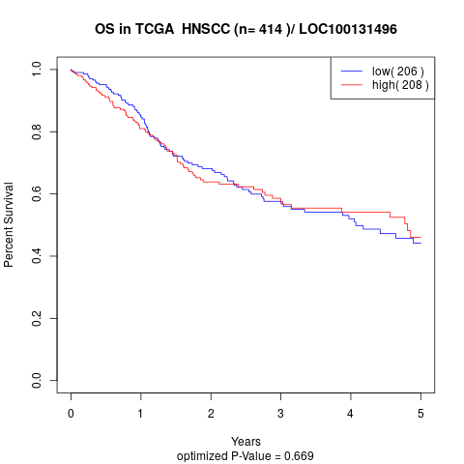

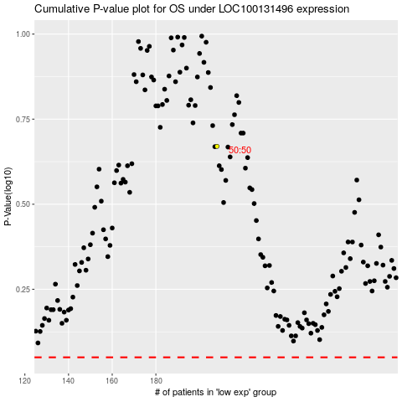

 |  |  |  |  |  | cases_OS | p_OS | rank | exp
 |  |  |  |  |  |  | cases_RFS | p_RFS | rank | exp

