LOC100131551 _multivariate
Reported by Tex Li-Hsing Chi. tex@gate.sinica.edu.tw 2019-08-18

Table 2. The clinicopathological features of HNSCC cohort and LOC100131551 expression. (Chi square test)
Cutoff at -0.065 (66.9%)
 |  | LOC100131551 expression |  | LOC100131551 expression |  | (Optimised)
 | Features | Low | (%) | High | (%) | Case no | P-value | Remark | Matthews
Gender | Female | 204 | 49.2 | 102 | 24.6 | 415 | 1 | 0 | 0
2 | Male | 73 | 17.6 | 36 | 8.7
Age at diagnosis | <=65y | 186 | 44.8 | 88 | 21.2 | 415 | 0.5654 | 0 | 0
4 | >65y | 91 | 21.9 | 50 | 12
Clinical T Status | T1+T2 | 112 | 27 | 37 | 8.9 | 415 | 0.0089 | 1 | 0
6 | T3+T4 | 165 | 39.8 | 101 | 24.3
Clinical N Status | N0 | 147 | 35.4 | 69 | 16.6 | 415 | 0.6275 | 0 | 0
8 | N1-3 | 130 | 31.3 | 69 | 16.6
Clinical M Status | M0 | 275 | 66.3 | 137 | 33 | 415 | 1 | 0 | 0
10 | M1 | 2 | 0.5 | 1 | 0.2
Clinical Stage | Stage I+II | 73 | 17.6 | 29 | 7 | 415 | 0.285 | 0 | 0
12 | Stage III+IV | 204 | 49.2 | 109 | 26.3
Surgical Margin status | Negative | 216 | 52 | 102 | 24.6 | 415 | 0.3893 | 0 | 0
14 | Positive | 61 | 14.7 | 36 | 8.7
Tobacco Exposure | Low | 103 | 24.8 | 58 | 14 | 415 | 0.3924 | 0 | 0
16 | High | 174 | 41.9 | 80 | 19.3

Table 3. Univariate/Multivariate Cox's proportional hazards regression analyses on OS time of LOC100131551 gene expression in HNSCC

 |  | Univariate |  |  |  | Multivariate
 | Features | HR | CI95%(L) | CI95%(H) | P-value | HR | CI95%(L) | CI95%(H) | P-value
1 | Female | 1 |  |  |  | 1
Gender | Male | 1.157 | 0.843 | 1.587 | 0.367 | 1.208 | 0.865 | 1.688 | 0.268
11 | <=65y | 1 |  |  |  | 1
Age at diagnosis | >65y | 1.329 | 0.99 | 1.784 | 0.058 | 1.364 | 1.004 | 1.854 | 0.047
12 | T1+T2 | 1 |  |  |  | 1
Clinical T Status | T3+T4 | 1.409 | 1.028 | 1.931 | 0.033 | 2.041 | 1.074 | 3.88 | 0.03
13 | N0 | 1 |  |  |  | 1
Clinical N Status | N1-3 | 1.185 | 0.89 | 1.577 | 0.246 | 1.23 | 0.862 | 1.755 | 0.254
14 | M0 | 1 |  |  |  | 1
Clinical M Status | M1 | 4.097 | 1.009 | 16.644 | 0.049 | 9.214 | 2.01 | 42.239 | 0.004
15 | Stage I+II | 1 |  |  |  | 1
Clinical Stage | Stage III+IV | 1.245 | 0.882 | 1.759 | 0.213 | 0.537 | 0.249 | 1.156 | 0.112
16 | Negative | 1 |  |  |  | 1
Surgical Margin status | Positive | 1.591 | 1.155 | 2.191 | 0.004 | 1.647 | 1.191 | 2.278 | 0.003
17 | Low | 1 |  |  |  | 1
Tobacco Exposure | High | 1.364 | 1.008 | 1.844 | 0.044 | 1.481 | 1.075 | 2.04 | 0.016
18 | Low | 1 |  |  |  | 1
RNAseq(z-score) | High | 1.394 | 1.037 | 1.874 | 0.028 | 1.345 | 0.996 | 1.816 | 0.053

Table 4. Univariate/Multivariate Cox's proportional hazards regression analyses on RFS time of LOC100131551 gene expression in HNSCC

 |  | Univariate |  |  |  | Multivariate
 | Features | HR | CI95%(L) | CI95%(H) | P-value | HR | CI95%(L) | CI95%(H) | P-value
1 | Female | 1 |  |  |  | 1
Gender | Male | 1.157 | 0.843 | 1.587 | 0.367 | 1.208 | 0.865 | 1.688 | 0.268
11 | <=65y | 1 |  |  |  | 1
Age at diagnosis | >65y | 1.329 | 0.99 | 1.784 | 0.058 | 1.364 | 1.004 | 1.854 | 0.047
12 | T1+T2 | 1 |  |  |  | 1
Clinical T Status | T3+T4 | 1.409 | 1.028 | 1.931 | 0.033 | 2.041 | 1.074 | 3.88 | 0.03
13 | N0 | 1 |  |  |  | 1
Clinical N Status | N1-3 | 1.185 | 0.89 | 1.577 | 0.246 | 1.23 | 0.862 | 1.755 | 0.254
14 | M0 | 1 |  |  |  | 1
Clinical M Status | M1 | 4.097 | 1.009 | 16.644 | 0.049 | 9.214 | 2.01 | 42.239 | 0.004
15 | Stage I+II | 1 |  |  |  | 1
Clinical Stage | Stage III+IV | 1.245 | 0.882 | 1.759 | 0.213 | 0.537 | 0.249 | 1.156 | 0.112
16 | Negative | 1 |  |  |  | 1
Surgical Margin status | Positive | 1.591 | 1.155 | 2.191 | 0.004 | 1.647 | 1.191 | 2.278 | 0.003
17 | Low | 1 |  |  |  | 1
Tobacco Exposure | High | 1.364 | 1.008 | 1.844 | 0.044 | 1.481 | 1.075 | 2.04 | 0.016
18 | Low | 1 |  |  |  | 1
RNAseq(z-score) | High | 1.394 | 1.037 | 1.874 | 0.028 | 1.345 | 0.996 | 1.816 | 0.053

Kaplan-Meier survival estimate: Cutoff at -0.065 (66.9%)

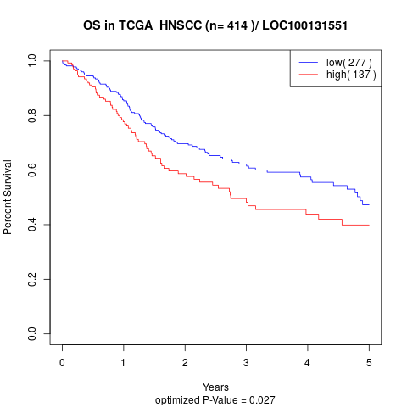

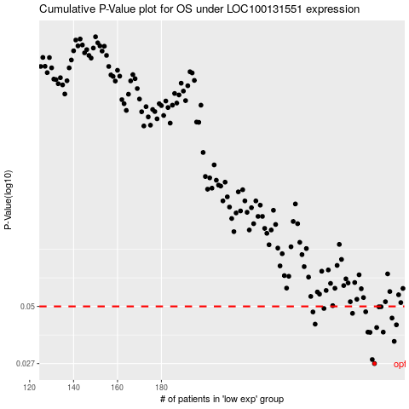

 |  |  |  |  |  | cases_OS | p_OS | rank | exp
 |  |  |  |  |  | 277 | 0.027 | 225 | -0.065020914415
 |  |  |  |  |  | 276 | 0.0282 | 20 | -0.07001738349
 |  |  |  |  |  | 286 | 0.0343 | 82 | -0.0024987848045
 |  |  |  |  |  | 275 | 0.0378 | 109 | -0.070222808611
 |  |  |  |  |  | 281 | 0.0379 | 148 | -0.044153698077
 |  |  |  |  |  | 274 | 0.0379 | 342 | -0.079466939063
 |  |  |  |  |  | 278 | 0.0398 | 414 | -0.061687726159
 |  |  |  |  |  | 287 | 0.041 | 199 | 0.0011856141424
 |  |  |  |  |  | 250 | 0.0413 | 241 | -0.20181416524
 |  |  |  |  |  | 285 | 0.0441 | 132 | -0.020708727801
 |  |  |  |  |  | 267 | 0.0464 | 210 | -0.099804026055
 |  |  |  |  |  | 249 | 0.0471 | 351 | -0.202112363
 |  |  |  |  |  | 273 | 0.0472 | 83 | -0.084589313857
 |  |  |  |  |  | 254 | 0.0489 | 248 | -0.18334578419
 |  |  |  |  |  | 280 | 0.0498 | 242 | -0.044789853291
 |  |  |  |  |  | 279 | 0.0498 | 333 | -0.060402162498
 |  |  |  |  |  |  | cases_RFS | p_RFS | rank | exp
 |  |  |  |  |  |  | 276 | 0.027 | 20 | -0.07001738349
 |  |  |  |  |  |  | 275 | 0.0282 | 109 | -0.070222808611
 |  |  |  |  |  |  | 285 | 0.0343 | 132 | -0.020708727801
 |  |  |  |  |  |  | 274 | 0.0378 | 342 | -0.079466939063
 |  |  |  |  |  |  | 273 | 0.0379 | 83 | -0.084589313857
 |  |  |  |  |  |  | 280 | 0.0379 | 242 | -0.044789853291
 |  |  |  |  |  |  | 277 | 0.0398 | 225 | -0.065020914415
 |  |  |  |  |  |  | 286 | 0.041 | 82 | -0.0024987848045
 |  |  |  |  |  |  | 249 | 0.0413 | 351 | -0.202112363
 |  |  |  |  |  |  | 284 | 0.0441 | 406 | -0.038302395434
 |  |  |  |  |  |  | 266 | 0.0464 | 386 | -0.10659630829
 |  |  |  |  |  |  | 248 | 0.0471 | 337 | -0.20698955297
 |  |  |  |  |  |  | 272 | 0.0472 | 292 | -0.089744821736
 |  |  |  |  |  |  | 253 | 0.0489 | 232 | -0.18936937887
 |  |  |  |  |  |  | 279 | 0.0498 | 333 | -0.060402162498
 |  |  |  |  |  |  | 278 | 0.0498 | 414 | -0.061687726159

