LOC100131691 _multivariate
Reported by Tex Li-Hsing Chi. tex@gate.sinica.edu.tw 2019-08-18

Table 2. The clinicopathological features of HNSCC cohort and LOC100131691 expression. (Chi square test)
Cutoff at -0.463 (30.0%)
 |  | LOC100131691 expression |  | LOC100131691 expression |  | (Optimised)
 | Features | Low | (%) | High | (%) | Case no | P-value | Remark | Matthews
Gender | Female | 85 | 20.5 | 221 | 53.3 | 415 | 0.1049 | 0 | 0
2 | Male | 40 | 9.6 | 69 | 16.6
Age at diagnosis | <=65y | 86 | 20.7 | 188 | 45.3 | 415 | 0.5023 | 0 | 0
4 | >65y | 39 | 9.4 | 102 | 24.6
Clinical T Status | T1+T2 | 43 | 10.4 | 106 | 25.5 | 415 | 0.7583 | 0 | 0
6 | T3+T4 | 82 | 19.8 | 184 | 44.3
Clinical N Status | N0 | 60 | 14.5 | 156 | 37.6 | 415 | 0.3287 | 0 | 0
8 | N1-3 | 65 | 15.7 | 134 | 32.3
Clinical M Status | M0 | 124 | 29.9 | 288 | 69.4 | 415 | 1 | 0 | 0
10 | M1 | 1 | 0.2 | 2 | 0.5
Clinical Stage | Stage I+II | 29 | 7 | 73 | 17.6 | 415 | 0.7612 | 0 | 0
12 | Stage III+IV | 96 | 23.1 | 217 | 52.3
Surgical Margin status | Negative | 97 | 23.4 | 221 | 53.3 | 415 | 0.8014 | 0 | 0
14 | Positive | 28 | 6.7 | 69 | 16.6
Tobacco Exposure | Low | 46 | 11.1 | 115 | 27.7 | 415 | 0.6607 | 0 | 0
16 | High | 79 | 19 | 175 | 42.2

Table 3. Univariate/Multivariate Cox's proportional hazards regression analyses on OS time of LOC100131691 gene expression in HNSCC

 |  | Univariate |  |  |  | Multivariate
 | Features | HR | CI95%(L) | CI95%(H) | P-value | HR | CI95%(L) | CI95%(H) | P-value
1 | Female | 1 |  |  |  | 1
Gender | Male | 1.157 | 0.843 | 1.587 | 0.367 | 1.15 | 0.823 | 1.607 | 0.412
11 | <=65y | 1 |  |  |  | 1
Age at diagnosis | >65y | 1.329 | 0.99 | 1.784 | 0.058 | 1.479 | 1.082 | 2.02 | 0.014
12 | T1+T2 | 1 |  |  |  | 1
Clinical T Status | T3+T4 | 1.409 | 1.028 | 1.931 | 0.033 | 2.346 | 1.237 | 4.448 | 0.009
13 | N0 | 1 |  |  |  | 1
Clinical N Status | N1-3 | 1.185 | 0.89 | 1.577 | 0.246 | 1.277 | 0.893 | 1.825 | 0.181
14 | M0 | 1 |  |  |  | 1
Clinical M Status | M1 | 4.097 | 1.009 | 16.644 | 0.049 | 9.508 | 2.072 | 43.621 | 0.004
15 | Stage I+II | 1 |  |  |  | 1
Clinical Stage | Stage III+IV | 1.245 | 0.882 | 1.759 | 0.213 | 0.458 | 0.212 | 0.99 | 0.047
16 | Negative | 1 |  |  |  | 1
Surgical Margin status | Positive | 1.591 | 1.155 | 2.191 | 0.004 | 1.692 | 1.224 | 2.338 | 0.001
17 | Low | 1 |  |  |  | 1
Tobacco Exposure | High | 1.364 | 1.008 | 1.844 | 0.044 | 1.485 | 1.076 | 2.049 | 0.016
18 | Low | 1 |  |  |  | 1
RNAseq(z-score) | High | 0.666 | 0.49 | 0.906 | 0.01 | 0.624 | 0.456 | 0.854 | 0.003

Table 4. Univariate/Multivariate Cox's proportional hazards regression analyses on RFS time of LOC100131691 gene expression in HNSCC

 |  | Univariate |  |  |  | Multivariate
 | Features | HR | CI95%(L) | CI95%(H) | P-value | HR | CI95%(L) | CI95%(H) | P-value
1 | Female | 1 |  |  |  | 1
Gender | Male | 1.157 | 0.843 | 1.587 | 0.367 | 1.15 | 0.823 | 1.607 | 0.412
11 | <=65y | 1 |  |  |  | 1
Age at diagnosis | >65y | 1.329 | 0.99 | 1.784 | 0.058 | 1.479 | 1.082 | 2.02 | 0.014
12 | T1+T2 | 1 |  |  |  | 1
Clinical T Status | T3+T4 | 1.409 | 1.028 | 1.931 | 0.033 | 2.346 | 1.237 | 4.448 | 0.009
13 | N0 | 1 |  |  |  | 1
Clinical N Status | N1-3 | 1.185 | 0.89 | 1.577 | 0.246 | 1.277 | 0.893 | 1.825 | 0.181
14 | M0 | 1 |  |  |  | 1
Clinical M Status | M1 | 4.097 | 1.009 | 16.644 | 0.049 | 9.508 | 2.072 | 43.621 | 0.004
15 | Stage I+II | 1 |  |  |  | 1
Clinical Stage | Stage III+IV | 1.245 | 0.882 | 1.759 | 0.213 | 0.458 | 0.212 | 0.99 | 0.047
16 | Negative | 1 |  |  |  | 1
Surgical Margin status | Positive | 1.591 | 1.155 | 2.191 | 0.004 | 1.692 | 1.224 | 2.338 | 0.001
17 | Low | 1 |  |  |  | 1
Tobacco Exposure | High | 1.364 | 1.008 | 1.844 | 0.044 | 1.485 | 1.076 | 2.049 | 0.016
18 | Low | 1 |  |  |  | 1
RNAseq(z-score) | High | 0.666 | 0.49 | 0.906 | 0.01 | 0.624 | 0.456 | 0.854 | 0.003

Kaplan-Meier survival estimate: Cutoff at -0.463 (30.0%)

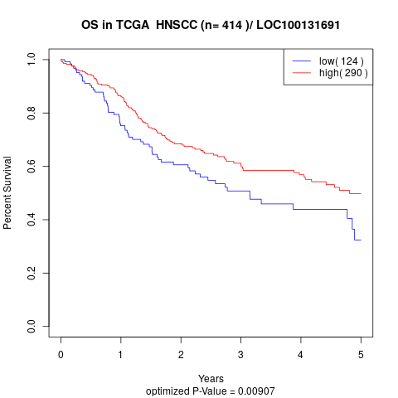

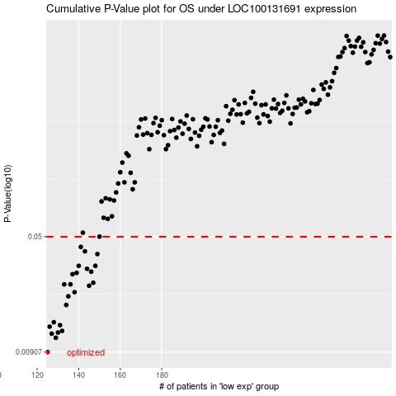

 |  |  |  |  |  | cases_OS | p_OS | rank | exp
 |  |  |  |  |  | 125 | 0.00907 | 193 | -0.46309391139
 |  |  |  |  |  | 129 | 0.0112 | 298 | -0.45405222521
 |  |  |  |  |  | 127 | 0.0119 | 29 | -0.45943782032
 |  |  |  |  |  | 130 | 0.0121 | 380 | -0.45298234598
 |  |  |  |  |  | 132 | 0.0124 | 230 | -0.44941071906
 |  |  |  |  |  | 126 | 0.0132 | 256 | -0.45973947799
 |  |  |  |  |  | 131 | 0.0135 | 72 | -0.4515022123
 |  |  |  |  |  | 128 | 0.0141 | 56 | -0.4588988586
 |  |  |  |  |  | 134 | 0.0182 | 197 | -0.44432678164
 |  |  |  |  |  | 135 | 0.0207 | 194 | -0.44155153099
 |  |  |  |  |  | 138 | 0.022 | 400 | -0.43495528307
 |  |  |  |  |  | 145 | 0.0242 | 93 | -0.42092216783
 |  |  |  |  |  | 133 | 0.0247 | 1 | -0.44521164416
 |  |  |  |  |  | 136 | 0.0247 | 360 | -0.43943188303
 |  |  |  |  |  | 147 | 0.0253 | 42 | -0.41911222176
 |  |  |  |  |  | 137 | 0.0287 | 143 | -0.43861137414
 |  |  |  |  |  | 139 | 0.0293 | 395 | -0.43396986798
 |  |  |  |  |  | 146 | 0.0298 | 153 | -0.41975978024
 |  |  |  |  |  | 144 | 0.0311 | 77 | -0.42255916351
 |  |  |  |  |  | 140 | 0.0325 | 44 | -0.43357972405
 |  |  |  |  |  | 148 | 0.0325 | 171 | -0.41860543686
 |  |  |  |  |  | 149 | 0.0387 | 189 | -0.41390359916
 |  |  |  |  |  | 143 | 0.0403 | 185 | -0.42269189288
 |  |  |  |  |  | 141 | 0.043 | 31 | -0.42695532142
 |  |  |  |  |  |  | cases_RFS | p_RFS | rank | exp
 |  |  |  |  |  |  |  | 0.00907 | 61 | -0.47084048059
 |  |  |  |  |  |  | 128 | 0.0112 | 56 | -0.4588988586
 |  |  |  |  |  |  | 126 | 0.0119 | 256 | -0.45973947799
 |  |  |  |  |  |  | 129 | 0.0121 | 298 | -0.45405222521
 |  |  |  |  |  |  | 131 | 0.0124 | 72 | -0.4515022123
 |  |  |  |  |  |  | 125 | 0.0132 | 193 | -0.46309391139
 |  |  |  |  |  |  | 130 | 0.0135 | 380 | -0.45298234598
 |  |  |  |  |  |  | 127 | 0.0141 | 29 | -0.45943782032
 |  |  |  |  |  |  | 133 | 0.0182 | 1 | -0.44521164416
 |  |  |  |  |  |  | 134 | 0.0207 | 197 | -0.44432678164
 |  |  |  |  |  |  | 137 | 0.022 | 143 | -0.43861137414
 |  |  |  |  |  |  | 144 | 0.0242 | 77 | -0.42255916351
 |  |  |  |  |  |  | 135 | 0.0247 | 194 | -0.44155153099
 |  |  |  |  |  |  | 132 | 0.0247 | 230 | -0.44941071906
 |  |  |  |  |  |  | 146 | 0.0253 | 153 | -0.41975978024
 |  |  |  |  |  |  | 136 | 0.0287 | 360 | -0.43943188303
 |  |  |  |  |  |  | 138 | 0.0293 | 400 | -0.43495528307
 |  |  |  |  |  |  | 145 | 0.0298 | 93 | -0.42092216783
 |  |  |  |  |  |  | 143 | 0.0311 | 185 | -0.42269189288
 |  |  |  |  |  |  | 147 | 0.0325 | 42 | -0.41911222176
 |  |  |  |  |  |  | 139 | 0.0325 | 395 | -0.43396986798
 |  |  |  |  |  |  | 148 | 0.0387 | 171 | -0.41860543686
 |  |  |  |  |  |  | 142 | 0.0403 | 54 | -0.42290506431
 |  |  |  |  |  |  | 140 | 0.043 | 44 | -0.43357972405

