LOC100131726 _multivariate
Reported by Tex Li-Hsing Chi. tex@gate.sinica.edu.tw 2019-08-18

Table 2. The clinicopathological features of HNSCC cohort and LOC100131726 expression. (Chi square test)
Cutoff at -0.229 (50.0%)
 |  | LOC100131726 expression |  | LOC100131726 expression |  | (Optimised)
 | Features | Low | (%) | High | (%) | Case no | P-value | Remark | Matthews
Gender | Female | 157 | 37.8 | 149 | 35.9 | 415 | 0.3881 | 0 | 0
2 | Male | 50 | 12 | 59 | 14.2
Age at diagnosis | <=65y | 137 | 33 | 137 | 33 | 415 | 1 | 0 | 0
4 | >65y | 70 | 16.9 | 71 | 17.1
Clinical T Status | T1+T2 | 81 | 19.5 | 68 | 16.4 | 415 | 0.206 | 0 | 0
6 | T3+T4 | 126 | 30.4 | 140 | 33.7
Clinical N Status | N0 | 113 | 27.2 | 103 | 24.8 | 415 | 0.3495 | 1 | 0
8 | N1-3 | 94 | 22.7 | 105 | 25.3
Clinical M Status | M0 | 206 | 49.6 | 206 | 49.6 | 415 | 1 | 0 | 0
10 | M1 | 1 | 0.2 | 2 | 0.5
Clinical Stage | Stage I+II | 53 | 12.8 | 49 | 11.8 | 415 | 0.7113 | 0 | 0
12 | Stage III+IV | 154 | 37.1 | 159 | 38.3
Surgical Margin status | Negative | 153 | 36.9 | 165 | 39.8 | 415 | 0.2036 | 0 | 0
14 | Positive | 54 | 13 | 43 | 10.4
Tobacco Exposure | Low | 72 | 17.3 | 89 | 21.4 | 415 | 0.1071 | 0 | 0
16 | High | 135 | 32.5 | 119 | 28.7

Table 3. Univariate/Multivariate Cox's proportional hazards regression analyses on OS time of LOC100131726 gene expression in HNSCC

 |  | Univariate |  |  |  | Multivariate
 | Features | HR | CI95%(L) | CI95%(H) | P-value | HR | CI95%(L) | CI95%(H) | P-value
1 | Female | 1 |  |  |  | 1
Gender | Male | 1.157 | 0.843 | 1.587 | 0.367 | 1.208 | 0.865 | 1.686 | 0.268
11 | <=65y | 1 |  |  |  | 1
Age at diagnosis | >65y | 1.329 | 0.99 | 1.784 | 0.058 | 1.388 | 1.021 | 1.888 | 0.036
12 | T1+T2 | 1 |  |  |  | 1
Clinical T Status | T3+T4 | 1.409 | 1.028 | 1.931 | 0.033 | 2.239 | 1.182 | 4.241 | 0.013
13 | N0 | 1 |  |  |  | 1
Clinical N Status | N1-3 | 1.185 | 0.89 | 1.577 | 0.246 | 1.253 | 0.877 | 1.789 | 0.215
14 | M0 | 1 |  |  |  | 1
Clinical M Status | M1 | 4.097 | 1.009 | 16.644 | 0.049 | 9.925 | 2.154 | 45.722 | 0.003
15 | Stage I+II | 1 |  |  |  | 1
Clinical Stage | Stage III+IV | 1.245 | 0.882 | 1.759 | 0.213 | 0.488 | 0.227 | 1.052 | 0.067
16 | Negative | 1 |  |  |  | 1
Surgical Margin status | Positive | 1.591 | 1.155 | 2.191 | 0.004 | 1.66 | 1.201 | 2.295 | 0.002
17 | Low | 1 |  |  |  | 1
Tobacco Exposure | High | 1.364 | 1.008 | 1.844 | 0.044 | 1.429 | 1.036 | 1.972 | 0.03
18 | Low | 1 |  |  |  | 1
RNAseq(z-score) | High | 0.865 | 0.648 | 1.154 | 0.323 | 0.878 | 0.654 | 1.177 | 0.384

Table 4. Univariate/Multivariate Cox's proportional hazards regression analyses on RFS time of LOC100131726 gene expression in HNSCC

 |  | Univariate |  |  |  | Multivariate
 | Features | HR | CI95%(L) | CI95%(H) | P-value | HR | CI95%(L) | CI95%(H) | P-value
1 | Female | 1 |  |  |  | 1
Gender | Male | 1.157 | 0.843 | 1.587 | 0.367 | 1.208 | 0.865 | 1.686 | 0.268
11 | <=65y | 1 |  |  |  | 1
Age at diagnosis | >65y | 1.329 | 0.99 | 1.784 | 0.058 | 1.388 | 1.021 | 1.888 | 0.036
12 | T1+T2 | 1 |  |  |  | 1
Clinical T Status | T3+T4 | 1.409 | 1.028 | 1.931 | 0.033 | 2.239 | 1.182 | 4.241 | 0.013
13 | N0 | 1 |  |  |  | 1
Clinical N Status | N1-3 | 1.185 | 0.89 | 1.577 | 0.246 | 1.253 | 0.877 | 1.789 | 0.215
14 | M0 | 1 |  |  |  | 1
Clinical M Status | M1 | 4.097 | 1.009 | 16.644 | 0.049 | 9.925 | 2.154 | 45.722 | 0.003
15 | Stage I+II | 1 |  |  |  | 1
Clinical Stage | Stage III+IV | 1.245 | 0.882 | 1.759 | 0.213 | 0.488 | 0.227 | 1.052 | 0.067
16 | Negative | 1 |  |  |  | 1
Surgical Margin status | Positive | 1.591 | 1.155 | 2.191 | 0.004 | 1.66 | 1.201 | 2.295 | 0.002
17 | Low | 1 |  |  |  | 1
Tobacco Exposure | High | 1.364 | 1.008 | 1.844 | 0.044 | 1.429 | 1.036 | 1.972 | 0.03
18 | Low | 1 |  |  |  | 1
RNAseq(z-score) | High | 0.865 | 0.648 | 1.154 | 0.323 | 0.878 | 0.654 | 1.177 | 0.384

Kaplan-Meier survival estimate: Cutoff at -0.229 (50.0%)

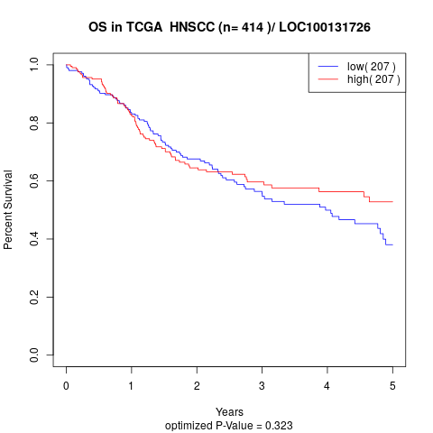

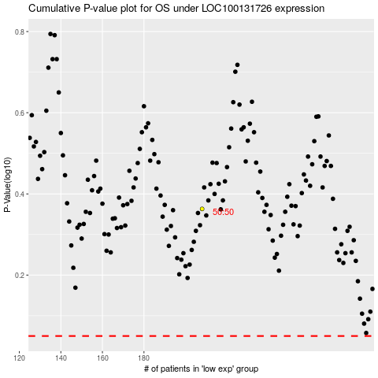

 |  |  |  |  |  | cases_OS | p_OS | rank | exp
 |  |  |  |  |  |  | cases_RFS | p_RFS | rank | exp

