LOC100132215 _multivariate
Reported by Tex Li-Hsing Chi. tex@gate.sinica.edu.tw 2019-08-18

Table 2. The clinicopathological features of HNSCC cohort and LOC100132215 expression. (Chi square test)
Cutoff at -0.29 (49.8%)
 |  | LOC100132215 expression |  | LOC100132215 expression |  | (Optimised)
 | Features | Low | (%) | High | (%) | Case no | P-value | Remark | Matthews
Gender | Female | 140 | 33.7 | 166 | 40 | 415 | 0.0068 | 1 | 0
2 | Male | 67 | 16.1 | 42 | 10.1
Age at diagnosis | <=65y | 131 | 31.6 | 143 | 34.5 | 415 | 0.2839 | 0 | 0
4 | >65y | 76 | 18.3 | 65 | 15.7
Clinical T Status | T1+T2 | 78 | 18.8 | 71 | 17.1 | 415 | 0.5152 | 0 | 0
6 | T3+T4 | 129 | 31.1 | 137 | 33
Clinical N Status | N0 | 97 | 23.4 | 119 | 28.7 | 415 | 0.0442 | 1 | 0
8 | N1-3 | 110 | 26.5 | 89 | 21.4
Clinical M Status | M0 | 205 | 49.4 | 207 | 49.9 | 415 | 0.6232 | 0 | 0
10 | M1 | 2 | 0.5 | 1 | 0.2
Clinical Stage | Stage I+II | 50 | 12 | 52 | 12.5 | 415 | 0.9315 | 0 | 0
12 | Stage III+IV | 157 | 37.8 | 156 | 37.6
Surgical Margin status | Negative | 164 | 39.5 | 154 | 37.1 | 415 | 0.2462 | 0 | 0
14 | Positive | 43 | 10.4 | 54 | 13
Tobacco Exposure | Low | 90 | 21.7 | 71 | 17.1 | 415 | 0.0559 | 0 | 0
16 | High | 117 | 28.2 | 137 | 33

Table 3. Univariate/Multivariate Cox's proportional hazards regression analyses on OS time of LOC100132215 gene expression in HNSCC

 |  | Univariate |  |  |  | Multivariate
 | Features | HR | CI95%(L) | CI95%(H) | P-value | HR | CI95%(L) | CI95%(H) | P-value
1 | Female | 1 |  |  |  | 1
Gender | Male | 1.157 | 0.843 | 1.587 | 0.367 | 1.155 | 0.826 | 1.615 | 0.401
11 | <=65y | 1 |  |  |  | 1
Age at diagnosis | >65y | 1.329 | 0.99 | 1.784 | 0.058 | 1.378 | 1.013 | 1.875 | 0.041
12 | T1+T2 | 1 |  |  |  | 1
Clinical T Status | T3+T4 | 1.409 | 1.028 | 1.931 | 0.033 | 2.244 | 1.188 | 4.238 | 0.013
13 | N0 | 1 |  |  |  | 1
Clinical N Status | N1-3 | 1.185 | 0.89 | 1.577 | 0.246 | 1.204 | 0.844 | 1.719 | 0.306
14 | M0 | 1 |  |  |  | 1
Clinical M Status | M1 | 4.097 | 1.009 | 16.644 | 0.049 | 8.749 | 1.906 | 40.155 | 0.005
15 | Stage I+II | 1 |  |  |  | 1
Clinical Stage | Stage III+IV | 1.245 | 0.882 | 1.759 | 0.213 | 0.506 | 0.236 | 1.086 | 0.08
16 | Negative | 1 |  |  |  | 1
Surgical Margin status | Positive | 1.591 | 1.155 | 2.191 | 0.004 | 1.683 | 1.219 | 2.323 | 0.002
17 | Low | 1 |  |  |  | 1
Tobacco Exposure | High | 1.364 | 1.008 | 1.844 | 0.044 | 1.556 | 1.121 | 2.159 | 0.008
18 | Low | 1 |  |  |  | 1
RNAseq(z-score) | High | 0.767 | 0.575 | 1.023 | 0.071 | 0.729 | 0.539 | 0.984 | 0.039

Table 4. Univariate/Multivariate Cox's proportional hazards regression analyses on RFS time of LOC100132215 gene expression in HNSCC

 |  | Univariate |  |  |  | Multivariate
 | Features | HR | CI95%(L) | CI95%(H) | P-value | HR | CI95%(L) | CI95%(H) | P-value
1 | Female | 1 |  |  |  | 1
Gender | Male | 1.157 | 0.843 | 1.587 | 0.367 | 1.155 | 0.826 | 1.615 | 0.401
11 | <=65y | 1 |  |  |  | 1
Age at diagnosis | >65y | 1.329 | 0.99 | 1.784 | 0.058 | 1.378 | 1.013 | 1.875 | 0.041
12 | T1+T2 | 1 |  |  |  | 1
Clinical T Status | T3+T4 | 1.409 | 1.028 | 1.931 | 0.033 | 2.244 | 1.188 | 4.238 | 0.013
13 | N0 | 1 |  |  |  | 1
Clinical N Status | N1-3 | 1.185 | 0.89 | 1.577 | 0.246 | 1.204 | 0.844 | 1.719 | 0.306
14 | M0 | 1 |  |  |  | 1
Clinical M Status | M1 | 4.097 | 1.009 | 16.644 | 0.049 | 8.749 | 1.906 | 40.155 | 0.005
15 | Stage I+II | 1 |  |  |  | 1
Clinical Stage | Stage III+IV | 1.245 | 0.882 | 1.759 | 0.213 | 0.506 | 0.236 | 1.086 | 0.08
16 | Negative | 1 |  |  |  | 1
Surgical Margin status | Positive | 1.591 | 1.155 | 2.191 | 0.004 | 1.683 | 1.219 | 2.323 | 0.002
17 | Low | 1 |  |  |  | 1
Tobacco Exposure | High | 1.364 | 1.008 | 1.844 | 0.044 | 1.556 | 1.121 | 2.159 | 0.008
18 | Low | 1 |  |  |  | 1
RNAseq(z-score) | High | 0.767 | 0.575 | 1.023 | 0.071 | 0.729 | 0.539 | 0.984 | 0.039

Kaplan-Meier survival estimate: Cutoff at -0.29 (49.8%)

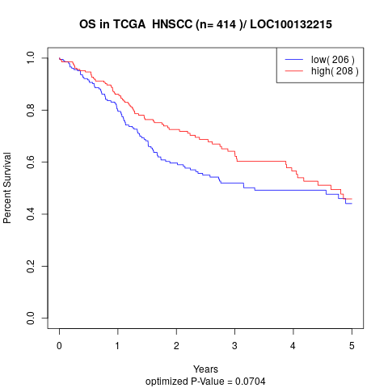

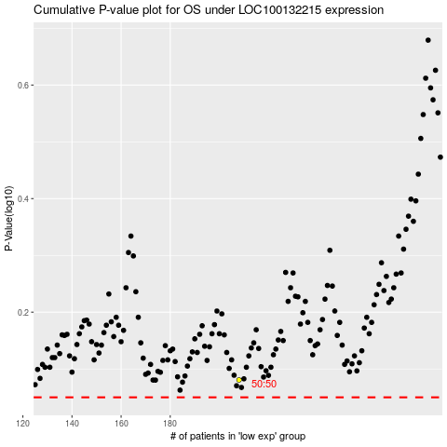

 |  |  |  |  |  | cases_OS | p_OS | rank | exp
 |  |  |  |  |  |  | cases_RFS | p_RFS | rank | exp

