LOC100132247 _multivariate
Reported by Tex Li-Hsing Chi. tex@gate.sinica.edu.tw 2019-08-18

Table 2. The clinicopathological features of HNSCC cohort and LOC100132247 expression. (Chi square test)
Cutoff at -0.108 (55.8%)
 |  | LOC100132247 expression |  | LOC100132247 expression |  | (Optimised)
 | Features | Low | (%) | High | (%) | Case no | P-value | Remark | Matthews
Gender | Female | 168 | 40.5 | 138 | 33.3 | 415 | 0.5644 | 0 | 0
2 | Male | 64 | 15.4 | 45 | 10.8
Age at diagnosis | <=65y | 145 | 34.9 | 129 | 31.1 | 415 | 0.1091 | 0 | 0
4 | >65y | 87 | 21 | 54 | 13
Clinical T Status | T1+T2 | 73 | 17.6 | 76 | 18.3 | 415 | 0.0435 | 1 | 0
6 | T3+T4 | 159 | 38.3 | 107 | 25.8
Clinical N Status | N0 | 115 | 27.7 | 101 | 24.3 | 415 | 0.2986 | 0 | 0
8 | N1-3 | 117 | 28.2 | 82 | 19.8
Clinical M Status | M0 | 231 | 55.7 | 181 | 43.6 | 415 | 0.5854 | 0 | 0
10 | M1 | 1 | 0.2 | 2 | 0.5
Clinical Stage | Stage I+II | 49 | 11.8 | 53 | 12.8 | 415 | 0.0841 | 0 | 0
12 | Stage III+IV | 183 | 44.1 | 130 | 31.3
Surgical Margin status | Negative | 180 | 43.4 | 138 | 33.3 | 415 | 0.641 | 0 | 0
14 | Positive | 52 | 12.5 | 45 | 10.8
Tobacco Exposure | Low | 92 | 22.2 | 69 | 16.6 | 415 | 0.7609 | 0 | 0
16 | High | 140 | 33.7 | 114 | 27.5

Table 3. Univariate/Multivariate Cox's proportional hazards regression analyses on OS time of LOC100132247 gene expression in HNSCC

 |  | Univariate |  |  |  | Multivariate
 | Features | HR | CI95%(L) | CI95%(H) | P-value | HR | CI95%(L) | CI95%(H) | P-value
1 | Female | 1 |  |  |  | 1
Gender | Male | 1.157 | 0.843 | 1.587 | 0.367 | 1.193 | 0.854 | 1.667 | 0.3
11 | <=65y | 1 |  |  |  | 1
Age at diagnosis | >65y | 1.329 | 0.99 | 1.784 | 0.058 | 1.365 | 1.003 | 1.858 | 0.048
12 | T1+T2 | 1 |  |  |  | 1
Clinical T Status | T3+T4 | 1.409 | 1.028 | 1.931 | 0.033 | 2.134 | 1.128 | 4.039 | 0.02
13 | N0 | 1 |  |  |  | 1
Clinical N Status | N1-3 | 1.185 | 0.89 | 1.577 | 0.246 | 1.219 | 0.853 | 1.74 | 0.277
14 | M0 | 1 |  |  |  | 1
Clinical M Status | M1 | 4.097 | 1.009 | 16.644 | 0.049 | 9.575 | 2.088 | 43.909 | 0.004
15 | Stage I+II | 1 |  |  |  | 1
Clinical Stage | Stage III+IV | 1.245 | 0.882 | 1.759 | 0.213 | 0.508 | 0.237 | 1.089 | 0.082
16 | Negative | 1 |  |  |  | 1
Surgical Margin status | Positive | 1.591 | 1.155 | 2.191 | 0.004 | 1.688 | 1.221 | 2.332 | 0.002
17 | Low | 1 |  |  |  | 1
Tobacco Exposure | High | 1.364 | 1.008 | 1.844 | 0.044 | 1.465 | 1.062 | 2.022 | 0.02
18 | Low | 1 |  |  |  | 1
RNAseq(z-score) | High | 0.734 | 0.547 | 0.985 | 0.039 | 0.771 | 0.572 | 1.039 | 0.087

Table 4. Univariate/Multivariate Cox's proportional hazards regression analyses on RFS time of LOC100132247 gene expression in HNSCC

 |  | Univariate |  |  |  | Multivariate
 | Features | HR | CI95%(L) | CI95%(H) | P-value | HR | CI95%(L) | CI95%(H) | P-value
1 | Female | 1 |  |  |  | 1
Gender | Male | 1.157 | 0.843 | 1.587 | 0.367 | 1.193 | 0.854 | 1.667 | 0.3
11 | <=65y | 1 |  |  |  | 1
Age at diagnosis | >65y | 1.329 | 0.99 | 1.784 | 0.058 | 1.365 | 1.003 | 1.858 | 0.048
12 | T1+T2 | 1 |  |  |  | 1
Clinical T Status | T3+T4 | 1.409 | 1.028 | 1.931 | 0.033 | 2.134 | 1.128 | 4.039 | 0.02
13 | N0 | 1 |  |  |  | 1
Clinical N Status | N1-3 | 1.185 | 0.89 | 1.577 | 0.246 | 1.219 | 0.853 | 1.74 | 0.277
14 | M0 | 1 |  |  |  | 1
Clinical M Status | M1 | 4.097 | 1.009 | 16.644 | 0.049 | 9.575 | 2.088 | 43.909 | 0.004
15 | Stage I+II | 1 |  |  |  | 1
Clinical Stage | Stage III+IV | 1.245 | 0.882 | 1.759 | 0.213 | 0.508 | 0.237 | 1.089 | 0.082
16 | Negative | 1 |  |  |  | 1
Surgical Margin status | Positive | 1.591 | 1.155 | 2.191 | 0.004 | 1.688 | 1.221 | 2.332 | 0.002
17 | Low | 1 |  |  |  | 1
Tobacco Exposure | High | 1.364 | 1.008 | 1.844 | 0.044 | 1.465 | 1.062 | 2.022 | 0.02
18 | Low | 1 |  |  |  | 1
RNAseq(z-score) | High | 0.734 | 0.547 | 0.985 | 0.039 | 0.771 | 0.572 | 1.039 | 0.087

Kaplan-Meier survival estimate: Cutoff at -0.108 (55.8%)

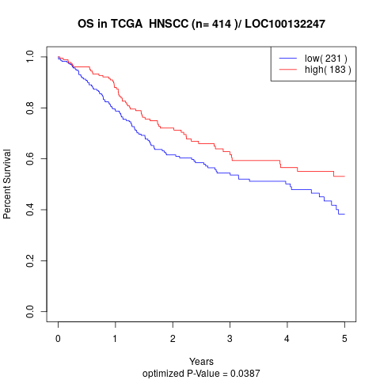

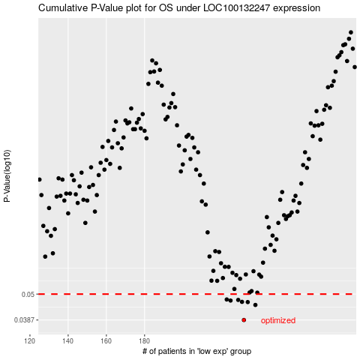

 |  |  |  |  |  | cases_OS | p_OS | rank | exp
 |  |  |  |  |  | 232 | 0.0387 | 182 | -0.10823447321
 |  |  |  |  |  | 238 | 0.0449 | 351 | -0.069258530925
 |  |  |  |  |  | 234 | 0.0462 | 147 | -0.096371847537
 |  |  |  |  |  | 231 | 0.0463 | 267 | -0.12148882199
 |  |  |  |  |  | 225 | 0.0469 | 396 | -0.16834899663
 |  |  |  |  |  | 229 | 0.0472 | 121 | -0.15137129383
 |  |  |  |  |  | 223 | 0.0474 | 403 | -0.17377957496
 |  |  |  |  |  |  | cases_RFS | p_RFS | rank | exp
 |  |  |  |  |  |  | 231 | 0.0387 | 267 | -0.12148882199
 |  |  |  |  |  |  | 237 | 0.0449 | 241 | -0.076776693928
 |  |  |  |  |  |  | 233 | 0.0462 | 62 | -0.10136050432
 |  |  |  |  |  |  | 230 | 0.0463 | 404 | -0.1318926668
 |  |  |  |  |  |  | 224 | 0.0469 | 281 | -0.17302435081
 |  |  |  |  |  |  | 228 | 0.0472 | 284 | -0.15745925797
 |  |  |  |  |  |  | 222 | 0.0474 | 155 | -0.17504157981

