LOC100132287 _multivariate
Reported by Tex Li-Hsing Chi. tex@gate.sinica.edu.tw 2019-08-18

Table 2. The clinicopathological features of HNSCC cohort and LOC100132287 expression. (Chi square test)
Cutoff at -0.231 (49.8%)
 |  | LOC100132287 expression |  | LOC100132287 expression |  | (Optimised)
 | Features | Low | (%) | High | (%) | Case no | P-value | Remark | Matthews
Gender | Female | 145 | 34.9 | 161 | 38.8 | 415 | 0.1116 | 0 | 0
2 | Male | 62 | 14.9 | 47 | 11.3
Age at diagnosis | <=65y | 142 | 34.2 | 132 | 31.8 | 415 | 0.3167 | 0 | 0
4 | >65y | 65 | 15.7 | 76 | 18.3
Clinical T Status | T1+T2 | 79 | 19 | 70 | 16.9 | 415 | 0.3924 | 0 | 0
6 | T3+T4 | 128 | 30.8 | 138 | 33.3
Clinical N Status | N0 | 107 | 25.8 | 109 | 26.3 | 415 | 0.9624 | 0 | 0
8 | N1-3 | 100 | 24.1 | 99 | 23.9
Clinical M Status | M0 | 206 | 49.6 | 206 | 49.6 | 415 | 1 | 0 | 0
10 | M1 | 1 | 0.2 | 2 | 0.5
Clinical Stage | Stage I+II | 56 | 13.5 | 46 | 11.1 | 415 | 0.2918 | 0 | 0
12 | Stage III+IV | 151 | 36.4 | 162 | 39
Surgical Margin status | Negative | 163 | 39.3 | 155 | 37.3 | 415 | 0.3537 | 0 | 0
14 | Positive | 44 | 10.6 | 53 | 12.8
Tobacco Exposure | Low | 94 | 22.7 | 67 | 16.1 | 415 | 0.0065 | 1 | 0
16 | High | 113 | 27.2 | 141 | 34

Table 3. Univariate/Multivariate Cox's proportional hazards regression analyses on OS time of LOC100132287 gene expression in HNSCC

 |  | Univariate |  |  |  | Multivariate
 | Features | HR | CI95%(L) | CI95%(H) | P-value | HR | CI95%(L) | CI95%(H) | P-value
1 | Female | 1 |  |  |  | 1
Gender | Male | 1.157 | 0.843 | 1.587 | 0.367 | 1.152 | 0.823 | 1.613 | 0.41
11 | <=65y | 1 |  |  |  | 1
Age at diagnosis | >65y | 1.329 | 0.99 | 1.784 | 0.058 | 1.462 | 1.071 | 1.995 | 0.017
12 | T1+T2 | 1 |  |  |  | 1
Clinical T Status | T3+T4 | 1.409 | 1.028 | 1.931 | 0.033 | 2.186 | 1.156 | 4.134 | 0.016
13 | N0 | 1 |  |  |  | 1
Clinical N Status | N1-3 | 1.185 | 0.89 | 1.577 | 0.246 | 1.219 | 0.854 | 1.739 | 0.276
14 | M0 | 1 |  |  |  | 1
Clinical M Status | M1 | 4.097 | 1.009 | 16.644 | 0.049 | 9.57 | 2.088 | 43.851 | 0.004
15 | Stage I+II | 1 |  |  |  | 1
Clinical Stage | Stage III+IV | 1.245 | 0.882 | 1.759 | 0.213 | 0.534 | 0.248 | 1.149 | 0.109
16 | Negative | 1 |  |  |  | 1
Surgical Margin status | Positive | 1.591 | 1.155 | 2.191 | 0.004 | 1.664 | 1.205 | 2.297 | 0.002
17 | Low | 1 |  |  |  | 1
Tobacco Exposure | High | 1.364 | 1.008 | 1.844 | 0.044 | 1.541 | 1.112 | 2.136 | 0.009
18 | Low | 1 |  |  |  | 1
RNAseq(z-score) | High | 0.831 | 0.624 | 1.108 | 0.208 | 0.742 | 0.548 | 1.004 | 0.053

Table 4. Univariate/Multivariate Cox's proportional hazards regression analyses on RFS time of LOC100132287 gene expression in HNSCC

 |  | Univariate |  |  |  | Multivariate
 | Features | HR | CI95%(L) | CI95%(H) | P-value | HR | CI95%(L) | CI95%(H) | P-value
1 | Female | 1 |  |  |  | 1
Gender | Male | 1.157 | 0.843 | 1.587 | 0.367 | 1.152 | 0.823 | 1.613 | 0.41
11 | <=65y | 1 |  |  |  | 1
Age at diagnosis | >65y | 1.329 | 0.99 | 1.784 | 0.058 | 1.462 | 1.071 | 1.995 | 0.017
12 | T1+T2 | 1 |  |  |  | 1
Clinical T Status | T3+T4 | 1.409 | 1.028 | 1.931 | 0.033 | 2.186 | 1.156 | 4.134 | 0.016
13 | N0 | 1 |  |  |  | 1
Clinical N Status | N1-3 | 1.185 | 0.89 | 1.577 | 0.246 | 1.219 | 0.854 | 1.739 | 0.276
14 | M0 | 1 |  |  |  | 1
Clinical M Status | M1 | 4.097 | 1.009 | 16.644 | 0.049 | 9.57 | 2.088 | 43.851 | 0.004
15 | Stage I+II | 1 |  |  |  | 1
Clinical Stage | Stage III+IV | 1.245 | 0.882 | 1.759 | 0.213 | 0.534 | 0.248 | 1.149 | 0.109
16 | Negative | 1 |  |  |  | 1
Surgical Margin status | Positive | 1.591 | 1.155 | 2.191 | 0.004 | 1.664 | 1.205 | 2.297 | 0.002
17 | Low | 1 |  |  |  | 1
Tobacco Exposure | High | 1.364 | 1.008 | 1.844 | 0.044 | 1.541 | 1.112 | 2.136 | 0.009
18 | Low | 1 |  |  |  | 1
RNAseq(z-score) | High | 0.831 | 0.624 | 1.108 | 0.208 | 0.742 | 0.548 | 1.004 | 0.053

Kaplan-Meier survival estimate: Cutoff at -0.231 (49.8%)

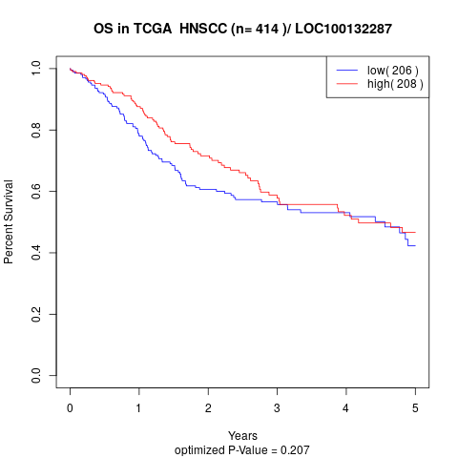

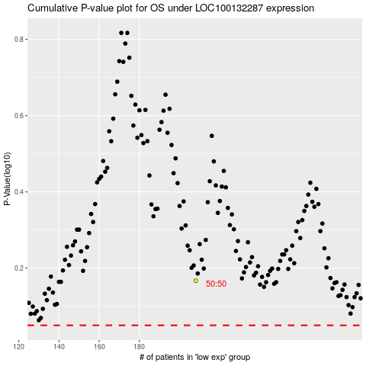

 |  |  |  |  |  | cases_OS | p_OS | rank | exp
 |  |  |  |  |  |  | cases_RFS | p_RFS | rank | exp

