LOC100132724 _multivariate
Reported by Tex Li-Hsing Chi. tex@gate.sinica.edu.tw 2019-08-18

Table 2. The clinicopathological features of HNSCC cohort and LOC100132724 expression. (Chi square test)
Cutoff at -0.116 (50.0%)
 |  | LOC100132724 expression |  | LOC100132724 expression |  | (Optimised)
 | Features | Low | (%) | High | (%) | Case no | P-value | Remark | Matthews
Gender | Female | 155 | 37.3 | 151 | 36.4 | 415 | 0.6768 | 0 | 0
2 | Male | 52 | 12.5 | 57 | 13.7
Age at diagnosis | <=65y | 142 | 34.2 | 132 | 31.8 | 415 | 0.3167 | 0 | 0
4 | >65y | 65 | 15.7 | 76 | 18.3
Clinical T Status | T1+T2 | 79 | 19 | 70 | 16.9 | 415 | 0.3924 | 0 | 0
6 | T3+T4 | 128 | 30.8 | 138 | 33.3
Clinical N Status | N0 | 103 | 24.8 | 113 | 27.2 | 415 | 0.4047 | 0 | 0
8 | N1-3 | 104 | 25.1 | 95 | 22.9
Clinical M Status | M0 | 206 | 49.6 | 206 | 49.6 | 415 | 1 | 0 | 0
10 | M1 | 1 | 0.2 | 2 | 0.5
Clinical Stage | Stage I+II | 49 | 11.8 | 53 | 12.8 | 415 | 0.7535 | 0 | 0
12 | Stage III+IV | 158 | 38.1 | 155 | 37.3
Surgical Margin status | Negative | 167 | 40.2 | 151 | 36.4 | 415 | 0.0632 | 0 | 0
14 | Positive | 40 | 9.6 | 57 | 13.7
Tobacco Exposure | Low | 78 | 18.8 | 83 | 20 | 415 | 0.6873 | 0 | 0
16 | High | 129 | 31.1 | 125 | 30.1

Table 3. Univariate/Multivariate Cox's proportional hazards regression analyses on OS time of LOC100132724 gene expression in HNSCC

 |  | Univariate |  |  |  | Multivariate
 | Features | HR | CI95%(L) | CI95%(H) | P-value | HR | CI95%(L) | CI95%(H) | P-value
1 | Female | 1 |  |  |  | 1
Gender | Male | 1.157 | 0.843 | 1.587 | 0.367 | 1.208 | 0.864 | 1.689 | 0.268
11 | <=65y | 1 |  |  |  | 1
Age at diagnosis | >65y | 1.329 | 0.99 | 1.784 | 0.058 | 1.383 | 1.016 | 1.881 | 0.039
12 | T1+T2 | 1 |  |  |  | 1
Clinical T Status | T3+T4 | 1.409 | 1.028 | 1.931 | 0.033 | 2.276 | 1.199 | 4.32 | 0.012
13 | N0 | 1 |  |  |  | 1
Clinical N Status | N1-3 | 1.185 | 0.89 | 1.577 | 0.246 | 1.238 | 0.867 | 1.766 | 0.24
14 | M0 | 1 |  |  |  | 1
Clinical M Status | M1 | 4.097 | 1.009 | 16.644 | 0.049 | 9.914 | 2.154 | 45.635 | 0.003
15 | Stage I+II | 1 |  |  |  | 1
Clinical Stage | Stage III+IV | 1.245 | 0.882 | 1.759 | 0.213 | 0.482 | 0.223 | 1.041 | 0.063
16 | Negative | 1 |  |  |  | 1
Surgical Margin status | Positive | 1.591 | 1.155 | 2.191 | 0.004 | 1.711 | 1.234 | 2.373 | 0.001
17 | Low | 1 |  |  |  | 1
Tobacco Exposure | High | 1.364 | 1.008 | 1.844 | 0.044 | 1.454 | 1.055 | 2.003 | 0.022
18 | Low | 1 |  |  |  | 1
RNAseq(z-score) | High | 0.928 | 0.696 | 1.237 | 0.611 | 0.866 | 0.646 | 1.161 | 0.337

Table 4. Univariate/Multivariate Cox's proportional hazards regression analyses on RFS time of LOC100132724 gene expression in HNSCC

 |  | Univariate |  |  |  | Multivariate
 | Features | HR | CI95%(L) | CI95%(H) | P-value | HR | CI95%(L) | CI95%(H) | P-value
1 | Female | 1 |  |  |  | 1
Gender | Male | 1.157 | 0.843 | 1.587 | 0.367 | 1.208 | 0.864 | 1.689 | 0.268
11 | <=65y | 1 |  |  |  | 1
Age at diagnosis | >65y | 1.329 | 0.99 | 1.784 | 0.058 | 1.383 | 1.016 | 1.881 | 0.039
12 | T1+T2 | 1 |  |  |  | 1
Clinical T Status | T3+T4 | 1.409 | 1.028 | 1.931 | 0.033 | 2.276 | 1.199 | 4.32 | 0.012
13 | N0 | 1 |  |  |  | 1
Clinical N Status | N1-3 | 1.185 | 0.89 | 1.577 | 0.246 | 1.238 | 0.867 | 1.766 | 0.24
14 | M0 | 1 |  |  |  | 1
Clinical M Status | M1 | 4.097 | 1.009 | 16.644 | 0.049 | 9.914 | 2.154 | 45.635 | 0.003
15 | Stage I+II | 1 |  |  |  | 1
Clinical Stage | Stage III+IV | 1.245 | 0.882 | 1.759 | 0.213 | 0.482 | 0.223 | 1.041 | 0.063
16 | Negative | 1 |  |  |  | 1
Surgical Margin status | Positive | 1.591 | 1.155 | 2.191 | 0.004 | 1.711 | 1.234 | 2.373 | 0.001
17 | Low | 1 |  |  |  | 1
Tobacco Exposure | High | 1.364 | 1.008 | 1.844 | 0.044 | 1.454 | 1.055 | 2.003 | 0.022
18 | Low | 1 |  |  |  | 1
RNAseq(z-score) | High | 0.928 | 0.696 | 1.237 | 0.611 | 0.866 | 0.646 | 1.161 | 0.337

Kaplan-Meier survival estimate: Cutoff at -0.116 (50.0%)

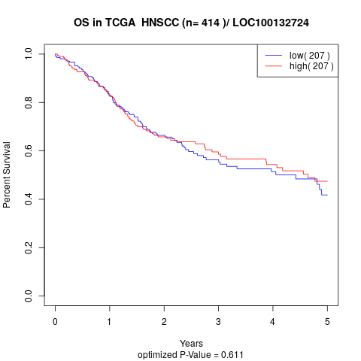

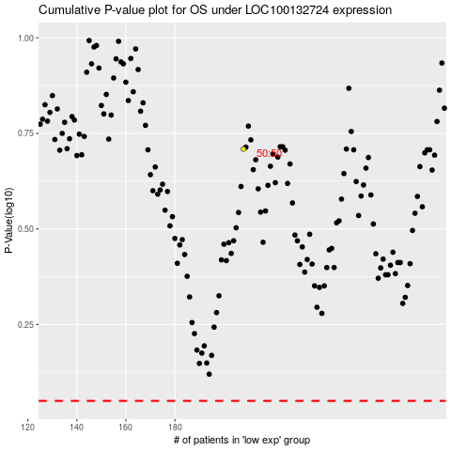

 |  |  |  |  |  | cases_OS | p_OS | rank | exp
 |  |  |  |  |  |  | cases_RFS | p_RFS | rank | exp

