LOC100132831 _multivariate
Reported by Tex Li-Hsing Chi. tex@gate.sinica.edu.tw 2019-08-18

Table 2. The clinicopathological features of HNSCC cohort and LOC100132831 expression. (Chi square test)
Cutoff at -0.213 (50.0%)
 |  | LOC100132831 expression |  | LOC100132831 expression |  | (Optimised)
 | Features | Low | (%) | High | (%) | Case no | P-value | Remark | Matthews
Gender | Female | 151 | 36.4 | 155 | 37.3 | 415 | 0.8007 | 0 | 0
2 | Male | 56 | 13.5 | 53 | 12.8
Age at diagnosis | <=65y | 140 | 33.7 | 134 | 32.3 | 415 | 0.5574 | 0 | 0
4 | >65y | 67 | 16.1 | 74 | 17.8
Clinical T Status | T1+T2 | 75 | 18.1 | 74 | 17.8 | 415 | 0.9707 | 0 | 0
6 | T3+T4 | 132 | 31.8 | 134 | 32.3
Clinical N Status | N0 | 109 | 26.3 | 107 | 25.8 | 415 | 0.8812 | 0 | 0
8 | N1-3 | 98 | 23.6 | 101 | 24.3
Clinical M Status | M0 | 205 | 49.4 | 207 | 49.9 | 415 | 0.6232 | 0 | 0
10 | M1 | 2 | 0.5 | 1 | 0.2
Clinical Stage | Stage I+II | 47 | 11.3 | 55 | 13.3 | 415 | 0.4413 | 0 | 0
12 | Stage III+IV | 160 | 38.6 | 153 | 36.9
Surgical Margin status | Negative | 158 | 38.1 | 160 | 38.6 | 415 | 0.9081 | 0 | 0
14 | Positive | 49 | 11.8 | 48 | 11.6
Tobacco Exposure | Low | 75 | 18.1 | 86 | 20.7 | 415 | 0.3141 | 0 | 0
16 | High | 132 | 31.8 | 122 | 29.4

Table 3. Univariate/Multivariate Cox's proportional hazards regression analyses on OS time of LOC100132831 gene expression in HNSCC

 |  | Univariate |  |  |  | Multivariate
 | Features | HR | CI95%(L) | CI95%(H) | P-value | HR | CI95%(L) | CI95%(H) | P-value
1 | Female | 1 |  |  |  | 1
Gender | Male | 1.157 | 0.843 | 1.587 | 0.367 | 1.204 | 0.861 | 1.683 | 0.278
11 | <=65y | 1 |  |  |  | 1
Age at diagnosis | >65y | 1.329 | 0.99 | 1.784 | 0.058 | 1.392 | 1.024 | 1.893 | 0.035
12 | T1+T2 | 1 |  |  |  | 1
Clinical T Status | T3+T4 | 1.409 | 1.028 | 1.931 | 0.033 | 2.199 | 1.162 | 4.159 | 0.015
13 | N0 | 1 |  |  |  | 1
Clinical N Status | N1-3 | 1.185 | 0.89 | 1.577 | 0.246 | 1.239 | 0.867 | 1.769 | 0.239
14 | M0 | 1 |  |  |  | 1
Clinical M Status | M1 | 4.097 | 1.009 | 16.644 | 0.049 | 9.418 | 2.054 | 43.176 | 0.004
15 | Stage I+II | 1 |  |  |  | 1
Clinical Stage | Stage III+IV | 1.245 | 0.882 | 1.759 | 0.213 | 0.507 | 0.236 | 1.09 | 0.082
16 | Negative | 1 |  |  |  | 1
Surgical Margin status | Positive | 1.591 | 1.155 | 2.191 | 0.004 | 1.671 | 1.209 | 2.309 | 0.002
17 | Low | 1 |  |  |  | 1
Tobacco Exposure | High | 1.364 | 1.008 | 1.844 | 0.044 | 1.457 | 1.055 | 2.012 | 0.022
18 | Low | 1 |  |  |  | 1
RNAseq(z-score) | High | 0.996 | 0.748 | 1.325 | 0.975 | 1.02 | 0.763 | 1.363 | 0.892

Table 4. Univariate/Multivariate Cox's proportional hazards regression analyses on RFS time of LOC100132831 gene expression in HNSCC

 |  | Univariate |  |  |  | Multivariate
 | Features | HR | CI95%(L) | CI95%(H) | P-value | HR | CI95%(L) | CI95%(H) | P-value
1 | Female | 1 |  |  |  | 1
Gender | Male | 1.157 | 0.843 | 1.587 | 0.367 | 1.204 | 0.861 | 1.683 | 0.278
11 | <=65y | 1 |  |  |  | 1
Age at diagnosis | >65y | 1.329 | 0.99 | 1.784 | 0.058 | 1.392 | 1.024 | 1.893 | 0.035
12 | T1+T2 | 1 |  |  |  | 1
Clinical T Status | T3+T4 | 1.409 | 1.028 | 1.931 | 0.033 | 2.199 | 1.162 | 4.159 | 0.015
13 | N0 | 1 |  |  |  | 1
Clinical N Status | N1-3 | 1.185 | 0.89 | 1.577 | 0.246 | 1.239 | 0.867 | 1.769 | 0.239
14 | M0 | 1 |  |  |  | 1
Clinical M Status | M1 | 4.097 | 1.009 | 16.644 | 0.049 | 9.418 | 2.054 | 43.176 | 0.004
15 | Stage I+II | 1 |  |  |  | 1
Clinical Stage | Stage III+IV | 1.245 | 0.882 | 1.759 | 0.213 | 0.507 | 0.236 | 1.09 | 0.082
16 | Negative | 1 |  |  |  | 1
Surgical Margin status | Positive | 1.591 | 1.155 | 2.191 | 0.004 | 1.671 | 1.209 | 2.309 | 0.002
17 | Low | 1 |  |  |  | 1
Tobacco Exposure | High | 1.364 | 1.008 | 1.844 | 0.044 | 1.457 | 1.055 | 2.012 | 0.022
18 | Low | 1 |  |  |  | 1
RNAseq(z-score) | High | 0.996 | 0.748 | 1.325 | 0.975 | 1.02 | 0.763 | 1.363 | 0.892

Kaplan-Meier survival estimate: Cutoff at -0.213 (50.0%)

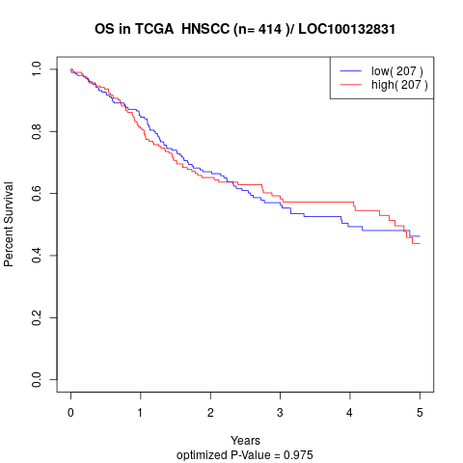

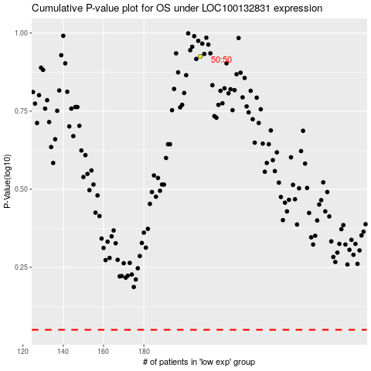

 |  |  |  |  |  | cases_OS | p_OS | rank | exp
 |  |  |  |  |  |  | cases_RFS | p_RFS | rank | exp

