LOC100133161 _multivariate
Reported by Tex Li-Hsing Chi. tex@gate.sinica.edu.tw 2019-08-18

Table 2. The clinicopathological features of HNSCC cohort and LOC100133161 expression. (Chi square test)
Cutoff at -0.602 (31.4%)
 |  | LOC100133161 expression |  | LOC100133161 expression |  | (Optimised)
 | Features | Low | (%) | High | (%) | Case no | P-value | Remark | Matthews
Gender | Female | 94 | 22.7 | 212 | 51.1 | 415 | 0.7444 | 0 | 0
2 | Male | 36 | 8.7 | 73 | 17.6
Age at diagnosis | <=65y | 83 | 20 | 191 | 46 | 415 | 0.6024 | 0 | 0
4 | >65y | 47 | 11.3 | 94 | 22.7
Clinical T Status | T1+T2 | 49 | 11.8 | 100 | 24.1 | 415 | 0.6872 | 0 | 0
6 | T3+T4 | 81 | 19.5 | 185 | 44.6
Clinical N Status | N0 | 66 | 15.9 | 150 | 36.1 | 415 | 0.8054 | 0 | 0
8 | N1-3 | 64 | 15.4 | 135 | 32.5
Clinical M Status | M0 | 130 | 31.3 | 282 | 68 | 415 | 0.5551 | 0 | 0
10 | M1 | 0 | 0 | 3 | 0.7
Clinical Stage | Stage I+II | 37 | 8.9 | 65 | 15.7 | 415 | 0.2636 | 0 | 0
12 | Stage III+IV | 93 | 22.4 | 220 | 53
Surgical Margin status | Negative | 101 | 24.3 | 217 | 52.3 | 415 | 0.8029 | 0 | 0
14 | Positive | 29 | 7 | 68 | 16.4
Tobacco Exposure | Low | 60 | 14.5 | 101 | 24.3 | 415 | 0.0398 | 1 | 0
16 | High | 70 | 16.9 | 184 | 44.3

Table 3. Univariate/Multivariate Cox's proportional hazards regression analyses on OS time of LOC100133161 gene expression in HNSCC

 |  | Univariate |  |  |  | Multivariate
 | Features | HR | CI95%(L) | CI95%(H) | P-value | HR | CI95%(L) | CI95%(H) | P-value
1 | Female | 1 |  |  |  | 1
Gender | Male | 1.157 | 0.843 | 1.587 | 0.367 | 1.219 | 0.873 | 1.702 | 0.246
11 | <=65y | 1 |  |  |  | 1
Age at diagnosis | >65y | 1.329 | 0.99 | 1.784 | 0.058 | 1.398 | 1.028 | 1.901 | 0.033
12 | T1+T2 | 1 |  |  |  | 1
Clinical T Status | T3+T4 | 1.409 | 1.028 | 1.931 | 0.033 | 2.14 | 1.133 | 4.042 | 0.019
13 | N0 | 1 |  |  |  | 1
Clinical N Status | N1-3 | 1.185 | 0.89 | 1.577 | 0.246 | 1.188 | 0.832 | 1.697 | 0.342
14 | M0 | 1 |  |  |  | 1
Clinical M Status | M1 | 4.097 | 1.009 | 16.644 | 0.049 | 11.023 | 2.394 | 50.758 | 0.002
15 | Stage I+II | 1 |  |  |  | 1
Clinical Stage | Stage III+IV | 1.245 | 0.882 | 1.759 | 0.213 | 0.553 | 0.257 | 1.191 | 0.13
16 | Negative | 1 |  |  |  | 1
Surgical Margin status | Positive | 1.591 | 1.155 | 2.191 | 0.004 | 1.686 | 1.221 | 2.328 | 0.002
17 | Low | 1 |  |  |  | 1
Tobacco Exposure | High | 1.364 | 1.008 | 1.844 | 0.044 | 1.551 | 1.121 | 2.144 | 0.008
18 | Low | 1 |  |  |  | 1
RNAseq(z-score) | High | 0.68 | 0.504 | 0.92 | 0.012 | 0.629 | 0.462 | 0.857 | 0.003

Table 4. Univariate/Multivariate Cox's proportional hazards regression analyses on RFS time of LOC100133161 gene expression in HNSCC

 |  | Univariate |  |  |  | Multivariate
 | Features | HR | CI95%(L) | CI95%(H) | P-value | HR | CI95%(L) | CI95%(H) | P-value
1 | Female | 1 |  |  |  | 1
Gender | Male | 1.157 | 0.843 | 1.587 | 0.367 | 1.219 | 0.873 | 1.702 | 0.246
11 | <=65y | 1 |  |  |  | 1
Age at diagnosis | >65y | 1.329 | 0.99 | 1.784 | 0.058 | 1.398 | 1.028 | 1.901 | 0.033
12 | T1+T2 | 1 |  |  |  | 1
Clinical T Status | T3+T4 | 1.409 | 1.028 | 1.931 | 0.033 | 2.14 | 1.133 | 4.042 | 0.019
13 | N0 | 1 |  |  |  | 1
Clinical N Status | N1-3 | 1.185 | 0.89 | 1.577 | 0.246 | 1.188 | 0.832 | 1.697 | 0.342
14 | M0 | 1 |  |  |  | 1
Clinical M Status | M1 | 4.097 | 1.009 | 16.644 | 0.049 | 11.023 | 2.394 | 50.758 | 0.002
15 | Stage I+II | 1 |  |  |  | 1
Clinical Stage | Stage III+IV | 1.245 | 0.882 | 1.759 | 0.213 | 0.553 | 0.257 | 1.191 | 0.13
16 | Negative | 1 |  |  |  | 1
Surgical Margin status | Positive | 1.591 | 1.155 | 2.191 | 0.004 | 1.686 | 1.221 | 2.328 | 0.002
17 | Low | 1 |  |  |  | 1
Tobacco Exposure | High | 1.364 | 1.008 | 1.844 | 0.044 | 1.551 | 1.121 | 2.144 | 0.008
18 | Low | 1 |  |  |  | 1
RNAseq(z-score) | High | 0.68 | 0.504 | 0.92 | 0.012 | 0.629 | 0.462 | 0.857 | 0.003

Kaplan-Meier survival estimate: Cutoff at -0.602 (31.4%)

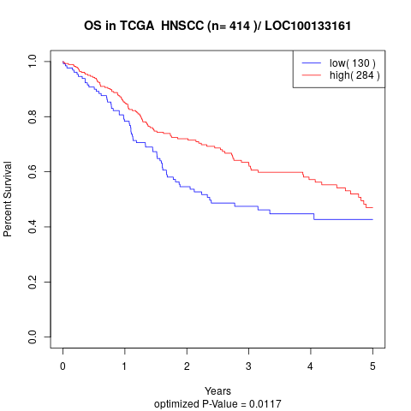

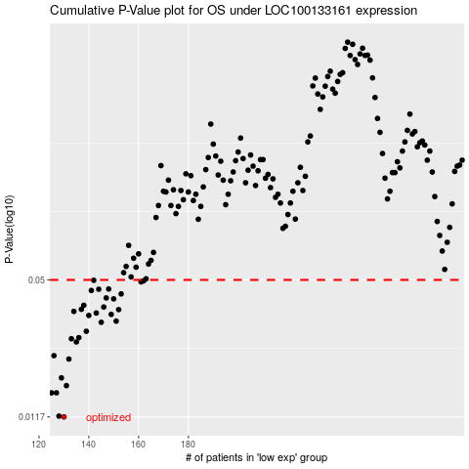

 |  |  |  |  |  | cases_OS | p_OS | rank | exp
 |  |  |  |  |  | 130 | 0.0117 | 242 | -0.60163598354
 |  |  |  |  |  | 128 | 0.0118 | 111 | -0.61770562662
 |  |  |  |  |  | 125 | 0.0151 | 195 | -0.6226723175
 |  |  |  |  |  | 127 | 0.0151 | 248 | -0.6178060121
 |  |  |  |  |  | 131 | 0.0163 | 132 | -0.60143839943
 |  |  |  |  |  | 129 | 0.0177 | 389 | -0.60554145654
 |  |  |  |  |  | 132 | 0.0216 | 334 | -0.59119748757
 |  |  |  |  |  | 126 | 0.0224 | 377 | -0.6179557936
 |  |  |  |  |  | 135 | 0.0259 | 20 | -0.58259301829
 |  |  |  |  |  | 133 | 0.0268 | 44 | -0.58846636529
 |  |  |  |  |  | 136 | 0.0271 | 193 | -0.58010728273
 |  |  |  |  |  | 139 | 0.029 | 252 | -0.57767731687
 |  |  |  |  |  | 145 | 0.0319 | 378 | -0.56865696491
 |  |  |  |  |  | 151 | 0.0323 | 388 | -0.56235180103
 |  |  |  |  |  | 140 | 0.0343 | 262 | -0.57310260737
 |  |  |  |  |  | 149 | 0.0347 | 305 | -0.56540160737
 |  |  |  |  |  | 143 | 0.0352 | 151 | -0.5722230394
 |  |  |  |  |  | 134 | 0.0358 | 97 | -0.58825444039
 |  |  |  |  |  | 152 | 0.0365 | 102 | -0.5571046682
 |  |  |  |  |  | 137 | 0.0366 | 315 | -0.57965156454
 |  |  |  |  |  | 146 | 0.0375 | 318 | -0.56859960178
 |  |  |  |  |  | 138 | 0.0382 | 390 | -0.57879908471
 |  |  |  |  |  | 150 | 0.0409 | 180 | -0.56262905616
 |  |  |  |  |  | 147 | 0.0413 | 393 | -0.56665722251
 |  |  |  |  |  | 153 | 0.0431 | 84 | -0.55669197236
 |  |  |  |  |  | 141 | 0.0447 | 352 | -0.57308507975
 |  |  |  |  |  | 144 | 0.0453 | 264 | -0.56964169862
 |  |  |  |  |  | 148 | 0.0454 | 284 | -0.5661521083
 |  |  |  |  |  | 161 | 0.049 | 306 | -0.54147958936
 |  |  |  |  |  | 162 | 0.0495 | 28 | -0.5401443032
 |  |  |  |  |  | 142 | 0.0498 | 210 | -0.57294645218
 |  |  |  |  |  |  | cases_RFS | p_RFS | rank | exp
 |  |  |  |  |  |  | 129 | 0.0117 | 389 | -0.60554145654
 |  |  |  |  |  |  | 127 | 0.0118 | 248 | -0.6178060121
 |  |  |  |  |  |  |  | 0.0151 | 77 | -0.62344831315
 |  |  |  |  |  |  | 126 | 0.0151 | 377 | -0.6179557936
 |  |  |  |  |  |  | 130 | 0.0163 | 242 | -0.60163598354
 |  |  |  |  |  |  | 128 | 0.0177 | 111 | -0.61770562662
 |  |  |  |  |  |  | 131 | 0.0216 | 132 | -0.60143839943
 |  |  |  |  |  |  | 125 | 0.0224 | 195 | -0.6226723175
 |  |  |  |  |  |  | 134 | 0.0259 | 97 | -0.58825444039
 |  |  |  |  |  |  | 132 | 0.0268 | 334 | -0.59119748757
 |  |  |  |  |  |  | 135 | 0.0271 | 20 | -0.58259301829
 |  |  |  |  |  |  | 138 | 0.029 | 390 | -0.57879908471
 |  |  |  |  |  |  | 144 | 0.0319 | 264 | -0.56964169862
 |  |  |  |  |  |  | 150 | 0.0323 | 180 | -0.56262905616
 |  |  |  |  |  |  | 139 | 0.0343 | 252 | -0.57767731687
 |  |  |  |  |  |  | 148 | 0.0347 | 284 | -0.5661521083
 |  |  |  |  |  |  | 142 | 0.0352 | 210 | -0.57294645218
 |  |  |  |  |  |  | 133 | 0.0358 | 44 | -0.58846636529
 |  |  |  |  |  |  | 151 | 0.0365 | 388 | -0.56235180103
 |  |  |  |  |  |  | 136 | 0.0366 | 193 | -0.58010728273
 |  |  |  |  |  |  | 145 | 0.0375 | 378 | -0.56865696491
 |  |  |  |  |  |  | 137 | 0.0382 | 315 | -0.57965156454
 |  |  |  |  |  |  | 149 | 0.0409 | 305 | -0.56540160737
 |  |  |  |  |  |  | 146 | 0.0413 | 318 | -0.56859960178
 |  |  |  |  |  |  | 152 | 0.0431 | 102 | -0.5571046682
 |  |  |  |  |  |  | 140 | 0.0447 | 262 | -0.57310260737
 |  |  |  |  |  |  | 143 | 0.0453 | 151 | -0.5722230394
 |  |  |  |  |  |  | 147 | 0.0454 | 393 | -0.56665722251
 |  |  |  |  |  |  | 160 | 0.049 | 296 | -0.54231135472
 |  |  |  |  |  |  | 161 | 0.0495 | 306 | -0.54147958936
 |  |  |  |  |  |  | 141 | 0.0498 | 352 | -0.57308507975

