LOC100133331 _multivariate
Reported by Tex Li-Hsing Chi. tex@gate.sinica.edu.tw 2019-08-18

Table 2. The clinicopathological features of HNSCC cohort and LOC100133331 expression. (Chi square test)
Cutoff at -0.628 (30.9%)
 |  | LOC100133331 expression |  | LOC100133331 expression |  | (Optimised)
 | Features | Low | (%) | High | (%) | Case no | P-value | Remark | Matthews
Gender | Female | 89 | 21.4 | 217 | 52.3 | 415 | 0.2385 | 0 | 0
2 | Male | 39 | 9.4 | 70 | 16.9
Age at diagnosis | <=65y | 85 | 20.5 | 189 | 45.5 | 415 | 1 | 0 | 0
4 | >65y | 43 | 10.4 | 98 | 23.6
Clinical T Status | T1+T2 | 48 | 11.6 | 101 | 24.3 | 415 | 0.7324 | 0 | 0
6 | T3+T4 | 80 | 19.3 | 186 | 44.8
Clinical N Status | N0 | 64 | 15.4 | 152 | 36.6 | 415 | 0.6517 | 0 | 0
8 | N1-3 | 64 | 15.4 | 135 | 32.5
Clinical M Status | M0 | 128 | 30.8 | 284 | 68.4 | 415 | 0.5558 | 0 | 0
10 | M1 | 0 | 0 | 3 | 0.7
Clinical Stage | Stage I+II | 36 | 8.7 | 66 | 15.9 | 415 | 0.3186 | 0 | 0
12 | Stage III+IV | 92 | 22.2 | 221 | 53.3
Surgical Margin status | Negative | 102 | 24.6 | 216 | 52 | 415 | 0.3797 | 0 | 0
14 | Positive | 26 | 6.3 | 71 | 17.1
Tobacco Exposure | Low | 58 | 14 | 103 | 24.8 | 415 | 0.0809 | 0 | 0
16 | High | 70 | 16.9 | 184 | 44.3

Table 3. Univariate/Multivariate Cox's proportional hazards regression analyses on OS time of LOC100133331 gene expression in HNSCC

 |  | Univariate |  |  |  | Multivariate
 | Features | HR | CI95%(L) | CI95%(H) | P-value | HR | CI95%(L) | CI95%(H) | P-value
1 | Female | 1 |  |  |  | 1
Gender | Male | 1.157 | 0.843 | 1.587 | 0.367 | 1.168 | 0.836 | 1.631 | 0.363
11 | <=65y | 1 |  |  |  | 1
Age at diagnosis | >65y | 1.329 | 0.99 | 1.784 | 0.058 | 1.418 | 1.043 | 1.928 | 0.026
12 | T1+T2 | 1 |  |  |  | 1
Clinical T Status | T3+T4 | 1.409 | 1.028 | 1.931 | 0.033 | 2.127 | 1.125 | 4.019 | 0.02
13 | N0 | 1 |  |  |  | 1
Clinical N Status | N1-3 | 1.185 | 0.89 | 1.577 | 0.246 | 1.189 | 0.832 | 1.699 | 0.342
14 | M0 | 1 |  |  |  | 1
Clinical M Status | M1 | 4.097 | 1.009 | 16.644 | 0.049 | 10.469 | 2.278 | 48.12 | 0.003
15 | Stage I+II | 1 |  |  |  | 1
Clinical Stage | Stage III+IV | 1.245 | 0.882 | 1.759 | 0.213 | 0.54 | 0.251 | 1.161 | 0.115
16 | Negative | 1 |  |  |  | 1
Surgical Margin status | Positive | 1.591 | 1.155 | 2.191 | 0.004 | 1.711 | 1.238 | 2.365 | 0.001
17 | Low | 1 |  |  |  | 1
Tobacco Exposure | High | 1.364 | 1.008 | 1.844 | 0.044 | 1.498 | 1.086 | 2.067 | 0.014
18 | Low | 1 |  |  |  | 1
RNAseq(z-score) | High | 0.734 | 0.544 | 0.989 | 0.042 | 0.691 | 0.509 | 0.938 | 0.018

Table 4. Univariate/Multivariate Cox's proportional hazards regression analyses on RFS time of LOC100133331 gene expression in HNSCC

 |  | Univariate |  |  |  | Multivariate
 | Features | HR | CI95%(L) | CI95%(H) | P-value | HR | CI95%(L) | CI95%(H) | P-value
1 | Female | 1 |  |  |  | 1
Gender | Male | 1.157 | 0.843 | 1.587 | 0.367 | 1.168 | 0.836 | 1.631 | 0.363
11 | <=65y | 1 |  |  |  | 1
Age at diagnosis | >65y | 1.329 | 0.99 | 1.784 | 0.058 | 1.418 | 1.043 | 1.928 | 0.026
12 | T1+T2 | 1 |  |  |  | 1
Clinical T Status | T3+T4 | 1.409 | 1.028 | 1.931 | 0.033 | 2.127 | 1.125 | 4.019 | 0.02
13 | N0 | 1 |  |  |  | 1
Clinical N Status | N1-3 | 1.185 | 0.89 | 1.577 | 0.246 | 1.189 | 0.832 | 1.699 | 0.342
14 | M0 | 1 |  |  |  | 1
Clinical M Status | M1 | 4.097 | 1.009 | 16.644 | 0.049 | 10.469 | 2.278 | 48.12 | 0.003
15 | Stage I+II | 1 |  |  |  | 1
Clinical Stage | Stage III+IV | 1.245 | 0.882 | 1.759 | 0.213 | 0.54 | 0.251 | 1.161 | 0.115
16 | Negative | 1 |  |  |  | 1
Surgical Margin status | Positive | 1.591 | 1.155 | 2.191 | 0.004 | 1.711 | 1.238 | 2.365 | 0.001
17 | Low | 1 |  |  |  | 1
Tobacco Exposure | High | 1.364 | 1.008 | 1.844 | 0.044 | 1.498 | 1.086 | 2.067 | 0.014
18 | Low | 1 |  |  |  | 1
RNAseq(z-score) | High | 0.734 | 0.544 | 0.989 | 0.042 | 0.691 | 0.509 | 0.938 | 0.018

Kaplan-Meier survival estimate: Cutoff at -0.628 (30.9%)

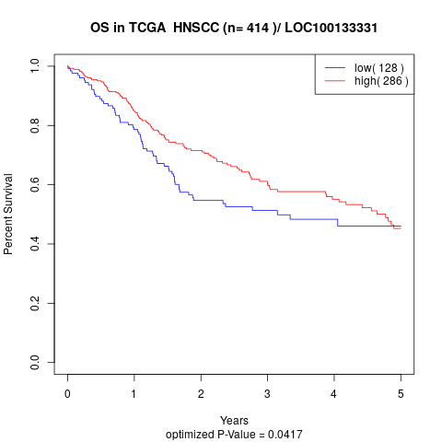

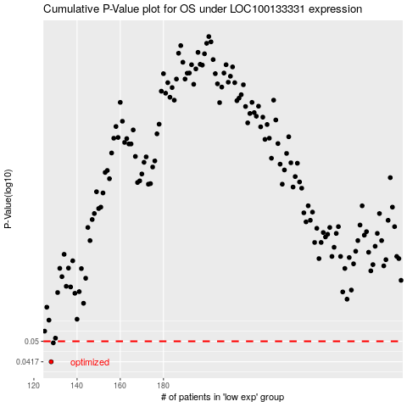

 |  |  |  |  |  | cases_OS | p_OS | rank | exp
 |  |  |  |  |  | 128 | 0.0417 | 100 | -0.62836736385
 |  |  |  |  |  | 129 | 0.0493 | 356 | -0.62551062701
 |  |  |  |  |  |  | cases_RFS | p_RFS | rank | exp
 |  |  |  |  |  |  | 127 | 0.0417 | 225 | -0.63076116282
 |  |  |  |  |  |  | 128 | 0.0493 | 100 | -0.62836736385

