LOC100133612 _multivariate
Reported by Tex Li-Hsing Chi. tex@gate.sinica.edu.tw 2019-08-18

Table 2. The clinicopathological features of HNSCC cohort and LOC100133612 expression. (Chi square test)
Cutoff at -0.299 (49.8%)
 |  | LOC100133612 expression |  | LOC100133612 expression |  | (Optimised)
 | Features | Low | (%) | High | (%) | Case no | P-value | Remark | Matthews
Gender | Female | 153 | 36.9 | 153 | 36.9 | 415 | 1 | 0 | 0
2 | Male | 54 | 13 | 55 | 13.3
Age at diagnosis | <=65y | 133 | 32 | 141 | 34 | 415 | 0.5111 | 0 | 0
4 | >65y | 74 | 17.8 | 67 | 16.1
Clinical T Status | T1+T2 | 64 | 15.4 | 85 | 20.5 | 415 | 0.0445 | 1 | 0
6 | T3+T4 | 143 | 34.5 | 123 | 29.6
Clinical N Status | N0 | 113 | 27.2 | 103 | 24.8 | 415 | 0.3495 | 1 | 0
8 | N1-3 | 94 | 22.7 | 105 | 25.3
Clinical M Status | M0 | 206 | 49.6 | 206 | 49.6 | 415 | 1 | 0 | 0
10 | M1 | 1 | 0.2 | 2 | 0.5
Clinical Stage | Stage I+II | 46 | 11.1 | 56 | 13.5 | 415 | 0.3182 | 0 | 0
12 | Stage III+IV | 161 | 38.8 | 152 | 36.6
Surgical Margin status | Negative | 160 | 38.6 | 158 | 38.1 | 415 | 0.8167 | 0 | 0
14 | Positive | 47 | 11.3 | 50 | 12
Tobacco Exposure | Low | 73 | 17.6 | 88 | 21.2 | 415 | 0.1587 | 0 | 0
16 | High | 134 | 32.3 | 120 | 28.9

Table 3. Univariate/Multivariate Cox's proportional hazards regression analyses on OS time of LOC100133612 gene expression in HNSCC

 |  | Univariate |  |  |  | Multivariate
 | Features | HR | CI95%(L) | CI95%(H) | P-value | HR | CI95%(L) | CI95%(H) | P-value
1 | Female | 1 |  |  |  | 1
Gender | Male | 1.157 | 0.843 | 1.587 | 0.367 | 1.209 | 0.866 | 1.688 | 0.266
11 | <=65y | 1 |  |  |  | 1
Age at diagnosis | >65y | 1.329 | 0.99 | 1.784 | 0.058 | 1.384 | 1.018 | 1.882 | 0.038
12 | T1+T2 | 1 |  |  |  | 1
Clinical T Status | T3+T4 | 1.409 | 1.028 | 1.931 | 0.033 | 2.239 | 1.183 | 4.237 | 0.013
13 | N0 | 1 |  |  |  | 1
Clinical N Status | N1-3 | 1.185 | 0.89 | 1.577 | 0.246 | 1.217 | 0.851 | 1.741 | 0.282
14 | M0 | 1 |  |  |  | 1
Clinical M Status | M1 | 4.097 | 1.009 | 16.644 | 0.049 | 9.245 | 2.015 | 42.409 | 0.004
15 | Stage I+II | 1 |  |  |  | 1
Clinical Stage | Stage III+IV | 1.245 | 0.882 | 1.759 | 0.213 | 0.503 | 0.234 | 1.079 | 0.078
16 | Negative | 1 |  |  |  | 1
Surgical Margin status | Positive | 1.591 | 1.155 | 2.191 | 0.004 | 1.664 | 1.204 | 2.3 | 0.002
17 | Low | 1 |  |  |  | 1
Tobacco Exposure | High | 1.364 | 1.008 | 1.844 | 0.044 | 1.465 | 1.063 | 2.02 | 0.02
18 | Low | 1 |  |  |  | 1
RNAseq(z-score) | High | 1.111 | 0.833 | 1.482 | 0.472 | 1.141 | 0.851 | 1.531 | 0.379

Table 4. Univariate/Multivariate Cox's proportional hazards regression analyses on RFS time of LOC100133612 gene expression in HNSCC

 |  | Univariate |  |  |  | Multivariate
 | Features | HR | CI95%(L) | CI95%(H) | P-value | HR | CI95%(L) | CI95%(H) | P-value
1 | Female | 1 |  |  |  | 1
Gender | Male | 1.157 | 0.843 | 1.587 | 0.367 | 1.209 | 0.866 | 1.688 | 0.266
11 | <=65y | 1 |  |  |  | 1
Age at diagnosis | >65y | 1.329 | 0.99 | 1.784 | 0.058 | 1.384 | 1.018 | 1.882 | 0.038
12 | T1+T2 | 1 |  |  |  | 1
Clinical T Status | T3+T4 | 1.409 | 1.028 | 1.931 | 0.033 | 2.239 | 1.183 | 4.237 | 0.013
13 | N0 | 1 |  |  |  | 1
Clinical N Status | N1-3 | 1.185 | 0.89 | 1.577 | 0.246 | 1.217 | 0.851 | 1.741 | 0.282
14 | M0 | 1 |  |  |  | 1
Clinical M Status | M1 | 4.097 | 1.009 | 16.644 | 0.049 | 9.245 | 2.015 | 42.409 | 0.004
15 | Stage I+II | 1 |  |  |  | 1
Clinical Stage | Stage III+IV | 1.245 | 0.882 | 1.759 | 0.213 | 0.503 | 0.234 | 1.079 | 0.078
16 | Negative | 1 |  |  |  | 1
Surgical Margin status | Positive | 1.591 | 1.155 | 2.191 | 0.004 | 1.664 | 1.204 | 2.3 | 0.002
17 | Low | 1 |  |  |  | 1
Tobacco Exposure | High | 1.364 | 1.008 | 1.844 | 0.044 | 1.465 | 1.063 | 2.02 | 0.02
18 | Low | 1 |  |  |  | 1
RNAseq(z-score) | High | 1.111 | 0.833 | 1.482 | 0.472 | 1.141 | 0.851 | 1.531 | 0.379

Kaplan-Meier survival estimate: Cutoff at -0.299 (49.8%)

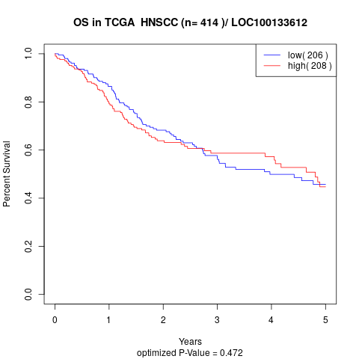

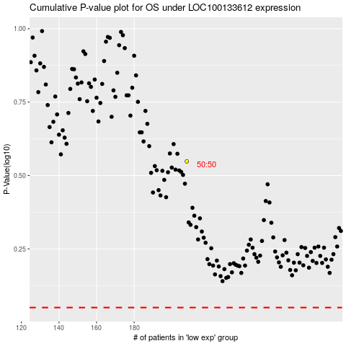

 |  |  |  |  |  | cases_OS | p_OS | rank | exp
 |  |  |  |  |  |  | cases_RFS | p_RFS | rank | exp

