LOC100133669 _multivariate
Reported by Tex Li-Hsing Chi. tex@gate.sinica.edu.tw 2019-08-18

Table 2. The clinicopathological features of HNSCC cohort and LOC100133669 expression. (Chi square test)
Cutoff at -0.041 (66.2%)
 |  | LOC100133669 expression |  | LOC100133669 expression |  | (Optimised)
 | Features | Low | (%) | High | (%) | Case no | P-value | Remark | Matthews
Gender | Female | 201 | 48.4 | 105 | 25.3 | 415 | 0.7643 | 0 | 0
2 | Male | 74 | 17.8 | 35 | 8.4
Age at diagnosis | <=65y | 177 | 42.7 | 97 | 23.4 | 415 | 0.3727 | 0 | 0
4 | >65y | 98 | 23.6 | 43 | 10.4
Clinical T Status | T1+T2 | 98 | 23.6 | 51 | 12.3 | 415 | 0.9594 | 0 | 0
6 | T3+T4 | 177 | 42.7 | 89 | 21.4
Clinical N Status | N0 | 151 | 36.4 | 65 | 15.7 | 415 | 0.1257 | 0 | 0
8 | N1-3 | 124 | 29.9 | 75 | 18.1
Clinical M Status | M0 | 273 | 65.8 | 139 | 33.5 | 415 | 1 | 0 | 0
10 | M1 | 2 | 0.5 | 1 | 0.2
Clinical Stage | Stage I+II | 70 | 16.9 | 32 | 7.7 | 415 | 0.6452 | 0 | 0
12 | Stage III+IV | 205 | 49.4 | 108 | 26
Surgical Margin status | Negative | 211 | 50.8 | 107 | 25.8 | 415 | 1 | 0 | 0
14 | Positive | 64 | 15.4 | 33 | 8
Tobacco Exposure | Low | 112 | 27 | 49 | 11.8 | 415 | 0.2872 | 0 | 0
16 | High | 163 | 39.3 | 91 | 21.9

Table 3. Univariate/Multivariate Cox's proportional hazards regression analyses on OS time of LOC100133669 gene expression in HNSCC

 |  | Univariate |  |  |  | Multivariate
 | Features | HR | CI95%(L) | CI95%(H) | P-value | HR | CI95%(L) | CI95%(H) | P-value
1 | Female | 1 |  |  |  | 1
Gender | Male | 1.157 | 0.843 | 1.587 | 0.367 | 1.16 | 0.826 | 1.628 | 0.391
11 | <=65y | 1 |  |  |  | 1
Age at diagnosis | >65y | 1.329 | 0.99 | 1.784 | 0.058 | 1.4 | 1.028 | 1.907 | 0.033
12 | T1+T2 | 1 |  |  |  | 1
Clinical T Status | T3+T4 | 1.409 | 1.028 | 1.931 | 0.033 | 2.235 | 1.181 | 4.228 | 0.013
13 | N0 | 1 |  |  |  | 1
Clinical N Status | N1-3 | 1.185 | 0.89 | 1.577 | 0.246 | 1.291 | 0.903 | 1.844 | 0.162
14 | M0 | 1 |  |  |  | 1
Clinical M Status | M1 | 4.097 | 1.009 | 16.644 | 0.049 | 8.808 | 1.917 | 40.463 | 0.005
15 | Stage I+II | 1 |  |  |  | 1
Clinical Stage | Stage III+IV | 1.245 | 0.882 | 1.759 | 0.213 | 0.488 | 0.228 | 1.047 | 0.065
16 | Negative | 1 |  |  |  | 1
Surgical Margin status | Positive | 1.591 | 1.155 | 2.191 | 0.004 | 1.734 | 1.253 | 2.4 | 0.001
17 | Low | 1 |  |  |  | 1
Tobacco Exposure | High | 1.364 | 1.008 | 1.844 | 0.044 | 1.495 | 1.081 | 2.068 | 0.015
18 | Low | 1 |  |  |  | 1
RNAseq(z-score) | High | 0.628 | 0.455 | 0.868 | 0.005 | 0.604 | 0.436 | 0.837 | 0.002

Table 4. Univariate/Multivariate Cox's proportional hazards regression analyses on RFS time of LOC100133669 gene expression in HNSCC

 |  | Univariate |  |  |  | Multivariate
 | Features | HR | CI95%(L) | CI95%(H) | P-value | HR | CI95%(L) | CI95%(H) | P-value
1 | Female | 1 |  |  |  | 1
Gender | Male | 1.157 | 0.843 | 1.587 | 0.367 | 1.16 | 0.826 | 1.628 | 0.391
11 | <=65y | 1 |  |  |  | 1
Age at diagnosis | >65y | 1.329 | 0.99 | 1.784 | 0.058 | 1.4 | 1.028 | 1.907 | 0.033
12 | T1+T2 | 1 |  |  |  | 1
Clinical T Status | T3+T4 | 1.409 | 1.028 | 1.931 | 0.033 | 2.235 | 1.181 | 4.228 | 0.013
13 | N0 | 1 |  |  |  | 1
Clinical N Status | N1-3 | 1.185 | 0.89 | 1.577 | 0.246 | 1.291 | 0.903 | 1.844 | 0.162
14 | M0 | 1 |  |  |  | 1
Clinical M Status | M1 | 4.097 | 1.009 | 16.644 | 0.049 | 8.808 | 1.917 | 40.463 | 0.005
15 | Stage I+II | 1 |  |  |  | 1
Clinical Stage | Stage III+IV | 1.245 | 0.882 | 1.759 | 0.213 | 0.488 | 0.228 | 1.047 | 0.065
16 | Negative | 1 |  |  |  | 1
Surgical Margin status | Positive | 1.591 | 1.155 | 2.191 | 0.004 | 1.734 | 1.253 | 2.4 | 0.001
17 | Low | 1 |  |  |  | 1
Tobacco Exposure | High | 1.364 | 1.008 | 1.844 | 0.044 | 1.495 | 1.081 | 2.068 | 0.015
18 | Low | 1 |  |  |  | 1
RNAseq(z-score) | High | 0.628 | 0.455 | 0.868 | 0.005 | 0.604 | 0.436 | 0.837 | 0.002

Kaplan-Meier survival estimate: Cutoff at -0.041 (66.2%)

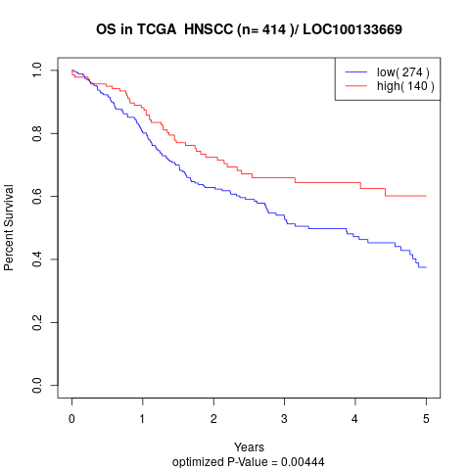

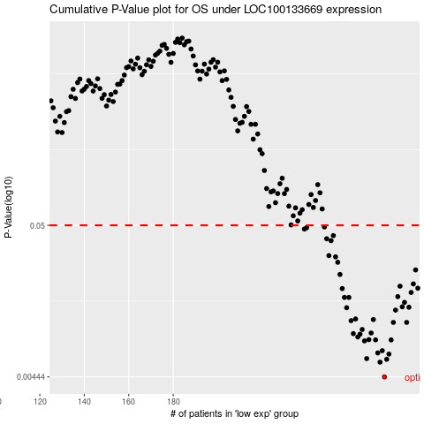

 |  |  |  |  |  | cases_OS | p_OS | rank | exp
 |  |  |  |  |  | 275 | 0.00444 | 149 | -0.040681973208
 |  |  |  |  |  | 273 | 0.00562 | 310 | -0.044035827587
 |  |  |  |  |  | 276 | 0.00588 | 319 | -0.034664763883
 |  |  |  |  |  | 267 | 0.00595 | 397 | -0.05334112944
 |  |  |  |  |  | 277 | 0.00639 | 168 | -0.021698719016
 |  |  |  |  |  | 272 | 0.00651 | 256 | -0.04463864455
 |  |  |  |  |  | 274 | 0.00675 | 64 | -0.042841153968
 |  |  |  |  |  | 266 | 0.00789 | 375 | -0.055390707115
 |  |  |  |  |  | 278 | 0.00801 | 242 | -0.017687246132
 |  |  |  |  |  | 271 | 0.00802 | 153 | -0.045252421822
 |  |  |  |  |  | 268 | 0.00805 | 22 | -0.053242486664
 |  |  |  |  |  | 263 | 0.0084 | 145 | -0.062514907591
 |  |  |  |  |  | 264 | 0.00878 | 144 | -0.058152704838
 |  |  |  |  |  | 261 | 0.00886 | 365 | -0.079514345959
 |  |  |  |  |  | 269 | 0.00895 | 329 | -0.052234138289
 |  |  |  |  |  | 265 | 0.00947 | 55 | -0.056289452406
 |  |  |  |  |  | 285 | 0.0106 | 152 | 0.0045402593539
 |  |  |  |  |  | 279 | 0.0106 | 157 | -0.016393929738
 |  |  |  |  |  | 260 | 0.0109 | 251 | -0.085038341405
 |  |  |  |  |  | 270 | 0.0111 | 125 | -0.049220053472
 |  |  |  |  |  | 262 | 0.0112 | 143 | -0.075722079244
 |  |  |  |  |  | 280 | 0.0129 | 324 | -0.016163763261
 |  |  |  |  |  | 258 | 0.0134 | 320 | -0.087822259745
 |  |  |  |  |  | 286 | 0.0135 | 327 | 0.0066555988799
 |  |  |  |  |  | 283 | 0.0136 | 19 | -0.0010714185598
 |  |  |  |  |  | 284 | 0.0146 | 284 | 0.0011973652842
 |  |  |  |  |  | 259 | 0.0158 | 70 | -0.085126023873
 |  |  |  |  |  | 257 | 0.0158 | 275 | -0.088841568429
 |  |  |  |  |  | 281 | 0.016 | 102 | -0.013949780959
 |  |  |  |  |  | 287 | 0.0171 | 408 | 0.018087200567
 |  |  |  |  |  | 256 | 0.0182 | 401 | -0.097850941954
 |  |  |  |  |  | 290 | 0.0183 | 245 | 0.044819392816
 |  |  |  |  |  | 282 | 0.0189 | 302 | -0.0057514702574
 |  |  |  |  |  | 288 | 0.0196 | 34 | 0.020586150888
 |  |  |  |  |  | 255 | 0.0228 | 203 | -0.10065678091
 |  |  |  |  |  | 289 | 0.0245 | 237 | 0.038889865958
 |  |  |  |  |  | 254 | 0.0277 | 323 | -0.1050628249
 |  |  |  |  |  | 253 | 0.0302 | 7 | -0.11183629551
 |  |  |  |  |  | 250 | 0.0308 | 49 | -0.13046881983
 |  |  |  |  |  | 251 | 0.0391 | 374 | -0.1253613161
 |  |  |  |  |  | 249 | 0.0403 | 208 | -0.13463373703
 |  |  |  |  |  | 252 | 0.0424 | 285 | -0.11459829323
 |  |  |  |  |  | 239 | 0.0471 | 277 | -0.16947655751
 |  |  |  |  |  | 240 | 0.0481 | 232 | -0.16714201182
 |  |  |  |  |  | 248 | 0.0487 | 76 | -0.13856848775
 |  |  |  |  |  |  | cases_RFS | p_RFS | rank | exp
 |  |  |  |  |  |  | 274 | 0.00444 | 64 | -0.042841153968
 |  |  |  |  |  |  | 272 | 0.00562 | 256 | -0.04463864455
 |  |  |  |  |  |  | 275 | 0.00588 | 149 | -0.040681973208
 |  |  |  |  |  |  | 266 | 0.00595 | 375 | -0.055390707115
 |  |  |  |  |  |  | 276 | 0.00639 | 319 | -0.034664763883
 |  |  |  |  |  |  | 271 | 0.00651 | 153 | -0.045252421822
 |  |  |  |  |  |  | 273 | 0.00675 | 310 | -0.044035827587
 |  |  |  |  |  |  | 265 | 0.00789 | 55 | -0.056289452406
 |  |  |  |  |  |  | 277 | 0.00801 | 168 | -0.021698719016
 |  |  |  |  |  |  | 270 | 0.00802 | 125 | -0.049220053472
 |  |  |  |  |  |  | 267 | 0.00805 | 397 | -0.05334112944
 |  |  |  |  |  |  | 262 | 0.0084 | 143 | -0.075722079244
 |  |  |  |  |  |  | 263 | 0.00878 | 145 | -0.062514907591
 |  |  |  |  |  |  | 260 | 0.00886 | 251 | -0.085038341405
 |  |  |  |  |  |  | 268 | 0.00895 | 22 | -0.053242486664
 |  |  |  |  |  |  | 264 | 0.00947 | 144 | -0.058152704838
 |  |  |  |  |  |  | 278 | 0.0106 | 242 | -0.017687246132
 |  |  |  |  |  |  | 284 | 0.0106 | 284 | 0.0011973652842
 |  |  |  |  |  |  | 259 | 0.0109 | 70 | -0.085126023873
 |  |  |  |  |  |  | 269 | 0.0111 | 329 | -0.052234138289
 |  |  |  |  |  |  | 261 | 0.0112 | 365 | -0.079514345959
 |  |  |  |  |  |  | 279 | 0.0129 | 157 | -0.016393929738
 |  |  |  |  |  |  | 257 | 0.0134 | 275 | -0.088841568429
 |  |  |  |  |  |  | 285 | 0.0135 | 152 | 0.0045402593539
 |  |  |  |  |  |  | 282 | 0.0136 | 302 | -0.0057514702574
 |  |  |  |  |  |  | 283 | 0.0146 | 19 | -0.0010714185598
 |  |  |  |  |  |  | 258 | 0.0158 | 320 | -0.087822259745
 |  |  |  |  |  |  | 256 | 0.0158 | 401 | -0.097850941954
 |  |  |  |  |  |  | 280 | 0.016 | 324 | -0.016163763261
 |  |  |  |  |  |  | 286 | 0.0171 | 327 | 0.0066555988799
 |  |  |  |  |  |  | 255 | 0.0182 | 203 | -0.10065678091
 |  |  |  |  |  |  | 289 | 0.0183 | 237 | 0.038889865958
 |  |  |  |  |  |  | 281 | 0.0189 | 102 | -0.013949780959
 |  |  |  |  |  |  | 287 | 0.0196 | 408 | 0.018087200567
 |  |  |  |  |  |  | 254 | 0.0228 | 323 | -0.1050628249
 |  |  |  |  |  |  | 288 | 0.0245 | 34 | 0.020586150888
 |  |  |  |  |  |  | 253 | 0.0277 | 7 | -0.11183629551
 |  |  |  |  |  |  | 252 | 0.0302 | 285 | -0.11459829323
 |  |  |  |  |  |  | 249 | 0.0308 | 208 | -0.13463373703
 |  |  |  |  |  |  | 250 | 0.0391 | 49 | -0.13046881983
 |  |  |  |  |  |  | 248 | 0.0403 | 76 | -0.13856848775
 |  |  |  |  |  |  | 251 | 0.0424 | 374 | -0.1253613161
 |  |  |  |  |  |  | 238 | 0.0471 | 289 | -0.17084659607
 |  |  |  |  |  |  | 239 | 0.0481 | 277 | -0.16947655751
 |  |  |  |  |  |  | 247 | 0.0487 | 355 | -0.14379655487

