LOC100133985 _multivariate
Reported by Tex Li-Hsing Chi. tex@gate.sinica.edu.tw 2019-08-18

Table 2. The clinicopathological features of HNSCC cohort and LOC100133985 expression. (Chi square test)
Cutoff at 0.057 (68.8%)
 |  | LOC100133985 expression |  | LOC100133985 expression |  | (Optimised)
 | Features | Low | (%) | High | (%) | Case no | P-value | Remark | Matthews
Gender | Female | 210 | 50.6 | 96 | 23.1 | 415 | 0.9267 | 0 | 0
2 | Male | 76 | 18.3 | 33 | 8
Age at diagnosis | <=65y | 195 | 47 | 79 | 19 | 415 | 0.2041 | 0 | 0
4 | >65y | 91 | 21.9 | 50 | 12
Clinical T Status | T1+T2 | 102 | 24.6 | 47 | 11.3 | 415 | 0.9675 | 0 | 0
6 | T3+T4 | 184 | 44.3 | 82 | 19.8
Clinical N Status | N0 | 146 | 35.2 | 70 | 16.9 | 415 | 0.6167 | 0 | 0
8 | N1-3 | 140 | 33.7 | 59 | 14.2
Clinical M Status | M0 | 285 | 68.7 | 127 | 30.6 | 415 | 0.2292 | 0 | 0
10 | M1 | 1 | 0.2 | 2 | 0.5
Clinical Stage | Stage I+II | 70 | 16.9 | 32 | 7.7 | 415 | 1 | 0 | 0
12 | Stage III+IV | 216 | 52 | 97 | 23.4
Surgical Margin status | Negative | 216 | 52 | 102 | 24.6 | 415 | 0.4548 | 0 | 0
14 | Positive | 70 | 16.9 | 27 | 6.5
Tobacco Exposure | Low | 103 | 24.8 | 58 | 14 | 415 | 0.1024 | 0 | 0
16 | High | 183 | 44.1 | 71 | 17.1

Table 3. Univariate/Multivariate Cox's proportional hazards regression analyses on OS time of LOC100133985 gene expression in HNSCC

 |  | Univariate |  |  |  | Multivariate
 | Features | HR | CI95%(L) | CI95%(H) | P-value | HR | CI95%(L) | CI95%(H) | P-value
1 | Female | 1 |  |  |  | 1
Gender | Male | 1.157 | 0.843 | 1.587 | 0.367 | 1.185 | 0.85 | 1.653 | 0.317
11 | <=65y | 1 |  |  |  | 1
Age at diagnosis | >65y | 1.329 | 0.99 | 1.784 | 0.058 | 1.428 | 1.048 | 1.946 | 0.024
12 | T1+T2 | 1 |  |  |  | 1
Clinical T Status | T3+T4 | 1.409 | 1.028 | 1.931 | 0.033 | 2.214 | 1.17 | 4.189 | 0.015
13 | N0 | 1 |  |  |  | 1
Clinical N Status | N1-3 | 1.185 | 0.89 | 1.577 | 0.246 | 1.226 | 0.859 | 1.75 | 0.261
14 | M0 | 1 |  |  |  | 1
Clinical M Status | M1 | 4.097 | 1.009 | 16.644 | 0.049 | 11.221 | 2.425 | 51.914 | 0.002
15 | Stage I+II | 1 |  |  |  | 1
Clinical Stage | Stage III+IV | 1.245 | 0.882 | 1.759 | 0.213 | 0.518 | 0.241 | 1.111 | 0.091
16 | Negative | 1 |  |  |  | 1
Surgical Margin status | Positive | 1.591 | 1.155 | 2.191 | 0.004 | 1.681 | 1.217 | 2.323 | 0.002
17 | Low | 1 |  |  |  | 1
Tobacco Exposure | High | 1.364 | 1.008 | 1.844 | 0.044 | 1.383 | 1.003 | 1.908 | 0.048
18 | Low | 1 |  |  |  | 1
RNAseq(z-score) | High | 0.71 | 0.511 | 0.987 | 0.042 | 0.699 | 0.5 | 0.978 | 0.037

Table 4. Univariate/Multivariate Cox's proportional hazards regression analyses on RFS time of LOC100133985 gene expression in HNSCC

 |  | Univariate |  |  |  | Multivariate
 | Features | HR | CI95%(L) | CI95%(H) | P-value | HR | CI95%(L) | CI95%(H) | P-value
1 | Female | 1 |  |  |  | 1
Gender | Male | 1.157 | 0.843 | 1.587 | 0.367 | 1.185 | 0.85 | 1.653 | 0.317
11 | <=65y | 1 |  |  |  | 1
Age at diagnosis | >65y | 1.329 | 0.99 | 1.784 | 0.058 | 1.428 | 1.048 | 1.946 | 0.024
12 | T1+T2 | 1 |  |  |  | 1
Clinical T Status | T3+T4 | 1.409 | 1.028 | 1.931 | 0.033 | 2.214 | 1.17 | 4.189 | 0.015
13 | N0 | 1 |  |  |  | 1
Clinical N Status | N1-3 | 1.185 | 0.89 | 1.577 | 0.246 | 1.226 | 0.859 | 1.75 | 0.261
14 | M0 | 1 |  |  |  | 1
Clinical M Status | M1 | 4.097 | 1.009 | 16.644 | 0.049 | 11.221 | 2.425 | 51.914 | 0.002
15 | Stage I+II | 1 |  |  |  | 1
Clinical Stage | Stage III+IV | 1.245 | 0.882 | 1.759 | 0.213 | 0.518 | 0.241 | 1.111 | 0.091
16 | Negative | 1 |  |  |  | 1
Surgical Margin status | Positive | 1.591 | 1.155 | 2.191 | 0.004 | 1.681 | 1.217 | 2.323 | 0.002
17 | Low | 1 |  |  |  | 1
Tobacco Exposure | High | 1.364 | 1.008 | 1.844 | 0.044 | 1.383 | 1.003 | 1.908 | 0.048
18 | Low | 1 |  |  |  | 1
RNAseq(z-score) | High | 0.71 | 0.511 | 0.987 | 0.042 | 0.699 | 0.5 | 0.978 | 0.037

Kaplan-Meier survival estimate: Cutoff at 0.057 (68.8%)

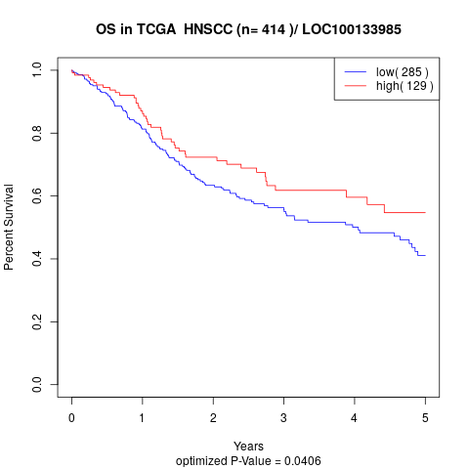

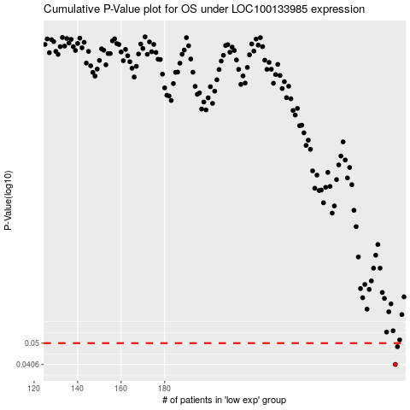

 |  |  |  |  |  | cases_OS | p_OS | rank | exp
 |  |  |  |  |  | 286 | 0.0406 | 170 | 0.057346596608
 |  |  |  |  |  | 287 | 0.0483 | 319 | 0.067499570995
 |  |  |  |  |  |  | cases_RFS | p_RFS | rank | exp
 |  |  |  |  |  |  | 285 | 0.0406 | 64 | 0.057228538767
 |  |  |  |  |  |  | 286 | 0.0483 | 170 | 0.057346596608

