LOC100133991 _multivariate
Reported by Tex Li-Hsing Chi. tex@gate.sinica.edu.tw 2019-08-18

Table 2. The clinicopathological features of HNSCC cohort and LOC100133991 expression. (Chi square test)
Cutoff at -0.557 (31.9%)
 |  | LOC100133991 expression |  | LOC100133991 expression |  | (Optimised)
 | Features | Low | (%) | High | (%) | Case no | P-value | Remark | Matthews
Gender | Female | 96 | 23.1 | 210 | 50.6 | 415 | 0.8424 | 0 | 0
2 | Male | 36 | 8.7 | 73 | 17.6
Age at diagnosis | <=65y | 91 | 21.9 | 183 | 44.1 | 415 | 0.4562 | 0 | 0
4 | >65y | 41 | 9.9 | 100 | 24.1
Clinical T Status | T1+T2 | 43 | 10.4 | 106 | 25.5 | 415 | 0.3924 | 0 | 0
6 | T3+T4 | 89 | 21.4 | 177 | 42.7
Clinical N Status | N0 | 61 | 14.7 | 155 | 37.3 | 415 | 0.1286 | 0 | 0
8 | N1-3 | 71 | 17.1 | 128 | 30.8
Clinical M Status | M0 | 130 | 31.3 | 282 | 68 | 415 | 0.2386 | 0 | 0
10 | M1 | 2 | 0.5 | 1 | 0.2
Clinical Stage | Stage I+II | 26 | 6.3 | 76 | 18.3 | 415 | 0.1457 | 0 | 0
12 | Stage III+IV | 106 | 25.5 | 207 | 49.9
Surgical Margin status | Negative | 105 | 25.3 | 213 | 51.3 | 415 | 0.3841 | 0 | 0
14 | Positive | 27 | 6.5 | 70 | 16.9
Tobacco Exposure | Low | 56 | 13.5 | 105 | 25.3 | 415 | 0.3307 | 0 | 0
16 | High | 76 | 18.3 | 178 | 42.9

Table 3. Univariate/Multivariate Cox's proportional hazards regression analyses on OS time of LOC100133991 gene expression in HNSCC

 |  | Univariate |  |  |  | Multivariate
 | Features | HR | CI95%(L) | CI95%(H) | P-value | HR | CI95%(L) | CI95%(H) | P-value
1 | Female | 1 |  |  |  | 1
Gender | Male | 1.157 | 0.843 | 1.587 | 0.367 | 1.255 | 0.899 | 1.754 | 0.183
11 | <=65y | 1 |  |  |  | 1
Age at diagnosis | >65y | 1.329 | 0.99 | 1.784 | 0.058 | 1.377 | 1.014 | 1.87 | 0.041
12 | T1+T2 | 1 |  |  |  | 1
Clinical T Status | T3+T4 | 1.409 | 1.028 | 1.931 | 0.033 | 2.169 | 1.146 | 4.105 | 0.017
13 | N0 | 1 |  |  |  | 1
Clinical N Status | N1-3 | 1.185 | 0.89 | 1.577 | 0.246 | 1.261 | 0.883 | 1.801 | 0.202
14 | M0 | 1 |  |  |  | 1
Clinical M Status | M1 | 4.097 | 1.009 | 16.644 | 0.049 | 11.105 | 2.405 | 51.278 | 0.002
15 | Stage I+II | 1 |  |  |  | 1
Clinical Stage | Stage III+IV | 1.245 | 0.882 | 1.759 | 0.213 | 0.52 | 0.242 | 1.118 | 0.094
16 | Negative | 1 |  |  |  | 1
Surgical Margin status | Positive | 1.591 | 1.155 | 2.191 | 0.004 | 1.656 | 1.198 | 2.29 | 0.002
17 | Low | 1 |  |  |  | 1
Tobacco Exposure | High | 1.364 | 1.008 | 1.844 | 0.044 | 1.442 | 1.048 | 1.983 | 0.025
18 | Low | 1 |  |  |  | 1
RNAseq(z-score) | High | 1.379 | 1 | 1.901 | 0.05 | 1.454 | 1.047 | 2.018 | 0.026

Table 4. Univariate/Multivariate Cox's proportional hazards regression analyses on RFS time of LOC100133991 gene expression in HNSCC

 |  | Univariate |  |  |  | Multivariate
 | Features | HR | CI95%(L) | CI95%(H) | P-value | HR | CI95%(L) | CI95%(H) | P-value
1 | Female | 1 |  |  |  | 1
Gender | Male | 1.157 | 0.843 | 1.587 | 0.367 | 1.255 | 0.899 | 1.754 | 0.183
11 | <=65y | 1 |  |  |  | 1
Age at diagnosis | >65y | 1.329 | 0.99 | 1.784 | 0.058 | 1.377 | 1.014 | 1.87 | 0.041
12 | T1+T2 | 1 |  |  |  | 1
Clinical T Status | T3+T4 | 1.409 | 1.028 | 1.931 | 0.033 | 2.169 | 1.146 | 4.105 | 0.017
13 | N0 | 1 |  |  |  | 1
Clinical N Status | N1-3 | 1.185 | 0.89 | 1.577 | 0.246 | 1.261 | 0.883 | 1.801 | 0.202
14 | M0 | 1 |  |  |  | 1
Clinical M Status | M1 | 4.097 | 1.009 | 16.644 | 0.049 | 11.105 | 2.405 | 51.278 | 0.002
15 | Stage I+II | 1 |  |  |  | 1
Clinical Stage | Stage III+IV | 1.245 | 0.882 | 1.759 | 0.213 | 0.52 | 0.242 | 1.118 | 0.094
16 | Negative | 1 |  |  |  | 1
Surgical Margin status | Positive | 1.591 | 1.155 | 2.191 | 0.004 | 1.656 | 1.198 | 2.29 | 0.002
17 | Low | 1 |  |  |  | 1
Tobacco Exposure | High | 1.364 | 1.008 | 1.844 | 0.044 | 1.442 | 1.048 | 1.983 | 0.025
18 | Low | 1 |  |  |  | 1
RNAseq(z-score) | High | 1.379 | 1 | 1.901 | 0.05 | 1.454 | 1.047 | 2.018 | 0.026

Kaplan-Meier survival estimate: Cutoff at -0.557 (31.9%)

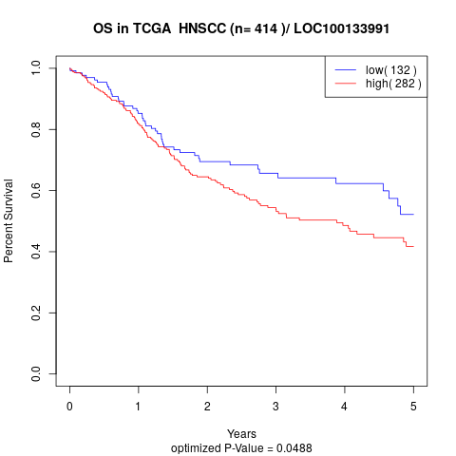

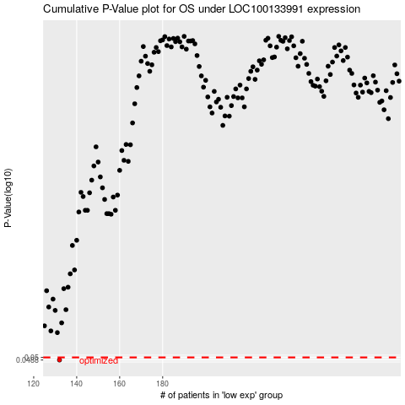

 |  |  |  |  |  | cases_OS | p_OS | rank | exp
 |  |  |  |  |  | 132 | 0.0488 | 281 | -0.55721712462
 |  |  |  |  |  |  | cases_RFS | p_RFS | rank | exp
 |  |  |  |  |  |  | 131 | 0.0488 | 255 | -0.55780813914

