LOC100134368 _multivariate
Reported by Tex Li-Hsing Chi. tex@gate.sinica.edu.tw 2019-08-18

Table 2. The clinicopathological features of HNSCC cohort and LOC100134368 expression. (Chi square test)
Cutoff at -0.305 (49.8%)
 |  | LOC100134368 expression |  | LOC100134368 expression |  | (Optimised)
 | Features | Low | (%) | High | (%) | Case no | P-value | Remark | Matthews
Gender | Female | 139 | 33.5 | 167 | 40.2 | 415 | 0.0034 | 1 | 0
2 | Male | 68 | 16.4 | 41 | 9.9
Age at diagnosis | <=65y | 125 | 30.1 | 149 | 35.9 | 415 | 0.0206 | 1 | 0
4 | >65y | 82 | 19.8 | 59 | 14.2
Clinical T Status | T1+T2 | 73 | 17.6 | 76 | 18.3 | 415 | 0.8666 | 0 | 0
6 | T3+T4 | 134 | 32.3 | 132 | 31.8
Clinical N Status | N0 | 104 | 25.1 | 112 | 27 | 415 | 0.5243 | 0 | 0
8 | N1-3 | 103 | 24.8 | 96 | 23.1
Clinical M Status | M0 | 206 | 49.6 | 206 | 49.6 | 415 | 1 | 0 | 0
10 | M1 | 1 | 0.2 | 2 | 0.5
Clinical Stage | Stage I+II | 53 | 12.8 | 49 | 11.8 | 415 | 0.7113 | 0 | 0
12 | Stage III+IV | 154 | 37.1 | 159 | 38.3
Surgical Margin status | Negative | 166 | 40 | 152 | 36.6 | 415 | 0.1042 | 0 | 0
14 | Positive | 41 | 9.9 | 56 | 13.5
Tobacco Exposure | Low | 95 | 22.9 | 66 | 15.9 | 415 | 0.0035 | 1 | 0
16 | High | 112 | 27 | 142 | 34.2

Table 3. Univariate/Multivariate Cox's proportional hazards regression analyses on OS time of LOC100134368 gene expression in HNSCC

 |  | Univariate |  |  |  | Multivariate
 | Features | HR | CI95%(L) | CI95%(H) | P-value | HR | CI95%(L) | CI95%(H) | P-value
1 | Female | 1 |  |  |  | 1
Gender | Male | 1.157 | 0.843 | 1.587 | 0.367 | 1.215 | 0.868 | 1.701 | 0.256
11 | <=65y | 1 |  |  |  | 1
Age at diagnosis | >65y | 1.329 | 0.99 | 1.784 | 0.058 | 1.397 | 1.028 | 1.898 | 0.033
12 | T1+T2 | 1 |  |  |  | 1
Clinical T Status | T3+T4 | 1.409 | 1.028 | 1.931 | 0.033 | 2.219 | 1.173 | 4.197 | 0.014
13 | N0 | 1 |  |  |  | 1
Clinical N Status | N1-3 | 1.185 | 0.89 | 1.577 | 0.246 | 1.259 | 0.879 | 1.801 | 0.209
14 | M0 | 1 |  |  |  | 1
Clinical M Status | M1 | 4.097 | 1.009 | 16.644 | 0.049 | 9.335 | 2.036 | 42.8 | 0.004
15 | Stage I+II | 1 |  |  |  | 1
Clinical Stage | Stage III+IV | 1.245 | 0.882 | 1.759 | 0.213 | 0.494 | 0.229 | 1.063 | 0.071
16 | Negative | 1 |  |  |  | 1
Surgical Margin status | Positive | 1.591 | 1.155 | 2.191 | 0.004 | 1.651 | 1.192 | 2.287 | 0.003
17 | Low | 1 |  |  |  | 1
Tobacco Exposure | High | 1.364 | 1.008 | 1.844 | 0.044 | 1.432 | 1.036 | 1.979 | 0.03
18 | Low | 1 |  |  |  | 1
RNAseq(z-score) | High | 1.128 | 0.844 | 1.506 | 0.416 | 1.099 | 0.812 | 1.487 | 0.542

Table 4. Univariate/Multivariate Cox's proportional hazards regression analyses on RFS time of LOC100134368 gene expression in HNSCC

 |  | Univariate |  |  |  | Multivariate
 | Features | HR | CI95%(L) | CI95%(H) | P-value | HR | CI95%(L) | CI95%(H) | P-value
1 | Female | 1 |  |  |  | 1
Gender | Male | 1.157 | 0.843 | 1.587 | 0.367 | 1.215 | 0.868 | 1.701 | 0.256
11 | <=65y | 1 |  |  |  | 1
Age at diagnosis | >65y | 1.329 | 0.99 | 1.784 | 0.058 | 1.397 | 1.028 | 1.898 | 0.033
12 | T1+T2 | 1 |  |  |  | 1
Clinical T Status | T3+T4 | 1.409 | 1.028 | 1.931 | 0.033 | 2.219 | 1.173 | 4.197 | 0.014
13 | N0 | 1 |  |  |  | 1
Clinical N Status | N1-3 | 1.185 | 0.89 | 1.577 | 0.246 | 1.259 | 0.879 | 1.801 | 0.209
14 | M0 | 1 |  |  |  | 1
Clinical M Status | M1 | 4.097 | 1.009 | 16.644 | 0.049 | 9.335 | 2.036 | 42.8 | 0.004
15 | Stage I+II | 1 |  |  |  | 1
Clinical Stage | Stage III+IV | 1.245 | 0.882 | 1.759 | 0.213 | 0.494 | 0.229 | 1.063 | 0.071
16 | Negative | 1 |  |  |  | 1
Surgical Margin status | Positive | 1.591 | 1.155 | 2.191 | 0.004 | 1.651 | 1.192 | 2.287 | 0.003
17 | Low | 1 |  |  |  | 1
Tobacco Exposure | High | 1.364 | 1.008 | 1.844 | 0.044 | 1.432 | 1.036 | 1.979 | 0.03
18 | Low | 1 |  |  |  | 1
RNAseq(z-score) | High | 1.128 | 0.844 | 1.506 | 0.416 | 1.099 | 0.812 | 1.487 | 0.542

Kaplan-Meier survival estimate: Cutoff at -0.305 (49.8%)

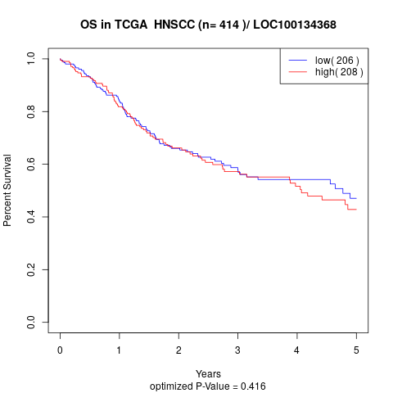

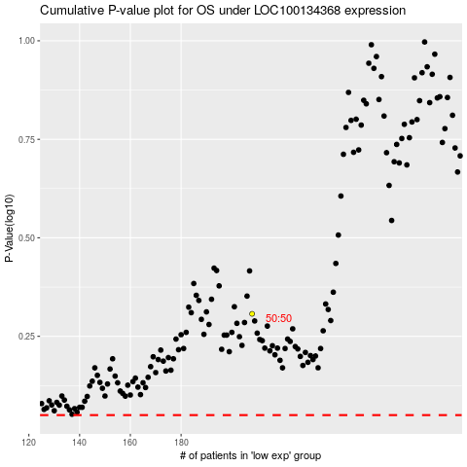

 |  |  |  |  |  | cases_OS | p_OS | rank | exp
 |  |  |  |  |  |  | cases_RFS | p_RFS | rank | exp

