LOC100134868 _multivariate
Reported by Tex Li-Hsing Chi. tex@gate.sinica.edu.tw 2019-08-18

Table 2. The clinicopathological features of HNSCC cohort and LOC100134868 expression. (Chi square test)
Cutoff at 0.126 (67.9%)
 |  | LOC100134868 expression |  | LOC100134868 expression |  | (Optimised)
 | Features | Low | (%) | High | (%) | Case no | P-value | Remark | Matthews
Gender | Female | 200 | 48.2 | 106 | 25.5 | 415 | 0.0756 | 0 | 0
2 | Male | 82 | 19.8 | 27 | 6.5
Age at diagnosis | <=65y | 186 | 44.8 | 88 | 21.2 | 415 | 1 | 0 | 0
4 | >65y | 96 | 23.1 | 45 | 10.8
Clinical T Status | T1+T2 | 99 | 23.9 | 50 | 12 | 415 | 0.7015 | 0 | 0
6 | T3+T4 | 183 | 44.1 | 83 | 20
Clinical N Status | N0 | 149 | 35.9 | 67 | 16.1 | 415 | 0.7166 | 0 | 0
8 | N1-3 | 133 | 32 | 66 | 15.9
Clinical M Status | M0 | 279 | 67.2 | 133 | 32 | 415 | 0.5544 | 0 | 0
10 | M1 | 3 | 0.7 | 0 | 0
Clinical Stage | Stage I+II | 69 | 16.6 | 33 | 8 | 415 | 1 | 0 | 0
12 | Stage III+IV | 213 | 51.3 | 100 | 24.1
Surgical Margin status | Negative | 215 | 51.8 | 103 | 24.8 | 415 | 0.9011 | 0 | 0
14 | Positive | 67 | 16.1 | 30 | 7.2
Tobacco Exposure | Low | 115 | 27.7 | 46 | 11.1 | 415 | 0.237 | 0 | 0
16 | High | 167 | 40.2 | 87 | 21

Table 3. Univariate/Multivariate Cox's proportional hazards regression analyses on OS time of LOC100134868 gene expression in HNSCC

 |  | Univariate |  |  |  | Multivariate
 | Features | HR | CI95%(L) | CI95%(H) | P-value | HR | CI95%(L) | CI95%(H) | P-value
1 | Female | 1 |  |  |  | 1
Gender | Male | 1.157 | 0.843 | 1.587 | 0.367 | 1.234 | 0.882 | 1.726 | 0.22
11 | <=65y | 1 |  |  |  | 1
Age at diagnosis | >65y | 1.329 | 0.99 | 1.784 | 0.058 | 1.384 | 1.019 | 1.881 | 0.038
12 | T1+T2 | 1 |  |  |  | 1
Clinical T Status | T3+T4 | 1.409 | 1.028 | 1.931 | 0.033 | 2.208 | 1.168 | 4.174 | 0.015
13 | N0 | 1 |  |  |  | 1
Clinical N Status | N1-3 | 1.185 | 0.89 | 1.577 | 0.246 | 1.253 | 0.879 | 1.788 | 0.213
14 | M0 | 1 |  |  |  | 1
Clinical M Status | M1 | 4.097 | 1.009 | 16.644 | 0.049 | 10.734 | 2.332 | 49.405 | 0.002
15 | Stage I+II | 1 |  |  |  | 1
Clinical Stage | Stage III+IV | 1.245 | 0.882 | 1.759 | 0.213 | 0.505 | 0.235 | 1.085 | 0.08
16 | Negative | 1 |  |  |  | 1
Surgical Margin status | Positive | 1.591 | 1.155 | 2.191 | 0.004 | 1.662 | 1.204 | 2.296 | 0.002
17 | Low | 1 |  |  |  | 1
Tobacco Exposure | High | 1.364 | 1.008 | 1.844 | 0.044 | 1.424 | 1.035 | 1.961 | 0.03
18 | Low | 1 |  |  |  | 1
RNAseq(z-score) | High | 1.416 | 1.049 | 1.913 | 0.023 | 1.451 | 1.071 | 1.964 | 0.016

Table 4. Univariate/Multivariate Cox's proportional hazards regression analyses on RFS time of LOC100134868 gene expression in HNSCC

 |  | Univariate |  |  |  | Multivariate
 | Features | HR | CI95%(L) | CI95%(H) | P-value | HR | CI95%(L) | CI95%(H) | P-value
1 | Female | 1 |  |  |  | 1
Gender | Male | 1.157 | 0.843 | 1.587 | 0.367 | 1.234 | 0.882 | 1.726 | 0.22
11 | <=65y | 1 |  |  |  | 1
Age at diagnosis | >65y | 1.329 | 0.99 | 1.784 | 0.058 | 1.384 | 1.019 | 1.881 | 0.038
12 | T1+T2 | 1 |  |  |  | 1
Clinical T Status | T3+T4 | 1.409 | 1.028 | 1.931 | 0.033 | 2.208 | 1.168 | 4.174 | 0.015
13 | N0 | 1 |  |  |  | 1
Clinical N Status | N1-3 | 1.185 | 0.89 | 1.577 | 0.246 | 1.253 | 0.879 | 1.788 | 0.213
14 | M0 | 1 |  |  |  | 1
Clinical M Status | M1 | 4.097 | 1.009 | 16.644 | 0.049 | 10.734 | 2.332 | 49.405 | 0.002
15 | Stage I+II | 1 |  |  |  | 1
Clinical Stage | Stage III+IV | 1.245 | 0.882 | 1.759 | 0.213 | 0.505 | 0.235 | 1.085 | 0.08
16 | Negative | 1 |  |  |  | 1
Surgical Margin status | Positive | 1.591 | 1.155 | 2.191 | 0.004 | 1.662 | 1.204 | 2.296 | 0.002
17 | Low | 1 |  |  |  | 1
Tobacco Exposure | High | 1.364 | 1.008 | 1.844 | 0.044 | 1.424 | 1.035 | 1.961 | 0.03
18 | Low | 1 |  |  |  | 1
RNAseq(z-score) | High | 1.416 | 1.049 | 1.913 | 0.023 | 1.451 | 1.071 | 1.964 | 0.016

Kaplan-Meier survival estimate: Cutoff at 0.126 (67.9%)

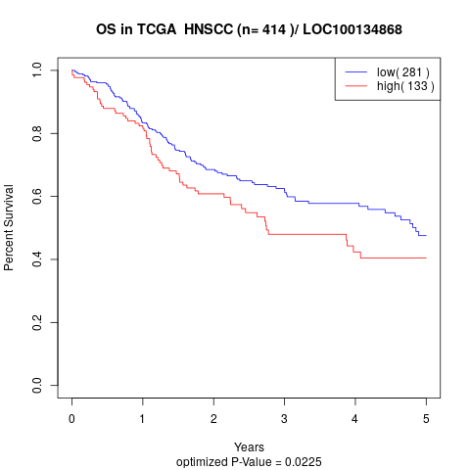

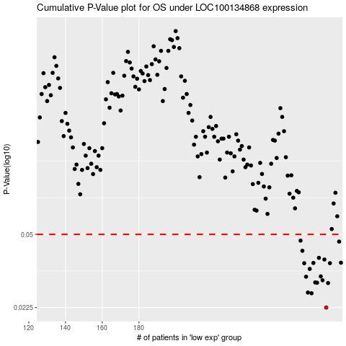

 |  |  |  |  |  | cases_OS | p_OS | rank | exp
 |  |  |  |  |  | 282 | 0.0225 | 325 | 0.12630551869
 |  |  |  |  |  | 274 | 0.0263 | 80 | 0.043994004156
 |  |  |  |  |  | 272 | 0.0265 | 404 | 0.037653028797
 |  |  |  |  |  | 283 | 0.0294 | 90 | 0.12792105382
 |  |  |  |  |  | 277 | 0.0295 | 65 | 0.075981599599
 |  |  |  |  |  | 276 | 0.0296 | 342 | 0.052233233285
 |  |  |  |  |  | 280 | 0.0303 | 202 | 0.099649189157
 |  |  |  |  |  | 271 | 0.0315 | 340 | 0.027919429678
 |  |  |  |  |  | 279 | 0.0316 | 259 | 0.099608800779
 |  |  |  |  |  | 273 | 0.0343 | 121 | 0.040762933909
 |  |  |  |  |  | 284 | 0.0365 | 257 | 0.13046552164
 |  |  |  |  |  | 270 | 0.0365 | 351 | 0.023799815113
 |  |  |  |  |  | 275 | 0.0366 | 95 | 0.051344688967
 |  |  |  |  |  | 290 | 0.0367 | 189 | 0.13781620645
 |  |  |  |  |  | 281 | 0.038 | 183 | 0.11305813068
 |  |  |  |  |  | 278 | 0.0387 | 136 | 0.087734617622
 |  |  |  |  |  | 269 | 0.0418 | 408 | 0.023638261601
 |  |  |  |  |  | 289 | 0.0462 | 160 | 0.1362410597
 |  |  |  |  |  | 268 | 0.0467 | 147 | 0.021174570538
 |  |  |  |  |  |  | cases_RFS | p_RFS | rank | exp
 |  |  |  |  |  |  | 281 | 0.0225 | 183 | 0.11305813068
 |  |  |  |  |  |  | 273 | 0.0263 | 121 | 0.040762933909
 |  |  |  |  |  |  | 271 | 0.0265 | 340 | 0.027919429678
 |  |  |  |  |  |  | 282 | 0.0294 | 325 | 0.12630551869
 |  |  |  |  |  |  | 276 | 0.0295 | 342 | 0.052233233285
 |  |  |  |  |  |  | 275 | 0.0296 | 95 | 0.051344688967
 |  |  |  |  |  |  | 279 | 0.0303 | 259 | 0.099608800779
 |  |  |  |  |  |  | 270 | 0.0315 | 351 | 0.023799815113
 |  |  |  |  |  |  | 278 | 0.0316 | 136 | 0.087734617622
 |  |  |  |  |  |  | 272 | 0.0343 | 404 | 0.037653028797
 |  |  |  |  |  |  | 283 | 0.0365 | 90 | 0.12792105382
 |  |  |  |  |  |  | 269 | 0.0365 | 408 | 0.023638261601
 |  |  |  |  |  |  | 274 | 0.0366 | 80 | 0.043994004156
 |  |  |  |  |  |  | 289 | 0.0367 | 160 | 0.1362410597
 |  |  |  |  |  |  | 280 | 0.038 | 202 | 0.099649189157
 |  |  |  |  |  |  | 277 | 0.0387 | 65 | 0.075981599599
 |  |  |  |  |  |  | 268 | 0.0418 | 147 | 0.021174570538
 |  |  |  |  |  |  | 288 | 0.0462 | 44 | 0.13583717592
 |  |  |  |  |  |  | 267 | 0.0467 | 205 | 0.0046961122794

