LOC100188947 _multivariate
Reported by Tex Li-Hsing Chi. tex@gate.sinica.edu.tw 2019-08-18

Table 2. The clinicopathological features of HNSCC cohort and LOC100188947 expression. (Chi square test)
Cutoff at -0.279 (50.0%)
 |  | LOC100188947 expression |  | LOC100188947 expression |  | (Optimised)
 | Features | Low | (%) | High | (%) | Case no | P-value | Remark | Matthews
Gender | Female | 154 | 37.1 | 152 | 36.6 | 415 | 0.8463 | 0 | 0
2 | Male | 53 | 12.8 | 56 | 13.5
Age at diagnosis | <=65y | 135 | 32.5 | 139 | 33.5 | 415 | 0.8084 | 0 | 0
4 | >65y | 72 | 17.3 | 69 | 16.6
Clinical T Status | T1+T2 | 75 | 18.1 | 74 | 17.8 | 415 | 0.9707 | 0 | 0
6 | T3+T4 | 132 | 31.8 | 134 | 32.3
Clinical N Status | N0 | 101 | 24.3 | 115 | 27.7 | 415 | 0.2201 | 0 | 0
8 | N1-3 | 106 | 25.5 | 93 | 22.4
Clinical M Status | M0 | 206 | 49.6 | 206 | 49.6 | 415 | 1 | 0 | 0
10 | M1 | 1 | 0.2 | 2 | 0.5
Clinical Stage | Stage I+II | 46 | 11.1 | 56 | 13.5 | 415 | 0.3182 | 0 | 0
12 | Stage III+IV | 161 | 38.8 | 152 | 36.6
Surgical Margin status | Negative | 163 | 39.3 | 155 | 37.3 | 415 | 0.3537 | 0 | 0
14 | Positive | 44 | 10.6 | 53 | 12.8
Tobacco Exposure | Low | 72 | 17.3 | 89 | 21.4 | 415 | 0.1071 | 0 | 0
16 | High | 135 | 32.5 | 119 | 28.7

Table 3. Univariate/Multivariate Cox's proportional hazards regression analyses on OS time of LOC100188947 gene expression in HNSCC

 |  | Univariate |  |  |  | Multivariate
 | Features | HR | CI95%(L) | CI95%(H) | P-value | HR | CI95%(L) | CI95%(H) | P-value
1 | Female | 1 |  |  |  | 1
Gender | Male | 1.157 | 0.843 | 1.587 | 0.367 | 1.199 | 0.858 | 1.676 | 0.288
11 | <=65y | 1 |  |  |  | 1
Age at diagnosis | >65y | 1.329 | 0.99 | 1.784 | 0.058 | 1.393 | 1.024 | 1.896 | 0.035
12 | T1+T2 | 1 |  |  |  | 1
Clinical T Status | T3+T4 | 1.409 | 1.028 | 1.931 | 0.033 | 2.261 | 1.194 | 4.284 | 0.012
13 | N0 | 1 |  |  |  | 1
Clinical N Status | N1-3 | 1.185 | 0.89 | 1.577 | 0.246 | 1.201 | 0.839 | 1.718 | 0.317
14 | M0 | 1 |  |  |  | 1
Clinical M Status | M1 | 4.097 | 1.009 | 16.644 | 0.049 | 10.64 | 2.306 | 49.098 | 0.002
15 | Stage I+II | 1 |  |  |  | 1
Clinical Stage | Stage III+IV | 1.245 | 0.882 | 1.759 | 0.213 | 0.49 | 0.228 | 1.052 | 0.067
16 | Negative | 1 |  |  |  | 1
Surgical Margin status | Positive | 1.591 | 1.155 | 2.191 | 0.004 | 1.711 | 1.237 | 2.368 | 0.001
17 | Low | 1 |  |  |  | 1
Tobacco Exposure | High | 1.364 | 1.008 | 1.844 | 0.044 | 1.422 | 1.031 | 1.962 | 0.032
18 | Low | 1 |  |  |  | 1
RNAseq(z-score) | High | 0.79 | 0.589 | 1.058 | 0.113 | 0.767 | 0.57 | 1.033 | 0.081

Table 4. Univariate/Multivariate Cox's proportional hazards regression analyses on RFS time of LOC100188947 gene expression in HNSCC

 |  | Univariate |  |  |  | Multivariate
 | Features | HR | CI95%(L) | CI95%(H) | P-value | HR | CI95%(L) | CI95%(H) | P-value
1 | Female | 1 |  |  |  | 1
Gender | Male | 1.157 | 0.843 | 1.587 | 0.367 | 1.199 | 0.858 | 1.676 | 0.288
11 | <=65y | 1 |  |  |  | 1
Age at diagnosis | >65y | 1.329 | 0.99 | 1.784 | 0.058 | 1.393 | 1.024 | 1.896 | 0.035
12 | T1+T2 | 1 |  |  |  | 1
Clinical T Status | T3+T4 | 1.409 | 1.028 | 1.931 | 0.033 | 2.261 | 1.194 | 4.284 | 0.012
13 | N0 | 1 |  |  |  | 1
Clinical N Status | N1-3 | 1.185 | 0.89 | 1.577 | 0.246 | 1.201 | 0.839 | 1.718 | 0.317
14 | M0 | 1 |  |  |  | 1
Clinical M Status | M1 | 4.097 | 1.009 | 16.644 | 0.049 | 10.64 | 2.306 | 49.098 | 0.002
15 | Stage I+II | 1 |  |  |  | 1
Clinical Stage | Stage III+IV | 1.245 | 0.882 | 1.759 | 0.213 | 0.49 | 0.228 | 1.052 | 0.067
16 | Negative | 1 |  |  |  | 1
Surgical Margin status | Positive | 1.591 | 1.155 | 2.191 | 0.004 | 1.711 | 1.237 | 2.368 | 0.001
17 | Low | 1 |  |  |  | 1
Tobacco Exposure | High | 1.364 | 1.008 | 1.844 | 0.044 | 1.422 | 1.031 | 1.962 | 0.032
18 | Low | 1 |  |  |  | 1
RNAseq(z-score) | High | 0.79 | 0.589 | 1.058 | 0.113 | 0.767 | 0.57 | 1.033 | 0.081

Kaplan-Meier survival estimate: Cutoff at -0.279 (50.0%)

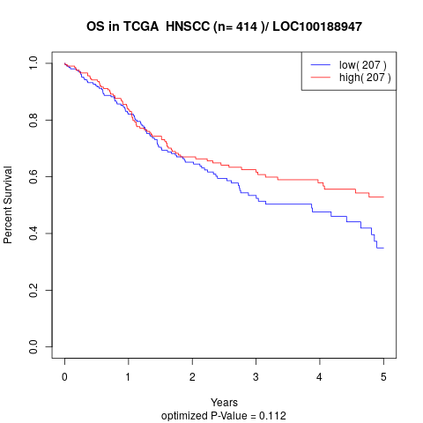

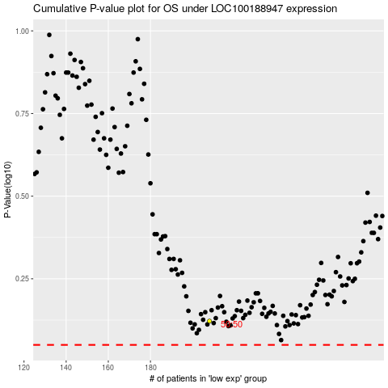

 |  |  |  |  |  | cases_OS | p_OS | rank | exp
 |  |  |  |  |  |  | cases_RFS | p_RFS | rank | exp

