LOC100190938 _multivariate
Reported by Tex Li-Hsing Chi. tex@gate.sinica.edu.tw 2019-08-18

Table 2. The clinicopathological features of HNSCC cohort and LOC100190938 expression. (Chi square test)
Cutoff at -0.243 (67.4%)
 |  | LOC100190938 expression |  | LOC100190938 expression |  | (Optimised)
 | Features | Low | (%) | High | (%) | Case no | P-value | Remark | Matthews
Gender | Female | 196 | 47.2 | 110 | 26.5 | 415 | 0.0177 | 1 | 0
2 | Male | 84 | 20.2 | 25 | 6
Age at diagnosis | <=65y | 185 | 44.6 | 89 | 21.4 | 415 | 1 | 0 | 0
4 | >65y | 95 | 22.9 | 46 | 11.1
Clinical T Status | T1+T2 | 84 | 20.2 | 65 | 15.7 | 415 | 5e-04 | 1 | 0
6 | T3+T4 | 196 | 47.2 | 70 | 16.9
Clinical N Status | N0 | 145 | 34.9 | 71 | 17.1 | 415 | 0.9607 | 0 | 0
8 | N1-3 | 135 | 32.5 | 64 | 15.4
Clinical M Status | M0 | 277 | 66.7 | 135 | 32.5 | 415 | 0.5541 | 0 | 0
10 | M1 | 3 | 0.7 | 0 | 0
Clinical Stage | Stage I+II | 64 | 15.4 | 38 | 9.2 | 415 | 0.2932 | 0 | 0
12 | Stage III+IV | 216 | 52 | 97 | 23.4
Surgical Margin status | Negative | 216 | 52 | 102 | 24.6 | 415 | 0.7123 | 0 | 0
14 | Positive | 64 | 15.4 | 33 | 8
Tobacco Exposure | Low | 110 | 26.5 | 51 | 12.3 | 415 | 0.8299 | 0 | 0
16 | High | 170 | 41 | 84 | 20.2

Table 3. Univariate/Multivariate Cox's proportional hazards regression analyses on OS time of LOC100190938 gene expression in HNSCC

 |  | Univariate |  |  |  | Multivariate
 | Features | HR | CI95%(L) | CI95%(H) | P-value | HR | CI95%(L) | CI95%(H) | P-value
1 | Female | 1 |  |  |  | 1
Gender | Male | 1.157 | 0.843 | 1.587 | 0.367 | 1.148 | 0.819 | 1.611 | 0.423
11 | <=65y | 1 |  |  |  | 1
Age at diagnosis | >65y | 1.329 | 0.99 | 1.784 | 0.058 | 1.429 | 1.051 | 1.944 | 0.023
12 | T1+T2 | 1 |  |  |  | 1
Clinical T Status | T3+T4 | 1.409 | 1.028 | 1.931 | 0.033 | 1.995 | 1.048 | 3.799 | 0.036
13 | N0 | 1 |  |  |  | 1
Clinical N Status | N1-3 | 1.185 | 0.89 | 1.577 | 0.246 | 1.236 | 0.866 | 1.763 | 0.243
14 | M0 | 1 |  |  |  | 1
Clinical M Status | M1 | 4.097 | 1.009 | 16.644 | 0.049 | 7.798 | 1.684 | 36.107 | 0.009
15 | Stage I+II | 1 |  |  |  | 1
Clinical Stage | Stage III+IV | 1.245 | 0.882 | 1.759 | 0.213 | 0.546 | 0.253 | 1.177 | 0.123
16 | Negative | 1 |  |  |  | 1
Surgical Margin status | Positive | 1.591 | 1.155 | 2.191 | 0.004 | 1.688 | 1.222 | 2.332 | 0.002
17 | Low | 1 |  |  |  | 1
Tobacco Exposure | High | 1.364 | 1.008 | 1.844 | 0.044 | 1.448 | 1.049 | 1.998 | 0.024
18 | Low | 1 |  |  |  | 1
RNAseq(z-score) | High | 0.672 | 0.486 | 0.929 | 0.016 | 0.72 | 0.516 | 1.004 | 0.053

Table 4. Univariate/Multivariate Cox's proportional hazards regression analyses on RFS time of LOC100190938 gene expression in HNSCC

 |  | Univariate |  |  |  | Multivariate
 | Features | HR | CI95%(L) | CI95%(H) | P-value | HR | CI95%(L) | CI95%(H) | P-value
1 | Female | 1 |  |  |  | 1
Gender | Male | 1.157 | 0.843 | 1.587 | 0.367 | 1.148 | 0.819 | 1.611 | 0.423
11 | <=65y | 1 |  |  |  | 1
Age at diagnosis | >65y | 1.329 | 0.99 | 1.784 | 0.058 | 1.429 | 1.051 | 1.944 | 0.023
12 | T1+T2 | 1 |  |  |  | 1
Clinical T Status | T3+T4 | 1.409 | 1.028 | 1.931 | 0.033 | 1.995 | 1.048 | 3.799 | 0.036
13 | N0 | 1 |  |  |  | 1
Clinical N Status | N1-3 | 1.185 | 0.89 | 1.577 | 0.246 | 1.236 | 0.866 | 1.763 | 0.243
14 | M0 | 1 |  |  |  | 1
Clinical M Status | M1 | 4.097 | 1.009 | 16.644 | 0.049 | 7.798 | 1.684 | 36.107 | 0.009
15 | Stage I+II | 1 |  |  |  | 1
Clinical Stage | Stage III+IV | 1.245 | 0.882 | 1.759 | 0.213 | 0.546 | 0.253 | 1.177 | 0.123
16 | Negative | 1 |  |  |  | 1
Surgical Margin status | Positive | 1.591 | 1.155 | 2.191 | 0.004 | 1.688 | 1.222 | 2.332 | 0.002
17 | Low | 1 |  |  |  | 1
Tobacco Exposure | High | 1.364 | 1.008 | 1.844 | 0.044 | 1.448 | 1.049 | 1.998 | 0.024
18 | Low | 1 |  |  |  | 1
RNAseq(z-score) | High | 0.672 | 0.486 | 0.929 | 0.016 | 0.72 | 0.516 | 1.004 | 0.053

Kaplan-Meier survival estimate: Cutoff at -0.243 (67.4%)

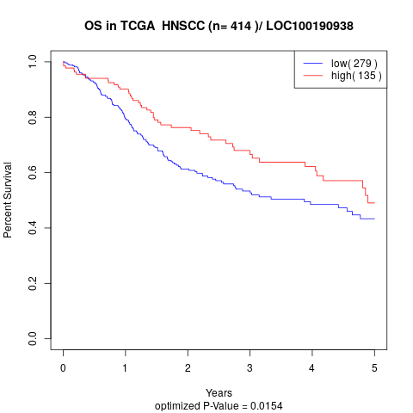

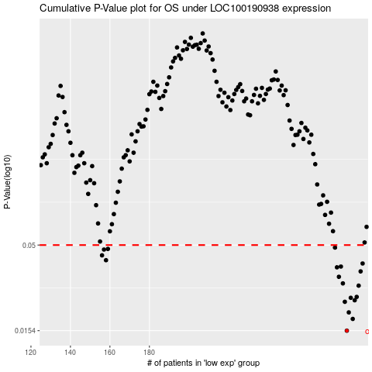

 |  |  |  |  |  | cases_OS | p_OS | rank | exp
 |  |  |  |  |  | 280 | 0.0154 | 75 | -0.24288175799
 |  |  |  |  |  | 283 | 0.0181 | 40 | -0.23863145328
 |  |  |  |  |  | 281 | 0.0198 | 329 | -0.24164841064
 |  |  |  |  |  | 279 | 0.0229 | 155 | -0.24336154367
 |  |  |  |  |  | 284 | 0.0234 | 27 | -0.23731407567
 |  |  |  |  |  | 282 | 0.0242 | 163 | -0.23889167602
 |  |  |  |  |  | 285 | 0.0245 | 91 | -0.23721649214
 |  |  |  |  |  | 286 | 0.0286 | 350 | -0.23480672117
 |  |  |  |  |  | 278 | 0.0295 | 200 | -0.24364074098
 |  |  |  |  |  | 276 | 0.0323 | 376 | -0.25292201862
 |  |  |  |  |  | 287 | 0.0348 | 8 | -0.23388780962
 |  |  |  |  |  | 275 | 0.0368 | 226 | -0.25295996777
 |  |  |  |  |  | 277 | 0.0372 | 202 | -0.24576318268
 |  |  |  |  |  | 288 | 0.0388 | 111 | -0.23077869004
 |  |  |  |  |  | 158 | 0.0406 | 5 | -0.39994244408
 |  |  |  |  |  | 156 | 0.0434 | 197 | -0.40230071264
 |  |  |  |  |  | 157 | 0.047 | 153 | -0.40213536277
 |  |  |  |  |  | 159 | 0.0474 | 399 | -0.39946807971
 |  |  |  |  |  | 274 | 0.0483 | 125 | -0.25484658262
 |  |  |  |  |  |  | cases_RFS | p_RFS | rank | exp
 |  |  |  |  |  |  | 279 | 0.0154 | 155 | -0.24336154367
 |  |  |  |  |  |  | 282 | 0.0181 | 163 | -0.23889167602
 |  |  |  |  |  |  | 280 | 0.0198 | 75 | -0.24288175799
 |  |  |  |  |  |  | 278 | 0.0229 | 200 | -0.24364074098
 |  |  |  |  |  |  | 283 | 0.0234 | 40 | -0.23863145328
 |  |  |  |  |  |  | 281 | 0.0242 | 329 | -0.24164841064
 |  |  |  |  |  |  | 284 | 0.0245 | 27 | -0.23731407567
 |  |  |  |  |  |  | 285 | 0.0286 | 91 | -0.23721649214
 |  |  |  |  |  |  | 277 | 0.0295 | 202 | -0.24576318268
 |  |  |  |  |  |  | 275 | 0.0323 | 226 | -0.25295996777
 |  |  |  |  |  |  | 286 | 0.0348 | 350 | -0.23480672117
 |  |  |  |  |  |  | 274 | 0.0368 | 125 | -0.25484658262
 |  |  |  |  |  |  | 276 | 0.0372 | 376 | -0.25292201862
 |  |  |  |  |  |  | 287 | 0.0388 | 8 | -0.23388780962
 |  |  |  |  |  |  | 157 | 0.0406 | 153 | -0.40213536277
 |  |  |  |  |  |  | 155 | 0.0434 | 4 | -0.40231155525
 |  |  |  |  |  |  | 156 | 0.047 | 197 | -0.40230071264
 |  |  |  |  |  |  | 158 | 0.0474 | 5 | -0.39994244408
 |  |  |  |  |  |  | 273 | 0.0483 | 206 | -0.25682264903

