LOC100190986 _multivariate
Reported by Tex Li-Hsing Chi. tex@gate.sinica.edu.tw 2019-08-18

Table 2. The clinicopathological features of HNSCC cohort and LOC100190986 expression. (Chi square test)
Cutoff at 0.216 (69.6%)
 |  | LOC100190986 expression |  | LOC100190986 expression |  | (Optimised)
 | Features | Low | (%) | High | (%) | Case no | P-value | Remark | Matthews
Gender | Female | 212 | 51.1 | 94 | 22.7 | 415 | 0.8854 | 0 | 0
2 | Male | 77 | 18.6 | 32 | 7.7
Age at diagnosis | <=65y | 190 | 45.8 | 84 | 20.2 | 415 | 0.9444 | 0 | 0
4 | >65y | 99 | 23.9 | 42 | 10.1
Clinical T Status | T1+T2 | 99 | 23.9 | 50 | 12 | 415 | 0.343 | 0 | 0
6 | T3+T4 | 190 | 45.8 | 76 | 18.3
Clinical N Status | N0 | 148 | 35.7 | 68 | 16.4 | 415 | 0.6817 | 0 | 0
8 | N1-3 | 141 | 34 | 58 | 14
Clinical M Status | M0 | 286 | 68.9 | 126 | 30.4 | 415 | 0.5566 | 0 | 0
10 | M1 | 3 | 0.7 | 0 | 0
Clinical Stage | Stage I+II | 65 | 15.7 | 37 | 8.9 | 415 | 0.1702 | 0 | 0
12 | Stage III+IV | 224 | 54 | 89 | 21.4
Surgical Margin status | Negative | 224 | 54 | 94 | 22.7 | 415 | 0.53 | 0 | 0
14 | Positive | 65 | 15.7 | 32 | 7.7
Tobacco Exposure | Low | 115 | 27.7 | 46 | 11.1 | 415 | 0.5842 | 0 | 0
16 | High | 174 | 41.9 | 80 | 19.3

Table 3. Univariate/Multivariate Cox's proportional hazards regression analyses on OS time of LOC100190986 gene expression in HNSCC

 |  | Univariate |  |  |  | Multivariate
 | Features | HR | CI95%(L) | CI95%(H) | P-value | HR | CI95%(L) | CI95%(H) | P-value
1 | Female | 1 |  |  |  | 1
Gender | Male | 1.157 | 0.843 | 1.587 | 0.367 | 1.191 | 0.852 | 1.666 | 0.306
11 | <=65y | 1 |  |  |  | 1
Age at diagnosis | >65y | 1.329 | 0.99 | 1.784 | 0.058 | 1.423 | 1.046 | 1.936 | 0.025
12 | T1+T2 | 1 |  |  |  | 1
Clinical T Status | T3+T4 | 1.409 | 1.028 | 1.931 | 0.033 | 2.143 | 1.133 | 4.054 | 0.019
13 | N0 | 1 |  |  |  | 1
Clinical N Status | N1-3 | 1.185 | 0.89 | 1.577 | 0.246 | 1.249 | 0.876 | 1.78 | 0.219
14 | M0 | 1 |  |  |  | 1
Clinical M Status | M1 | 4.097 | 1.009 | 16.644 | 0.049 | 8.231 | 1.792 | 37.812 | 0.007
15 | Stage I+II | 1 |  |  |  | 1
Clinical Stage | Stage III+IV | 1.245 | 0.882 | 1.759 | 0.213 | 0.501 | 0.234 | 1.076 | 0.076
16 | Negative | 1 |  |  |  | 1
Surgical Margin status | Positive | 1.591 | 1.155 | 2.191 | 0.004 | 1.65 | 1.195 | 2.278 | 0.002
17 | Low | 1 |  |  |  | 1
Tobacco Exposure | High | 1.364 | 1.008 | 1.844 | 0.044 | 1.469 | 1.064 | 2.029 | 0.02
18 | Low | 1 |  |  |  | 1
RNAseq(z-score) | High | 0.647 | 0.463 | 0.905 | 0.011 | 0.668 | 0.476 | 0.936 | 0.019

Table 4. Univariate/Multivariate Cox's proportional hazards regression analyses on RFS time of LOC100190986 gene expression in HNSCC

 |  | Univariate |  |  |  | Multivariate
 | Features | HR | CI95%(L) | CI95%(H) | P-value | HR | CI95%(L) | CI95%(H) | P-value
1 | Female | 1 |  |  |  | 1
Gender | Male | 1.157 | 0.843 | 1.587 | 0.367 | 1.191 | 0.852 | 1.666 | 0.306
11 | <=65y | 1 |  |  |  | 1
Age at diagnosis | >65y | 1.329 | 0.99 | 1.784 | 0.058 | 1.423 | 1.046 | 1.936 | 0.025
12 | T1+T2 | 1 |  |  |  | 1
Clinical T Status | T3+T4 | 1.409 | 1.028 | 1.931 | 0.033 | 2.143 | 1.133 | 4.054 | 0.019
13 | N0 | 1 |  |  |  | 1
Clinical N Status | N1-3 | 1.185 | 0.89 | 1.577 | 0.246 | 1.249 | 0.876 | 1.78 | 0.219
14 | M0 | 1 |  |  |  | 1
Clinical M Status | M1 | 4.097 | 1.009 | 16.644 | 0.049 | 8.231 | 1.792 | 37.812 | 0.007
15 | Stage I+II | 1 |  |  |  | 1
Clinical Stage | Stage III+IV | 1.245 | 0.882 | 1.759 | 0.213 | 0.501 | 0.234 | 1.076 | 0.076
16 | Negative | 1 |  |  |  | 1
Surgical Margin status | Positive | 1.591 | 1.155 | 2.191 | 0.004 | 1.65 | 1.195 | 2.278 | 0.002
17 | Low | 1 |  |  |  | 1
Tobacco Exposure | High | 1.364 | 1.008 | 1.844 | 0.044 | 1.469 | 1.064 | 2.029 | 0.02
18 | Low | 1 |  |  |  | 1
RNAseq(z-score) | High | 0.647 | 0.463 | 0.905 | 0.011 | 0.668 | 0.476 | 0.936 | 0.019

Kaplan-Meier survival estimate: Cutoff at 0.216 (69.6%)

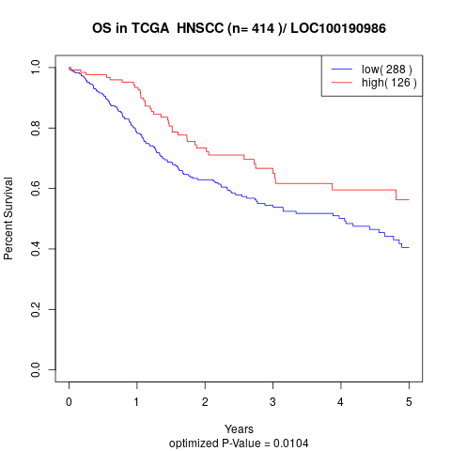

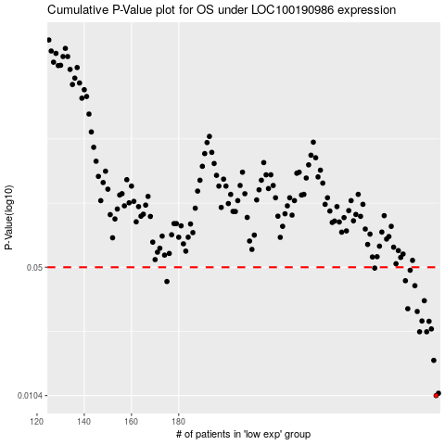

 |  |  |  |  |  | cases_OS | p_OS | rank | exp
 |  |  |  |  |  | 289 | 0.0104 | 173 | 0.21599966275
 |  |  |  |  |  | 290 | 0.0107 | 373 | 0.21647091587
 |  |  |  |  |  | 288 | 0.016 | 198 | 0.21463787983
 |  |  |  |  |  | 282 | 0.0227 | 351 | 0.18967359232
 |  |  |  |  |  | 285 | 0.0227 | 353 | 0.19689312081
 |  |  |  |  |  | 287 | 0.0235 | 264 | 0.20871429742
 |  |  |  |  |  | 286 | 0.0258 | 279 | 0.20486284269
 |  |  |  |  |  | 283 | 0.0259 | 166 | 0.19083786473
 |  |  |  |  |  | 281 | 0.0291 | 375 | 0.1813504306
 |  |  |  |  |  | 277 | 0.0301 | 182 | 0.13976927296
 |  |  |  |  |  | 284 | 0.0332 | 155 | 0.19187912622
 |  |  |  |  |  | 280 | 0.0399 | 133 | 0.17601937968
 |  |  |  |  |  | 175 | 0.042 | 362 | -0.39973238696
 |  |  |  |  |  | 276 | 0.0424 | 283 | 0.13694868444
 |  |  |  |  |  | 278 | 0.0482 | 367 | 0.15036034032
 |  |  |  |  |  | 263 | 0.0495 | 293 | 0.091048284054
 |  |  |  |  |  |  | cases_RFS | p_RFS | rank | exp
 |  |  |  |  |  |  | 288 | 0.0104 | 198 | 0.21463787983
 |  |  |  |  |  |  | 289 | 0.0107 | 173 | 0.21599966275
 |  |  |  |  |  |  | 287 | 0.016 | 264 | 0.20871429742
 |  |  |  |  |  |  | 284 | 0.0227 | 155 | 0.19187912622
 |  |  |  |  |  |  | 281 | 0.0227 | 375 | 0.1813504306
 |  |  |  |  |  |  | 286 | 0.0235 | 279 | 0.20486284269
 |  |  |  |  |  |  | 285 | 0.0258 | 353 | 0.19689312081
 |  |  |  |  |  |  | 282 | 0.0259 | 351 | 0.18967359232
 |  |  |  |  |  |  | 280 | 0.0291 | 133 | 0.17601937968
 |  |  |  |  |  |  | 276 | 0.0301 | 283 | 0.13694868444
 |  |  |  |  |  |  | 283 | 0.0332 | 166 | 0.19083786473
 |  |  |  |  |  |  | 279 | 0.0399 | 355 | 0.1586783044
 |  |  |  |  |  |  | 174 | 0.042 | 210 | -0.41121744921
 |  |  |  |  |  |  | 275 | 0.0424 | 78 | 0.13365337769
 |  |  |  |  |  |  | 277 | 0.0482 | 182 | 0.13976927296
 |  |  |  |  |  |  | 262 | 0.0495 | 366 | 0.090499066263

