LOC100216001 _multivariate
Reported by Tex Li-Hsing Chi. tex@gate.sinica.edu.tw 2019-08-18

Table 2. The clinicopathological features of HNSCC cohort and LOC100216001 expression. (Chi square test)
Cutoff at -0.482 (31.2%)
 |  | LOC100216001 expression |  | LOC100216001 expression |  | (Optimised)
 | Features | Low | (%) | High | (%) | Case no | P-value | Remark | Matthews
Gender | Female | 97 | 23.4 | 209 | 50.4 | 415 | 0.7391 | 0 | 0
2 | Male | 32 | 7.7 | 77 | 18.6
Age at diagnosis | <=65y | 86 | 20.7 | 188 | 45.3 | 415 | 0.9413 | 0 | 0
4 | >65y | 43 | 10.4 | 98 | 23.6
Clinical T Status | T1+T2 | 46 | 11.1 | 103 | 24.8 | 415 | 1 | 0 | 0
6 | T3+T4 | 83 | 20 | 183 | 44.1
Clinical N Status | N0 | 66 | 15.9 | 150 | 36.1 | 415 | 0.8916 | 0 | 0
8 | N1-3 | 63 | 15.2 | 136 | 32.8
Clinical M Status | M0 | 129 | 31.1 | 283 | 68.2 | 415 | 0.5554 | 0 | 0
10 | M1 | 0 | 0 | 3 | 0.7
Clinical Stage | Stage I+II | 24 | 5.8 | 78 | 18.8 | 415 | 0.0759 | 0 | 0
12 | Stage III+IV | 105 | 25.3 | 208 | 50.1
Surgical Margin status | Negative | 92 | 22.2 | 226 | 54.5 | 415 | 0.1031 | 0 | 0
14 | Positive | 37 | 8.9 | 60 | 14.5
Tobacco Exposure | Low | 47 | 11.3 | 114 | 27.5 | 415 | 0.5163 | 0 | 0
16 | High | 82 | 19.8 | 172 | 41.4

Table 3. Univariate/Multivariate Cox's proportional hazards regression analyses on OS time of LOC100216001 gene expression in HNSCC

 |  | Univariate |  |  |  | Multivariate
 | Features | HR | CI95%(L) | CI95%(H) | P-value | HR | CI95%(L) | CI95%(H) | P-value
1 | Female | 1 |  |  |  | 1
Gender | Male | 1.157 | 0.843 | 1.587 | 0.367 | 1.16 | 0.827 | 1.626 | 0.39
11 | <=65y | 1 |  |  |  | 1
Age at diagnosis | >65y | 1.329 | 0.99 | 1.784 | 0.058 | 1.377 | 1.014 | 1.871 | 0.041
12 | T1+T2 | 1 |  |  |  | 1
Clinical T Status | T3+T4 | 1.409 | 1.028 | 1.931 | 0.033 | 2.065 | 1.09 | 3.913 | 0.026
13 | N0 | 1 |  |  |  | 1
Clinical N Status | N1-3 | 1.185 | 0.89 | 1.577 | 0.246 | 1.195 | 0.837 | 1.706 | 0.326
14 | M0 | 1 |  |  |  | 1
Clinical M Status | M1 | 4.097 | 1.009 | 16.644 | 0.049 | 7.907 | 1.715 | 36.458 | 0.008
15 | Stage I+II | 1 |  |  |  | 1
Clinical Stage | Stage III+IV | 1.245 | 0.882 | 1.759 | 0.213 | 0.586 | 0.27 | 1.271 | 0.176
16 | Negative | 1 |  |  |  | 1
Surgical Margin status | Positive | 1.591 | 1.155 | 2.191 | 0.004 | 1.701 | 1.231 | 2.349 | 0.001
17 | Low | 1 |  |  |  | 1
Tobacco Exposure | High | 1.364 | 1.008 | 1.844 | 0.044 | 1.44 | 1.043 | 1.987 | 0.027
18 | Low | 1 |  |  |  | 1
RNAseq(z-score) | High | 1.468 | 1.058 | 2.036 | 0.021 | 1.447 | 1.033 | 2.028 | 0.032

Table 4. Univariate/Multivariate Cox's proportional hazards regression analyses on RFS time of LOC100216001 gene expression in HNSCC

 |  | Univariate |  |  |  | Multivariate
 | Features | HR | CI95%(L) | CI95%(H) | P-value | HR | CI95%(L) | CI95%(H) | P-value
1 | Female | 1 |  |  |  | 1
Gender | Male | 1.157 | 0.843 | 1.587 | 0.367 | 1.16 | 0.827 | 1.626 | 0.39
11 | <=65y | 1 |  |  |  | 1
Age at diagnosis | >65y | 1.329 | 0.99 | 1.784 | 0.058 | 1.377 | 1.014 | 1.871 | 0.041
12 | T1+T2 | 1 |  |  |  | 1
Clinical T Status | T3+T4 | 1.409 | 1.028 | 1.931 | 0.033 | 2.065 | 1.09 | 3.913 | 0.026
13 | N0 | 1 |  |  |  | 1
Clinical N Status | N1-3 | 1.185 | 0.89 | 1.577 | 0.246 | 1.195 | 0.837 | 1.706 | 0.326
14 | M0 | 1 |  |  |  | 1
Clinical M Status | M1 | 4.097 | 1.009 | 16.644 | 0.049 | 7.907 | 1.715 | 36.458 | 0.008
15 | Stage I+II | 1 |  |  |  | 1
Clinical Stage | Stage III+IV | 1.245 | 0.882 | 1.759 | 0.213 | 0.586 | 0.27 | 1.271 | 0.176
16 | Negative | 1 |  |  |  | 1
Surgical Margin status | Positive | 1.591 | 1.155 | 2.191 | 0.004 | 1.701 | 1.231 | 2.349 | 0.001
17 | Low | 1 |  |  |  | 1
Tobacco Exposure | High | 1.364 | 1.008 | 1.844 | 0.044 | 1.44 | 1.043 | 1.987 | 0.027
18 | Low | 1 |  |  |  | 1
RNAseq(z-score) | High | 1.468 | 1.058 | 2.036 | 0.021 | 1.447 | 1.033 | 2.028 | 0.032

Kaplan-Meier survival estimate: Cutoff at -0.482 (31.2%)

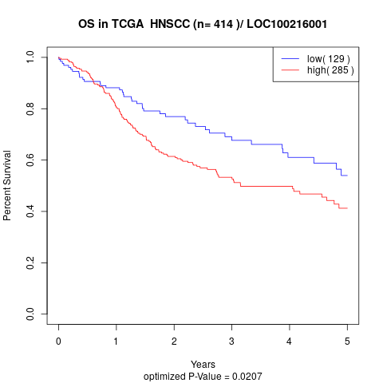

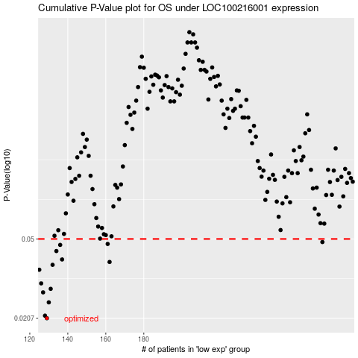

 |  |  |  |  |  | cases_OS | p_OS | rank | exp
 |  |  |  |  |  | 129 | 0.0207 | 3 | -0.48190190057
 |  |  |  |  |  | 128 | 0.0213 | 246 | -0.48389625616
 |  |  |  |  |  | 130 | 0.0247 | 278 | -0.48110415833
 |  |  |  |  |  | 127 | 0.0276 | 301 | -0.4840677166
 |  |  |  |  |  | 131 | 0.0287 | 92 | -0.4798696432
 |  |  |  |  |  | 126 | 0.0305 | 359 | -0.48649523539
 |  |  |  |  |  | 125 | 0.0355 | 91 | -0.48713776081
 |  |  |  |  |  | 132 | 0.0375 | 79 | -0.47981008326
 |  |  |  |  |  | 162 | 0.0387 | 62 | -0.40829844778
 |  |  |  |  |  | 137 | 0.0398 | 52 | -0.46852257207
 |  |  |  |  |  | 134 | 0.0437 | 161 | -0.4763014613
 |  |  |  |  |  | 136 | 0.0468 | 268 | -0.47091038424
 |  |  |  |  |  | 161 | 0.0473 | 30 | -0.40874965945
 |  |  |  |  |  | 274 | 0.0483 | 74 | -0.028686848696
 |  |  |  |  |  |  | cases_RFS | p_RFS | rank | exp
 |  |  |  |  |  |  | 128 | 0.0207 | 246 | -0.48389625616
 |  |  |  |  |  |  | 127 | 0.0213 | 301 | -0.4840677166
 |  |  |  |  |  |  | 129 | 0.0247 | 3 | -0.48190190057
 |  |  |  |  |  |  | 126 | 0.0276 | 359 | -0.48649523539
 |  |  |  |  |  |  | 130 | 0.0287 | 278 | -0.48110415833
 |  |  |  |  |  |  | 125 | 0.0305 | 91 | -0.48713776081
 |  |  |  |  |  |  |  | 0.0355 | 230 | -0.48804920839
 |  |  |  |  |  |  | 131 | 0.0375 | 92 | -0.4798696432
 |  |  |  |  |  |  | 161 | 0.0387 | 30 | -0.40874965945
 |  |  |  |  |  |  | 136 | 0.0398 | 268 | -0.47091038424
 |  |  |  |  |  |  | 133 | 0.0437 | 170 | -0.47751792796
 |  |  |  |  |  |  | 135 | 0.0468 | 157 | -0.47187778206
 |  |  |  |  |  |  | 160 | 0.0473 | 252 | -0.40944633027
 |  |  |  |  |  |  | 273 | 0.0483 | 135 | -0.029403372831

