LOC100233209 _multivariate
Reported by Tex Li-Hsing Chi. tex@gate.sinica.edu.tw 2019-08-18

Table 2. The clinicopathological features of HNSCC cohort and LOC100233209 expression. (Chi square test)
Cutoff at -0.342 (47.3%)
 |  | LOC100233209 expression |  | LOC100233209 expression |  | (Optimised)
 | Features | Low | (%) | High | (%) | Case no | P-value | Remark | Matthews
Gender | Female | 155 | 37.3 | 151 | 36.4 | 415 | 0.0258 | 1 | 0
2 | Male | 41 | 9.9 | 68 | 16.4
Age at diagnosis | <=65y | 137 | 33 | 137 | 33 | 415 | 0.1409 | 0 | 0
4 | >65y | 59 | 14.2 | 82 | 19.8
Clinical T Status | T1+T2 | 68 | 16.4 | 81 | 19.5 | 415 | 0.7013 | 0 | 0
6 | T3+T4 | 128 | 30.8 | 138 | 33.3
Clinical N Status | N0 | 114 | 27.5 | 102 | 24.6 | 415 | 0.0238 | 1 | 0
8 | N1-3 | 82 | 19.8 | 117 | 28.2
Clinical M Status | M0 | 196 | 47.2 | 216 | 52 | 415 | 0.2505 | 0 | 0
10 | M1 | 0 | 0 | 3 | 0.7
Clinical Stage | Stage I+II | 53 | 12.8 | 49 | 11.8 | 415 | 0.3231 | 0 | 0
12 | Stage III+IV | 143 | 34.5 | 170 | 41
Surgical Margin status | Negative | 146 | 35.2 | 172 | 41.4 | 415 | 0.3539 | 0 | 0
14 | Positive | 50 | 12 | 47 | 11.3
Tobacco Exposure | Low | 71 | 17.1 | 90 | 21.7 | 415 | 0.3151 | 0 | 0
16 | High | 125 | 30.1 | 129 | 31.1

Table 3. Univariate/Multivariate Cox's proportional hazards regression analyses on OS time of LOC100233209 gene expression in HNSCC

 |  | Univariate |  |  |  | Multivariate
 | Features | HR | CI95%(L) | CI95%(H) | P-value | HR | CI95%(L) | CI95%(H) | P-value
1 | Female | 1 |  |  |  | 1
Gender | Male | 1.157 | 0.843 | 1.587 | 0.367 | 1.215 | 0.869 | 1.697 | 0.254
11 | <=65y | 1 |  |  |  | 1
Age at diagnosis | >65y | 1.329 | 0.99 | 1.784 | 0.058 | 1.417 | 1.044 | 1.924 | 0.026
12 | T1+T2 | 1 |  |  |  | 1
Clinical T Status | T3+T4 | 1.409 | 1.028 | 1.931 | 0.033 | 2.157 | 1.141 | 4.08 | 0.018
13 | N0 | 1 |  |  |  | 1
Clinical N Status | N1-3 | 1.185 | 0.89 | 1.577 | 0.246 | 1.268 | 0.888 | 1.809 | 0.191
14 | M0 | 1 |  |  |  | 1
Clinical M Status | M1 | 4.097 | 1.009 | 16.644 | 0.049 | 10.939 | 2.37 | 50.485 | 0.002
15 | Stage I+II | 1 |  |  |  | 1
Clinical Stage | Stage III+IV | 1.245 | 0.882 | 1.759 | 0.213 | 0.512 | 0.239 | 1.098 | 0.086
16 | Negative | 1 |  |  |  | 1
Surgical Margin status | Positive | 1.591 | 1.155 | 2.191 | 0.004 | 1.685 | 1.219 | 2.33 | 0.002
17 | Low | 1 |  |  |  | 1
Tobacco Exposure | High | 1.364 | 1.008 | 1.844 | 0.044 | 1.422 | 1.031 | 1.96 | 0.032
18 | Low | 1 |  |  |  | 1
RNAseq(z-score) | High | 0.732 | 0.55 | 0.976 | 0.034 | 0.712 | 0.532 | 0.953 | 0.022

Table 4. Univariate/Multivariate Cox's proportional hazards regression analyses on RFS time of LOC100233209 gene expression in HNSCC

 |  | Univariate |  |  |  | Multivariate
 | Features | HR | CI95%(L) | CI95%(H) | P-value | HR | CI95%(L) | CI95%(H) | P-value
1 | Female | 1 |  |  |  | 1
Gender | Male | 1.157 | 0.843 | 1.587 | 0.367 | 1.215 | 0.869 | 1.697 | 0.254
11 | <=65y | 1 |  |  |  | 1
Age at diagnosis | >65y | 1.329 | 0.99 | 1.784 | 0.058 | 1.417 | 1.044 | 1.924 | 0.026
12 | T1+T2 | 1 |  |  |  | 1
Clinical T Status | T3+T4 | 1.409 | 1.028 | 1.931 | 0.033 | 2.157 | 1.141 | 4.08 | 0.018
13 | N0 | 1 |  |  |  | 1
Clinical N Status | N1-3 | 1.185 | 0.89 | 1.577 | 0.246 | 1.268 | 0.888 | 1.809 | 0.191
14 | M0 | 1 |  |  |  | 1
Clinical M Status | M1 | 4.097 | 1.009 | 16.644 | 0.049 | 10.939 | 2.37 | 50.485 | 0.002
15 | Stage I+II | 1 |  |  |  | 1
Clinical Stage | Stage III+IV | 1.245 | 0.882 | 1.759 | 0.213 | 0.512 | 0.239 | 1.098 | 0.086
16 | Negative | 1 |  |  |  | 1
Surgical Margin status | Positive | 1.591 | 1.155 | 2.191 | 0.004 | 1.685 | 1.219 | 2.33 | 0.002
17 | Low | 1 |  |  |  | 1
Tobacco Exposure | High | 1.364 | 1.008 | 1.844 | 0.044 | 1.422 | 1.031 | 1.96 | 0.032
18 | Low | 1 |  |  |  | 1
RNAseq(z-score) | High | 0.732 | 0.55 | 0.976 | 0.034 | 0.712 | 0.532 | 0.953 | 0.022

Kaplan-Meier survival estimate: Cutoff at -0.342 (47.3%)

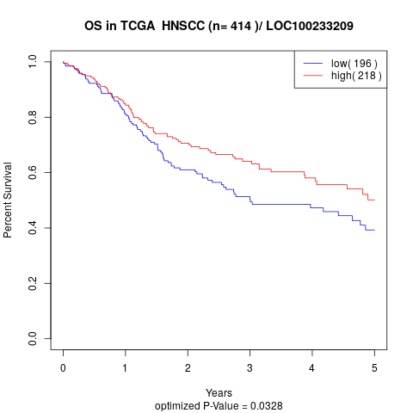

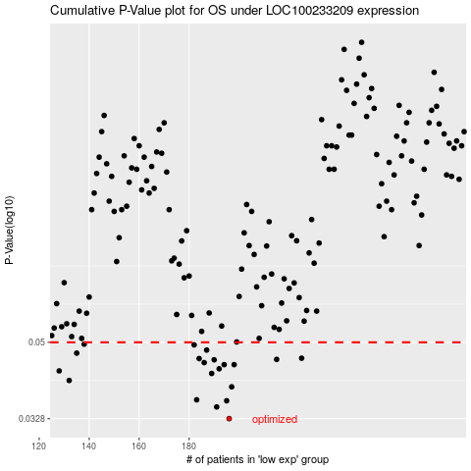

 |  |  |  |  |  | cases_OS | p_OS | rank | exp
 |  |  |  |  |  | 196 | 0.0328 | 93 | -0.34243893927
 |  |  |  |  |  | 191 | 0.035 | 30 | -0.35019125011
 |  |  |  |  |  | 195 | 0.0362 | 256 | -0.34553287167
 |  |  |  |  |  | 183 | 0.0364 | 121 | -0.37312043557
 |  |  |  |  |  | 197 | 0.0391 | 29 | -0.33696337811
 |  |  |  |  |  | 132 | 0.0405 | 262 | -0.48190187517
 |  |  |  |  |  | 189 | 0.0421 | 380 | -0.35125315064
 |  |  |  |  |  | 128 | 0.0427 | 132 | -0.49371387979
 |  |  |  |  |  | 192 | 0.0432 | 242 | -0.34869235348
 |  |  |  |  |  | 194 | 0.0442 | 90 | -0.3461228164
 |  |  |  |  |  | 198 | 0.0442 | 104 | -0.33695026823
 |  |  |  |  |  | 186 | 0.0447 | 313 | -0.35570614091
 |  |  |  |  |  | 190 | 0.0454 | 125 | -0.35054958691
 |  |  |  |  |  | 215 | 0.0455 | 17 | -0.29541815872
 |  |  |  |  |  | 184 | 0.0457 | 33 | -0.36831347845
 |  |  |  |  |  | 225 | 0.0458 | 402 | -0.26308918712
 |  |  |  |  |  | 135 | 0.0471 | 14 | -0.47737896551
 |  |  |  |  |  | 187 | 0.0479 | 84 | -0.35227572152
 |  |  |  |  |  | 182 | 0.0493 | 199 | -0.37379777952
 |  |  |  |  |  | 138 | 0.0495 | 47 | -0.47147951814
 |  |  |  |  |  |  | cases_RFS | p_RFS | rank | exp
 |  |  |  |  |  |  | 195 | 0.0328 | 256 | -0.34553287167
 |  |  |  |  |  |  | 190 | 0.035 | 125 | -0.35054958691
 |  |  |  |  |  |  | 194 | 0.0362 | 90 | -0.3461228164
 |  |  |  |  |  |  | 182 | 0.0364 | 199 | -0.37379777952
 |  |  |  |  |  |  | 196 | 0.0391 | 93 | -0.34243893927
 |  |  |  |  |  |  | 131 | 0.0405 | 229 | -0.48339203187
 |  |  |  |  |  |  | 188 | 0.0421 | 216 | -0.35182998549
 |  |  |  |  |  |  | 127 | 0.0427 | 297 | -0.49463594157
 |  |  |  |  |  |  | 191 | 0.0432 | 30 | -0.35019125011
 |  |  |  |  |  |  | 197 | 0.0442 | 29 | -0.33696337811
 |  |  |  |  |  |  | 193 | 0.0442 | 161 | -0.34783584112
 |  |  |  |  |  |  | 185 | 0.0447 | 267 | -0.36277673784
 |  |  |  |  |  |  | 189 | 0.0454 | 380 | -0.35125315064
 |  |  |  |  |  |  | 214 | 0.0455 | 371 | -0.29653249878
 |  |  |  |  |  |  | 183 | 0.0457 | 121 | -0.37312043557
 |  |  |  |  |  |  | 224 | 0.0458 | 281 | -0.2714532925
 |  |  |  |  |  |  | 134 | 0.0471 | 48 | -0.47909199023
 |  |  |  |  |  |  | 186 | 0.0479 | 313 | -0.35570614091
 |  |  |  |  |  |  | 181 | 0.0493 | 118 | -0.38367389142
 |  |  |  |  |  |  | 137 | 0.0495 | 212 | -0.47156691736

