LOC100240735 _multivariate
Reported by Tex Li-Hsing Chi. tex@gate.sinica.edu.tw 2019-08-18

Table 2. The clinicopathological features of HNSCC cohort and LOC100240735 expression. (Chi square test)
Cutoff at -0.144 (65.0%)
 |  | LOC100240735 expression |  | LOC100240735 expression |  | (Optimised)
 | Features | Low | (%) | High | (%) | Case no | P-value | Remark | Matthews
Gender | Female | 202 | 48.7 | 104 | 25.1 | 415 | 0.572 | 0 | 0
2 | Male | 68 | 16.4 | 41 | 9.9
Age at diagnosis | <=65y | 183 | 44.1 | 91 | 21.9 | 415 | 0.3573 | 0 | 0
4 | >65y | 87 | 21 | 54 | 13
Clinical T Status | T1+T2 | 85 | 20.5 | 64 | 15.4 | 415 | 0.0141 | 1 | 0
6 | T3+T4 | 185 | 44.6 | 81 | 19.5
Clinical N Status | N0 | 148 | 35.7 | 68 | 16.4 | 415 | 0.1509 | 0 | 0
8 | N1-3 | 122 | 29.4 | 77 | 18.6
Clinical M Status | M0 | 268 | 64.6 | 144 | 34.7 | 415 | 1 | 0 | 0
10 | M1 | 2 | 0.5 | 1 | 0.2
Clinical Stage | Stage I+II | 63 | 15.2 | 39 | 9.4 | 415 | 0.4938 | 0 | 0
12 | Stage III+IV | 207 | 49.9 | 106 | 25.5
Surgical Margin status | Negative | 209 | 50.4 | 109 | 26.3 | 415 | 0.6277 | 0 | 0
14 | Positive | 61 | 14.7 | 36 | 8.7
Tobacco Exposure | Low | 100 | 24.1 | 61 | 14.7 | 415 | 0.3423 | 0 | 0
16 | High | 170 | 41 | 84 | 20.2

Table 3. Univariate/Multivariate Cox's proportional hazards regression analyses on OS time of LOC100240735 gene expression in HNSCC

 |  | Univariate |  |  |  | Multivariate
 | Features | HR | CI95%(L) | CI95%(H) | P-value | HR | CI95%(L) | CI95%(H) | P-value
1 | Female | 1 |  |  |  | 1
Gender | Male | 1.157 | 0.843 | 1.587 | 0.367 | 1.164 | 0.831 | 1.631 | 0.376
11 | <=65y | 1 |  |  |  | 1
Age at diagnosis | >65y | 1.329 | 0.99 | 1.784 | 0.058 | 1.412 | 1.039 | 1.918 | 0.028
12 | T1+T2 | 1 |  |  |  | 1
Clinical T Status | T3+T4 | 1.409 | 1.028 | 1.931 | 0.033 | 2.106 | 1.113 | 3.984 | 0.022
13 | N0 | 1 |  |  |  | 1
Clinical N Status | N1-3 | 1.185 | 0.89 | 1.577 | 0.246 | 1.33 | 0.928 | 1.904 | 0.12
14 | M0 | 1 |  |  |  | 1
Clinical M Status | M1 | 4.097 | 1.009 | 16.644 | 0.049 | 9.073 | 1.979 | 41.602 | 0.005
15 | Stage I+II | 1 |  |  |  | 1
Clinical Stage | Stage III+IV | 1.245 | 0.882 | 1.759 | 0.213 | 0.494 | 0.23 | 1.062 | 0.071
16 | Negative | 1 |  |  |  | 1
Surgical Margin status | Positive | 1.591 | 1.155 | 2.191 | 0.004 | 1.736 | 1.255 | 2.402 | 0.001
17 | Low | 1 |  |  |  | 1
Tobacco Exposure | High | 1.364 | 1.008 | 1.844 | 0.044 | 1.407 | 1.02 | 1.941 | 0.037
18 | Low | 1 |  |  |  | 1
RNAseq(z-score) | High | 0.651 | 0.473 | 0.896 | 0.008 | 0.64 | 0.462 | 0.886 | 0.007

Table 4. Univariate/Multivariate Cox's proportional hazards regression analyses on RFS time of LOC100240735 gene expression in HNSCC

 |  | Univariate |  |  |  | Multivariate
 | Features | HR | CI95%(L) | CI95%(H) | P-value | HR | CI95%(L) | CI95%(H) | P-value
1 | Female | 1 |  |  |  | 1
Gender | Male | 1.157 | 0.843 | 1.587 | 0.367 | 1.164 | 0.831 | 1.631 | 0.376
11 | <=65y | 1 |  |  |  | 1
Age at diagnosis | >65y | 1.329 | 0.99 | 1.784 | 0.058 | 1.412 | 1.039 | 1.918 | 0.028
12 | T1+T2 | 1 |  |  |  | 1
Clinical T Status | T3+T4 | 1.409 | 1.028 | 1.931 | 0.033 | 2.106 | 1.113 | 3.984 | 0.022
13 | N0 | 1 |  |  |  | 1
Clinical N Status | N1-3 | 1.185 | 0.89 | 1.577 | 0.246 | 1.33 | 0.928 | 1.904 | 0.12
14 | M0 | 1 |  |  |  | 1
Clinical M Status | M1 | 4.097 | 1.009 | 16.644 | 0.049 | 9.073 | 1.979 | 41.602 | 0.005
15 | Stage I+II | 1 |  |  |  | 1
Clinical Stage | Stage III+IV | 1.245 | 0.882 | 1.759 | 0.213 | 0.494 | 0.23 | 1.062 | 0.071
16 | Negative | 1 |  |  |  | 1
Surgical Margin status | Positive | 1.591 | 1.155 | 2.191 | 0.004 | 1.736 | 1.255 | 2.402 | 0.001
17 | Low | 1 |  |  |  | 1
Tobacco Exposure | High | 1.364 | 1.008 | 1.844 | 0.044 | 1.407 | 1.02 | 1.941 | 0.037
18 | Low | 1 |  |  |  | 1
RNAseq(z-score) | High | 0.651 | 0.473 | 0.896 | 0.008 | 0.64 | 0.462 | 0.886 | 0.007

Kaplan-Meier survival estimate: Cutoff at -0.144 (65.0%)

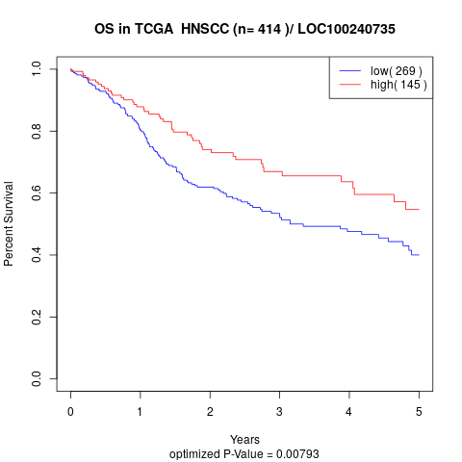

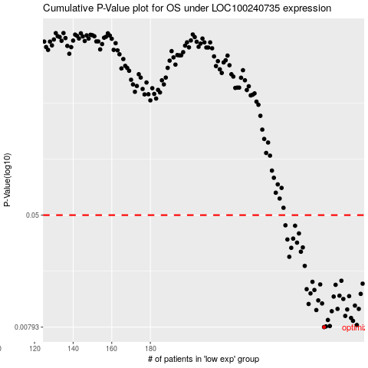

 |  |  |  |  |  | cases_OS | p_OS | rank | exp
 |  |  |  |  |  | 270 | 0.00793 | 306 | -0.14431540003
 |  |  |  |  |  | 271 | 0.00802 | 22 | -0.136321744
 |  |  |  |  |  | 273 | 0.00807 | 328 | -0.11625328267
 |  |  |  |  |  | 287 | 0.00821 | 165 | -0.036991292514
 |  |  |  |  |  | 285 | 0.00879 | 347 | -0.056182812683
 |  |  |  |  |  | 272 | 0.00892 | 279 | -0.1216498437
 |  |  |  |  |  | 284 | 0.00922 | 228 | -0.058273980082
 |  |  |  |  |  | 281 | 0.00953 | 415 | -0.076386188045
 |  |  |  |  |  | 274 | 0.0103 | 14 | -0.11193603384
 |  |  |  |  |  | 266 | 0.0105 | 292 | -0.17092719162
 |  |  |  |  |  | 282 | 0.0106 | 300 | -0.075171961813
 |  |  |  |  |  | 288 | 0.0107 | 130 | -0.030346776744
 |  |  |  |  |  | 277 | 0.0107 | 135 | -0.092373500101
 |  |  |  |  |  | 286 | 0.0113 | 86 | -0.043096152181
 |  |  |  |  |  | 262 | 0.0116 | 162 | -0.19220987919
 |  |  |  |  |  | 269 | 0.0117 | 159 | -0.14461895659
 |  |  |  |  |  | 267 | 0.0123 | 189 | -0.15372565333
 |  |  |  |  |  | 280 | 0.0126 | 410 | -0.07709448668
 |  |  |  |  |  | 275 | 0.0131 | 407 | -0.10249205204
 |  |  |  |  |  | 283 | 0.0132 | 97 | -0.061478188195
 |  |  |  |  |  | 278 | 0.0133 | 60 | -0.081715292063
 |  |  |  |  |  | 289 | 0.0137 | 295 | -0.022993962338
 |  |  |  |  |  | 263 | 0.0138 | 15 | -0.19140039503
 |  |  |  |  |  | 265 | 0.0146 | 23 | -0.17885339063
 |  |  |  |  |  | 261 | 0.0148 | 203 | -0.19372766198
 |  |  |  |  |  | 276 | 0.0159 | 21 | -0.096623291913
 |  |  |  |  |  | 268 | 0.016 | 253 | -0.14998178911
 |  |  |  |  |  | 290 | 0.0162 | 384 | -0.0227915913
 |  |  |  |  |  | 264 | 0.0167 | 211 | -0.18192268472
 |  |  |  |  |  | 279 | 0.017 | 237 | -0.079624124664
 |  |  |  |  |  | 260 | 0.0217 | 85 | -0.19757271171
 |  |  |  |  |  | 252 | 0.0252 | 330 | -0.21801218662
 |  |  |  |  |  | 258 | 0.0274 | 98 | -0.20084437684
 |  |  |  |  |  | 253 | 0.0292 | 341 | -0.21497662104
 |  |  |  |  |  | 259 | 0.0294 | 52 | -0.20016980671
 |  |  |  |  |  | 256 | 0.0318 | 317 | -0.20280063021
 |  |  |  |  |  | 251 | 0.0335 | 339 | -0.21848438571
 |  |  |  |  |  | 254 | 0.034 | 6 | -0.20870311884
 |  |  |  |  |  | 257 | 0.037 | 12 | -0.20256453066
 |  |  |  |  |  | 255 | 0.042 | 137 | -0.20826464825
 |  |  |  |  |  | 250 | 0.0423 | 260 | -0.22563482907
 |  |  |  |  |  |  | cases_RFS | p_RFS | rank | exp
 |  |  |  |  |  |  | 269 | 0.00793 | 159 | -0.14461895659
 |  |  |  |  |  |  | 270 | 0.00802 | 306 | -0.14431540003
 |  |  |  |  |  |  | 272 | 0.00807 | 279 | -0.1216498437
 |  |  |  |  |  |  | 286 | 0.00821 | 86 | -0.043096152181
 |  |  |  |  |  |  | 284 | 0.00879 | 228 | -0.058273980082
 |  |  |  |  |  |  | 271 | 0.00892 | 22 | -0.136321744
 |  |  |  |  |  |  | 283 | 0.00922 | 97 | -0.061478188195
 |  |  |  |  |  |  | 280 | 0.00953 | 410 | -0.07709448668
 |  |  |  |  |  |  | 273 | 0.0103 | 328 | -0.11625328267
 |  |  |  |  |  |  | 265 | 0.0105 | 23 | -0.17885339063
 |  |  |  |  |  |  | 281 | 0.0106 | 415 | -0.076386188045
 |  |  |  |  |  |  | 276 | 0.0107 | 21 | -0.096623291913
 |  |  |  |  |  |  | 287 | 0.0107 | 165 | -0.036991292514
 |  |  |  |  |  |  | 285 | 0.0113 | 347 | -0.056182812683
 |  |  |  |  |  |  | 261 | 0.0116 | 203 | -0.19372766198
 |  |  |  |  |  |  | 268 | 0.0117 | 253 | -0.14998178911
 |  |  |  |  |  |  | 266 | 0.0123 | 292 | -0.17092719162
 |  |  |  |  |  |  | 279 | 0.0126 | 237 | -0.079624124664
 |  |  |  |  |  |  | 274 | 0.0131 | 14 | -0.11193603384
 |  |  |  |  |  |  | 282 | 0.0132 | 300 | -0.075171961813
 |  |  |  |  |  |  | 277 | 0.0133 | 135 | -0.092373500101
 |  |  |  |  |  |  | 288 | 0.0137 | 130 | -0.030346776744
 |  |  |  |  |  |  | 262 | 0.0138 | 162 | -0.19220987919
 |  |  |  |  |  |  | 264 | 0.0146 | 211 | -0.18192268472
 |  |  |  |  |  |  | 260 | 0.0148 | 85 | -0.19757271171
 |  |  |  |  |  |  | 275 | 0.0159 | 407 | -0.10249205204
 |  |  |  |  |  |  | 267 | 0.016 | 189 | -0.15372565333
 |  |  |  |  |  |  | 289 | 0.0162 | 295 | -0.022993962338
 |  |  |  |  |  |  | 263 | 0.0167 | 15 | -0.19140039503
 |  |  |  |  |  |  | 278 | 0.017 | 60 | -0.081715292063
 |  |  |  |  |  |  | 259 | 0.0217 | 52 | -0.20016980671
 |  |  |  |  |  |  | 251 | 0.0252 | 339 | -0.21848438571
 |  |  |  |  |  |  | 257 | 0.0274 | 12 | -0.20256453066
 |  |  |  |  |  |  | 252 | 0.0292 | 330 | -0.21801218662
 |  |  |  |  |  |  | 258 | 0.0294 | 98 | -0.20084437684
 |  |  |  |  |  |  | 255 | 0.0318 | 137 | -0.20826464825
 |  |  |  |  |  |  | 250 | 0.0335 | 260 | -0.22563482907
 |  |  |  |  |  |  | 253 | 0.034 | 341 | -0.21497662104
 |  |  |  |  |  |  | 256 | 0.037 | 317 | -0.20280063021
 |  |  |  |  |  |  | 254 | 0.042 | 6 | -0.20870311884
 |  |  |  |  |  |  | 249 | 0.0423 | 68 | -0.2262756707

