LOC100268168 _multivariate
Reported by Tex Li-Hsing Chi. tex@gate.sinica.edu.tw 2019-08-18

Table 2. The clinicopathological features of HNSCC cohort and LOC100268168 expression. (Chi square test)
Cutoff at -0.178 (50.0%)
 |  | LOC100268168 expression |  | LOC100268168 expression |  | (Optimised)
 | Features | Low | (%) | High | (%) | Case no | P-value | Remark | Matthews
Gender | Female | 153 | 36.9 | 153 | 36.9 | 415 | 1 | 0 | 0
2 | Male | 54 | 13 | 55 | 13.3
Age at diagnosis | <=65y | 141 | 34 | 133 | 32 | 415 | 0.4272 | 0 | 0
4 | >65y | 66 | 15.9 | 75 | 18.1
Clinical T Status | T1+T2 | 79 | 19 | 70 | 16.9 | 415 | 0.3924 | 0 | 0
6 | T3+T4 | 128 | 30.8 | 138 | 33.3
Clinical N Status | N0 | 96 | 23.1 | 120 | 28.9 | 415 | 0.0272 | 1 | 0
8 | N1-3 | 111 | 26.7 | 88 | 21.2
Clinical M Status | M0 | 204 | 49.2 | 208 | 50.1 | 415 | 0.1232 | 0 | 0
10 | M1 | 3 | 0.7 | 0 | 0
Clinical Stage | Stage I+II | 54 | 13 | 48 | 11.6 | 415 | 0.5498 | 0 | 0
12 | Stage III+IV | 153 | 36.9 | 160 | 38.6
Surgical Margin status | Negative | 166 | 40 | 152 | 36.6 | 415 | 0.1042 | 0 | 0
14 | Positive | 41 | 9.9 | 56 | 13.5
Tobacco Exposure | Low | 75 | 18.1 | 86 | 20.7 | 415 | 0.3141 | 0 | 0
16 | High | 132 | 31.8 | 122 | 29.4

Table 3. Univariate/Multivariate Cox's proportional hazards regression analyses on OS time of LOC100268168 gene expression in HNSCC

 |  | Univariate |  |  |  | Multivariate
 | Features | HR | CI95%(L) | CI95%(H) | P-value | HR | CI95%(L) | CI95%(H) | P-value
1 | Female | 1 |  |  |  | 1
Gender | Male | 1.157 | 0.843 | 1.587 | 0.367 | 1.204 | 0.862 | 1.681 | 0.277
11 | <=65y | 1 |  |  |  | 1
Age at diagnosis | >65y | 1.329 | 0.99 | 1.784 | 0.058 | 1.395 | 1.026 | 1.896 | 0.034
12 | T1+T2 | 1 |  |  |  | 1
Clinical T Status | T3+T4 | 1.409 | 1.028 | 1.931 | 0.033 | 2.251 | 1.189 | 4.262 | 0.013
13 | N0 | 1 |  |  |  | 1
Clinical N Status | N1-3 | 1.185 | 0.89 | 1.577 | 0.246 | 1.285 | 0.894 | 1.848 | 0.175
14 | M0 | 1 |  |  |  | 1
Clinical M Status | M1 | 4.097 | 1.009 | 16.644 | 0.049 | 10.206 | 2.204 | 47.258 | 0.003
15 | Stage I+II | 1 |  |  |  | 1
Clinical Stage | Stage III+IV | 1.245 | 0.882 | 1.759 | 0.213 | 0.481 | 0.223 | 1.04 | 0.063
16 | Negative | 1 |  |  |  | 1
Surgical Margin status | Positive | 1.591 | 1.155 | 2.191 | 0.004 | 1.648 | 1.191 | 2.279 | 0.003
17 | Low | 1 |  |  |  | 1
Tobacco Exposure | High | 1.364 | 1.008 | 1.844 | 0.044 | 1.444 | 1.049 | 1.988 | 0.024
18 | Low | 1 |  |  |  | 1
RNAseq(z-score) | High | 1.13 | 0.847 | 1.507 | 0.406 | 1.153 | 0.857 | 1.552 | 0.347

Table 4. Univariate/Multivariate Cox's proportional hazards regression analyses on RFS time of LOC100268168 gene expression in HNSCC

 |  | Univariate |  |  |  | Multivariate
 | Features | HR | CI95%(L) | CI95%(H) | P-value | HR | CI95%(L) | CI95%(H) | P-value
1 | Female | 1 |  |  |  | 1
Gender | Male | 1.157 | 0.843 | 1.587 | 0.367 | 1.204 | 0.862 | 1.681 | 0.277
11 | <=65y | 1 |  |  |  | 1
Age at diagnosis | >65y | 1.329 | 0.99 | 1.784 | 0.058 | 1.395 | 1.026 | 1.896 | 0.034
12 | T1+T2 | 1 |  |  |  | 1
Clinical T Status | T3+T4 | 1.409 | 1.028 | 1.931 | 0.033 | 2.251 | 1.189 | 4.262 | 0.013
13 | N0 | 1 |  |  |  | 1
Clinical N Status | N1-3 | 1.185 | 0.89 | 1.577 | 0.246 | 1.285 | 0.894 | 1.848 | 0.175
14 | M0 | 1 |  |  |  | 1
Clinical M Status | M1 | 4.097 | 1.009 | 16.644 | 0.049 | 10.206 | 2.204 | 47.258 | 0.003
15 | Stage I+II | 1 |  |  |  | 1
Clinical Stage | Stage III+IV | 1.245 | 0.882 | 1.759 | 0.213 | 0.481 | 0.223 | 1.04 | 0.063
16 | Negative | 1 |  |  |  | 1
Surgical Margin status | Positive | 1.591 | 1.155 | 2.191 | 0.004 | 1.648 | 1.191 | 2.279 | 0.003
17 | Low | 1 |  |  |  | 1
Tobacco Exposure | High | 1.364 | 1.008 | 1.844 | 0.044 | 1.444 | 1.049 | 1.988 | 0.024
18 | Low | 1 |  |  |  | 1
RNAseq(z-score) | High | 1.13 | 0.847 | 1.507 | 0.406 | 1.153 | 0.857 | 1.552 | 0.347

Kaplan-Meier survival estimate: Cutoff at -0.178 (50.0%)

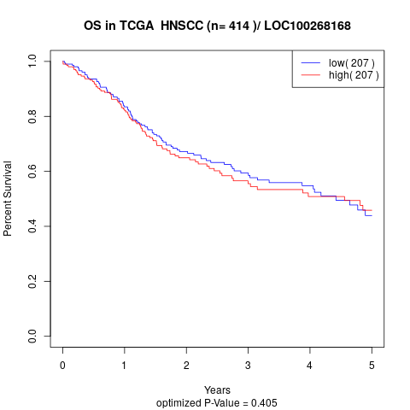

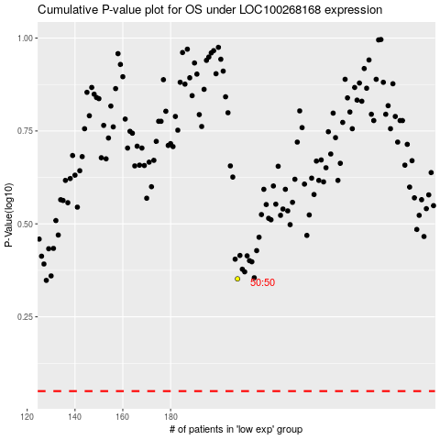

 |  |  |  |  |  | cases_OS | p_OS | rank | exp
 |  |  |  |  |  |  | cases_RFS | p_RFS | rank | exp

