LOC100270710 _multivariate
Reported by Tex Li-Hsing Chi. tex@gate.sinica.edu.tw 2019-08-18

Table 2. The clinicopathological features of HNSCC cohort and LOC100270710 expression. (Chi square test)
Cutoff at -0.294 (39.9%)
 |  | LOC100270710 expression |  | LOC100270710 expression |  | (Optimised)
 | Features | Low | (%) | High | (%) | Case no | P-value | Remark | Matthews
Gender | Female | 119 | 28.7 | 187 | 45.1 | 415 | 0.6221 | 0 | 0
2 | Male | 46 | 11.1 | 63 | 15.2
Age at diagnosis | <=65y | 113 | 27.2 | 161 | 38.8 | 415 | 0.4509 | 0 | 0
4 | >65y | 52 | 12.5 | 89 | 21.4
Clinical T Status | T1+T2 | 68 | 16.4 | 81 | 19.5 | 415 | 0.0842 | 0 | 0
6 | T3+T4 | 97 | 23.4 | 169 | 40.7
Clinical N Status | N0 | 90 | 21.7 | 126 | 30.4 | 415 | 0.4673 | 0 | 0
8 | N1-3 | 75 | 18.1 | 124 | 29.9
Clinical M Status | M0 | 164 | 39.5 | 248 | 59.8 | 415 | 1 | 0 | 0
10 | M1 | 1 | 0.2 | 2 | 0.5
Clinical Stage | Stage I+II | 40 | 9.6 | 62 | 14.9 | 415 | 0.9899 | 0 | 0
12 | Stage III+IV | 125 | 30.1 | 188 | 45.3
Surgical Margin status | Negative | 127 | 30.6 | 191 | 46 | 415 | 0.9063 | 0 | 0
14 | Positive | 38 | 9.2 | 59 | 14.2
Tobacco Exposure | Low | 61 | 14.7 | 100 | 24.1 | 415 | 0.6069 | 0 | 0
16 | High | 104 | 25.1 | 150 | 36.1

Table 3. Univariate/Multivariate Cox's proportional hazards regression analyses on OS time of LOC100270710 gene expression in HNSCC

 |  | Univariate |  |  |  | Multivariate
 | Features | HR | CI95%(L) | CI95%(H) | P-value | HR | CI95%(L) | CI95%(H) | P-value
1 | Female | 1 |  |  |  | 1
Gender | Male | 1.157 | 0.843 | 1.587 | 0.367 | 1.216 | 0.869 | 1.702 | 0.253
11 | <=65y | 1 |  |  |  | 1
Age at diagnosis | >65y | 1.329 | 0.99 | 1.784 | 0.058 | 1.363 | 1.002 | 1.855 | 0.049
12 | T1+T2 | 1 |  |  |  | 1
Clinical T Status | T3+T4 | 1.409 | 1.028 | 1.931 | 0.033 | 1.992 | 1.042 | 3.81 | 0.037
13 | N0 | 1 |  |  |  | 1
Clinical N Status | N1-3 | 1.185 | 0.89 | 1.577 | 0.246 | 1.19 | 0.831 | 1.704 | 0.343
14 | M0 | 1 |  |  |  | 1
Clinical M Status | M1 | 4.097 | 1.009 | 16.644 | 0.049 | 8.365 | 1.813 | 38.603 | 0.006
15 | Stage I+II | 1 |  |  |  | 1
Clinical Stage | Stage III+IV | 1.245 | 0.882 | 1.759 | 0.213 | 0.562 | 0.259 | 1.218 | 0.144
16 | Negative | 1 |  |  |  | 1
Surgical Margin status | Positive | 1.591 | 1.155 | 2.191 | 0.004 | 1.664 | 1.205 | 2.3 | 0.002
17 | Low | 1 |  |  |  | 1
Tobacco Exposure | High | 1.364 | 1.008 | 1.844 | 0.044 | 1.475 | 1.069 | 2.035 | 0.018
18 | Low | 1 |  |  |  | 1
RNAseq(z-score) | High | 1.416 | 1.046 | 1.916 | 0.024 | 1.29 | 0.946 | 1.761 | 0.108

Table 4. Univariate/Multivariate Cox's proportional hazards regression analyses on RFS time of LOC100270710 gene expression in HNSCC

 |  | Univariate |  |  |  | Multivariate
 | Features | HR | CI95%(L) | CI95%(H) | P-value | HR | CI95%(L) | CI95%(H) | P-value
1 | Female | 1 |  |  |  | 1
Gender | Male | 1.157 | 0.843 | 1.587 | 0.367 | 1.216 | 0.869 | 1.702 | 0.253
11 | <=65y | 1 |  |  |  | 1
Age at diagnosis | >65y | 1.329 | 0.99 | 1.784 | 0.058 | 1.363 | 1.002 | 1.855 | 0.049
12 | T1+T2 | 1 |  |  |  | 1
Clinical T Status | T3+T4 | 1.409 | 1.028 | 1.931 | 0.033 | 1.992 | 1.042 | 3.81 | 0.037
13 | N0 | 1 |  |  |  | 1
Clinical N Status | N1-3 | 1.185 | 0.89 | 1.577 | 0.246 | 1.19 | 0.831 | 1.704 | 0.343
14 | M0 | 1 |  |  |  | 1
Clinical M Status | M1 | 4.097 | 1.009 | 16.644 | 0.049 | 8.365 | 1.813 | 38.603 | 0.006
15 | Stage I+II | 1 |  |  |  | 1
Clinical Stage | Stage III+IV | 1.245 | 0.882 | 1.759 | 0.213 | 0.562 | 0.259 | 1.218 | 0.144
16 | Negative | 1 |  |  |  | 1
Surgical Margin status | Positive | 1.591 | 1.155 | 2.191 | 0.004 | 1.664 | 1.205 | 2.3 | 0.002
17 | Low | 1 |  |  |  | 1
Tobacco Exposure | High | 1.364 | 1.008 | 1.844 | 0.044 | 1.475 | 1.069 | 2.035 | 0.018
18 | Low | 1 |  |  |  | 1
RNAseq(z-score) | High | 1.416 | 1.046 | 1.916 | 0.024 | 1.29 | 0.946 | 1.761 | 0.108

Kaplan-Meier survival estimate: Cutoff at -0.294 (39.9%)

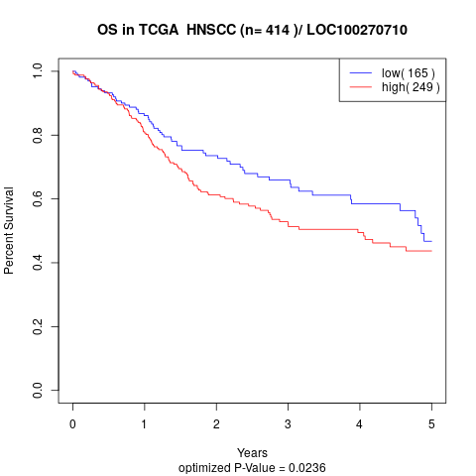

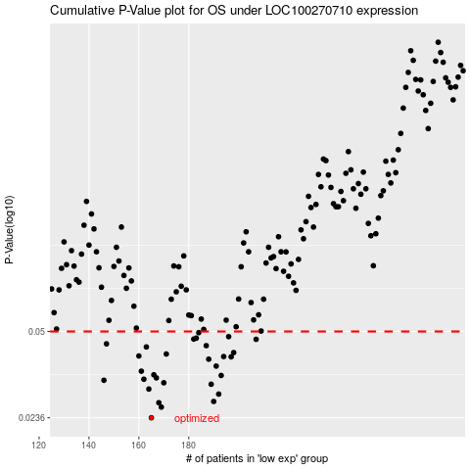

 |  |  |  |  |  | cases_OS | p_OS | rank | exp
 |  |  |  |  |  | 165 | 0.0236 | 349 | -0.29448787784
 |  |  |  |  |  | 169 | 0.0259 | 203 | -0.28974578321
 |  |  |  |  |  | 168 | 0.0269 | 356 | -0.2902979905
 |  |  |  |  |  | 190 | 0.0272 | 229 | -0.20823385059
 |  |  |  |  |  | 192 | 0.029 | 244 | -0.20202643859
 |  |  |  |  |  | 164 | 0.0303 | 166 | -0.29547710454
 |  |  |  |  |  | 189 | 0.0316 | 187 | -0.20921497362
 |  |  |  |  |  | 170 | 0.032 | 86 | -0.27684647545
 |  |  |  |  |  | 146 | 0.0327 | 113 | -0.36971107233
 |  |  |  |  |  | 162 | 0.033 | 123 | -0.29921376513
 |  |  |  |  |  | 167 | 0.0334 | 150 | -0.29395506147
 |  |  |  |  |  | 193 | 0.0341 | 251 | -0.20096630477
 |  |  |  |  |  | 166 | 0.0343 | 25 | -0.2940537526
 |  |  |  |  |  | 161 | 0.0354 | 98 | -0.31668643751
 |  |  |  |  |  | 191 | 0.037 | 49 | -0.20245390724
 |  |  |  |  |  | 188 | 0.0393 | 59 | -0.21064064088
 |  |  |  |  |  | 197 | 0.0401 | 280 | -0.18797612013
 |  |  |  |  |  | 194 | 0.0402 | 289 | -0.20018372168
 |  |  |  |  |  | 160 | 0.0404 | 36 | -0.32860780583
 |  |  |  |  |  | 171 | 0.0411 | 204 | -0.27544685569
 |  |  |  |  |  | 198 | 0.0416 | 236 | -0.18730496252
 |  |  |  |  |  | 163 | 0.0437 | 272 | -0.29666197701
 |  |  |  |  |  | 187 | 0.0442 | 29 | -0.21599282618
 |  |  |  |  |  | 147 | 0.0449 | 249 | -0.3583419113
 |  |  |  |  |  | 207 | 0.0467 | 206 | -0.15444052469
 |  |  |  |  |  | 182 | 0.0468 | 179 | -0.22781463511
 |  |  |  |  |  | 183 | 0.0472 | 212 | -0.22713913625
 |  |  |  |  |  | 196 | 0.0478 | 95 | -0.1923370528
 |  |  |  |  |  | 184 | 0.0495 | 278 | -0.22630966763
 |  |  |  |  |  |  | cases_RFS | p_RFS | rank | exp
 |  |  |  |  |  |  | 164 | 0.0236 | 166 | -0.29547710454
 |  |  |  |  |  |  | 168 | 0.0259 | 356 | -0.2902979905
 |  |  |  |  |  |  | 167 | 0.0269 | 150 | -0.29395506147
 |  |  |  |  |  |  | 189 | 0.0272 | 187 | -0.20921497362
 |  |  |  |  |  |  | 191 | 0.029 | 49 | -0.20245390724
 |  |  |  |  |  |  | 163 | 0.0303 | 272 | -0.29666197701
 |  |  |  |  |  |  | 188 | 0.0316 | 59 | -0.21064064088
 |  |  |  |  |  |  | 169 | 0.032 | 203 | -0.28974578321
 |  |  |  |  |  |  | 145 | 0.0327 | 245 | -0.37838894632
 |  |  |  |  |  |  | 161 | 0.033 | 98 | -0.31668643751
 |  |  |  |  |  |  | 166 | 0.0334 | 25 | -0.2940537526
 |  |  |  |  |  |  | 192 | 0.0341 | 244 | -0.20202643859
 |  |  |  |  |  |  | 165 | 0.0343 | 349 | -0.29448787784
 |  |  |  |  |  |  | 160 | 0.0354 | 36 | -0.32860780583
 |  |  |  |  |  |  | 190 | 0.037 | 229 | -0.20823385059
 |  |  |  |  |  |  | 187 | 0.0393 | 29 | -0.21599282618
 |  |  |  |  |  |  | 196 | 0.0401 | 95 | -0.1923370528
 |  |  |  |  |  |  | 193 | 0.0402 | 251 | -0.20096630477
 |  |  |  |  |  |  | 159 | 0.0404 | 109 | -0.32889346024
 |  |  |  |  |  |  | 170 | 0.0411 | 86 | -0.27684647545
 |  |  |  |  |  |  | 197 | 0.0416 | 280 | -0.18797612013
 |  |  |  |  |  |  | 162 | 0.0437 | 123 | -0.29921376513
 |  |  |  |  |  |  | 186 | 0.0442 | 320 | -0.22481135674
 |  |  |  |  |  |  | 146 | 0.0449 | 113 | -0.36971107233
 |  |  |  |  |  |  | 206 | 0.0467 | 170 | -0.15887004916
 |  |  |  |  |  |  | 181 | 0.0468 | 6 | -0.23315929556
 |  |  |  |  |  |  | 182 | 0.0472 | 179 | -0.22781463511
 |  |  |  |  |  |  | 195 | 0.0478 | 311 | -0.19787996378
 |  |  |  |  |  |  | 183 | 0.0495 | 212 | -0.22713913625

