LOC100271831 _multivariate
Reported by Tex Li-Hsing Chi. tex@gate.sinica.edu.tw 2019-08-18

Table 2. The clinicopathological features of HNSCC cohort and LOC100271831 expression. (Chi square test)
Cutoff at -0.215 (50.0%)
 |  | LOC100271831 expression |  | LOC100271831 expression |  | (Optimised)
 | Features | Low | (%) | High | (%) | Case no | P-value | Remark | Matthews
Gender | Female | 158 | 38.1 | 148 | 35.7 | 415 | 0.2774 | 0 | 0
2 | Male | 49 | 11.8 | 60 | 14.5
Age at diagnosis | <=65y | 138 | 33.3 | 136 | 32.8 | 415 | 0.8634 | 0 | 0
4 | >65y | 69 | 16.6 | 72 | 17.3
Clinical T Status | T1+T2 | 84 | 20.2 | 65 | 15.7 | 415 | 0.0603 | 0 | 0
6 | T3+T4 | 123 | 29.6 | 143 | 34.5
Clinical N Status | N0 | 113 | 27.2 | 103 | 24.8 | 415 | 0.3495 | 1 | 0
8 | N1-3 | 94 | 22.7 | 105 | 25.3
Clinical M Status | M0 | 206 | 49.6 | 206 | 49.6 | 415 | 1 | 0 | 0
10 | M1 | 1 | 0.2 | 2 | 0.5
Clinical Stage | Stage I+II | 59 | 14.2 | 43 | 10.4 | 415 | 0.0822 | 0 | 0
12 | Stage III+IV | 148 | 35.7 | 165 | 39.8
Surgical Margin status | Negative | 157 | 37.8 | 161 | 38.8 | 415 | 0.729 | 0 | 0
14 | Positive | 50 | 12 | 47 | 11.3
Tobacco Exposure | Low | 72 | 17.3 | 89 | 21.4 | 415 | 0.1071 | 0 | 0
16 | High | 135 | 32.5 | 119 | 28.7

Table 3. Univariate/Multivariate Cox's proportional hazards regression analyses on OS time of LOC100271831 gene expression in HNSCC

 |  | Univariate |  |  |  | Multivariate
 | Features | HR | CI95%(L) | CI95%(H) | P-value | HR | CI95%(L) | CI95%(H) | P-value
1 | Female | 1 |  |  |  | 1
Gender | Male | 1.157 | 0.843 | 1.587 | 0.367 | 1.195 | 0.854 | 1.67 | 0.299
11 | <=65y | 1 |  |  |  | 1
Age at diagnosis | >65y | 1.329 | 0.99 | 1.784 | 0.058 | 1.394 | 1.025 | 1.895 | 0.034
12 | T1+T2 | 1 |  |  |  | 1
Clinical T Status | T3+T4 | 1.409 | 1.028 | 1.931 | 0.033 | 2.177 | 1.149 | 4.125 | 0.017
13 | N0 | 1 |  |  |  | 1
Clinical N Status | N1-3 | 1.185 | 0.89 | 1.577 | 0.246 | 1.239 | 0.869 | 1.768 | 0.236
14 | M0 | 1 |  |  |  | 1
Clinical M Status | M1 | 4.097 | 1.009 | 16.644 | 0.049 | 9.124 | 1.98 | 42.047 | 0.005
15 | Stage I+II | 1 |  |  |  | 1
Clinical Stage | Stage III+IV | 1.245 | 0.882 | 1.759 | 0.213 | 0.508 | 0.236 | 1.09 | 0.082
16 | Negative | 1 |  |  |  | 1
Surgical Margin status | Positive | 1.591 | 1.155 | 2.191 | 0.004 | 1.667 | 1.207 | 2.304 | 0.002
17 | Low | 1 |  |  |  | 1
Tobacco Exposure | High | 1.364 | 1.008 | 1.844 | 0.044 | 1.463 | 1.061 | 2.019 | 0.02
18 | Low | 1 |  |  |  | 1
RNAseq(z-score) | High | 1.119 | 0.838 | 1.492 | 0.446 | 1.072 | 0.8 | 1.436 | 0.643

Table 4. Univariate/Multivariate Cox's proportional hazards regression analyses on RFS time of LOC100271831 gene expression in HNSCC

 |  | Univariate |  |  |  | Multivariate
 | Features | HR | CI95%(L) | CI95%(H) | P-value | HR | CI95%(L) | CI95%(H) | P-value
1 | Female | 1 |  |  |  | 1
Gender | Male | 1.157 | 0.843 | 1.587 | 0.367 | 1.195 | 0.854 | 1.67 | 0.299
11 | <=65y | 1 |  |  |  | 1
Age at diagnosis | >65y | 1.329 | 0.99 | 1.784 | 0.058 | 1.394 | 1.025 | 1.895 | 0.034
12 | T1+T2 | 1 |  |  |  | 1
Clinical T Status | T3+T4 | 1.409 | 1.028 | 1.931 | 0.033 | 2.177 | 1.149 | 4.125 | 0.017
13 | N0 | 1 |  |  |  | 1
Clinical N Status | N1-3 | 1.185 | 0.89 | 1.577 | 0.246 | 1.239 | 0.869 | 1.768 | 0.236
14 | M0 | 1 |  |  |  | 1
Clinical M Status | M1 | 4.097 | 1.009 | 16.644 | 0.049 | 9.124 | 1.98 | 42.047 | 0.005
15 | Stage I+II | 1 |  |  |  | 1
Clinical Stage | Stage III+IV | 1.245 | 0.882 | 1.759 | 0.213 | 0.508 | 0.236 | 1.09 | 0.082
16 | Negative | 1 |  |  |  | 1
Surgical Margin status | Positive | 1.591 | 1.155 | 2.191 | 0.004 | 1.667 | 1.207 | 2.304 | 0.002
17 | Low | 1 |  |  |  | 1
Tobacco Exposure | High | 1.364 | 1.008 | 1.844 | 0.044 | 1.463 | 1.061 | 2.019 | 0.02
18 | Low | 1 |  |  |  | 1
RNAseq(z-score) | High | 1.119 | 0.838 | 1.492 | 0.446 | 1.072 | 0.8 | 1.436 | 0.643

Kaplan-Meier survival estimate: Cutoff at -0.215 (50.0%)

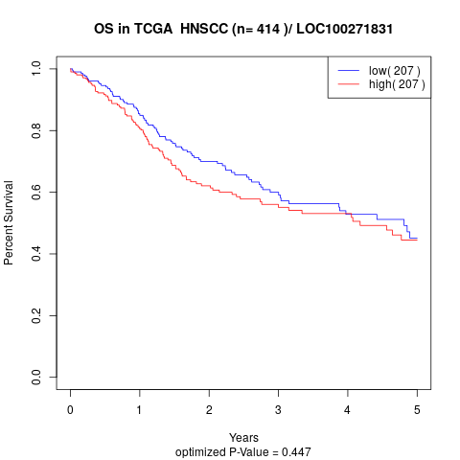

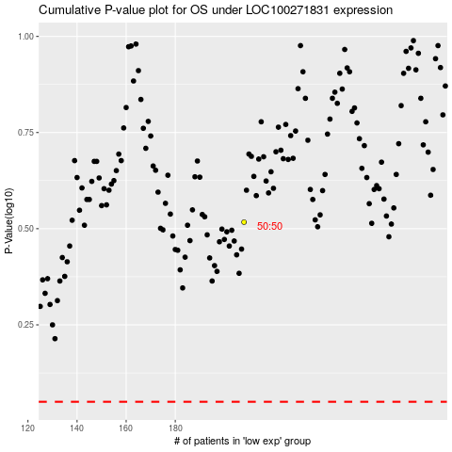

 |  |  |  |  |  | cases_OS | p_OS | rank | exp
 |  |  |  |  |  |  | cases_RFS | p_RFS | rank | exp

