LOC100271836 _multivariate
Reported by Tex Li-Hsing Chi. tex@gate.sinica.edu.tw 2019-08-18

Table 2. The clinicopathological features of HNSCC cohort and LOC100271836 expression. (Chi square test)
Cutoff at 0.112 (57.5%)
 |  | LOC100271836 expression |  | LOC100271836 expression |  | (Optimised)
 | Features | Low | (%) | High | (%) | Case no | P-value | Remark | Matthews
Gender | Female | 171 | 41.2 | 135 | 32.5 | 415 | 0.2861 | 0 | 0
2 | Male | 68 | 16.4 | 41 | 9.9
Age at diagnosis | <=65y | 155 | 37.3 | 119 | 28.7 | 415 | 0.6299 | 0 | 0
4 | >65y | 84 | 20.2 | 57 | 13.7
Clinical T Status | T1+T2 | 94 | 22.7 | 55 | 13.3 | 415 | 0.1113 | 0 | 0
6 | T3+T4 | 145 | 34.9 | 121 | 29.2
Clinical N Status | N0 | 129 | 31.1 | 87 | 21 | 415 | 0.4144 | 0 | 0
8 | N1-3 | 110 | 26.5 | 89 | 21.4
Clinical M Status | M0 | 236 | 56.9 | 176 | 42.4 | 415 | 0.2655 | 0 | 0
10 | M1 | 3 | 0.7 | 0 | 0
Clinical Stage | Stage I+II | 65 | 15.7 | 37 | 8.9 | 415 | 0.1841 | 0 | 0
12 | Stage III+IV | 174 | 41.9 | 139 | 33.5
Surgical Margin status | Negative | 180 | 43.4 | 138 | 33.3 | 415 | 0.4834 | 0 | 0
14 | Positive | 59 | 14.2 | 38 | 9.2
Tobacco Exposure | Low | 100 | 24.1 | 61 | 14.7 | 415 | 0.1539 | 0 | 0
16 | High | 139 | 33.5 | 115 | 27.7

Table 3. Univariate/Multivariate Cox's proportional hazards regression analyses on OS time of LOC100271836 gene expression in HNSCC

 |  | Univariate |  |  |  | Multivariate
 | Features | HR | CI95%(L) | CI95%(H) | P-value | HR | CI95%(L) | CI95%(H) | P-value
1 | Female | 1 |  |  |  | 1
Gender | Male | 1.157 | 0.843 | 1.587 | 0.367 | 1.19 | 0.851 | 1.665 | 0.309
11 | <=65y | 1 |  |  |  | 1
Age at diagnosis | >65y | 1.329 | 0.99 | 1.784 | 0.058 | 1.396 | 1.027 | 1.896 | 0.033
12 | T1+T2 | 1 |  |  |  | 1
Clinical T Status | T3+T4 | 1.409 | 1.028 | 1.931 | 0.033 | 2.299 | 1.215 | 4.353 | 0.011
13 | N0 | 1 |  |  |  | 1
Clinical N Status | N1-3 | 1.185 | 0.89 | 1.577 | 0.246 | 1.267 | 0.889 | 1.805 | 0.191
14 | M0 | 1 |  |  |  | 1
Clinical M Status | M1 | 4.097 | 1.009 | 16.644 | 0.049 | 8.293 | 1.803 | 38.138 | 0.007
15 | Stage I+II | 1 |  |  |  | 1
Clinical Stage | Stage III+IV | 1.245 | 0.882 | 1.759 | 0.213 | 0.503 | 0.235 | 1.078 | 0.077
16 | Negative | 1 |  |  |  | 1
Surgical Margin status | Positive | 1.591 | 1.155 | 2.191 | 0.004 | 1.625 | 1.176 | 2.247 | 0.003
17 | Low | 1 |  |  |  | 1
Tobacco Exposure | High | 1.364 | 1.008 | 1.844 | 0.044 | 1.44 | 1.044 | 1.988 | 0.026
18 | Low | 1 |  |  |  | 1
RNAseq(z-score) | High | 0.712 | 0.529 | 0.958 | 0.025 | 0.707 | 0.523 | 0.957 | 0.025

Table 4. Univariate/Multivariate Cox's proportional hazards regression analyses on RFS time of LOC100271836 gene expression in HNSCC

 |  | Univariate |  |  |  | Multivariate
 | Features | HR | CI95%(L) | CI95%(H) | P-value | HR | CI95%(L) | CI95%(H) | P-value
1 | Female | 1 |  |  |  | 1
Gender | Male | 1.157 | 0.843 | 1.587 | 0.367 | 1.19 | 0.851 | 1.665 | 0.309
11 | <=65y | 1 |  |  |  | 1
Age at diagnosis | >65y | 1.329 | 0.99 | 1.784 | 0.058 | 1.396 | 1.027 | 1.896 | 0.033
12 | T1+T2 | 1 |  |  |  | 1
Clinical T Status | T3+T4 | 1.409 | 1.028 | 1.931 | 0.033 | 2.299 | 1.215 | 4.353 | 0.011
13 | N0 | 1 |  |  |  | 1
Clinical N Status | N1-3 | 1.185 | 0.89 | 1.577 | 0.246 | 1.267 | 0.889 | 1.805 | 0.191
14 | M0 | 1 |  |  |  | 1
Clinical M Status | M1 | 4.097 | 1.009 | 16.644 | 0.049 | 8.293 | 1.803 | 38.138 | 0.007
15 | Stage I+II | 1 |  |  |  | 1
Clinical Stage | Stage III+IV | 1.245 | 0.882 | 1.759 | 0.213 | 0.503 | 0.235 | 1.078 | 0.077
16 | Negative | 1 |  |  |  | 1
Surgical Margin status | Positive | 1.591 | 1.155 | 2.191 | 0.004 | 1.625 | 1.176 | 2.247 | 0.003
17 | Low | 1 |  |  |  | 1
Tobacco Exposure | High | 1.364 | 1.008 | 1.844 | 0.044 | 1.44 | 1.044 | 1.988 | 0.026
18 | Low | 1 |  |  |  | 1
RNAseq(z-score) | High | 0.712 | 0.529 | 0.958 | 0.025 | 0.707 | 0.523 | 0.957 | 0.025

Kaplan-Meier survival estimate: Cutoff at 0.112 (57.5%)

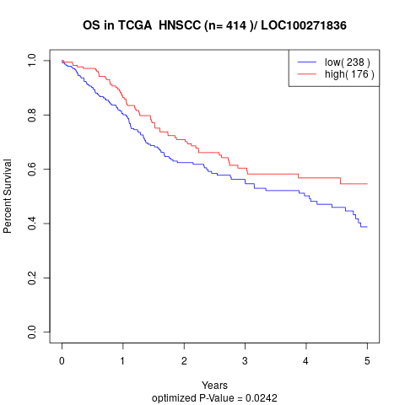

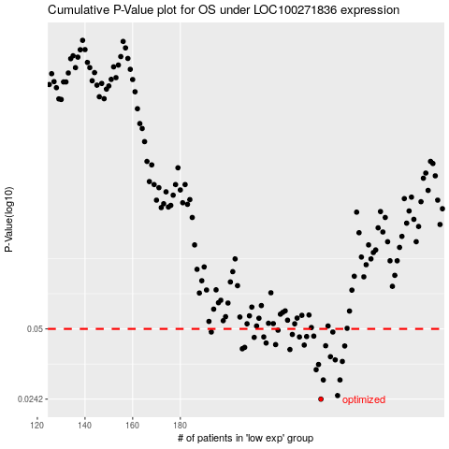

 |  |  |  |  |  | cases_OS | p_OS | rank | exp
 |  |  |  |  |  | 239 | 0.0242 | 350 | 0.11205738987
 |  |  |  |  |  | 246 | 0.0251 | 303 | 0.13238937139
 |  |  |  |  |  | 240 | 0.0295 | 131 | 0.1125776316
 |  |  |  |  |  | 247 | 0.0295 | 135 | 0.13255839002
 |  |  |  |  |  | 237 | 0.0328 | 298 | 0.096094719596
 |  |  |  |  |  | 238 | 0.0346 | 394 | 0.10969352656
 |  |  |  |  |  | 248 | 0.0357 | 47 | 0.13268545366
 |  |  |  |  |  | 245 | 0.0363 | 297 | 0.12961315059
 |  |  |  |  |  | 243 | 0.0375 | 45 | 0.12756155218
 |  |  |  |  |  | 226 | 0.0404 | 39 | 0.051867580241
 |  |  |  |  |  | 206 | 0.0407 | 259 | -0.037058991646
 |  |  |  |  |  | 207 | 0.0413 | 109 | -0.035519843324
 |  |  |  |  |  | 249 | 0.0419 | 262 | 0.14716711323
 |  |  |  |  |  | 241 | 0.042 | 139 | 0.11680549463
 |  |  |  |  |  | 232 | 0.0423 | 415 | 0.081726338469
 |  |  |  |  |  | 220 | 0.0425 | 171 | 0.020920390022
 |  |  |  |  |  | 216 | 0.0432 | 34 | -0.0066787929822
 |  |  |  |  |  | 211 | 0.0458 | 353 | -0.018929047096
 |  |  |  |  |  | 230 | 0.046 | 189 | 0.072713210558
 |  |  |  |  |  | 215 | 0.046 | 279 | -0.011806889963
 |  |  |  |  |  | 233 | 0.0462 | 40 | 0.083234919593
 |  |  |  |  |  | 236 | 0.0464 | 216 | 0.093119512325
 |  |  |  |  |  | 227 | 0.0472 | 312 | 0.053138816063
 |  |  |  |  |  | 193 | 0.0484 | 127 | -0.10949545925
 |  |  |  |  |  | 244 | 0.0484 | 207 | 0.12839226074
 |  |  |  |  |  | 221 | 0.0493 | 170 | 0.027521706074
 |  |  |  |  |  |  | cases_RFS | p_RFS | rank | exp
 |  |  |  |  |  |  | 238 | 0.0242 | 394 | 0.10969352656
 |  |  |  |  |  |  | 245 | 0.0251 | 297 | 0.12961315059
 |  |  |  |  |  |  | 246 | 0.0295 | 303 | 0.13238937139
 |  |  |  |  |  |  | 239 | 0.0295 | 350 | 0.11205738987
 |  |  |  |  |  |  | 236 | 0.0328 | 216 | 0.093119512325
 |  |  |  |  |  |  | 237 | 0.0346 | 298 | 0.096094719596
 |  |  |  |  |  |  | 247 | 0.0357 | 135 | 0.13255839002
 |  |  |  |  |  |  | 244 | 0.0363 | 207 | 0.12839226074
 |  |  |  |  |  |  | 242 | 0.0375 | 261 | 0.11809770794
 |  |  |  |  |  |  | 225 | 0.0404 | 223 | 0.043745695927
 |  |  |  |  |  |  | 205 | 0.0407 | 85 | -0.043130476267
 |  |  |  |  |  |  | 206 | 0.0413 | 259 | -0.037058991646
 |  |  |  |  |  |  | 248 | 0.0419 | 47 | 0.13268545366
 |  |  |  |  |  |  | 240 | 0.042 | 131 | 0.1125776316
 |  |  |  |  |  |  | 231 | 0.0423 | 64 | 0.077931211063
 |  |  |  |  |  |  | 219 | 0.0425 | 161 | 0.01902822053
 |  |  |  |  |  |  | 215 | 0.0432 | 279 | -0.011806889963
 |  |  |  |  |  |  | 210 | 0.0458 | 210 | -0.021364233869
 |  |  |  |  |  |  | 229 | 0.046 | 90 | 0.072055716123
 |  |  |  |  |  |  | 214 | 0.046 | 155 | -0.015961631463
 |  |  |  |  |  |  | 232 | 0.0462 | 415 | 0.081726338469
 |  |  |  |  |  |  | 235 | 0.0464 | 72 | 0.085768400886
 |  |  |  |  |  |  | 226 | 0.0472 | 39 | 0.051867580241
 |  |  |  |  |  |  | 243 | 0.0484 | 45 | 0.12756155218
 |  |  |  |  |  |  | 192 | 0.0484 | 401 | -0.10997434535
 |  |  |  |  |  |  | 220 | 0.0493 | 171 | 0.020920390022

