LOC100272146 _multivariate
Reported by Tex Li-Hsing Chi. tex@gate.sinica.edu.tw 2019-08-18

Table 2. The clinicopathological features of HNSCC cohort and LOC100272146 expression. (Chi square test)
Cutoff at -0.233 (49.8%)
 |  | LOC100272146 expression |  | LOC100272146 expression |  | (Optimised)
 | Features | Low | (%) | High | (%) | Case no | P-value | Remark | Matthews
Gender | Female | 147 | 35.4 | 159 | 38.3 | 415 | 0.2523 | 0 | 0
2 | Male | 60 | 14.5 | 49 | 11.8
Age at diagnosis | <=65y | 133 | 32 | 141 | 34 | 415 | 0.5111 | 0 | 0
4 | >65y | 74 | 17.8 | 67 | 16.1
Clinical T Status | T1+T2 | 69 | 16.6 | 80 | 19.3 | 415 | 0.3239 | 0 | 0
6 | T3+T4 | 138 | 33.3 | 128 | 30.8
Clinical N Status | N0 | 113 | 27.2 | 103 | 24.8 | 415 | 0.3495 | 1 | 0
8 | N1-3 | 94 | 22.7 | 105 | 25.3
Clinical M Status | M0 | 207 | 49.9 | 205 | 49.4 | 415 | 0.2482 | 0 | 0
10 | M1 | 0 | 0 | 3 | 0.7
Clinical Stage | Stage I+II | 50 | 12 | 52 | 12.5 | 415 | 0.9315 | 0 | 0
12 | Stage III+IV | 157 | 37.8 | 156 | 37.6
Surgical Margin status | Negative | 166 | 40 | 152 | 36.6 | 415 | 0.1042 | 0 | 0
14 | Positive | 41 | 9.9 | 56 | 13.5
Tobacco Exposure | Low | 95 | 22.9 | 66 | 15.9 | 415 | 0.0035 | 1 | 0
16 | High | 112 | 27 | 142 | 34.2

Table 3. Univariate/Multivariate Cox's proportional hazards regression analyses on OS time of LOC100272146 gene expression in HNSCC

 |  | Univariate |  |  |  | Multivariate
 | Features | HR | CI95%(L) | CI95%(H) | P-value | HR | CI95%(L) | CI95%(H) | P-value
1 | Female | 1 |  |  |  | 1
Gender | Male | 1.157 | 0.843 | 1.587 | 0.367 | 1.199 | 0.858 | 1.675 | 0.288
11 | <=65y | 1 |  |  |  | 1
Age at diagnosis | >65y | 1.329 | 0.99 | 1.784 | 0.058 | 1.396 | 1.027 | 1.899 | 0.033
12 | T1+T2 | 1 |  |  |  | 1
Clinical T Status | T3+T4 | 1.409 | 1.028 | 1.931 | 0.033 | 2.184 | 1.153 | 4.134 | 0.016
13 | N0 | 1 |  |  |  | 1
Clinical N Status | N1-3 | 1.185 | 0.89 | 1.577 | 0.246 | 1.247 | 0.873 | 1.779 | 0.225
14 | M0 | 1 |  |  |  | 1
Clinical M Status | M1 | 4.097 | 1.009 | 16.644 | 0.049 | 9.59 | 2.085 | 44.103 | 0.004
15 | Stage I+II | 1 |  |  |  | 1
Clinical Stage | Stage III+IV | 1.245 | 0.882 | 1.759 | 0.213 | 0.509 | 0.237 | 1.095 | 0.084
16 | Negative | 1 |  |  |  | 1
Surgical Margin status | Positive | 1.591 | 1.155 | 2.191 | 0.004 | 1.674 | 1.212 | 2.313 | 0.002
17 | Low | 1 |  |  |  | 1
Tobacco Exposure | High | 1.364 | 1.008 | 1.844 | 0.044 | 1.469 | 1.061 | 2.033 | 0.021
18 | Low | 1 |  |  |  | 1
RNAseq(z-score) | High | 1.024 | 0.767 | 1.368 | 0.872 | 0.944 | 0.7 | 1.273 | 0.704

Table 4. Univariate/Multivariate Cox's proportional hazards regression analyses on RFS time of LOC100272146 gene expression in HNSCC

 |  | Univariate |  |  |  | Multivariate
 | Features | HR | CI95%(L) | CI95%(H) | P-value | HR | CI95%(L) | CI95%(H) | P-value
1 | Female | 1 |  |  |  | 1
Gender | Male | 1.157 | 0.843 | 1.587 | 0.367 | 1.199 | 0.858 | 1.675 | 0.288
11 | <=65y | 1 |  |  |  | 1
Age at diagnosis | >65y | 1.329 | 0.99 | 1.784 | 0.058 | 1.396 | 1.027 | 1.899 | 0.033
12 | T1+T2 | 1 |  |  |  | 1
Clinical T Status | T3+T4 | 1.409 | 1.028 | 1.931 | 0.033 | 2.184 | 1.153 | 4.134 | 0.016
13 | N0 | 1 |  |  |  | 1
Clinical N Status | N1-3 | 1.185 | 0.89 | 1.577 | 0.246 | 1.247 | 0.873 | 1.779 | 0.225
14 | M0 | 1 |  |  |  | 1
Clinical M Status | M1 | 4.097 | 1.009 | 16.644 | 0.049 | 9.59 | 2.085 | 44.103 | 0.004
15 | Stage I+II | 1 |  |  |  | 1
Clinical Stage | Stage III+IV | 1.245 | 0.882 | 1.759 | 0.213 | 0.509 | 0.237 | 1.095 | 0.084
16 | Negative | 1 |  |  |  | 1
Surgical Margin status | Positive | 1.591 | 1.155 | 2.191 | 0.004 | 1.674 | 1.212 | 2.313 | 0.002
17 | Low | 1 |  |  |  | 1
Tobacco Exposure | High | 1.364 | 1.008 | 1.844 | 0.044 | 1.469 | 1.061 | 2.033 | 0.021
18 | Low | 1 |  |  |  | 1
RNAseq(z-score) | High | 1.024 | 0.767 | 1.368 | 0.872 | 0.944 | 0.7 | 1.273 | 0.704

Kaplan-Meier survival estimate: Cutoff at -0.233 (49.8%)

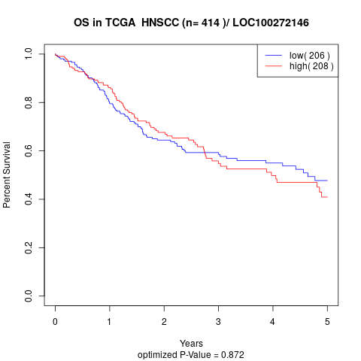

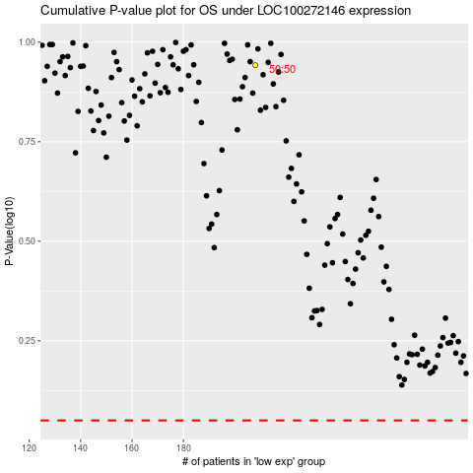

 |  |  |  |  |  | cases_OS | p_OS | rank | exp
 |  |  |  |  |  |  | cases_RFS | p_RFS | rank | exp

