LOC100272216 _multivariate
Reported by Tex Li-Hsing Chi. tex@gate.sinica.edu.tw 2019-08-18

Table 2. The clinicopathological features of HNSCC cohort and LOC100272216 expression. (Chi square test)
Cutoff at -0.537 (32.4%)
 |  | LOC100272216 expression |  | LOC100272216 expression |  | (Optimised)
 | Features | Low | (%) | High | (%) | Case no | P-value | Remark | Matthews
Gender | Female | 103 | 24.8 | 203 | 48.9 | 415 | 0.4813 | 0 | 0
2 | Male | 32 | 7.7 | 77 | 18.6
Age at diagnosis | <=65y | 94 | 22.7 | 180 | 43.4 | 415 | 0.3339 | 0 | 0
4 | >65y | 41 | 9.9 | 100 | 24.1
Clinical T Status | T1+T2 | 45 | 10.8 | 104 | 25.1 | 415 | 0.5165 | 0 | 0
6 | T3+T4 | 90 | 21.7 | 176 | 42.4
Clinical N Status | N0 | 71 | 17.1 | 145 | 34.9 | 415 | 0.9607 | 0 | 0
8 | N1-3 | 64 | 15.4 | 135 | 32.5
Clinical M Status | M0 | 133 | 32 | 279 | 67.2 | 415 | 0.2481 | 0 | 0
10 | M1 | 2 | 0.5 | 1 | 0.2
Clinical Stage | Stage I+II | 27 | 6.5 | 75 | 18.1 | 415 | 0.1668 | 0 | 0
12 | Stage III+IV | 108 | 26 | 205 | 49.4
Surgical Margin status | Negative | 103 | 24.8 | 215 | 51.8 | 415 | 0.9022 | 0 | 0
14 | Positive | 32 | 7.7 | 65 | 15.7
Tobacco Exposure | Low | 54 | 13 | 107 | 25.8 | 415 | 0.7477 | 0 | 0
16 | High | 81 | 19.5 | 173 | 41.7

Table 3. Univariate/Multivariate Cox's proportional hazards regression analyses on OS time of LOC100272216 gene expression in HNSCC

 |  | Univariate |  |  |  | Multivariate
 | Features | HR | CI95%(L) | CI95%(H) | P-value | HR | CI95%(L) | CI95%(H) | P-value
1 | Female | 1 |  |  |  | 1
Gender | Male | 1.157 | 0.843 | 1.587 | 0.367 | 1.22 | 0.871 | 1.708 | 0.247
11 | <=65y | 1 |  |  |  | 1
Age at diagnosis | >65y | 1.329 | 0.99 | 1.784 | 0.058 | 1.393 | 1.027 | 1.891 | 0.033
12 | T1+T2 | 1 |  |  |  | 1
Clinical T Status | T3+T4 | 1.409 | 1.028 | 1.931 | 0.033 | 2.216 | 1.172 | 4.191 | 0.014
13 | N0 | 1 |  |  |  | 1
Clinical N Status | N1-3 | 1.185 | 0.89 | 1.577 | 0.246 | 1.245 | 0.873 | 1.775 | 0.226
14 | M0 | 1 |  |  |  | 1
Clinical M Status | M1 | 4.097 | 1.009 | 16.644 | 0.049 | 8.419 | 1.833 | 38.669 | 0.006
15 | Stage I+II | 1 |  |  |  | 1
Clinical Stage | Stage III+IV | 1.245 | 0.882 | 1.759 | 0.213 | 0.487 | 0.227 | 1.044 | 0.064
16 | Negative | 1 |  |  |  | 1
Surgical Margin status | Positive | 1.591 | 1.155 | 2.191 | 0.004 | 1.687 | 1.221 | 2.332 | 0.002
17 | Low | 1 |  |  |  | 1
Tobacco Exposure | High | 1.364 | 1.008 | 1.844 | 0.044 | 1.463 | 1.061 | 2.018 | 0.02
18 | Low | 1 |  |  |  | 1
RNAseq(z-score) | High | 0.676 | 0.502 | 0.909 | 0.01 | 0.669 | 0.497 | 0.902 | 0.008

Table 4. Univariate/Multivariate Cox's proportional hazards regression analyses on RFS time of LOC100272216 gene expression in HNSCC

 |  | Univariate |  |  |  | Multivariate
 | Features | HR | CI95%(L) | CI95%(H) | P-value | HR | CI95%(L) | CI95%(H) | P-value
1 | Female | 1 |  |  |  | 1
Gender | Male | 1.157 | 0.843 | 1.587 | 0.367 | 1.22 | 0.871 | 1.708 | 0.247
11 | <=65y | 1 |  |  |  | 1
Age at diagnosis | >65y | 1.329 | 0.99 | 1.784 | 0.058 | 1.393 | 1.027 | 1.891 | 0.033
12 | T1+T2 | 1 |  |  |  | 1
Clinical T Status | T3+T4 | 1.409 | 1.028 | 1.931 | 0.033 | 2.216 | 1.172 | 4.191 | 0.014
13 | N0 | 1 |  |  |  | 1
Clinical N Status | N1-3 | 1.185 | 0.89 | 1.577 | 0.246 | 1.245 | 0.873 | 1.775 | 0.226
14 | M0 | 1 |  |  |  | 1
Clinical M Status | M1 | 4.097 | 1.009 | 16.644 | 0.049 | 8.419 | 1.833 | 38.669 | 0.006
15 | Stage I+II | 1 |  |  |  | 1
Clinical Stage | Stage III+IV | 1.245 | 0.882 | 1.759 | 0.213 | 0.487 | 0.227 | 1.044 | 0.064
16 | Negative | 1 |  |  |  | 1
Surgical Margin status | Positive | 1.591 | 1.155 | 2.191 | 0.004 | 1.687 | 1.221 | 2.332 | 0.002
17 | Low | 1 |  |  |  | 1
Tobacco Exposure | High | 1.364 | 1.008 | 1.844 | 0.044 | 1.463 | 1.061 | 2.018 | 0.02
18 | Low | 1 |  |  |  | 1
RNAseq(z-score) | High | 0.676 | 0.502 | 0.909 | 0.01 | 0.669 | 0.497 | 0.902 | 0.008

Kaplan-Meier survival estimate: Cutoff at -0.537 (32.4%)

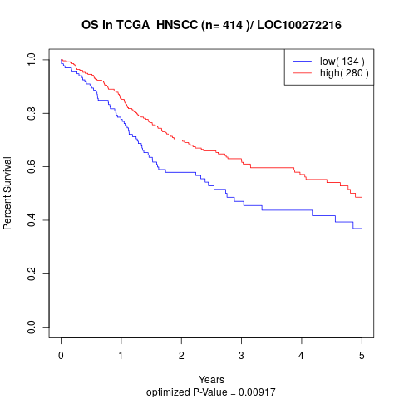

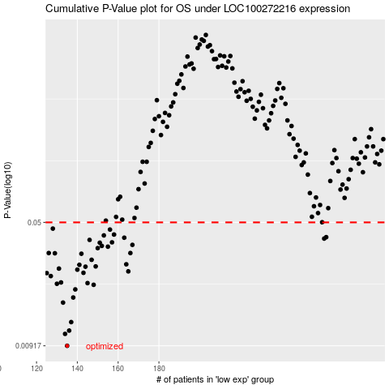

 |  |  |  |  |  | cases_OS | p_OS | rank | exp
 |  |  |  |  |  | 135 | 0.00917 | 305 | -0.53689633105
 |  |  |  |  |  | 134 | 0.0108 | 142 | -0.5386828286
 |  |  |  |  |  | 136 | 0.0113 | 395 | -0.53588360315
 |  |  |  |  |  | 137 | 0.0127 | 193 | -0.53204889186
 |  |  |  |  |  | 133 | 0.0166 | 394 | -0.5402872627
 |  |  |  |  |  | 138 | 0.0178 | 343 | -0.53194648117
 |  |  |  |  |  | 139 | 0.0199 | 192 | -0.52717869473
 |  |  |  |  |  | 148 | 0.0212 | 365 | -0.49373591585
 |  |  |  |  |  | 130 | 0.0215 | 39 | -0.54687568358
 |  |  |  |  |  | 145 | 0.0217 | 230 | -0.51593627706
 |  |  |  |  |  | 132 | 0.0219 | 181 | -0.54053759993
 |  |  |  |  |  | 127 | 0.0239 | 270 | -0.55522784408
 |  |  |  |  |  | 125 | 0.0249 | 126 | -0.57457208501
 |  |  |  |  |  | 143 | 0.025 | 98 | -0.5223084976
 |  |  |  |  |  | 165 | 0.0255 | 121 | -0.43962893607
 |  |  |  |  |  | 140 | 0.0261 | 81 | -0.52472083823
 |  |  |  |  |  | 131 | 0.0265 | 118 | -0.54423576364
 |  |  |  |  |  | 144 | 0.0272 | 405 | -0.51783656426
 |  |  |  |  |  | 149 | 0.0273 | 402 | -0.48902502424
 |  |  |  |  |  | 141 | 0.0279 | 367 | -0.52422016376
 |  |  |  |  |  | 164 | 0.0281 | 256 | -0.44002719986
 |  |  |  |  |  | 147 | 0.0299 | 113 | -0.50042674742
 |  |  |  |  |  | 142 | 0.0325 | 404 | -0.52284330897
 |  |  |  |  |  | 129 | 0.0327 | 250 | -0.55105176383
 |  |  |  |  |  | 126 | 0.0328 | 186 | -0.5636027625
 |  |  |  |  |  | 166 | 0.0328 | 238 | -0.43950376746
 |  |  |  |  |  | 150 | 0.0351 | 246 | -0.48705646325
 |  |  |  |  |  | 155 | 0.0358 | 129 | -0.4798990941
 |  |  |  |  |  | 152 | 0.0362 | 354 | -0.48109388546
 |  |  |  |  |  | 167 | 0.0367 | 231 | -0.43712556372
 |  |  |  |  |  | 151 | 0.0378 | 218 | -0.48202696061
 |  |  |  |  |  | 157 | 0.038 | 359 | -0.4705342057
 |  |  |  |  |  | 146 | 0.0393 | 117 | -0.50789134863
 |  |  |  |  |  | 261 | 0.04 | 28 | -0.11778628287
 |  |  |  |  |  | 163 | 0.0405 | 398 | -0.44396432184
 |  |  |  |  |  | 262 | 0.0408 | 184 | -0.10935446962
 |  |  |  |  |  | 153 | 0.0418 | 329 | -0.48086630615
 |  |  |  |  |  | 158 | 0.0423 | 165 | -0.4585180184
 |  |  |  |  |  | 156 | 0.0453 | 323 | -0.4713876281
 |  |  |  |  |  | 128 | 0.0459 | 196 | -0.55308859861
 |  |  |  |  |  |  | cases_RFS | p_RFS | rank | exp
 |  |  |  |  |  |  | 134 | 0.00917 | 142 | -0.5386828286
 |  |  |  |  |  |  | 133 | 0.0108 | 394 | -0.5402872627
 |  |  |  |  |  |  | 135 | 0.0113 | 305 | -0.53689633105
 |  |  |  |  |  |  | 136 | 0.0127 | 395 | -0.53588360315
 |  |  |  |  |  |  | 132 | 0.0166 | 181 | -0.54053759993
 |  |  |  |  |  |  | 137 | 0.0178 | 193 | -0.53204889186
 |  |  |  |  |  |  | 138 | 0.0199 | 343 | -0.53194648117
 |  |  |  |  |  |  | 147 | 0.0212 | 113 | -0.50042674742
 |  |  |  |  |  |  | 129 | 0.0215 | 250 | -0.55105176383
 |  |  |  |  |  |  | 144 | 0.0217 | 405 | -0.51783656426
 |  |  |  |  |  |  | 131 | 0.0219 | 118 | -0.54423576364
 |  |  |  |  |  |  | 126 | 0.0239 | 186 | -0.5636027625
 |  |  |  |  |  |  |  | 0.0249 | 257 | -0.57844093319
 |  |  |  |  |  |  | 142 | 0.025 | 404 | -0.52284330897
 |  |  |  |  |  |  | 164 | 0.0255 | 256 | -0.44002719986
 |  |  |  |  |  |  | 139 | 0.0261 | 192 | -0.52717869473
 |  |  |  |  |  |  | 130 | 0.0265 | 39 | -0.54687568358
 |  |  |  |  |  |  | 143 | 0.0272 | 98 | -0.5223084976
 |  |  |  |  |  |  | 148 | 0.0273 | 365 | -0.49373591585
 |  |  |  |  |  |  | 140 | 0.0279 | 81 | -0.52472083823
 |  |  |  |  |  |  | 163 | 0.0281 | 398 | -0.44396432184
 |  |  |  |  |  |  | 146 | 0.0299 | 117 | -0.50789134863
 |  |  |  |  |  |  | 141 | 0.0325 | 367 | -0.52422016376
 |  |  |  |  |  |  | 128 | 0.0327 | 196 | -0.55308859861
 |  |  |  |  |  |  | 165 | 0.0328 | 121 | -0.43962893607
 |  |  |  |  |  |  | 125 | 0.0328 | 126 | -0.57457208501
 |  |  |  |  |  |  | 149 | 0.0351 | 402 | -0.48902502424
 |  |  |  |  |  |  | 154 | 0.0358 | 99 | -0.48000150479
 |  |  |  |  |  |  | 151 | 0.0362 | 218 | -0.48202696061
 |  |  |  |  |  |  | 166 | 0.0367 | 238 | -0.43950376746
 |  |  |  |  |  |  | 150 | 0.0378 | 246 | -0.48705646325
 |  |  |  |  |  |  | 156 | 0.038 | 323 | -0.4713876281
 |  |  |  |  |  |  | 145 | 0.0393 | 230 | -0.51593627706
 |  |  |  |  |  |  | 260 | 0.04 | 161 | -0.12059688729
 |  |  |  |  |  |  | 162 | 0.0405 | 263 | -0.44757145382
 |  |  |  |  |  |  | 261 | 0.0408 | 28 | -0.11778628287
 |  |  |  |  |  |  | 152 | 0.0418 | 354 | -0.48109388546
 |  |  |  |  |  |  | 157 | 0.0423 | 359 | -0.4705342057
 |  |  |  |  |  |  | 155 | 0.0453 | 129 | -0.4798990941
 |  |  |  |  |  |  | 127 | 0.0459 | 270 | -0.55522784408

