LOC100272217 _multivariate
Reported by Tex Li-Hsing Chi. tex@gate.sinica.edu.tw 2019-08-18

Table 2. The clinicopathological features of HNSCC cohort and LOC100272217 expression. (Chi square test)
Cutoff at -0.235 (49.8%)
 |  | LOC100272217 expression |  | LOC100272217 expression |  | (Optimised)
 | Features | Low | (%) | High | (%) | Case no | P-value | Remark | Matthews
Gender | Female | 142 | 34.2 | 164 | 39.5 | 415 | 0.0238 | 1 | 0
2 | Male | 65 | 15.7 | 44 | 10.6
Age at diagnosis | <=65y | 144 | 34.7 | 130 | 31.3 | 415 | 0.1568 | 0 | 0
4 | >65y | 63 | 15.2 | 78 | 18.8
Clinical T Status | T1+T2 | 76 | 18.3 | 73 | 17.6 | 415 | 0.8092 | 0 | 0
6 | T3+T4 | 131 | 31.6 | 135 | 32.5
Clinical N Status | N0 | 111 | 26.7 | 105 | 25.3 | 415 | 0.5875 | 0 | 0
8 | N1-3 | 96 | 23.1 | 103 | 24.8
Clinical M Status | M0 | 206 | 49.6 | 206 | 49.6 | 415 | 1 | 0 | 0
10 | M1 | 1 | 0.2 | 2 | 0.5
Clinical Stage | Stage I+II | 59 | 14.2 | 43 | 10.4 | 415 | 0.0822 | 0 | 0
12 | Stage III+IV | 148 | 35.7 | 165 | 39.8
Surgical Margin status | Negative | 165 | 39.8 | 153 | 36.9 | 415 | 0.1639 | 0 | 0
14 | Positive | 42 | 10.1 | 55 | 13.3
Tobacco Exposure | Low | 90 | 21.7 | 71 | 17.1 | 415 | 0.0559 | 0 | 0
16 | High | 117 | 28.2 | 137 | 33

Table 3. Univariate/Multivariate Cox's proportional hazards regression analyses on OS time of LOC100272217 gene expression in HNSCC

 |  | Univariate |  |  |  | Multivariate
 | Features | HR | CI95%(L) | CI95%(H) | P-value | HR | CI95%(L) | CI95%(H) | P-value
1 | Female | 1 |  |  |  | 1
Gender | Male | 1.157 | 0.843 | 1.587 | 0.367 | 1.194 | 0.855 | 1.668 | 0.298
11 | <=65y | 1 |  |  |  | 1
Age at diagnosis | >65y | 1.329 | 0.99 | 1.784 | 0.058 | 1.422 | 1.038 | 1.948 | 0.028
12 | T1+T2 | 1 |  |  |  | 1
Clinical T Status | T3+T4 | 1.409 | 1.028 | 1.931 | 0.033 | 2.176 | 1.15 | 4.117 | 0.017
13 | N0 | 1 |  |  |  | 1
Clinical N Status | N1-3 | 1.185 | 0.89 | 1.577 | 0.246 | 1.241 | 0.87 | 1.771 | 0.234
14 | M0 | 1 |  |  |  | 1
Clinical M Status | M1 | 4.097 | 1.009 | 16.644 | 0.049 | 9.367 | 2.043 | 42.939 | 0.004
15 | Stage I+II | 1 |  |  |  | 1
Clinical Stage | Stage III+IV | 1.245 | 0.882 | 1.759 | 0.213 | 0.517 | 0.24 | 1.113 | 0.092
16 | Negative | 1 |  |  |  | 1
Surgical Margin status | Positive | 1.591 | 1.155 | 2.191 | 0.004 | 1.668 | 1.207 | 2.304 | 0.002
17 | Low | 1 |  |  |  | 1
Tobacco Exposure | High | 1.364 | 1.008 | 1.844 | 0.044 | 1.47 | 1.065 | 2.028 | 0.019
18 | Low | 1 |  |  |  | 1
RNAseq(z-score) | High | 0.97 | 0.727 | 1.294 | 0.838 | 0.911 | 0.675 | 1.228 | 0.54

Table 4. Univariate/Multivariate Cox's proportional hazards regression analyses on RFS time of LOC100272217 gene expression in HNSCC

 |  | Univariate |  |  |  | Multivariate
 | Features | HR | CI95%(L) | CI95%(H) | P-value | HR | CI95%(L) | CI95%(H) | P-value
1 | Female | 1 |  |  |  | 1
Gender | Male | 1.157 | 0.843 | 1.587 | 0.367 | 1.194 | 0.855 | 1.668 | 0.298
11 | <=65y | 1 |  |  |  | 1
Age at diagnosis | >65y | 1.329 | 0.99 | 1.784 | 0.058 | 1.422 | 1.038 | 1.948 | 0.028
12 | T1+T2 | 1 |  |  |  | 1
Clinical T Status | T3+T4 | 1.409 | 1.028 | 1.931 | 0.033 | 2.176 | 1.15 | 4.117 | 0.017
13 | N0 | 1 |  |  |  | 1
Clinical N Status | N1-3 | 1.185 | 0.89 | 1.577 | 0.246 | 1.241 | 0.87 | 1.771 | 0.234
14 | M0 | 1 |  |  |  | 1
Clinical M Status | M1 | 4.097 | 1.009 | 16.644 | 0.049 | 9.367 | 2.043 | 42.939 | 0.004
15 | Stage I+II | 1 |  |  |  | 1
Clinical Stage | Stage III+IV | 1.245 | 0.882 | 1.759 | 0.213 | 0.517 | 0.24 | 1.113 | 0.092
16 | Negative | 1 |  |  |  | 1
Surgical Margin status | Positive | 1.591 | 1.155 | 2.191 | 0.004 | 1.668 | 1.207 | 2.304 | 0.002
17 | Low | 1 |  |  |  | 1
Tobacco Exposure | High | 1.364 | 1.008 | 1.844 | 0.044 | 1.47 | 1.065 | 2.028 | 0.019
18 | Low | 1 |  |  |  | 1
RNAseq(z-score) | High | 0.97 | 0.727 | 1.294 | 0.838 | 0.911 | 0.675 | 1.228 | 0.54

Kaplan-Meier survival estimate: Cutoff at -0.235 (49.8%)

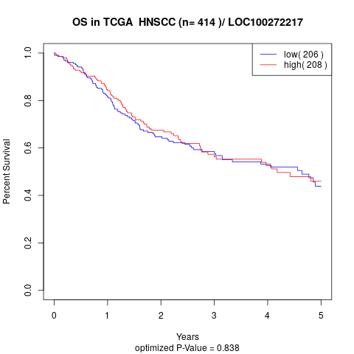

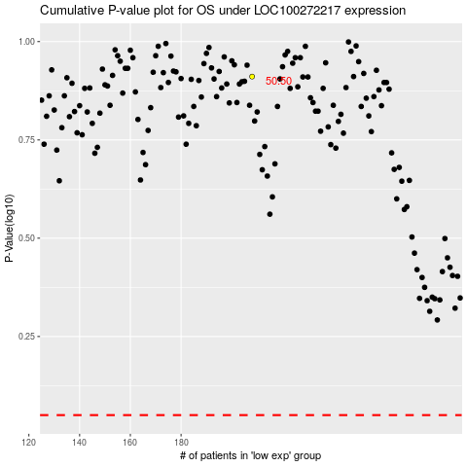

 |  |  |  |  |  | cases_OS | p_OS | rank | exp
 |  |  |  |  |  |  | cases_RFS | p_RFS | rank | exp

