LOC100286793 _multivariate
Reported by Tex Li-Hsing Chi. tex@gate.sinica.edu.tw 2019-08-18

Table 2. The clinicopathological features of HNSCC cohort and LOC100286793 expression. (Chi square test)
Cutoff at -0.237 (49.8%)
 |  | LOC100286793 expression |  | LOC100286793 expression |  | (Optimised)
 | Features | Low | (%) | High | (%) | Case no | P-value | Remark | Matthews
Gender | Female | 145 | 34.9 | 161 | 38.8 | 415 | 0.1116 | 0 | 0
2 | Male | 62 | 14.9 | 47 | 11.3
Age at diagnosis | <=65y | 140 | 33.7 | 134 | 32.3 | 415 | 0.5574 | 0 | 0
4 | >65y | 67 | 16.1 | 74 | 17.8
Clinical T Status | T1+T2 | 74 | 17.8 | 75 | 18.1 | 415 | 1 | 0 | 0
6 | T3+T4 | 133 | 32 | 133 | 32
Clinical N Status | N0 | 110 | 26.5 | 106 | 25.5 | 415 | 0.7294 | 0 | 0
8 | N1-3 | 97 | 23.4 | 102 | 24.6
Clinical M Status | M0 | 207 | 49.9 | 205 | 49.4 | 415 | 0.2482 | 0 | 0
10 | M1 | 0 | 0 | 3 | 0.7
Clinical Stage | Stage I+II | 46 | 11.1 | 56 | 13.5 | 415 | 0.3182 | 0 | 0
12 | Stage III+IV | 161 | 38.8 | 152 | 36.6
Surgical Margin status | Negative | 168 | 40.5 | 150 | 36.1 | 415 | 0.0366 | 1 | 0
14 | Positive | 39 | 9.4 | 58 | 14
Tobacco Exposure | Low | 78 | 18.8 | 83 | 20 | 415 | 0.6873 | 0 | 0
16 | High | 129 | 31.1 | 125 | 30.1

Table 3. Univariate/Multivariate Cox's proportional hazards regression analyses on OS time of LOC100286793 gene expression in HNSCC

 |  | Univariate |  |  |  | Multivariate
 | Features | HR | CI95%(L) | CI95%(H) | P-value | HR | CI95%(L) | CI95%(H) | P-value
1 | Female | 1 |  |  |  | 1
Gender | Male | 1.157 | 0.843 | 1.587 | 0.367 | 1.191 | 0.85 | 1.668 | 0.309
11 | <=65y | 1 |  |  |  | 1
Age at diagnosis | >65y | 1.329 | 0.99 | 1.784 | 0.058 | 1.402 | 1.03 | 1.909 | 0.032
12 | T1+T2 | 1 |  |  |  | 1
Clinical T Status | T3+T4 | 1.409 | 1.028 | 1.931 | 0.033 | 2.237 | 1.179 | 4.243 | 0.014
13 | N0 | 1 |  |  |  | 1
Clinical N Status | N1-3 | 1.185 | 0.89 | 1.577 | 0.246 | 1.258 | 0.878 | 1.803 | 0.212
14 | M0 | 1 |  |  |  | 1
Clinical M Status | M1 | 4.097 | 1.009 | 16.644 | 0.049 | 9.856 | 2.125 | 45.722 | 0.003
15 | Stage I+II | 1 |  |  |  | 1
Clinical Stage | Stage III+IV | 1.245 | 0.882 | 1.759 | 0.213 | 0.49 | 0.226 | 1.062 | 0.071
16 | Negative | 1 |  |  |  | 1
Surgical Margin status | Positive | 1.591 | 1.155 | 2.191 | 0.004 | 1.691 | 1.22 | 2.345 | 0.002
17 | Low | 1 |  |  |  | 1
Tobacco Exposure | High | 1.364 | 1.008 | 1.844 | 0.044 | 1.454 | 1.055 | 2.004 | 0.022
18 | Low | 1 |  |  |  | 1
RNAseq(z-score) | High | 1.044 | 0.783 | 1.391 | 0.769 | 0.929 | 0.689 | 1.252 | 0.629

Table 4. Univariate/Multivariate Cox's proportional hazards regression analyses on RFS time of LOC100286793 gene expression in HNSCC

 |  | Univariate |  |  |  | Multivariate
 | Features | HR | CI95%(L) | CI95%(H) | P-value | HR | CI95%(L) | CI95%(H) | P-value
1 | Female | 1 |  |  |  | 1
Gender | Male | 1.157 | 0.843 | 1.587 | 0.367 | 1.191 | 0.85 | 1.668 | 0.309
11 | <=65y | 1 |  |  |  | 1
Age at diagnosis | >65y | 1.329 | 0.99 | 1.784 | 0.058 | 1.402 | 1.03 | 1.909 | 0.032
12 | T1+T2 | 1 |  |  |  | 1
Clinical T Status | T3+T4 | 1.409 | 1.028 | 1.931 | 0.033 | 2.237 | 1.179 | 4.243 | 0.014
13 | N0 | 1 |  |  |  | 1
Clinical N Status | N1-3 | 1.185 | 0.89 | 1.577 | 0.246 | 1.258 | 0.878 | 1.803 | 0.212
14 | M0 | 1 |  |  |  | 1
Clinical M Status | M1 | 4.097 | 1.009 | 16.644 | 0.049 | 9.856 | 2.125 | 45.722 | 0.003
15 | Stage I+II | 1 |  |  |  | 1
Clinical Stage | Stage III+IV | 1.245 | 0.882 | 1.759 | 0.213 | 0.49 | 0.226 | 1.062 | 0.071
16 | Negative | 1 |  |  |  | 1
Surgical Margin status | Positive | 1.591 | 1.155 | 2.191 | 0.004 | 1.691 | 1.22 | 2.345 | 0.002
17 | Low | 1 |  |  |  | 1
Tobacco Exposure | High | 1.364 | 1.008 | 1.844 | 0.044 | 1.454 | 1.055 | 2.004 | 0.022
18 | Low | 1 |  |  |  | 1
RNAseq(z-score) | High | 1.044 | 0.783 | 1.391 | 0.769 | 0.929 | 0.689 | 1.252 | 0.629

Kaplan-Meier survival estimate: Cutoff at -0.237 (49.8%)

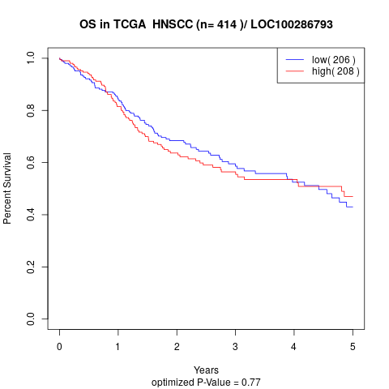

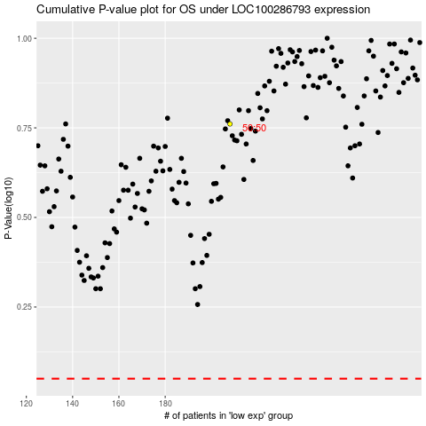

 |  |  |  |  |  | cases_OS | p_OS | rank | exp
 |  |  |  |  |  |  | cases_RFS | p_RFS | rank | exp

