LOC100286844 _multivariate
Reported by Tex Li-Hsing Chi. tex@gate.sinica.edu.tw 2019-08-18

Table 2. The clinicopathological features of HNSCC cohort and LOC100286844 expression. (Chi square test)
Cutoff at -0.279 (49.8%)
 |  | LOC100286844 expression |  | LOC100286844 expression |  | (Optimised)
 | Features | Low | (%) | High | (%) | Case no | P-value | Remark | Matthews
Gender | Female | 153 | 36.9 | 153 | 36.9 | 415 | 1 | 0 | 0
2 | Male | 54 | 13 | 55 | 13.3
Age at diagnosis | <=65y | 144 | 34.7 | 130 | 31.3 | 415 | 0.1568 | 0 | 0
4 | >65y | 63 | 15.2 | 78 | 18.8
Clinical T Status | T1+T2 | 54 | 13 | 95 | 22.9 | 415 | 0 | 1 | 0
6 | T3+T4 | 153 | 36.9 | 113 | 27.2
Clinical N Status | N0 | 105 | 25.3 | 111 | 26.7 | 415 | 0.6598 | 0 | 0
8 | N1-3 | 102 | 24.6 | 97 | 23.4
Clinical M Status | M0 | 206 | 49.6 | 206 | 49.6 | 415 | 1 | 0 | 0
10 | M1 | 1 | 0.2 | 2 | 0.5
Clinical Stage | Stage I+II | 43 | 10.4 | 59 | 14.2 | 415 | 0.0925 | 0 | 0
12 | Stage III+IV | 164 | 39.5 | 149 | 35.9
Surgical Margin status | Negative | 163 | 39.3 | 155 | 37.3 | 415 | 0.3537 | 0 | 0
14 | Positive | 44 | 10.6 | 53 | 12.8
Tobacco Exposure | Low | 71 | 17.1 | 90 | 21.7 | 415 | 0.0698 | 0 | 0
16 | High | 136 | 32.8 | 118 | 28.4

Table 3. Univariate/Multivariate Cox's proportional hazards regression analyses on OS time of LOC100286844 gene expression in HNSCC

 |  | Univariate |  |  |  | Multivariate
 | Features | HR | CI95%(L) | CI95%(H) | P-value | HR | CI95%(L) | CI95%(H) | P-value
1 | Female | 1 |  |  |  | 1
Gender | Male | 1.157 | 0.843 | 1.587 | 0.367 | 1.207 | 0.863 | 1.687 | 0.272
11 | <=65y | 1 |  |  |  | 1
Age at diagnosis | >65y | 1.329 | 0.99 | 1.784 | 0.058 | 1.381 | 1.012 | 1.885 | 0.042
12 | T1+T2 | 1 |  |  |  | 1
Clinical T Status | T3+T4 | 1.409 | 1.028 | 1.931 | 0.033 | 2.24 | 1.173 | 4.279 | 0.015
13 | N0 | 1 |  |  |  | 1
Clinical N Status | N1-3 | 1.185 | 0.89 | 1.577 | 0.246 | 1.241 | 0.869 | 1.77 | 0.234
14 | M0 | 1 |  |  |  | 1
Clinical M Status | M1 | 4.097 | 1.009 | 16.644 | 0.049 | 9.49 | 2.068 | 43.554 | 0.004
15 | Stage I+II | 1 |  |  |  | 1
Clinical Stage | Stage III+IV | 1.245 | 0.882 | 1.759 | 0.213 | 0.499 | 0.231 | 1.075 | 0.076
16 | Negative | 1 |  |  |  | 1
Surgical Margin status | Positive | 1.591 | 1.155 | 2.191 | 0.004 | 1.673 | 1.21 | 2.312 | 0.002
17 | Low | 1 |  |  |  | 1
Tobacco Exposure | High | 1.364 | 1.008 | 1.844 | 0.044 | 1.454 | 1.056 | 2.003 | 0.022
18 | Low | 1 |  |  |  | 1
RNAseq(z-score) | High | 0.96 | 0.721 | 1.28 | 0.783 | 1.045 | 0.776 | 1.409 | 0.77

Table 4. Univariate/Multivariate Cox's proportional hazards regression analyses on RFS time of LOC100286844 gene expression in HNSCC

 |  | Univariate |  |  |  | Multivariate
 | Features | HR | CI95%(L) | CI95%(H) | P-value | HR | CI95%(L) | CI95%(H) | P-value
1 | Female | 1 |  |  |  | 1
Gender | Male | 1.157 | 0.843 | 1.587 | 0.367 | 1.207 | 0.863 | 1.687 | 0.272
11 | <=65y | 1 |  |  |  | 1
Age at diagnosis | >65y | 1.329 | 0.99 | 1.784 | 0.058 | 1.381 | 1.012 | 1.885 | 0.042
12 | T1+T2 | 1 |  |  |  | 1
Clinical T Status | T3+T4 | 1.409 | 1.028 | 1.931 | 0.033 | 2.24 | 1.173 | 4.279 | 0.015
13 | N0 | 1 |  |  |  | 1
Clinical N Status | N1-3 | 1.185 | 0.89 | 1.577 | 0.246 | 1.241 | 0.869 | 1.77 | 0.234
14 | M0 | 1 |  |  |  | 1
Clinical M Status | M1 | 4.097 | 1.009 | 16.644 | 0.049 | 9.49 | 2.068 | 43.554 | 0.004
15 | Stage I+II | 1 |  |  |  | 1
Clinical Stage | Stage III+IV | 1.245 | 0.882 | 1.759 | 0.213 | 0.499 | 0.231 | 1.075 | 0.076
16 | Negative | 1 |  |  |  | 1
Surgical Margin status | Positive | 1.591 | 1.155 | 2.191 | 0.004 | 1.673 | 1.21 | 2.312 | 0.002
17 | Low | 1 |  |  |  | 1
Tobacco Exposure | High | 1.364 | 1.008 | 1.844 | 0.044 | 1.454 | 1.056 | 2.003 | 0.022
18 | Low | 1 |  |  |  | 1
RNAseq(z-score) | High | 0.96 | 0.721 | 1.28 | 0.783 | 1.045 | 0.776 | 1.409 | 0.77

Kaplan-Meier survival estimate: Cutoff at -0.279 (49.8%)

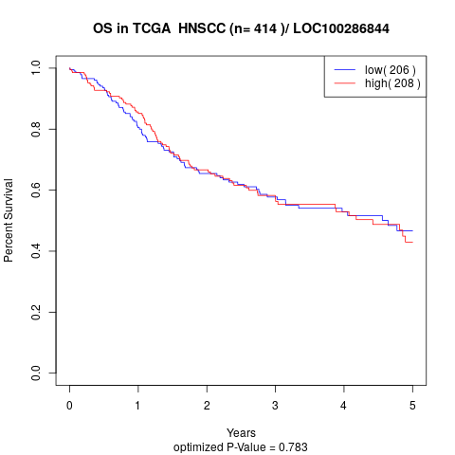

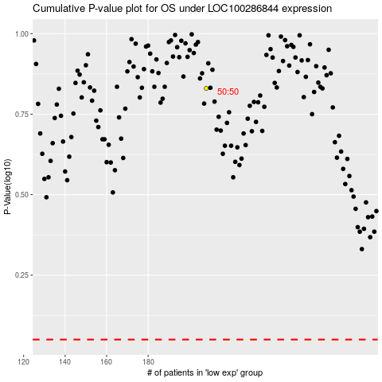

 |  |  |  |  |  | cases_OS | p_OS | rank | exp
 |  |  |  |  |  |  | cases_RFS | p_RFS | rank | exp

