LOC100289341 _multivariate
Reported by Tex Li-Hsing Chi. tex@gate.sinica.edu.tw 2019-08-18

Table 2. The clinicopathological features of HNSCC cohort and LOC100289341 expression. (Chi square test)
Cutoff at -0.279 (49.8%)
 |  | LOC100289341 expression |  | LOC100289341 expression |  | (Optimised)
 | Features | Low | (%) | High | (%) | Case no | P-value | Remark | Matthews
Gender | Female | 148 | 35.7 | 158 | 38.1 | 415 | 0.3567 | 0 | 0
2 | Male | 59 | 14.2 | 50 | 12
Age at diagnosis | <=65y | 141 | 34 | 133 | 32 | 415 | 0.4272 | 0 | 0
4 | >65y | 66 | 15.9 | 75 | 18.1
Clinical T Status | T1+T2 | 82 | 19.8 | 67 | 16.1 | 415 | 0.1417 | 0 | 0
6 | T3+T4 | 125 | 30.1 | 141 | 34
Clinical N Status | N0 | 101 | 24.3 | 115 | 27.7 | 415 | 0.2201 | 0 | 0
8 | N1-3 | 106 | 25.5 | 93 | 22.4
Clinical M Status | M0 | 205 | 49.4 | 207 | 49.9 | 415 | 0.6232 | 0 | 0
10 | M1 | 2 | 0.5 | 1 | 0.2
Clinical Stage | Stage I+II | 53 | 12.8 | 49 | 11.8 | 415 | 0.7113 | 0 | 0
12 | Stage III+IV | 154 | 37.1 | 159 | 38.3
Surgical Margin status | Negative | 157 | 37.8 | 161 | 38.8 | 415 | 0.729 | 0 | 0
14 | Positive | 50 | 12 | 47 | 11.3
Tobacco Exposure | Low | 86 | 20.7 | 75 | 18.1 | 415 | 0.2687 | 0 | 0
16 | High | 121 | 29.2 | 133 | 32

Table 3. Univariate/Multivariate Cox's proportional hazards regression analyses on OS time of LOC100289341 gene expression in HNSCC

 |  | Univariate |  |  |  | Multivariate
 | Features | HR | CI95%(L) | CI95%(H) | P-value | HR | CI95%(L) | CI95%(H) | P-value
1 | Female | 1 |  |  |  | 1
Gender | Male | 1.157 | 0.843 | 1.587 | 0.367 | 1.203 | 0.861 | 1.68 | 0.279
11 | <=65y | 1 |  |  |  | 1
Age at diagnosis | >65y | 1.329 | 0.99 | 1.784 | 0.058 | 1.386 | 1.018 | 1.887 | 0.038
12 | T1+T2 | 1 |  |  |  | 1
Clinical T Status | T3+T4 | 1.409 | 1.028 | 1.931 | 0.033 | 2.19 | 1.156 | 4.148 | 0.016
13 | N0 | 1 |  |  |  | 1
Clinical N Status | N1-3 | 1.185 | 0.89 | 1.577 | 0.246 | 1.239 | 0.868 | 1.769 | 0.237
14 | M0 | 1 |  |  |  | 1
Clinical M Status | M1 | 4.097 | 1.009 | 16.644 | 0.049 | 9.471 | 2.064 | 43.46 | 0.004
15 | Stage I+II | 1 |  |  |  | 1
Clinical Stage | Stage III+IV | 1.245 | 0.882 | 1.759 | 0.213 | 0.506 | 0.236 | 1.086 | 0.08
16 | Negative | 1 |  |  |  | 1
Surgical Margin status | Positive | 1.591 | 1.155 | 2.191 | 0.004 | 1.671 | 1.209 | 2.309 | 0.002
17 | Low | 1 |  |  |  | 1
Tobacco Exposure | High | 1.364 | 1.008 | 1.844 | 0.044 | 1.45 | 1.052 | 1.999 | 0.023
18 | Low | 1 |  |  |  | 1
RNAseq(z-score) | High | 1.118 | 0.84 | 1.49 | 0.444 | 1.037 | 0.774 | 1.388 | 0.809

Table 4. Univariate/Multivariate Cox's proportional hazards regression analyses on RFS time of LOC100289341 gene expression in HNSCC

 |  | Univariate |  |  |  | Multivariate
 | Features | HR | CI95%(L) | CI95%(H) | P-value | HR | CI95%(L) | CI95%(H) | P-value
1 | Female | 1 |  |  |  | 1
Gender | Male | 1.157 | 0.843 | 1.587 | 0.367 | 1.203 | 0.861 | 1.68 | 0.279
11 | <=65y | 1 |  |  |  | 1
Age at diagnosis | >65y | 1.329 | 0.99 | 1.784 | 0.058 | 1.386 | 1.018 | 1.887 | 0.038
12 | T1+T2 | 1 |  |  |  | 1
Clinical T Status | T3+T4 | 1.409 | 1.028 | 1.931 | 0.033 | 2.19 | 1.156 | 4.148 | 0.016
13 | N0 | 1 |  |  |  | 1
Clinical N Status | N1-3 | 1.185 | 0.89 | 1.577 | 0.246 | 1.239 | 0.868 | 1.769 | 0.237
14 | M0 | 1 |  |  |  | 1
Clinical M Status | M1 | 4.097 | 1.009 | 16.644 | 0.049 | 9.471 | 2.064 | 43.46 | 0.004
15 | Stage I+II | 1 |  |  |  | 1
Clinical Stage | Stage III+IV | 1.245 | 0.882 | 1.759 | 0.213 | 0.506 | 0.236 | 1.086 | 0.08
16 | Negative | 1 |  |  |  | 1
Surgical Margin status | Positive | 1.591 | 1.155 | 2.191 | 0.004 | 1.671 | 1.209 | 2.309 | 0.002
17 | Low | 1 |  |  |  | 1
Tobacco Exposure | High | 1.364 | 1.008 | 1.844 | 0.044 | 1.45 | 1.052 | 1.999 | 0.023
18 | Low | 1 |  |  |  | 1
RNAseq(z-score) | High | 1.118 | 0.84 | 1.49 | 0.444 | 1.037 | 0.774 | 1.388 | 0.809

Kaplan-Meier survival estimate: Cutoff at -0.279 (49.8%)

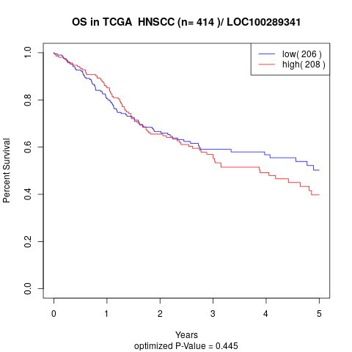

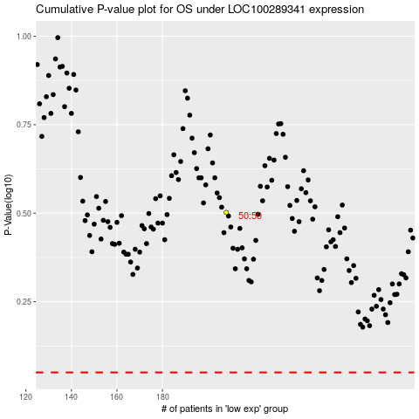

 |  |  |  |  |  | cases_OS | p_OS | rank | exp
 |  |  |  |  |  |  | cases_RFS | p_RFS | rank | exp

