LOC100302401 _multivariate
Reported by Tex Li-Hsing Chi. tex@gate.sinica.edu.tw 2019-08-18

Table 2. The clinicopathological features of HNSCC cohort and LOC100302401 expression. (Chi square test)
Cutoff at 0.053 (57.7%)
 |  | LOC100302401 expression |  | LOC100302401 expression |  | (Optimised)
 | Features | Low | (%) | High | (%) | Case no | P-value | Remark | Matthews
Gender | Female | 178 | 42.9 | 128 | 30.8 | 415 | 0.7738 | 0 | 0
2 | Male | 61 | 14.7 | 48 | 11.6
Age at diagnosis | <=65y | 161 | 38.8 | 113 | 27.2 | 415 | 0.5709 | 0 | 0
4 | >65y | 78 | 18.8 | 63 | 15.2
Clinical T Status | T1+T2 | 98 | 23.6 | 51 | 12.3 | 415 | 0.0155 | 1 | 0
6 | T3+T4 | 141 | 34 | 125 | 30.1
Clinical N Status | N0 | 137 | 33 | 79 | 19 | 415 | 0.0161 | 1 | 0
8 | N1-3 | 102 | 24.6 | 97 | 23.4
Clinical M Status | M0 | 239 | 57.6 | 173 | 41.7 | 415 | 0.0755 | 0 | 0
10 | M1 | 0 | 0 | 3 | 0.7
Clinical Stage | Stage I+II | 72 | 17.3 | 30 | 7.2 | 415 | 0.0032 | 1 | 0
12 | Stage III+IV | 167 | 40.2 | 146 | 35.2
Surgical Margin status | Negative | 185 | 44.6 | 133 | 32 | 415 | 0.725 | 0 | 0
14 | Positive | 54 | 13 | 43 | 10.4
Tobacco Exposure | Low | 95 | 22.9 | 66 | 15.9 | 415 | 0.6839 | 0 | 0
16 | High | 144 | 34.7 | 110 | 26.5

Table 3. Univariate/Multivariate Cox's proportional hazards regression analyses on OS time of LOC100302401 gene expression in HNSCC

 |  | Univariate |  |  |  | Multivariate
 | Features | HR | CI95%(L) | CI95%(H) | P-value | HR | CI95%(L) | CI95%(H) | P-value
1 | Female | 1 |  |  |  | 1
Gender | Male | 1.157 | 0.843 | 1.587 | 0.367 | 1.175 | 0.84 | 1.645 | 0.346
11 | <=65y | 1 |  |  |  | 1
Age at diagnosis | >65y | 1.329 | 0.99 | 1.784 | 0.058 | 1.373 | 1.01 | 1.867 | 0.043
12 | T1+T2 | 1 |  |  |  | 1
Clinical T Status | T3+T4 | 1.409 | 1.028 | 1.931 | 0.033 | 2.167 | 1.146 | 4.096 | 0.017
13 | N0 | 1 |  |  |  | 1
Clinical N Status | N1-3 | 1.185 | 0.89 | 1.577 | 0.246 | 1.23 | 0.862 | 1.756 | 0.253
14 | M0 | 1 |  |  |  | 1
Clinical M Status | M1 | 4.097 | 1.009 | 16.644 | 0.049 | 8.294 | 1.791 | 38.412 | 0.007
15 | Stage I+II | 1 |  |  |  | 1
Clinical Stage | Stage III+IV | 1.245 | 0.882 | 1.759 | 0.213 | 0.495 | 0.231 | 1.064 | 0.072
16 | Negative | 1 |  |  |  | 1
Surgical Margin status | Positive | 1.591 | 1.155 | 2.191 | 0.004 | 1.628 | 1.176 | 2.253 | 0.003
17 | Low | 1 |  |  |  | 1
Tobacco Exposure | High | 1.364 | 1.008 | 1.844 | 0.044 | 1.425 | 1.033 | 1.964 | 0.031
18 | Low | 1 |  |  |  | 1
RNAseq(z-score) | High | 1.418 | 1.064 | 1.89 | 0.017 | 1.223 | 0.907 | 1.648 | 0.187

Table 4. Univariate/Multivariate Cox's proportional hazards regression analyses on RFS time of LOC100302401 gene expression in HNSCC

 |  | Univariate |  |  |  | Multivariate
 | Features | HR | CI95%(L) | CI95%(H) | P-value | HR | CI95%(L) | CI95%(H) | P-value
1 | Female | 1 |  |  |  | 1
Gender | Male | 1.157 | 0.843 | 1.587 | 0.367 | 1.175 | 0.84 | 1.645 | 0.346
11 | <=65y | 1 |  |  |  | 1
Age at diagnosis | >65y | 1.329 | 0.99 | 1.784 | 0.058 | 1.373 | 1.01 | 1.867 | 0.043
12 | T1+T2 | 1 |  |  |  | 1
Clinical T Status | T3+T4 | 1.409 | 1.028 | 1.931 | 0.033 | 2.167 | 1.146 | 4.096 | 0.017
13 | N0 | 1 |  |  |  | 1
Clinical N Status | N1-3 | 1.185 | 0.89 | 1.577 | 0.246 | 1.23 | 0.862 | 1.756 | 0.253
14 | M0 | 1 |  |  |  | 1
Clinical M Status | M1 | 4.097 | 1.009 | 16.644 | 0.049 | 8.294 | 1.791 | 38.412 | 0.007
15 | Stage I+II | 1 |  |  |  | 1
Clinical Stage | Stage III+IV | 1.245 | 0.882 | 1.759 | 0.213 | 0.495 | 0.231 | 1.064 | 0.072
16 | Negative | 1 |  |  |  | 1
Surgical Margin status | Positive | 1.591 | 1.155 | 2.191 | 0.004 | 1.628 | 1.176 | 2.253 | 0.003
17 | Low | 1 |  |  |  | 1
Tobacco Exposure | High | 1.364 | 1.008 | 1.844 | 0.044 | 1.425 | 1.033 | 1.964 | 0.031
18 | Low | 1 |  |  |  | 1
RNAseq(z-score) | High | 1.418 | 1.064 | 1.89 | 0.017 | 1.223 | 0.907 | 1.648 | 0.187

Kaplan-Meier survival estimate: Cutoff at 0.053 (57.7%)

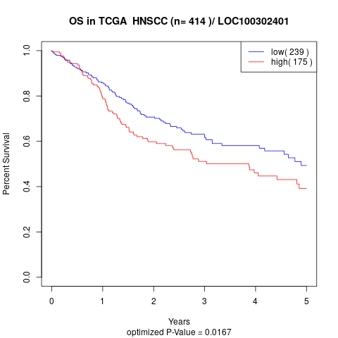

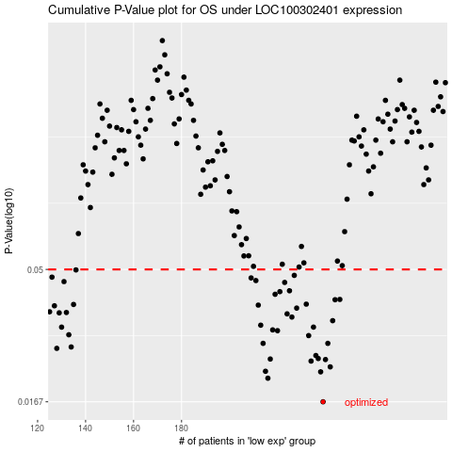

 |  |  |  |  |  | cases_OS | p_OS | rank | exp
 |  |  |  |  |  | 239 | 0.0167 | 64 | 0.053030122213
 |  |  |  |  |  | 216 | 0.0203 | 322 | -0.057145869647
 |  |  |  |  |  | 238 | 0.0214 | 116 | 0.043347499714
 |  |  |  |  |  | 215 | 0.0215 | 298 | -0.074664779775
 |  |  |  |  |  | 242 | 0.0223 | 349 | 0.069511000754
 |  |  |  |  |  | 234 | 0.0234 | 385 | 0.026483740669
 |  |  |  |  |  | 240 | 0.0237 | 366 | 0.064839858617
 |  |  |  |  |  | 217 | 0.0238 | 220 | -0.054720959795
 |  |  |  |  |  | 237 | 0.0239 | 238 | 0.041330995731
 |  |  |  |  |  | 236 | 0.0245 | 172 | 0.037791478192
 |  |  |  |  |  | 128 | 0.026 | 253 | -0.48877131494
 |  |  |  |  |  | 134 | 0.0263 | 389 | -0.46830847916
 |  |  |  |  |  | 214 | 0.0271 | 150 | -0.074749864331
 |  |  |  |  |  | 241 | 0.0271 | 167 | 0.065648161901
 |  |  |  |  |  | 233 | 0.0289 | 350 | 0.023778051781
 |  |  |  |  |  | 133 | 0.0291 | 359 | -0.46971237434
 |  |  |  |  |  | 220 | 0.0301 | 222 | -0.037278625768
 |  |  |  |  |  | 218 | 0.0303 | 207 | -0.050509274262
 |  |  |  |  |  | 235 | 0.031 | 42 | 0.033503216558
 |  |  |  |  |  | 130 | 0.031 | 250 | -0.48389596986
 |  |  |  |  |  | 213 | 0.0315 | 178 | -0.079191278166
 |  |  |  |  |  | 243 | 0.0327 | 82 | 0.075084039187
 |  |  |  |  |  | 226 | 0.0337 | 216 | -0.0091922137571
 |  |  |  |  |  | 224 | 0.0346 | 56 | -0.011132141639
 |  |  |  |  |  | 129 | 0.0349 | 386 | -0.48629535435
 |  |  |  |  |  | 132 | 0.035 | 158 | -0.48016075785
 |  |  |  |  |  | 125 | 0.0352 | 339 | -0.4969649577
 |  |  |  |  |  | 228 | 0.0363 | 108 | 0.0061910740089
 |  |  |  |  |  | 127 | 0.037 | 57 | -0.4893158561
 |  |  |  |  |  | 212 | 0.0372 | 47 | -0.080978053847
 |  |  |  |  |  | 135 | 0.0374 | 186 | -0.46778095491
 |  |  |  |  |  | 232 | 0.0375 | 127 | 0.018392199372
 |  |  |  |  |  | 244 | 0.0389 | 191 | 0.076683628844
 |  |  |  |  |  | 246 | 0.039 | 221 | 0.082086498164
 |  |  |  |  |  | 219 | 0.0407 | 190 | -0.045940233592
 |  |  |  |  |  | 221 | 0.0416 | 143 | -0.036700050786
 |  |  |  |  |  | 225 | 0.0419 | 126 | -0.010085601598
 |  |  |  |  |  | 223 | 0.0449 | 41 | -0.019589546528
 |  |  |  |  |  | 131 | 0.0452 | 50 | -0.48148807692
 |  |  |  |  |  | 211 | 0.0456 | 328 | -0.097952422814
 |  |  |  |  |  | 209 | 0.0466 | 256 | -0.10960049856
 |  |  |  |  |  | 126 | 0.0469 | 242 | -0.49558658789
 |  |  |  |  |  | 227 | 0.0476 | 255 | -0.0066481855259
 |  |  |  |  |  | 136 | 0.0498 | 113 | -0.45935758385
 |  |  |  |  |  |  | cases_RFS | p_RFS | rank | exp
 |  |  |  |  |  |  | 238 | 0.0167 | 116 | 0.043347499714
 |  |  |  |  |  |  | 215 | 0.0203 | 298 | -0.074664779775
 |  |  |  |  |  |  | 237 | 0.0214 | 238 | 0.041330995731
 |  |  |  |  |  |  | 214 | 0.0215 | 150 | -0.074749864331
 |  |  |  |  |  |  | 241 | 0.0223 | 167 | 0.065648161901
 |  |  |  |  |  |  | 233 | 0.0234 | 350 | 0.023778051781
 |  |  |  |  |  |  | 239 | 0.0237 | 64 | 0.053030122213
 |  |  |  |  |  |  | 216 | 0.0238 | 322 | -0.057145869647
 |  |  |  |  |  |  | 236 | 0.0239 | 172 | 0.037791478192
 |  |  |  |  |  |  | 235 | 0.0245 | 42 | 0.033503216558
 |  |  |  |  |  |  | 127 | 0.026 | 57 | -0.4893158561
 |  |  |  |  |  |  | 133 | 0.0263 | 359 | -0.46971237434
 |  |  |  |  |  |  | 213 | 0.0271 | 178 | -0.079191278166
 |  |  |  |  |  |  | 240 | 0.0271 | 366 | 0.064839858617
 |  |  |  |  |  |  | 232 | 0.0289 | 127 | 0.018392199372
 |  |  |  |  |  |  | 132 | 0.0291 | 158 | -0.48016075785
 |  |  |  |  |  |  | 219 | 0.0301 | 190 | -0.045940233592
 |  |  |  |  |  |  | 217 | 0.0303 | 220 | -0.054720959795
 |  |  |  |  |  |  | 234 | 0.031 | 385 | 0.026483740669
 |  |  |  |  |  |  | 129 | 0.031 | 386 | -0.48629535435
 |  |  |  |  |  |  | 212 | 0.0315 | 47 | -0.080978053847
 |  |  |  |  |  |  | 242 | 0.0327 | 349 | 0.069511000754
 |  |  |  |  |  |  | 225 | 0.0337 | 126 | -0.010085601598
 |  |  |  |  |  |  | 223 | 0.0346 | 41 | -0.019589546528
 |  |  |  |  |  |  | 128 | 0.0349 | 253 | -0.48877131494
 |  |  |  |  |  |  | 131 | 0.035 | 50 | -0.48148807692
 |  |  |  |  |  |  |  | 0.0352 | 152 | -0.50104050794
 |  |  |  |  |  |  | 227 | 0.0363 | 255 | -0.0066481855259
 |  |  |  |  |  |  | 126 | 0.037 | 242 | -0.49558658789
 |  |  |  |  |  |  | 211 | 0.0372 | 328 | -0.097952422814
 |  |  |  |  |  |  | 134 | 0.0374 | 389 | -0.46830847916
 |  |  |  |  |  |  | 231 | 0.0375 | 362 | 0.015788611952
 |  |  |  |  |  |  | 243 | 0.0389 | 82 | 0.075084039187
 |  |  |  |  |  |  | 245 | 0.039 | 120 | 0.078912844217
 |  |  |  |  |  |  | 218 | 0.0407 | 207 | -0.050509274262
 |  |  |  |  |  |  | 220 | 0.0416 | 222 | -0.037278625768
 |  |  |  |  |  |  | 224 | 0.0419 | 56 | -0.011132141639
 |  |  |  |  |  |  | 222 | 0.0449 | 156 | -0.027476884891
 |  |  |  |  |  |  | 130 | 0.0452 | 250 | -0.48389596986
 |  |  |  |  |  |  | 210 | 0.0456 | 29 | -0.10735426628
 |  |  |  |  |  |  | 208 | 0.0466 | 324 | -0.11758142994
 |  |  |  |  |  |  | 125 | 0.0469 | 339 | -0.4969649577
 |  |  |  |  |  |  | 226 | 0.0476 | 216 | -0.0091922137571
 |  |  |  |  |  |  | 135 | 0.0498 | 186 | -0.46778095491

