LOC100302640 _multivariate
Reported by Tex Li-Hsing Chi. tex@gate.sinica.edu.tw 2019-08-18

Table 2. The clinicopathological features of HNSCC cohort and LOC100302640 expression. (Chi square test)
Cutoff at -0.262 (50.0%)
 |  | LOC100302640 expression |  | LOC100302640 expression |  | (Optimised)
 | Features | Low | (%) | High | (%) | Case no | P-value | Remark | Matthews
Gender | Female | 152 | 36.6 | 154 | 37.1 | 415 | 0.9766 | 0 | 0
2 | Male | 55 | 13.3 | 54 | 13
Age at diagnosis | <=65y | 129 | 31.1 | 145 | 34.9 | 415 | 0.1372 | 0 | 0
4 | >65y | 78 | 18.8 | 63 | 15.2
Clinical T Status | T1+T2 | 79 | 19 | 70 | 16.9 | 415 | 0.3924 | 0 | 0
6 | T3+T4 | 128 | 30.8 | 138 | 33.3
Clinical N Status | N0 | 112 | 27 | 104 | 25.1 | 415 | 0.4599 | 0 | 0
8 | N1-3 | 95 | 22.9 | 104 | 25.1
Clinical M Status | M0 | 205 | 49.4 | 207 | 49.9 | 415 | 0.6232 | 0 | 0
10 | M1 | 2 | 0.5 | 1 | 0.2
Clinical Stage | Stage I+II | 53 | 12.8 | 49 | 11.8 | 415 | 0.7113 | 0 | 0
12 | Stage III+IV | 154 | 37.1 | 159 | 38.3
Surgical Margin status | Negative | 157 | 37.8 | 161 | 38.8 | 415 | 0.729 | 0 | 0
14 | Positive | 50 | 12 | 47 | 11.3
Tobacco Exposure | Low | 80 | 19.3 | 81 | 19.5 | 415 | 1 | 0 | 0
16 | High | 127 | 30.6 | 127 | 30.6

Table 3. Univariate/Multivariate Cox's proportional hazards regression analyses on OS time of LOC100302640 gene expression in HNSCC

 |  | Univariate |  |  |  | Multivariate
 | Features | HR | CI95%(L) | CI95%(H) | P-value | HR | CI95%(L) | CI95%(H) | P-value
1 | Female | 1 |  |  |  | 1
Gender | Male | 1.157 | 0.843 | 1.587 | 0.367 | 1.204 | 0.861 | 1.684 | 0.279
11 | <=65y | 1 |  |  |  | 1
Age at diagnosis | >65y | 1.329 | 0.99 | 1.784 | 0.058 | 1.366 | 1.003 | 1.86 | 0.048
12 | T1+T2 | 1 |  |  |  | 1
Clinical T Status | T3+T4 | 1.409 | 1.028 | 1.931 | 0.033 | 2.254 | 1.19 | 4.269 | 0.013
13 | N0 | 1 |  |  |  | 1
Clinical N Status | N1-3 | 1.185 | 0.89 | 1.577 | 0.246 | 1.262 | 0.883 | 1.802 | 0.201
14 | M0 | 1 |  |  |  | 1
Clinical M Status | M1 | 4.097 | 1.009 | 16.644 | 0.049 | 9.352 | 2.04 | 42.877 | 0.004
15 | Stage I+II | 1 |  |  |  | 1
Clinical Stage | Stage III+IV | 1.245 | 0.882 | 1.759 | 0.213 | 0.488 | 0.227 | 1.051 | 0.067
16 | Negative | 1 |  |  |  | 1
Surgical Margin status | Positive | 1.591 | 1.155 | 2.191 | 0.004 | 1.694 | 1.224 | 2.343 | 0.001
17 | Low | 1 |  |  |  | 1
Tobacco Exposure | High | 1.364 | 1.008 | 1.844 | 0.044 | 1.451 | 1.052 | 2.002 | 0.023
18 | Low | 1 |  |  |  | 1
RNAseq(z-score) | High | 0.879 | 0.66 | 1.171 | 0.379 | 0.856 | 0.639 | 1.146 | 0.296

Table 4. Univariate/Multivariate Cox's proportional hazards regression analyses on RFS time of LOC100302640 gene expression in HNSCC

 |  | Univariate |  |  |  | Multivariate
 | Features | HR | CI95%(L) | CI95%(H) | P-value | HR | CI95%(L) | CI95%(H) | P-value
1 | Female | 1 |  |  |  | 1
Gender | Male | 1.157 | 0.843 | 1.587 | 0.367 | 1.204 | 0.861 | 1.684 | 0.279
11 | <=65y | 1 |  |  |  | 1
Age at diagnosis | >65y | 1.329 | 0.99 | 1.784 | 0.058 | 1.366 | 1.003 | 1.86 | 0.048
12 | T1+T2 | 1 |  |  |  | 1
Clinical T Status | T3+T4 | 1.409 | 1.028 | 1.931 | 0.033 | 2.254 | 1.19 | 4.269 | 0.013
13 | N0 | 1 |  |  |  | 1
Clinical N Status | N1-3 | 1.185 | 0.89 | 1.577 | 0.246 | 1.262 | 0.883 | 1.802 | 0.201
14 | M0 | 1 |  |  |  | 1
Clinical M Status | M1 | 4.097 | 1.009 | 16.644 | 0.049 | 9.352 | 2.04 | 42.877 | 0.004
15 | Stage I+II | 1 |  |  |  | 1
Clinical Stage | Stage III+IV | 1.245 | 0.882 | 1.759 | 0.213 | 0.488 | 0.227 | 1.051 | 0.067
16 | Negative | 1 |  |  |  | 1
Surgical Margin status | Positive | 1.591 | 1.155 | 2.191 | 0.004 | 1.694 | 1.224 | 2.343 | 0.001
17 | Low | 1 |  |  |  | 1
Tobacco Exposure | High | 1.364 | 1.008 | 1.844 | 0.044 | 1.451 | 1.052 | 2.002 | 0.023
18 | Low | 1 |  |  |  | 1
RNAseq(z-score) | High | 0.879 | 0.66 | 1.171 | 0.379 | 0.856 | 0.639 | 1.146 | 0.296

Kaplan-Meier survival estimate: Cutoff at -0.262 (50.0%)

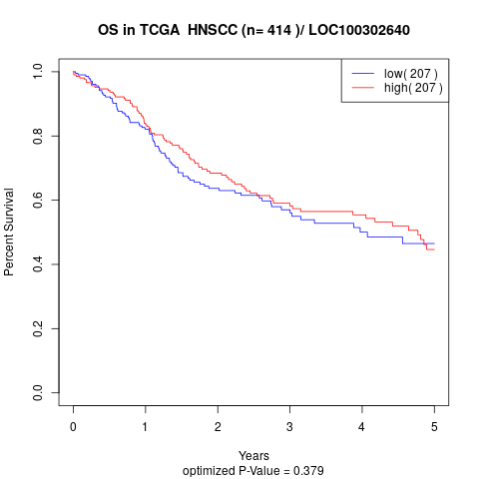

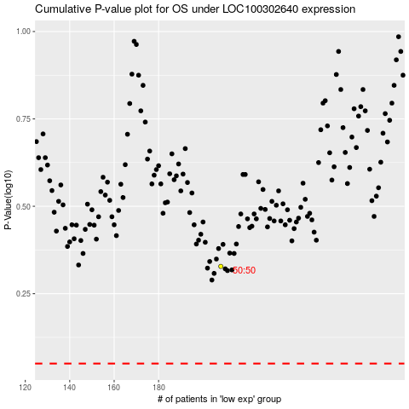

 |  |  |  |  |  | cases_OS | p_OS | rank | exp
 |  |  |  |  |  |  | cases_RFS | p_RFS | rank | exp

