LOC100302650 _multivariate
Reported by Tex Li-Hsing Chi. tex@gate.sinica.edu.tw 2019-08-18

Table 2. The clinicopathological features of HNSCC cohort and LOC100302650 expression. (Chi square test)
Cutoff at -0.19 (59.2%)
 |  | LOC100302650 expression |  | LOC100302650 expression |  | (Optimised)
 | Features | Low | (%) | High | (%) | Case no | P-value | Remark | Matthews
Gender | Female | 173 | 41.7 | 133 | 32 | 415 | 0.1048 | 0 | 0
2 | Male | 72 | 17.3 | 37 | 8.9
Age at diagnosis | <=65y | 161 | 38.8 | 113 | 27.2 | 415 | 0.9565 | 0 | 0
4 | >65y | 84 | 20.2 | 57 | 13.7
Clinical T Status | T1+T2 | 91 | 21.9 | 58 | 14 | 415 | 0.5977 | 0 | 0
6 | T3+T4 | 154 | 37.1 | 112 | 27
Clinical N Status | N0 | 129 | 31.1 | 87 | 21 | 415 | 0.8445 | 0 | 0
8 | N1-3 | 116 | 28 | 83 | 20
Clinical M Status | M0 | 243 | 58.6 | 169 | 40.7 | 415 | 1 | 0 | 0
10 | M1 | 2 | 0.5 | 1 | 0.2
Clinical Stage | Stage I+II | 65 | 15.7 | 37 | 8.9 | 415 | 0.3207 | 0 | 0
12 | Stage III+IV | 180 | 43.4 | 133 | 32
Surgical Margin status | Negative | 186 | 44.8 | 132 | 31.8 | 415 | 0.7243 | 0 | 0
14 | Positive | 59 | 14.2 | 38 | 9.2
Tobacco Exposure | Low | 95 | 22.9 | 66 | 15.9 | 415 | 1 | 0 | 0
16 | High | 150 | 36.1 | 104 | 25.1

Table 3. Univariate/Multivariate Cox's proportional hazards regression analyses on OS time of LOC100302650 gene expression in HNSCC

 |  | Univariate |  |  |  | Multivariate
 | Features | HR | CI95%(L) | CI95%(H) | P-value | HR | CI95%(L) | CI95%(H) | P-value
1 | Female | 1 |  |  |  | 1
Gender | Male | 1.157 | 0.843 | 1.587 | 0.367 | 1.163 | 0.833 | 1.624 | 0.375
11 | <=65y | 1 |  |  |  | 1
Age at diagnosis | >65y | 1.329 | 0.99 | 1.784 | 0.058 | 1.417 | 1.043 | 1.924 | 0.026
12 | T1+T2 | 1 |  |  |  | 1
Clinical T Status | T3+T4 | 1.409 | 1.028 | 1.931 | 0.033 | 2.238 | 1.184 | 4.228 | 0.013
13 | N0 | 1 |  |  |  | 1
Clinical N Status | N1-3 | 1.185 | 0.89 | 1.577 | 0.246 | 1.255 | 0.88 | 1.79 | 0.21
14 | M0 | 1 |  |  |  | 1
Clinical M Status | M1 | 4.097 | 1.009 | 16.644 | 0.049 | 9.436 | 2.058 | 43.277 | 0.004
15 | Stage I+II | 1 |  |  |  | 1
Clinical Stage | Stage III+IV | 1.245 | 0.882 | 1.759 | 0.213 | 0.513 | 0.239 | 1.102 | 0.087
16 | Negative | 1 |  |  |  | 1
Surgical Margin status | Positive | 1.591 | 1.155 | 2.191 | 0.004 | 1.674 | 1.211 | 2.314 | 0.002
17 | Low | 1 |  |  |  | 1
Tobacco Exposure | High | 1.364 | 1.008 | 1.844 | 0.044 | 1.448 | 1.052 | 1.993 | 0.023
18 | Low | 1 |  |  |  | 1
RNAseq(z-score) | High | 0.707 | 0.519 | 0.962 | 0.028 | 0.68 | 0.498 | 0.929 | 0.015

Table 4. Univariate/Multivariate Cox's proportional hazards regression analyses on RFS time of LOC100302650 gene expression in HNSCC

 |  | Univariate |  |  |  | Multivariate
 | Features | HR | CI95%(L) | CI95%(H) | P-value | HR | CI95%(L) | CI95%(H) | P-value
1 | Female | 1 |  |  |  | 1
Gender | Male | 1.157 | 0.843 | 1.587 | 0.367 | 1.163 | 0.833 | 1.624 | 0.375
11 | <=65y | 1 |  |  |  | 1
Age at diagnosis | >65y | 1.329 | 0.99 | 1.784 | 0.058 | 1.417 | 1.043 | 1.924 | 0.026
12 | T1+T2 | 1 |  |  |  | 1
Clinical T Status | T3+T4 | 1.409 | 1.028 | 1.931 | 0.033 | 2.238 | 1.184 | 4.228 | 0.013
13 | N0 | 1 |  |  |  | 1
Clinical N Status | N1-3 | 1.185 | 0.89 | 1.577 | 0.246 | 1.255 | 0.88 | 1.79 | 0.21
14 | M0 | 1 |  |  |  | 1
Clinical M Status | M1 | 4.097 | 1.009 | 16.644 | 0.049 | 9.436 | 2.058 | 43.277 | 0.004
15 | Stage I+II | 1 |  |  |  | 1
Clinical Stage | Stage III+IV | 1.245 | 0.882 | 1.759 | 0.213 | 0.513 | 0.239 | 1.102 | 0.087
16 | Negative | 1 |  |  |  | 1
Surgical Margin status | Positive | 1.591 | 1.155 | 2.191 | 0.004 | 1.674 | 1.211 | 2.314 | 0.002
17 | Low | 1 |  |  |  | 1
Tobacco Exposure | High | 1.364 | 1.008 | 1.844 | 0.044 | 1.448 | 1.052 | 1.993 | 0.023
18 | Low | 1 |  |  |  | 1
RNAseq(z-score) | High | 0.707 | 0.519 | 0.962 | 0.028 | 0.68 | 0.498 | 0.929 | 0.015

Kaplan-Meier survival estimate: Cutoff at -0.19 (59.2%)

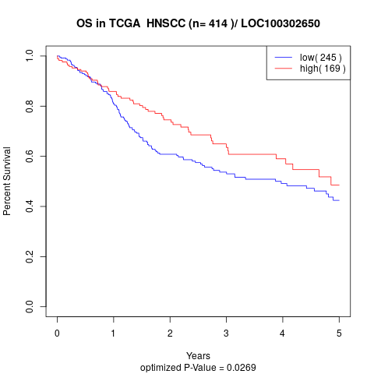

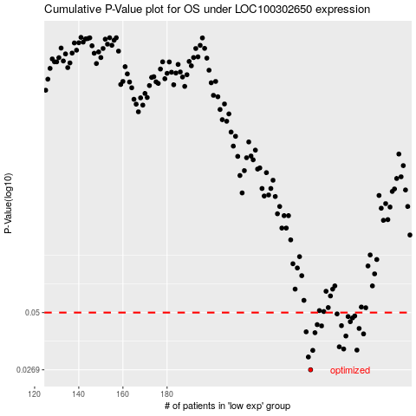

 |  |  |  |  |  | cases_OS | p_OS | rank | exp
 |  |  |  |  |  | 245 | 0.0269 | 365 | -0.18967907505
 |  |  |  |  |  | 244 | 0.0309 | 278 | -0.19276332735
 |  |  |  |  |  | 246 | 0.0332 | 135 | -0.18700252648
 |  |  |  |  |  | 266 | 0.0333 | 189 | -0.12646116882
 |  |  |  |  |  | 260 | 0.0337 | 11 | -0.14513347053
 |  |  |  |  |  | 258 | 0.0345 | 400 | -0.15254097091
 |  |  |  |  |  | 261 | 0.0388 | 132 | -0.14090288239
 |  |  |  |  |  | 269 | 0.0397 | 190 | -0.12332396798
 |  |  |  |  |  | 247 | 0.0402 | 415 | -0.18693634081
 |  |  |  |  |  | 243 | 0.0406 | 125 | -0.19320809506
 |  |  |  |  |  | 267 | 0.0421 | 399 | -0.12617789414
 |  |  |  |  |  | 250 | 0.0433 | 381 | -0.17750885372
 |  |  |  |  |  | 259 | 0.0434 | 185 | -0.15132844941
 |  |  |  |  |  | 248 | 0.0439 | 162 | -0.18690192426
 |  |  |  |  |  | 263 | 0.0453 | 197 | -0.13104915958
 |  |  |  |  |  | 264 | 0.0472 | 28 | -0.12892592323
 |  |  |  |  |  | 262 | 0.0479 | 280 | -0.13818132757
 |  |  |  |  |  | 265 | 0.0482 | 250 | -0.12732158255
 |  |  |  |  |  | 257 | 0.0493 | 216 | -0.16227291209
 |  |  |  |  |  |  | cases_RFS | p_RFS | rank | exp
 |  |  |  |  |  |  | 244 | 0.0269 | 278 | -0.19276332735
 |  |  |  |  |  |  | 243 | 0.0309 | 125 | -0.19320809506
 |  |  |  |  |  |  | 245 | 0.0332 | 365 | -0.18967907505
 |  |  |  |  |  |  | 265 | 0.0333 | 250 | -0.12732158255
 |  |  |  |  |  |  | 259 | 0.0337 | 185 | -0.15132844941
 |  |  |  |  |  |  | 257 | 0.0345 | 216 | -0.16227291209
 |  |  |  |  |  |  | 260 | 0.0388 | 11 | -0.14513347053
 |  |  |  |  |  |  | 268 | 0.0397 | 387 | -0.12414467031
 |  |  |  |  |  |  | 246 | 0.0402 | 135 | -0.18700252648
 |  |  |  |  |  |  | 242 | 0.0406 | 398 | -0.19329281272
 |  |  |  |  |  |  | 266 | 0.0421 | 189 | -0.12646116882
 |  |  |  |  |  |  | 249 | 0.0433 | 273 | -0.18671130953
 |  |  |  |  |  |  | 258 | 0.0434 | 400 | -0.15254097091
 |  |  |  |  |  |  | 247 | 0.0439 | 415 | -0.18693634081
 |  |  |  |  |  |  | 262 | 0.0453 | 280 | -0.13818132757
 |  |  |  |  |  |  | 263 | 0.0472 | 197 | -0.13104915958
 |  |  |  |  |  |  | 261 | 0.0479 | 132 | -0.14090288239
 |  |  |  |  |  |  | 264 | 0.0482 | 28 | -0.12892592323
 |  |  |  |  |  |  | 256 | 0.0493 | 79 | -0.16336629939

