LOC134466 _multivariate
Reported by Tex Li-Hsing Chi. tex@gate.sinica.edu.tw 2019-08-18

Table 2. The clinicopathological features of HNSCC cohort and LOC134466 expression. (Chi square test)
Cutoff at -0.179 (64.3%)
 |  | LOC134466 expression |  | LOC134466 expression |  | (Optimised)
 | Features | Low | (%) | High | (%) | Case no | P-value | Remark | Matthews
Gender | Female | 196 | 47.2 | 110 | 26.5 | 415 | 0.9309 | 0 | 0
2 | Male | 71 | 17.1 | 38 | 9.2
Age at diagnosis | <=65y | 169 | 40.7 | 105 | 25.3 | 415 | 0.1421 | 0 | 0
4 | >65y | 98 | 23.6 | 43 | 10.4
Clinical T Status | T1+T2 | 95 | 22.9 | 54 | 13 | 415 | 0.9382 | 0 | 0
6 | T3+T4 | 172 | 41.4 | 94 | 22.7
Clinical N Status | N0 | 138 | 33.3 | 78 | 18.8 | 415 | 0.9234 | 0 | 0
8 | N1-3 | 129 | 31.1 | 70 | 16.9
Clinical M Status | M0 | 264 | 63.6 | 148 | 35.7 | 415 | 0.5556 | 0 | 0
10 | M1 | 3 | 0.7 | 0 | 0
Clinical Stage | Stage I+II | 63 | 15.2 | 39 | 9.4 | 415 | 0.6132 | 0 | 0
12 | Stage III+IV | 204 | 49.2 | 109 | 26.3
Surgical Margin status | Negative | 201 | 48.4 | 117 | 28.2 | 415 | 0.3997 | 0 | 0
14 | Positive | 66 | 15.9 | 31 | 7.5
Tobacco Exposure | Low | 111 | 26.7 | 50 | 12 | 415 | 0.1409 | 0 | 0
16 | High | 156 | 37.6 | 98 | 23.6

Table 3. Univariate/Multivariate Cox's proportional hazards regression analyses on OS time of LOC134466 gene expression in HNSCC

 |  | Univariate |  |  |  | Multivariate
 | Features | HR | CI95%(L) | CI95%(H) | P-value | HR | CI95%(L) | CI95%(H) | P-value
1 | Female | 1 |  |  |  | 1
Gender | Male | 1.157 | 0.843 | 1.587 | 0.367 | 1.217 | 0.87 | 1.703 | 0.252
11 | <=65y | 1 |  |  |  | 1
Age at diagnosis | >65y | 1.329 | 0.99 | 1.784 | 0.058 | 1.352 | 0.993 | 1.842 | 0.056
12 | T1+T2 | 1 |  |  |  | 1
Clinical T Status | T3+T4 | 1.409 | 1.028 | 1.931 | 0.033 | 2.217 | 1.173 | 4.193 | 0.014
13 | N0 | 1 |  |  |  | 1
Clinical N Status | N1-3 | 1.185 | 0.89 | 1.577 | 0.246 | 1.241 | 0.87 | 1.772 | 0.234
14 | M0 | 1 |  |  |  | 1
Clinical M Status | M1 | 4.097 | 1.009 | 16.644 | 0.049 | 8.462 | 1.842 | 38.872 | 0.006
15 | Stage I+II | 1 |  |  |  | 1
Clinical Stage | Stage III+IV | 1.245 | 0.882 | 1.759 | 0.213 | 0.489 | 0.228 | 1.05 | 0.067
16 | Negative | 1 |  |  |  | 1
Surgical Margin status | Positive | 1.591 | 1.155 | 2.191 | 0.004 | 1.662 | 1.203 | 2.297 | 0.002
17 | Low | 1 |  |  |  | 1
Tobacco Exposure | High | 1.364 | 1.008 | 1.844 | 0.044 | 1.512 | 1.092 | 2.093 | 0.013
18 | Low | 1 |  |  |  | 1
RNAseq(z-score) | High | 0.694 | 0.508 | 0.947 | 0.021 | 0.7 | 0.511 | 0.96 | 0.027

Table 4. Univariate/Multivariate Cox's proportional hazards regression analyses on RFS time of LOC134466 gene expression in HNSCC

 |  | Univariate |  |  |  | Multivariate
 | Features | HR | CI95%(L) | CI95%(H) | P-value | HR | CI95%(L) | CI95%(H) | P-value
1 | Female | 1 |  |  |  | 1
Gender | Male | 1.157 | 0.843 | 1.587 | 0.367 | 1.217 | 0.87 | 1.703 | 0.252
11 | <=65y | 1 |  |  |  | 1
Age at diagnosis | >65y | 1.329 | 0.99 | 1.784 | 0.058 | 1.352 | 0.993 | 1.842 | 0.056
12 | T1+T2 | 1 |  |  |  | 1
Clinical T Status | T3+T4 | 1.409 | 1.028 | 1.931 | 0.033 | 2.217 | 1.173 | 4.193 | 0.014
13 | N0 | 1 |  |  |  | 1
Clinical N Status | N1-3 | 1.185 | 0.89 | 1.577 | 0.246 | 1.241 | 0.87 | 1.772 | 0.234
14 | M0 | 1 |  |  |  | 1
Clinical M Status | M1 | 4.097 | 1.009 | 16.644 | 0.049 | 8.462 | 1.842 | 38.872 | 0.006
15 | Stage I+II | 1 |  |  |  | 1
Clinical Stage | Stage III+IV | 1.245 | 0.882 | 1.759 | 0.213 | 0.489 | 0.228 | 1.05 | 0.067
16 | Negative | 1 |  |  |  | 1
Surgical Margin status | Positive | 1.591 | 1.155 | 2.191 | 0.004 | 1.662 | 1.203 | 2.297 | 0.002
17 | Low | 1 |  |  |  | 1
Tobacco Exposure | High | 1.364 | 1.008 | 1.844 | 0.044 | 1.512 | 1.092 | 2.093 | 0.013
18 | Low | 1 |  |  |  | 1
RNAseq(z-score) | High | 0.694 | 0.508 | 0.947 | 0.021 | 0.7 | 0.511 | 0.96 | 0.027

Kaplan-Meier survival estimate: Cutoff at -0.179 (64.3%)

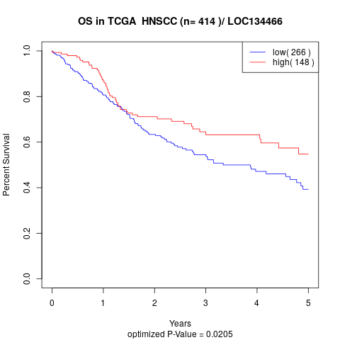

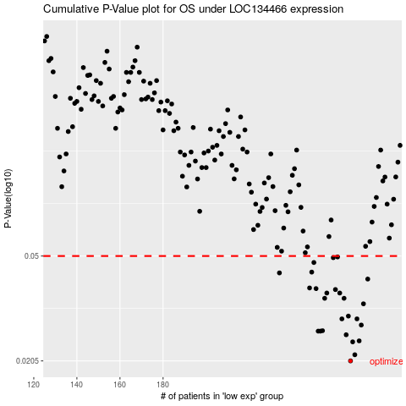

 |  |  |  |  |  | cases_OS | p_OS | rank | exp
 |  |  |  |  |  | 267 | 0.0205 | 156 | -0.17942942677
 |  |  |  |  |  | 269 | 0.0216 | 111 | -0.17762613459
 |  |  |  |  |  | 268 | 0.0241 | 72 | -0.17857726126
 |  |  |  |  |  | 271 | 0.0243 | 367 | -0.170061104
 |  |  |  |  |  | 265 | 0.0256 | 162 | -0.18494376229
 |  |  |  |  |  | 252 | 0.0264 | 333 | -0.21999250504
 |  |  |  |  |  | 253 | 0.0264 | 358 | -0.21858505749
 |  |  |  |  |  | 254 | 0.0265 | 51 | -0.20646231588
 |  |  |  |  |  | 272 | 0.0278 | 158 | -0.16951681764
 |  |  |  |  |  | 263 | 0.0293 | 17 | -0.19067251365
 |  |  |  |  |  | 270 | 0.0293 | 251 | -0.1715015386
 |  |  |  |  |  | 266 | 0.03 | 370 | -0.18065544553
 |  |  |  |  |  | 273 | 0.0333 | 175 | -0.16854919745
 |  |  |  |  |  | 255 | 0.0349 | 27 | -0.20525279064
 |  |  |  |  |  | 264 | 0.0349 | 133 | -0.18768718545
 |  |  |  |  |  | 256 | 0.0365 | 205 | -0.20301516894
 |  |  |  |  |  | 262 | 0.0365 | 248 | -0.19178857558
 |  |  |  |  |  | 260 | 0.0376 | 321 | -0.19423511527
 |  |  |  |  |  | 251 | 0.0379 | 99 | -0.22564978445
 |  |  |  |  |  | 248 | 0.0381 | 103 | -0.23189533297
 |  |  |  |  |  | 275 | 0.0411 | 110 | -0.16652049375
 |  |  |  |  |  | 234 | 0.0433 | 83 | -0.26394225398
 |  |  |  |  |  | 249 | 0.0436 | 395 | -0.22909693139
 |  |  |  |  |  | 250 | 0.0473 | 414 | -0.22679333559
 |  |  |  |  |  | 259 | 0.0493 | 54 | -0.19781421041
 |  |  |  |  |  | 261 | 0.0496 | 296 | -0.1928771483
 |  |  |  |  |  |  | cases_RFS | p_RFS | rank | exp
 |  |  |  |  |  |  | 266 | 0.0205 | 370 | -0.18065544553
 |  |  |  |  |  |  | 268 | 0.0216 | 72 | -0.17857726126
 |  |  |  |  |  |  | 267 | 0.0241 | 156 | -0.17942942677
 |  |  |  |  |  |  | 270 | 0.0243 | 251 | -0.1715015386
 |  |  |  |  |  |  | 264 | 0.0256 | 133 | -0.18768718545
 |  |  |  |  |  |  | 251 | 0.0264 | 99 | -0.22564978445
 |  |  |  |  |  |  | 252 | 0.0264 | 333 | -0.21999250504
 |  |  |  |  |  |  | 253 | 0.0265 | 358 | -0.21858505749
 |  |  |  |  |  |  | 271 | 0.0278 | 367 | -0.170061104
 |  |  |  |  |  |  | 269 | 0.0293 | 111 | -0.17762613459
 |  |  |  |  |  |  | 262 | 0.0293 | 248 | -0.19178857558
 |  |  |  |  |  |  | 265 | 0.03 | 162 | -0.18494376229
 |  |  |  |  |  |  | 272 | 0.0333 | 158 | -0.16951681764
 |  |  |  |  |  |  | 263 | 0.0349 | 17 | -0.19067251365
 |  |  |  |  |  |  | 254 | 0.0349 | 51 | -0.20646231588
 |  |  |  |  |  |  | 255 | 0.0365 | 27 | -0.20525279064
 |  |  |  |  |  |  | 261 | 0.0365 | 296 | -0.1928771483
 |  |  |  |  |  |  | 259 | 0.0376 | 54 | -0.19781421041
 |  |  |  |  |  |  | 250 | 0.0379 | 414 | -0.22679333559
 |  |  |  |  |  |  | 247 | 0.0381 | 250 | -0.23245061501
 |  |  |  |  |  |  | 274 | 0.0411 | 186 | -0.16814785498
 |  |  |  |  |  |  | 233 | 0.0433 | 200 | -0.26441506839
 |  |  |  |  |  |  | 248 | 0.0436 | 103 | -0.23189533297
 |  |  |  |  |  |  | 249 | 0.0473 | 395 | -0.22909693139
 |  |  |  |  |  |  | 258 | 0.0493 | 43 | -0.20051365083
 |  |  |  |  |  |  | 260 | 0.0496 | 321 | -0.19423511527

