LOC143666 _multivariate
Reported by Tex Li-Hsing Chi. tex@gate.sinica.edu.tw 2019-08-18

Table 2. The clinicopathological features of HNSCC cohort and LOC143666 expression. (Chi square test)
Cutoff at -0.278 (49.8%)
 |  | LOC143666 expression |  | LOC143666 expression |  | (Optimised)
 | Features | Low | (%) | High | (%) | Case no | P-value | Remark | Matthews
Gender | Female | 143 | 34.5 | 163 | 39.3 | 415 | 0.0416 | 1 | 0
2 | Male | 64 | 15.4 | 45 | 10.8
Age at diagnosis | <=65y | 144 | 34.7 | 130 | 31.3 | 415 | 0.1568 | 0 | 0
4 | >65y | 63 | 15.2 | 78 | 18.8
Clinical T Status | T1+T2 | 82 | 19.8 | 67 | 16.1 | 415 | 0.1417 | 0 | 0
6 | T3+T4 | 125 | 30.1 | 141 | 34
Clinical N Status | N0 | 99 | 23.9 | 117 | 28.2 | 415 | 0.1054 | 0 | 0
8 | N1-3 | 108 | 26 | 91 | 21.9
Clinical M Status | M0 | 205 | 49.4 | 207 | 49.9 | 415 | 0.6232 | 0 | 0
10 | M1 | 2 | 0.5 | 1 | 0.2
Clinical Stage | Stage I+II | 58 | 14 | 44 | 10.6 | 415 | 0.131 | 0 | 0
12 | Stage III+IV | 149 | 35.9 | 164 | 39.5
Surgical Margin status | Negative | 164 | 39.5 | 154 | 37.1 | 415 | 0.2462 | 0 | 0
14 | Positive | 43 | 10.4 | 54 | 13
Tobacco Exposure | Low | 82 | 19.8 | 79 | 19 | 415 | 0.763 | 0 | 0
16 | High | 125 | 30.1 | 129 | 31.1

Table 3. Univariate/Multivariate Cox's proportional hazards regression analyses on OS time of LOC143666 gene expression in HNSCC

 |  | Univariate |  |  |  | Multivariate
 | Features | HR | CI95%(L) | CI95%(H) | P-value | HR | CI95%(L) | CI95%(H) | P-value
1 | Female | 1 |  |  |  | 1
Gender | Male | 1.157 | 0.843 | 1.587 | 0.367 | 1.182 | 0.845 | 1.652 | 0.329
11 | <=65y | 1 |  |  |  | 1
Age at diagnosis | >65y | 1.329 | 0.99 | 1.784 | 0.058 | 1.415 | 1.039 | 1.926 | 0.028
12 | T1+T2 | 1 |  |  |  | 1
Clinical T Status | T3+T4 | 1.409 | 1.028 | 1.931 | 0.033 | 2.17 | 1.147 | 4.104 | 0.017
13 | N0 | 1 |  |  |  | 1
Clinical N Status | N1-3 | 1.185 | 0.89 | 1.577 | 0.246 | 1.194 | 0.834 | 1.709 | 0.334
14 | M0 | 1 |  |  |  | 1
Clinical M Status | M1 | 4.097 | 1.009 | 16.644 | 0.049 | 9.175 | 2.001 | 42.069 | 0.004
15 | Stage I+II | 1 |  |  |  | 1
Clinical Stage | Stage III+IV | 1.245 | 0.882 | 1.759 | 0.213 | 0.536 | 0.249 | 1.157 | 0.112
16 | Negative | 1 |  |  |  | 1
Surgical Margin status | Positive | 1.591 | 1.155 | 2.191 | 0.004 | 1.733 | 1.25 | 2.404 | 0.001
17 | Low | 1 |  |  |  | 1
Tobacco Exposure | High | 1.364 | 1.008 | 1.844 | 0.044 | 1.468 | 1.065 | 2.026 | 0.019
18 | Low | 1 |  |  |  | 1
RNAseq(z-score) | High | 0.876 | 0.658 | 1.168 | 0.369 | 0.804 | 0.597 | 1.082 | 0.149

Table 4. Univariate/Multivariate Cox's proportional hazards regression analyses on RFS time of LOC143666 gene expression in HNSCC

 |  | Univariate |  |  |  | Multivariate
 | Features | HR | CI95%(L) | CI95%(H) | P-value | HR | CI95%(L) | CI95%(H) | P-value
1 | Female | 1 |  |  |  | 1
Gender | Male | 1.157 | 0.843 | 1.587 | 0.367 | 1.182 | 0.845 | 1.652 | 0.329
11 | <=65y | 1 |  |  |  | 1
Age at diagnosis | >65y | 1.329 | 0.99 | 1.784 | 0.058 | 1.415 | 1.039 | 1.926 | 0.028
12 | T1+T2 | 1 |  |  |  | 1
Clinical T Status | T3+T4 | 1.409 | 1.028 | 1.931 | 0.033 | 2.17 | 1.147 | 4.104 | 0.017
13 | N0 | 1 |  |  |  | 1
Clinical N Status | N1-3 | 1.185 | 0.89 | 1.577 | 0.246 | 1.194 | 0.834 | 1.709 | 0.334
14 | M0 | 1 |  |  |  | 1
Clinical M Status | M1 | 4.097 | 1.009 | 16.644 | 0.049 | 9.175 | 2.001 | 42.069 | 0.004
15 | Stage I+II | 1 |  |  |  | 1
Clinical Stage | Stage III+IV | 1.245 | 0.882 | 1.759 | 0.213 | 0.536 | 0.249 | 1.157 | 0.112
16 | Negative | 1 |  |  |  | 1
Surgical Margin status | Positive | 1.591 | 1.155 | 2.191 | 0.004 | 1.733 | 1.25 | 2.404 | 0.001
17 | Low | 1 |  |  |  | 1
Tobacco Exposure | High | 1.364 | 1.008 | 1.844 | 0.044 | 1.468 | 1.065 | 2.026 | 0.019
18 | Low | 1 |  |  |  | 1
RNAseq(z-score) | High | 0.876 | 0.658 | 1.168 | 0.369 | 0.804 | 0.597 | 1.082 | 0.149

Kaplan-Meier survival estimate: Cutoff at -0.278 (49.8%)

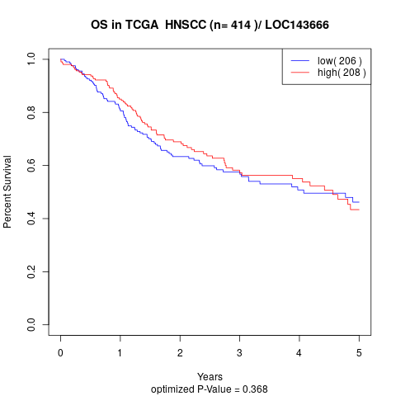

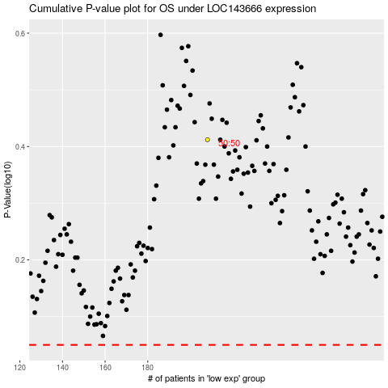

 |  |  |  |  |  | cases_OS | p_OS | rank | exp
 |  |  |  |  |  |  | cases_RFS | p_RFS | rank | exp

