LOC144438 _multivariate
Reported by Tex Li-Hsing Chi. tex@gate.sinica.edu.tw 2019-08-18

Table 2. The clinicopathological features of HNSCC cohort and LOC144438 expression. (Chi square test)
Cutoff at -0.169 (49.8%)
 |  | LOC144438 expression |  | LOC144438 expression |  | (Optimised)
 | Features | Low | (%) | High | (%) | Case no | P-value | Remark | Matthews
Gender | Female | 144 | 34.7 | 162 | 39 | 415 | 0.0697 | 0 | 0
2 | Male | 63 | 15.2 | 46 | 11.1
Age at diagnosis | <=65y | 133 | 32 | 141 | 34 | 415 | 0.5111 | 0 | 0
4 | >65y | 74 | 17.8 | 67 | 16.1
Clinical T Status | T1+T2 | 80 | 19.3 | 69 | 16.6 | 415 | 0.2891 | 0 | 0
6 | T3+T4 | 127 | 30.6 | 139 | 33.5
Clinical N Status | N0 | 107 | 25.8 | 109 | 26.3 | 415 | 0.9624 | 0 | 0
8 | N1-3 | 100 | 24.1 | 99 | 23.9
Clinical M Status | M0 | 205 | 49.4 | 207 | 49.9 | 415 | 0.6232 | 0 | 0
10 | M1 | 2 | 0.5 | 1 | 0.2
Clinical Stage | Stage I+II | 55 | 13.3 | 47 | 11.3 | 415 | 0.4087 | 0 | 0
12 | Stage III+IV | 152 | 36.6 | 161 | 38.8
Surgical Margin status | Negative | 169 | 40.7 | 149 | 35.9 | 415 | 0.0201 | 1 | 0
14 | Positive | 38 | 9.2 | 59 | 14.2
Tobacco Exposure | Low | 100 | 24.1 | 61 | 14.7 | 415 | 1e-04 | 1 | 0
16 | High | 107 | 25.8 | 147 | 35.4

Table 3. Univariate/Multivariate Cox's proportional hazards regression analyses on OS time of LOC144438 gene expression in HNSCC

 |  | Univariate |  |  |  | Multivariate
 | Features | HR | CI95%(L) | CI95%(H) | P-value | HR | CI95%(L) | CI95%(H) | P-value
1 | Female | 1 |  |  |  | 1
Gender | Male | 1.157 | 0.843 | 1.587 | 0.367 | 1.235 | 0.882 | 1.728 | 0.219
11 | <=65y | 1 |  |  |  | 1
Age at diagnosis | >65y | 1.329 | 0.99 | 1.784 | 0.058 | 1.382 | 1.016 | 1.88 | 0.039
12 | T1+T2 | 1 |  |  |  | 1
Clinical T Status | T3+T4 | 1.409 | 1.028 | 1.931 | 0.033 | 2.256 | 1.191 | 4.271 | 0.013
13 | N0 | 1 |  |  |  | 1
Clinical N Status | N1-3 | 1.185 | 0.89 | 1.577 | 0.246 | 1.27 | 0.889 | 1.816 | 0.189
14 | M0 | 1 |  |  |  | 1
Clinical M Status | M1 | 4.097 | 1.009 | 16.644 | 0.049 | 10.279 | 2.23 | 47.387 | 0.003
15 | Stage I+II | 1 |  |  |  | 1
Clinical Stage | Stage III+IV | 1.245 | 0.882 | 1.759 | 0.213 | 0.482 | 0.224 | 1.038 | 0.062
16 | Negative | 1 |  |  |  | 1
Surgical Margin status | Positive | 1.591 | 1.155 | 2.191 | 0.004 | 1.625 | 1.173 | 2.252 | 0.004
17 | Low | 1 |  |  |  | 1
Tobacco Exposure | High | 1.364 | 1.008 | 1.844 | 0.044 | 1.408 | 1.019 | 1.945 | 0.038
18 | Low | 1 |  |  |  | 1
RNAseq(z-score) | High | 1.291 | 0.964 | 1.728 | 0.087 | 1.246 | 0.92 | 1.687 | 0.154

Table 4. Univariate/Multivariate Cox's proportional hazards regression analyses on RFS time of LOC144438 gene expression in HNSCC

 |  | Univariate |  |  |  | Multivariate
 | Features | HR | CI95%(L) | CI95%(H) | P-value | HR | CI95%(L) | CI95%(H) | P-value
1 | Female | 1 |  |  |  | 1
Gender | Male | 1.157 | 0.843 | 1.587 | 0.367 | 1.235 | 0.882 | 1.728 | 0.219
11 | <=65y | 1 |  |  |  | 1
Age at diagnosis | >65y | 1.329 | 0.99 | 1.784 | 0.058 | 1.382 | 1.016 | 1.88 | 0.039
12 | T1+T2 | 1 |  |  |  | 1
Clinical T Status | T3+T4 | 1.409 | 1.028 | 1.931 | 0.033 | 2.256 | 1.191 | 4.271 | 0.013
13 | N0 | 1 |  |  |  | 1
Clinical N Status | N1-3 | 1.185 | 0.89 | 1.577 | 0.246 | 1.27 | 0.889 | 1.816 | 0.189
14 | M0 | 1 |  |  |  | 1
Clinical M Status | M1 | 4.097 | 1.009 | 16.644 | 0.049 | 10.279 | 2.23 | 47.387 | 0.003
15 | Stage I+II | 1 |  |  |  | 1
Clinical Stage | Stage III+IV | 1.245 | 0.882 | 1.759 | 0.213 | 0.482 | 0.224 | 1.038 | 0.062
16 | Negative | 1 |  |  |  | 1
Surgical Margin status | Positive | 1.591 | 1.155 | 2.191 | 0.004 | 1.625 | 1.173 | 2.252 | 0.004
17 | Low | 1 |  |  |  | 1
Tobacco Exposure | High | 1.364 | 1.008 | 1.844 | 0.044 | 1.408 | 1.019 | 1.945 | 0.038
18 | Low | 1 |  |  |  | 1
RNAseq(z-score) | High | 1.291 | 0.964 | 1.728 | 0.087 | 1.246 | 0.92 | 1.687 | 0.154

Kaplan-Meier survival estimate: Cutoff at -0.169 (49.8%)

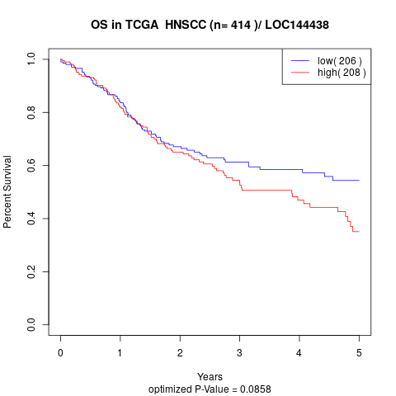

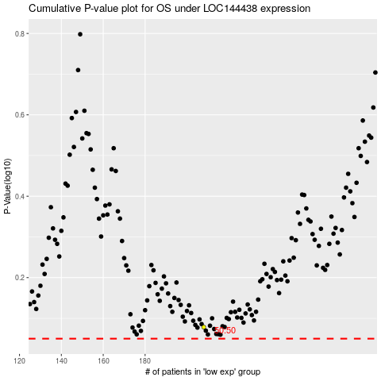

 |  |  |  |  |  | cases_OS | p_OS | rank | exp
 |  |  |  |  |  |  | cases_RFS | p_RFS | rank | exp

