LOC144571 _multivariate
Reported by Tex Li-Hsing Chi. tex@gate.sinica.edu.tw 2019-08-18

Table 2. The clinicopathological features of HNSCC cohort and LOC144571 expression. (Chi square test)
Cutoff at -0.017 (68.4%)
 |  | LOC144571 expression |  | LOC144571 expression |  | (Optimised)
 | Features | Low | (%) | High | (%) | Case no | P-value | Remark | Matthews
Gender | Female | 206 | 49.6 | 100 | 24.1 | 415 | 0.4854 | 0 | 0
2 | Male | 78 | 18.8 | 31 | 7.5
Age at diagnosis | <=65y | 194 | 46.7 | 80 | 19.3 | 415 | 0.1815 | 0 | 0
4 | >65y | 90 | 21.7 | 51 | 12.3
Clinical T Status | T1+T2 | 90 | 21.7 | 59 | 14.2 | 415 | 0.0116 | 1 | 0
6 | T3+T4 | 194 | 46.7 | 72 | 17.3
Clinical N Status | N0 | 149 | 35.9 | 67 | 16.1 | 415 | 0.8852 | 0 | 0
8 | N1-3 | 135 | 32.5 | 64 | 15.4
Clinical M Status | M0 | 282 | 68 | 130 | 31.3 | 415 | 1 | 0 | 0
10 | M1 | 2 | 0.5 | 1 | 0.2
Clinical Stage | Stage I+II | 65 | 15.7 | 37 | 8.9 | 415 | 0.2912 | 0 | 0
12 | Stage III+IV | 219 | 52.8 | 94 | 22.7
Surgical Margin status | Negative | 223 | 53.7 | 95 | 22.9 | 415 | 0.2119 | 0 | 0
14 | Positive | 61 | 14.7 | 36 | 8.7
Tobacco Exposure | Low | 108 | 26 | 53 | 12.8 | 415 | 0.6653 | 0 | 0
16 | High | 176 | 42.4 | 78 | 18.8

Table 3. Univariate/Multivariate Cox's proportional hazards regression analyses on OS time of LOC144571 gene expression in HNSCC

 |  | Univariate |  |  |  | Multivariate
 | Features | HR | CI95%(L) | CI95%(H) | P-value | HR | CI95%(L) | CI95%(H) | P-value
1 | Female | 1 |  |  |  | 1
Gender | Male | 1.157 | 0.843 | 1.587 | 0.367 | 1.171 | 0.838 | 1.636 | 0.355
11 | <=65y | 1 |  |  |  | 1
Age at diagnosis | >65y | 1.329 | 0.99 | 1.784 | 0.058 | 1.47 | 1.08 | 2.001 | 0.014
12 | T1+T2 | 1 |  |  |  | 1
Clinical T Status | T3+T4 | 1.409 | 1.028 | 1.931 | 0.033 | 2.074 | 1.095 | 3.926 | 0.025
13 | N0 | 1 |  |  |  | 1
Clinical N Status | N1-3 | 1.185 | 0.89 | 1.577 | 0.246 | 1.293 | 0.905 | 1.847 | 0.158
14 | M0 | 1 |  |  |  | 1
Clinical M Status | M1 | 4.097 | 1.009 | 16.644 | 0.049 | 9.275 | 2.022 | 42.545 | 0.004
15 | Stage I+II | 1 |  |  |  | 1
Clinical Stage | Stage III+IV | 1.245 | 0.882 | 1.759 | 0.213 | 0.501 | 0.233 | 1.078 | 0.077
16 | Negative | 1 |  |  |  | 1
Surgical Margin status | Positive | 1.591 | 1.155 | 2.191 | 0.004 | 1.772 | 1.279 | 2.455 | 0.001
17 | Low | 1 |  |  |  | 1
Tobacco Exposure | High | 1.364 | 1.008 | 1.844 | 0.044 | 1.486 | 1.077 | 2.052 | 0.016
18 | Low | 1 |  |  |  | 1
RNAseq(z-score) | High | 0.686 | 0.496 | 0.949 | 0.023 | 0.627 | 0.449 | 0.876 | 0.006

Table 4. Univariate/Multivariate Cox's proportional hazards regression analyses on RFS time of LOC144571 gene expression in HNSCC

 |  | Univariate |  |  |  | Multivariate
 | Features | HR | CI95%(L) | CI95%(H) | P-value | HR | CI95%(L) | CI95%(H) | P-value
1 | Female | 1 |  |  |  | 1
Gender | Male | 1.157 | 0.843 | 1.587 | 0.367 | 1.171 | 0.838 | 1.636 | 0.355
11 | <=65y | 1 |  |  |  | 1
Age at diagnosis | >65y | 1.329 | 0.99 | 1.784 | 0.058 | 1.47 | 1.08 | 2.001 | 0.014
12 | T1+T2 | 1 |  |  |  | 1
Clinical T Status | T3+T4 | 1.409 | 1.028 | 1.931 | 0.033 | 2.074 | 1.095 | 3.926 | 0.025
13 | N0 | 1 |  |  |  | 1
Clinical N Status | N1-3 | 1.185 | 0.89 | 1.577 | 0.246 | 1.293 | 0.905 | 1.847 | 0.158
14 | M0 | 1 |  |  |  | 1
Clinical M Status | M1 | 4.097 | 1.009 | 16.644 | 0.049 | 9.275 | 2.022 | 42.545 | 0.004
15 | Stage I+II | 1 |  |  |  | 1
Clinical Stage | Stage III+IV | 1.245 | 0.882 | 1.759 | 0.213 | 0.501 | 0.233 | 1.078 | 0.077
16 | Negative | 1 |  |  |  | 1
Surgical Margin status | Positive | 1.591 | 1.155 | 2.191 | 0.004 | 1.772 | 1.279 | 2.455 | 0.001
17 | Low | 1 |  |  |  | 1
Tobacco Exposure | High | 1.364 | 1.008 | 1.844 | 0.044 | 1.486 | 1.077 | 2.052 | 0.016
18 | Low | 1 |  |  |  | 1
RNAseq(z-score) | High | 0.686 | 0.496 | 0.949 | 0.023 | 0.627 | 0.449 | 0.876 | 0.006

Kaplan-Meier survival estimate: Cutoff at -0.017 (68.4%)

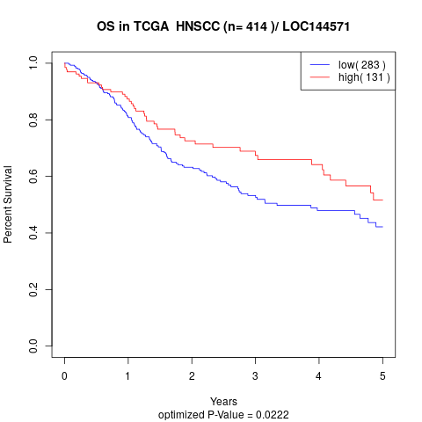

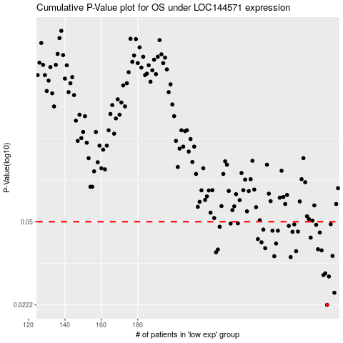

 |  |  |  |  |  | cases_OS | p_OS | rank | exp
 |  |  |  |  |  | 284 | 0.0222 | 45 | -0.016795825332
 |  |  |  |  |  | 288 | 0.025 | 271 | -0.0030255218608
 |  |  |  |  |  | 285 | 0.0293 | 219 | -0.0052977588153
 |  |  |  |  |  | 282 | 0.0297 | 154 | -0.024012230889
 |  |  |  |  |  | 283 | 0.0302 | 409 | -0.021323873432
 |  |  |  |  |  | 264 | 0.0354 | 109 | -0.080681273007
 |  |  |  |  |  | 255 | 0.0357 | 351 | -0.11841135699
 |  |  |  |  |  | 287 | 0.0358 | 389 | -0.0041917543218
 |  |  |  |  |  | 223 | 0.0371 | 25 | -0.21771084954
 |  |  |  |  |  | 267 | 0.0375 | 83 | -0.074384712771
 |  |  |  |  |  | 281 | 0.0378 | 410 | -0.028540278988
 |  |  |  |  |  | 224 | 0.0381 | 149 | -0.21450234145
 |  |  |  |  |  | 279 | 0.0382 | 15 | -0.036473944885
 |  |  |  |  |  | 250 | 0.0386 | 245 | -0.13056645588
 |  |  |  |  |  | 256 | 0.0404 | 383 | -0.11714656967
 |  |  |  |  |  | 248 | 0.0409 | 367 | -0.13276751433
 |  |  |  |  |  | 246 | 0.0422 | 135 | -0.13766788077
 |  |  |  |  |  | 275 | 0.0428 | 167 | -0.052938081083
 |  |  |  |  |  | 280 | 0.045 | 244 | -0.02944917377
 |  |  |  |  |  | 265 | 0.0453 | 380 | -0.077861509075
 |  |  |  |  |  | 268 | 0.0454 | 120 | -0.073371787864
 |  |  |  |  |  | 254 | 0.0458 | 237 | -0.12147203279
 |  |  |  |  |  | 257 | 0.0458 | 362 | -0.11163844829
 |  |  |  |  |  | 249 | 0.0463 | 82 | -0.1324280476
 |  |  |  |  |  | 225 | 0.0476 | 126 | -0.21435998444
 |  |  |  |  |  | 263 | 0.048 | 80 | -0.083736473538
 |  |  |  |  |  | 278 | 0.0485 | 260 | -0.037130977257
 |  |  |  |  |  | 266 | 0.0487 | 390 | -0.077428962763
 |  |  |  |  |  | 286 | 0.0488 | 133 | -0.004854261964
 |  |  |  |  |  | 231 | 0.0491 | 194 | -0.19095320617
 |  |  |  |  |  | 235 | 0.0492 | 73 | -0.17596739281
 |  |  |  |  |  |  | cases_RFS | p_RFS | rank | exp
 |  |  |  |  |  |  | 283 | 0.0222 | 409 | -0.021323873432
 |  |  |  |  |  |  | 287 | 0.025 | 389 | -0.0041917543218
 |  |  |  |  |  |  | 284 | 0.0293 | 45 | -0.016795825332
 |  |  |  |  |  |  | 281 | 0.0297 | 410 | -0.028540278988
 |  |  |  |  |  |  | 282 | 0.0302 | 154 | -0.024012230889
 |  |  |  |  |  |  | 263 | 0.0354 | 80 | -0.083736473538
 |  |  |  |  |  |  | 254 | 0.0357 | 237 | -0.12147203279
 |  |  |  |  |  |  | 286 | 0.0358 | 133 | -0.004854261964
 |  |  |  |  |  |  | 222 | 0.0371 | 217 | -0.21783678074
 |  |  |  |  |  |  | 266 | 0.0375 | 390 | -0.077428962763
 |  |  |  |  |  |  | 280 | 0.0378 | 244 | -0.02944917377
 |  |  |  |  |  |  | 223 | 0.0381 | 25 | -0.21771084954
 |  |  |  |  |  |  | 278 | 0.0382 | 260 | -0.037130977257
 |  |  |  |  |  |  | 249 | 0.0386 | 82 | -0.1324280476
 |  |  |  |  |  |  | 255 | 0.0404 | 351 | -0.11841135699
 |  |  |  |  |  |  | 247 | 0.0409 | 202 | -0.13349572521
 |  |  |  |  |  |  | 245 | 0.0422 | 377 | -0.1403069608
 |  |  |  |  |  |  | 274 | 0.0428 | 87 | -0.056206817135
 |  |  |  |  |  |  | 279 | 0.045 | 15 | -0.036473944885
 |  |  |  |  |  |  | 264 | 0.0453 | 109 | -0.080681273007
 |  |  |  |  |  |  | 267 | 0.0454 | 83 | -0.074384712771
 |  |  |  |  |  |  | 253 | 0.0458 | 204 | -0.12344312991
 |  |  |  |  |  |  | 256 | 0.0458 | 383 | -0.11714656967
 |  |  |  |  |  |  | 248 | 0.0463 | 367 | -0.13276751433
 |  |  |  |  |  |  | 224 | 0.0476 | 149 | -0.21450234145
 |  |  |  |  |  |  | 262 | 0.048 | 79 | -0.090312272532
 |  |  |  |  |  |  | 277 | 0.0485 | 267 | -0.0387352313
 |  |  |  |  |  |  | 265 | 0.0487 | 380 | -0.077861509075
 |  |  |  |  |  |  | 285 | 0.0488 | 219 | -0.0052977588153
 |  |  |  |  |  |  | 230 | 0.0491 | 115 | -0.20052397773
 |  |  |  |  |  |  | 234 | 0.0492 | 364 | -0.17994791393

