LOC146880 _multivariate
Reported by Tex Li-Hsing Chi. tex@gate.sinica.edu.tw 2019-08-18

Table 2. The clinicopathological features of HNSCC cohort and LOC146880 expression. (Chi square test)
Cutoff at -0.528 (34.8%)
 |  | LOC146880 expression |  | LOC146880 expression |  | (Optimised)
 | Features | Low | (%) | High | (%) | Case no | P-value | Remark | Matthews
Gender | Female | 96 | 23.1 | 210 | 50.6 | 415 | 0.0233 | 1 | 0
2 | Male | 48 | 11.6 | 61 | 14.7
Age at diagnosis | <=65y | 98 | 23.6 | 176 | 42.4 | 415 | 0.5975 | 0 | 0
4 | >65y | 46 | 11.1 | 95 | 22.9
Clinical T Status | T1+T2 | 58 | 14 | 91 | 21.9 | 415 | 0.2126 | 0 | 0
6 | T3+T4 | 86 | 20.7 | 180 | 43.4
Clinical N Status | N0 | 74 | 17.8 | 142 | 34.2 | 415 | 0.9261 | 0 | 0
8 | N1-3 | 70 | 16.9 | 129 | 31.1
Clinical M Status | M0 | 144 | 34.7 | 268 | 64.6 | 415 | 0.5545 | 0 | 0
10 | M1 | 0 | 0 | 3 | 0.7
Clinical Stage | Stage I+II | 43 | 10.4 | 59 | 14.2 | 415 | 0.0887 | 0 | 0
12 | Stage III+IV | 101 | 24.3 | 212 | 51.1
Surgical Margin status | Negative | 114 | 27.5 | 204 | 49.2 | 415 | 0.396 | 0 | 0
14 | Positive | 30 | 7.2 | 67 | 16.1
Tobacco Exposure | Low | 59 | 14.2 | 102 | 24.6 | 415 | 0.5266 | 0 | 0
16 | High | 85 | 20.5 | 169 | 40.7

Table 3. Univariate/Multivariate Cox's proportional hazards regression analyses on OS time of LOC146880 gene expression in HNSCC

 |  | Univariate |  |  |  | Multivariate
 | Features | HR | CI95%(L) | CI95%(H) | P-value | HR | CI95%(L) | CI95%(H) | P-value
1 | Female | 1 |  |  |  | 1
Gender | Male | 1.157 | 0.843 | 1.587 | 0.367 | 1.137 | 0.815 | 1.586 | 0.451
11 | <=65y | 1 |  |  |  | 1
Age at diagnosis | >65y | 1.329 | 0.99 | 1.784 | 0.058 | 1.496 | 1.095 | 2.044 | 0.011
12 | T1+T2 | 1 |  |  |  | 1
Clinical T Status | T3+T4 | 1.409 | 1.028 | 1.931 | 0.033 | 2.156 | 1.14 | 4.078 | 0.018
13 | N0 | 1 |  |  |  | 1
Clinical N Status | N1-3 | 1.185 | 0.89 | 1.577 | 0.246 | 1.22 | 0.855 | 1.741 | 0.274
14 | M0 | 1 |  |  |  | 1
Clinical M Status | M1 | 4.097 | 1.009 | 16.644 | 0.049 | 11.031 | 2.397 | 50.773 | 0.002
15 | Stage I+II | 1 |  |  |  | 1
Clinical Stage | Stage III+IV | 1.245 | 0.882 | 1.759 | 0.213 | 0.552 | 0.257 | 1.189 | 0.129
16 | Negative | 1 |  |  |  | 1
Surgical Margin status | Positive | 1.591 | 1.155 | 2.191 | 0.004 | 1.704 | 1.233 | 2.356 | 0.001
17 | Low | 1 |  |  |  | 1
Tobacco Exposure | High | 1.364 | 1.008 | 1.844 | 0.044 | 1.506 | 1.091 | 2.078 | 0.013
18 | Low | 1 |  |  |  | 1
RNAseq(z-score) | High | 0.69 | 0.516 | 0.924 | 0.013 | 0.622 | 0.46 | 0.842 | 0.002

Table 4. Univariate/Multivariate Cox's proportional hazards regression analyses on RFS time of LOC146880 gene expression in HNSCC

 |  | Univariate |  |  |  | Multivariate
 | Features | HR | CI95%(L) | CI95%(H) | P-value | HR | CI95%(L) | CI95%(H) | P-value
1 | Female | 1 |  |  |  | 1
Gender | Male | 1.157 | 0.843 | 1.587 | 0.367 | 1.137 | 0.815 | 1.586 | 0.451
11 | <=65y | 1 |  |  |  | 1
Age at diagnosis | >65y | 1.329 | 0.99 | 1.784 | 0.058 | 1.496 | 1.095 | 2.044 | 0.011
12 | T1+T2 | 1 |  |  |  | 1
Clinical T Status | T3+T4 | 1.409 | 1.028 | 1.931 | 0.033 | 2.156 | 1.14 | 4.078 | 0.018
13 | N0 | 1 |  |  |  | 1
Clinical N Status | N1-3 | 1.185 | 0.89 | 1.577 | 0.246 | 1.22 | 0.855 | 1.741 | 0.274
14 | M0 | 1 |  |  |  | 1
Clinical M Status | M1 | 4.097 | 1.009 | 16.644 | 0.049 | 11.031 | 2.397 | 50.773 | 0.002
15 | Stage I+II | 1 |  |  |  | 1
Clinical Stage | Stage III+IV | 1.245 | 0.882 | 1.759 | 0.213 | 0.552 | 0.257 | 1.189 | 0.129
16 | Negative | 1 |  |  |  | 1
Surgical Margin status | Positive | 1.591 | 1.155 | 2.191 | 0.004 | 1.704 | 1.233 | 2.356 | 0.001
17 | Low | 1 |  |  |  | 1
Tobacco Exposure | High | 1.364 | 1.008 | 1.844 | 0.044 | 1.506 | 1.091 | 2.078 | 0.013
18 | Low | 1 |  |  |  | 1
RNAseq(z-score) | High | 0.69 | 0.516 | 0.924 | 0.013 | 0.622 | 0.46 | 0.842 | 0.002

Kaplan-Meier survival estimate: Cutoff at -0.528 (34.8%)

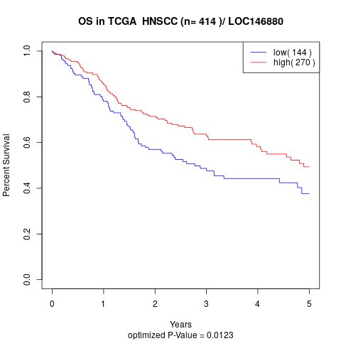

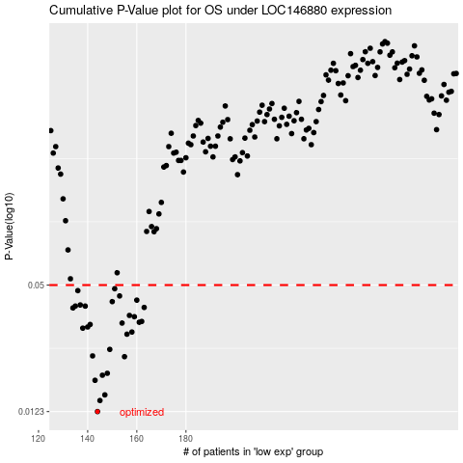

 |  |  |  |  |  | cases_OS | p_OS | rank | exp
 |  |  |  |  |  | 144 | 0.0123 | 332 | -0.52849149919
 |  |  |  |  |  | 145 | 0.0139 | 60 | -0.51095347849
 |  |  |  |  |  | 147 | 0.0148 | 300 | -0.49738572208
 |  |  |  |  |  | 143 | 0.0174 | 68 | -0.53718854275
 |  |  |  |  |  | 146 | 0.0184 | 4 | -0.5006766198
 |  |  |  |  |  | 148 | 0.0188 | 112 | -0.49146947558
 |  |  |  |  |  | 155 | 0.0226 | 128 | -0.46867039411
 |  |  |  |  |  | 142 | 0.0228 | 181 | -0.54674170333
 |  |  |  |  |  | 149 | 0.0245 | 26 | -0.48779053289
 |  |  |  |  |  | 156 | 0.029 | 164 | -0.45111452564
 |  |  |  |  |  | 158 | 0.0297 | 335 | -0.44620639004
 |  |  |  |  |  | 138 | 0.031 | 116 | -0.57333832878
 |  |  |  |  |  | 140 | 0.0314 | 173 | -0.5525387728
 |  |  |  |  |  | 141 | 0.0323 | 70 | -0.54769339226
 |  |  |  |  |  | 154 | 0.0328 | 85 | -0.47098542205
 |  |  |  |  |  | 161 | 0.0331 | 179 | -0.43380564722
 |  |  |  |  |  | 162 | 0.0334 | 330 | -0.42967763171
 |  |  |  |  |  | 159 | 0.0352 | 93 | -0.43977486128
 |  |  |  |  |  | 157 | 0.0357 | 267 | -0.447866808
 |  |  |  |  |  | 134 | 0.0388 | 13 | -0.59178716127
 |  |  |  |  |  | 163 | 0.039 | 245 | -0.42576321365
 |  |  |  |  |  | 139 | 0.0396 | 200 | -0.55823796744
 |  |  |  |  |  | 135 | 0.0396 | 303 | -0.59046930527
 |  |  |  |  |  | 137 | 0.0401 | 176 | -0.57562860014
 |  |  |  |  |  | 150 | 0.0416 | 16 | -0.48720155662
 |  |  |  |  |  | 160 | 0.0423 | 185 | -0.4352069847
 |  |  |  |  |  | 153 | 0.0443 | 133 | -0.47186284125
 |  |  |  |  |  | 136 | 0.047 | 251 | -0.57905997705
 |  |  |  |  |  | 151 | 0.048 | 157 | -0.4796254679
 |  |  |  |  |  |  | cases_RFS | p_RFS | rank | exp
 |  |  |  |  |  |  | 143 | 0.0123 | 68 | -0.53718854275
 |  |  |  |  |  |  | 144 | 0.0139 | 332 | -0.52849149919
 |  |  |  |  |  |  | 146 | 0.0148 | 4 | -0.5006766198
 |  |  |  |  |  |  | 142 | 0.0174 | 181 | -0.54674170333
 |  |  |  |  |  |  | 145 | 0.0184 | 60 | -0.51095347849
 |  |  |  |  |  |  | 147 | 0.0188 | 300 | -0.49738572208
 |  |  |  |  |  |  | 154 | 0.0226 | 85 | -0.47098542205
 |  |  |  |  |  |  | 141 | 0.0228 | 70 | -0.54769339226
 |  |  |  |  |  |  | 148 | 0.0245 | 112 | -0.49146947558
 |  |  |  |  |  |  | 155 | 0.029 | 128 | -0.46867039411
 |  |  |  |  |  |  | 157 | 0.0297 | 267 | -0.447866808
 |  |  |  |  |  |  | 137 | 0.031 | 176 | -0.57562860014
 |  |  |  |  |  |  | 139 | 0.0314 | 200 | -0.55823796744
 |  |  |  |  |  |  | 140 | 0.0323 | 173 | -0.5525387728
 |  |  |  |  |  |  | 153 | 0.0328 | 133 | -0.47186284125
 |  |  |  |  |  |  | 160 | 0.0331 | 185 | -0.4352069847
 |  |  |  |  |  |  | 161 | 0.0334 | 179 | -0.43380564722
 |  |  |  |  |  |  | 158 | 0.0352 | 335 | -0.44620639004
 |  |  |  |  |  |  | 156 | 0.0357 | 164 | -0.45111452564
 |  |  |  |  |  |  | 133 | 0.0388 | 148 | -0.60353847571
 |  |  |  |  |  |  | 162 | 0.039 | 330 | -0.42967763171
 |  |  |  |  |  |  | 134 | 0.0396 | 13 | -0.59178716127
 |  |  |  |  |  |  | 138 | 0.0396 | 116 | -0.57333832878
 |  |  |  |  |  |  | 136 | 0.0401 | 251 | -0.57905997705
 |  |  |  |  |  |  | 149 | 0.0416 | 26 | -0.48779053289
 |  |  |  |  |  |  | 159 | 0.0423 | 93 | -0.43977486128
 |  |  |  |  |  |  | 152 | 0.0443 | 208 | -0.47530976298
 |  |  |  |  |  |  | 135 | 0.047 | 303 | -0.59046930527
 |  |  |  |  |  |  | 150 | 0.048 | 16 | -0.48720155662

